totalsalaryperdepartment
 |  | Salary per department

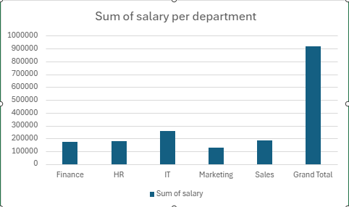
Row Labels | Sum of salary
Finance | 172000
HR | 180000
IT | 255000
Marketing | 129000
Sales | 182000
Grand Total | 918000

averagesalaryperdepartment
 |  | Average performance per department

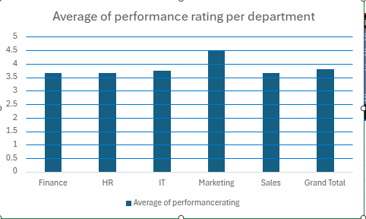
Row Labels | Average of performancerating
Finance | 3.6666666667
HR | 3.6666666667
IT | 3.75
Marketing | 4.5
Sales | 3.6666666667
Grand Total | 3.8

