Home
E-commerce Sales Analytics

Interactive Dashboards workbook

Maven Fuzzy Factory

Dashboards

📊 Executive Dashboard

🛒 Sales Dashboard

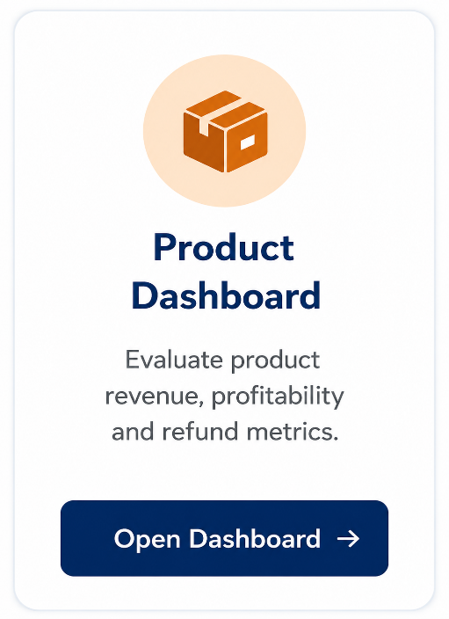
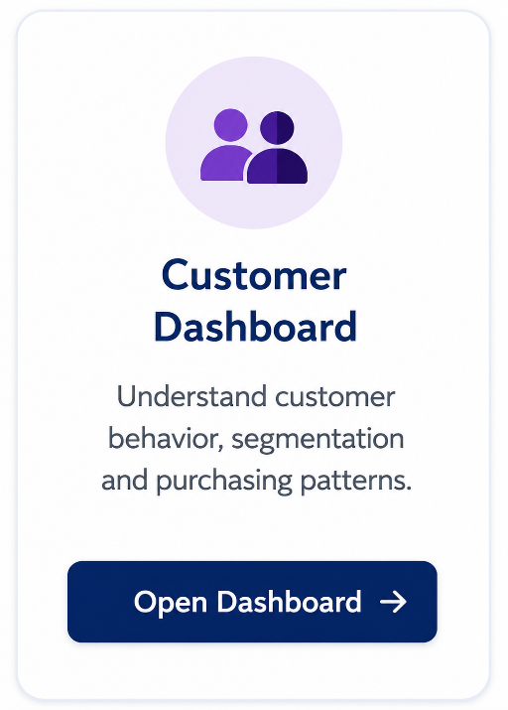
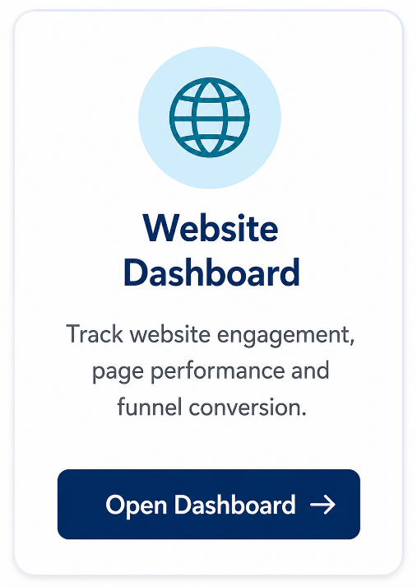
📦 Product Dashboard



👥 Customer Dashboard

📢 Marketing Dashboard

🌐 Website Dashboard

🏚️

HOW TO REFRESH

🔄 Data > Refresh All

Data Period
2012 - 2015
Updates all tables, formulas and charts from the processed CSVs.
Created by: Kaif Baig
B.Tech AIML | Data Analytics Portfolio Project
🗓️
Data Source
Maven Fuzzy Factory Dataset

Executive_Dashboard
E-commerce Sales Analytics
Executive Dashboard

Overview of key performance metrics and business insights
Interactive Dashboards workbook

Net Revenue
Total Orders
Overall Gross Profit
Overall Profit Margin
Avg Order Value
Maven Fuzzy Factory
💲
🛒
📈
◔
🏷️

Dashboards
$1.94M
32,313
62.74%
$59.99
$1.22M
📊 Executive Dashboard

Monthly revenue
 | Total
March | $0.00M
April | $0.00M
May | $0.01M
June | $0.01M
July | $0.01M
August | $0.01M
September | $0.01M
October | $0.02M
November | $0.03M
December | $0.03M
January | $0.02M
February | $0.03M
March | $0.02M
April | $0.03M
May | $0.03M
June | $0.03M
July | $0.03M
August | $0.03M
September | $0.03M
October | $0.04M
November | $0.05M
December | $0.06M
January | $0.06M
February | $0.07M
March | $0.07M
April | $0.08M
May | $0.09M
June | $0.08M
July | $0.08M
August | $0.08M
September | $0.09M
October | $0.10M
November | $0.13M
December | $0.14M
January | $0.13M
February | $0.13M
March | $0.08M
Funnel Stages
 | Total
Home | 472,871
Products | 261,231
Product Page | 210,214
Cart | 94,953
Billing | 52,058
Shipping | 64,484
Thank You | 32,313
🛒 Sales Dashboard

📦 Product Dashboard

👥 Customer Dashboard

📢 Marketing Dashboard

🌐 Website Dashboard
Channel share
 | Total
gsearch | 316,035
Direct | 83,328
bsearch | 62,823
socialbook | 10,685
Top Products
 | Total
The Original Mr. Fuzzy | $1.21M
The Forever Love Bear | $0.35M
The Birthday Sugar Panda | $0.23M
The Hudson River Mini bear | $0.15M
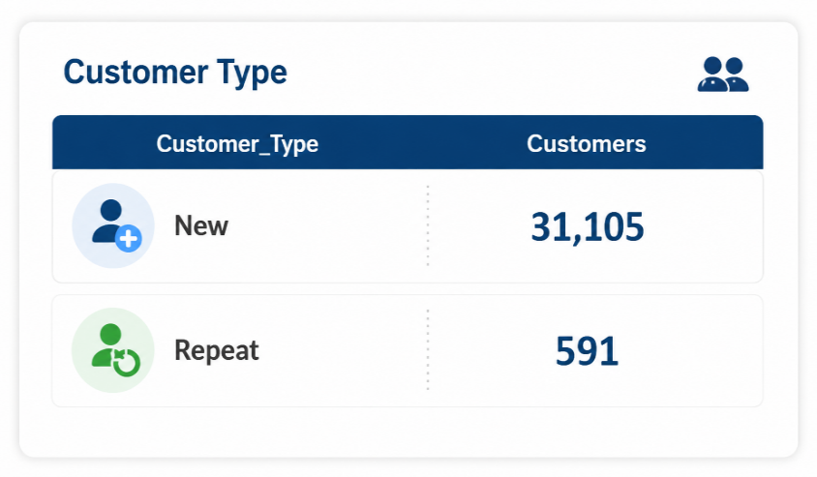
🏚️

HOW TO REFRESH

🔄 Data > Refresh All

Updates all tables, formulas and charts from the processed CSVs.

$1.94M
32,313
31,696
$1.22M

Sales_Dashboard
E-commerce Sales Analytics
Sales Dashboard

Sales performance trends across time, products and customer segments
Interactive Dashboards workbook

Maven Fuzzy Factory
Net Revenue
Total Orders
Avg Order Value revenue
💲
🛒
🏷️
Dashboards

📊 Executive Dashboard
$1.94M
32,313
$59.99

🛒 Sales Dashboard
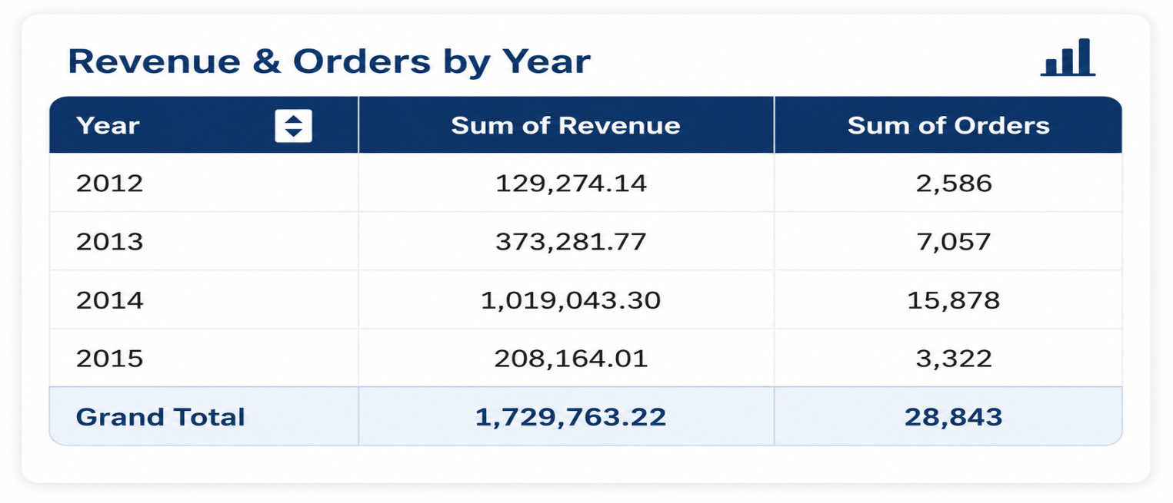
Revenue by orders
 | Sum of Revenue | Sum of Orders
March | 2999.4 | 60
April | 4949.01 | 99
May | 5398.92 | 108
June | 6998.6 | 140
July | 8448.31 | 169
August | 11397.72 | 228
September | 14347.13 | 287
October | 18546.29 | 371
November | 30893.82 | 618
December | 25294.94 | 506
January | 19966.1 | 390
February | 26515.02 | 498
March | 19896.15 | 385
April | 28584.47 | 553
May | 29364.29 | 571
June | 30544.07 | 593
July | 31143.96 | 604
August | 31373.92 | 608
September | 32723.65 | 629
October | 38242.62 | 708
November | 46631.02 | 861
December | 58262.6 | 1047
January | 56568.89 | 982
February | 66012.52 | 1021
March | 68189.73 | 1066
April | 78725.43 | 1241
May | 88935.27 | 1368
June | 80051.25 | 1239
July | 83288.55 | 1286
August | 84716.08 | 1325
September | 92232.49 | 1424
October | 103905.98 | 1609
November | 128162.98 | 1985
December | 144823.02 | 2314
January | 132211.54 | 2098
February | 129212.94 | 2068
March | 78951.07 | 1254
📦 Product Dashboard

👥 Customer Dashboard

📢 Marketing Dashboard

🌐 Website Dashboard

🏚️
Revenue by year
 | Total
March | 2999.4
April | 4949.01
May | 5398.92
June | 6998.6
July | 8448.31
August | 11397.72
September | 14347.13
October | 18546.29
November | 30893.82
December | 25294.94
January | 19966.1
February | 26515.02
March | 19896.15
April | 28584.47
May | 29364.29
June | 30544.07
July | 31143.96
August | 31373.92
September | 32723.65
October | 38242.62
November | 46631.02
December | 58262.6
January | 56568.89
February | 66012.52
March | 68189.73
April | 78725.43
May | 88935.27
June | 80051.25
July | 83288.55
August | 84716.08
September | 92232.49
October | 103905.98
November | 128162.98
December | 144823.02
January | 132211.54
February | 129212.94
March | 78951.07
Seasonality
 | Total
January | $0.21M
February | $0.22M
March | $0.17M
April | $0.11M
May | $0.12M
June | $0.12M
July | $0.12M
August | $0.13M
September | $0.14M
October | $0.16M
November | $0.21M
December | $0.23M

HOW TO REFRESH

🔄 Data > Refresh All

Updates all tables, formulas and charts from the processed CSVs.

$1.94M
32,313
$59.99

Products_Dashboard
E-commerce Sales Analytics
Product Dashboard

Evaluate product revenue, profitability and refund performance

Interactive Dashboards workbook
Revenue by product
Profit by product
Total unit sold
Avg Order Value
Maven Fuzzy Factory
💲
📦
📋
🏷️

Dashboards
$1.94M
$1.22M
40,025
$85,339
📊 Executive Dashboard
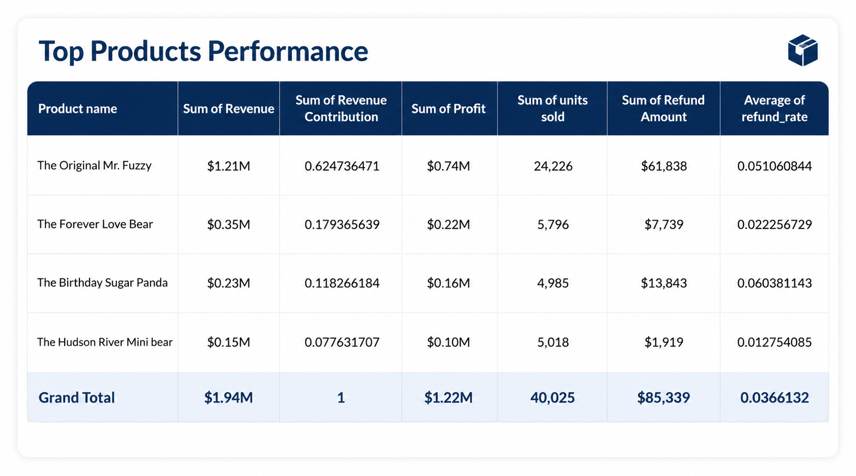

Revenue By product
 | Total
The Original Mr. Fuzzy | $1.21M
The Forever Love Bear | $0.35M
The Birthday Sugar Panda | $0.23M
The Hudson River Mini bear | $0.15M
🛒 Sales Dashboard

📦 Product Dashboard

👥 Customer Dashboard

📢 Marketing Dashboard

🌐 Website Dashboard

🏚️
Refund rate
 | Total
The Birthday Sugar Panda | 6.0%
The Original Mr. Fuzzy | 5.1%
The Forever Love Bear | 2.2%
The Hudson River Mini bear | 1.3%
Profit by product
 | Total
The Birthday Sugar Panda | $0.16M
The Forever Love Bear | $0.22M
The Hudson River Mini bear | $0.10M
The Original Mr. Fuzzy | $0.74M

HOW TO REFRESH

🔄 Data > Refresh All

Updates all tables, formulas and charts from the processed CSVs.

$1.94M
$1.22M
40,025
$85,339

Customer_Dashboard
E-commerce Sales Analytics
Customer Dashboard

Understand customer behavior, segmentation and purchasing patterns
Interactive Dashboards workbook

Total Customers
Avg orders per customer
Avg revenue per customer
Avg Order Value
Revenue %
Maven Fuzzy Factory
👥
🏷️
📑
💰
📈
Dashboards
$49.99

📊 Executive Dashboard
31,696
1
61.16
1.86%

🛒 Sales Dashboard
Customer segment
 | Total
Low Value | 19,952
Medium Value | 3,790
High Value | 7,954
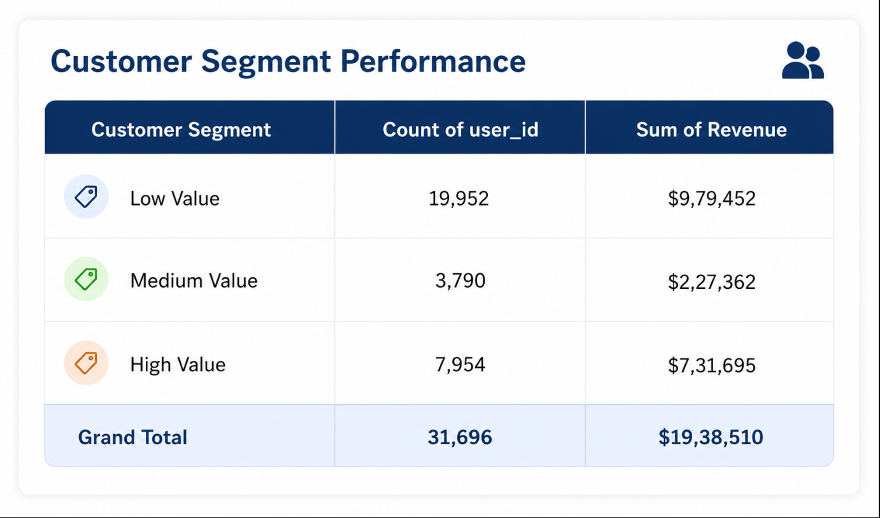
New vs Repeat
 | Total
New | 31105
Repeat | 591

📦 Product Dashboard

👥 Customer Dashboard

📢 Marketing Dashboard

🌐 Website Dashboard

🏚️

Order frequency
 | Total
1 | 31,105
2 | 565
3 | 26
Top customers
 | Sum of Revenue | Sum of Orders
341972 | $252 | 3
324814 | $246 | 3
172266 | $238 | 3
275098 | $236 | 3
142410 | $220 | 3
281298 | $220 | 2
317773 | $216 | 2
336150 | $210 | 3
218722 | $206 | 2
307597 | $206 | 2
158790 | $206 | 3

HOW TO REFRESH

🔄 Data > Refresh All

Updates all tables, formulas and charts from the processed CSVs.

32,313
31,696
$1.22M

Marketing_Dashboard
E-commerce Sales Analytics
Marketing Dashboard

Analyze marketing channels, traffic sources and conversion performance
Interactive Dashboards workbook

Avg conversion rate
Maven Fuzzy Factory
Total Sessions

📡
📊
Dashboards

📊 Executive Dashboard
4,72,871
6.12%

🛒 Sales Dashboard
Revenue by source
 | Total
gsearch | $1.28M
Direct | $0.37M
bsearch | $0.27M
socialbook | $0.02M
Channel share
 | Total
gsearch | 316,035
Direct | 83,328
bsearch | 62,823
socialbook | 10,685
📦 Product Dashboard

👥 Customer Dashboard

📢 Marketing Dashboard

🌐 Website Dashboard

🏚️
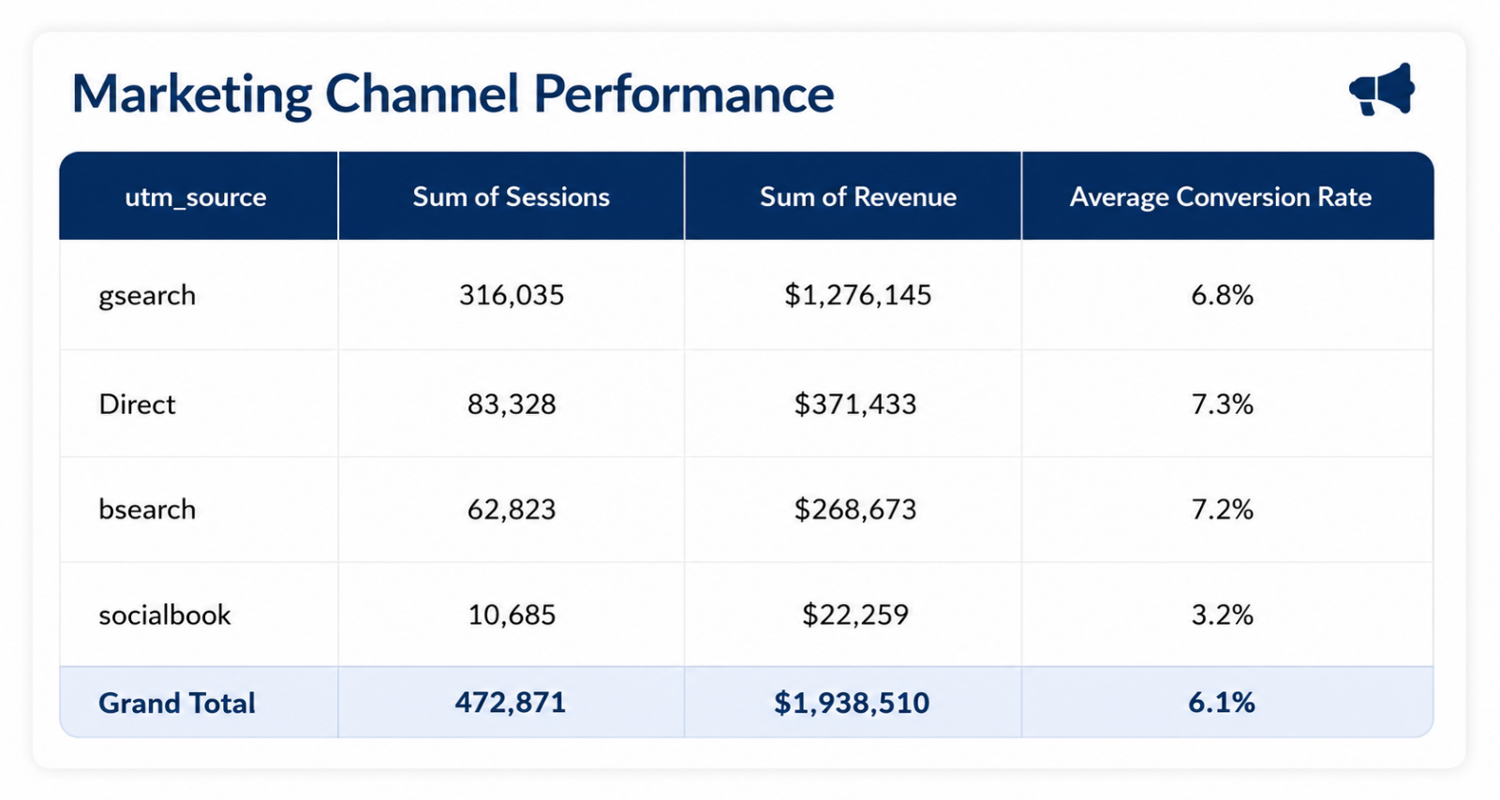
Conversion by source
 | Total
bsearch | 7.2%
Direct | 7.3%
gsearch | 6.8%
socialbook | 3.2%

HOW TO REFRESH

🔄 Data > Refresh All

Updates all tables, formulas and charts from the processed CSVs.

472,871
6.12%

Website_Dashboard
E-commerce Sales Analytics
Website Dashboard

Track website engagement, page performance and conversion funnel insights

Interactive Dashboards workbook
Avg Order Value
Entry Sessions
Conversions
Overall Drop-off
Maven Fuzzy Factory
🏷️
🚪
✔️
📉
Dashboards

📊 Executive Dashboard
4,72,871
32,313
93.17%

🛒 Sales Dashboard
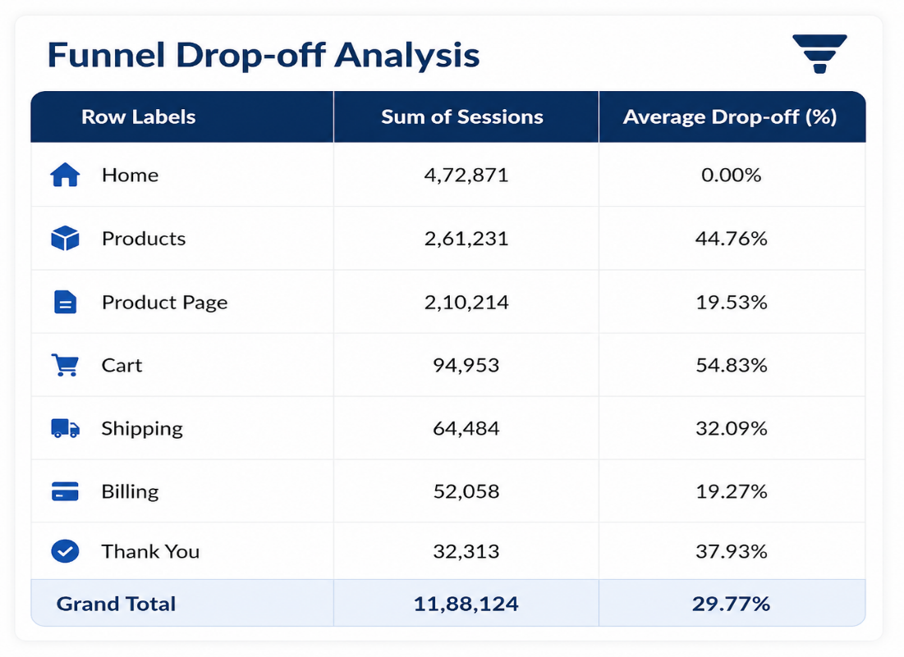
Funnel Stages
 | Total
Home | 472,871
Products | 261,231
Product Page | 210,214
Cart | 94,953
Shipping | 64,484
Billing | 52,058
Thank You | 32,313
Drop-off Rate
 | Total
Home | 0.00%
Products | 44.76%
Product Page | 19.53%
Cart | 54.83%
Shipping | 32.09%
Billing | 19.27%
Thank You | 37.93%

📦 Product Dashboard

👥 Customer Dashboard

📢 Marketing Dashboard

🌐 Website Dashboard

🏚️
Viewed Pages
 | Total
/products | 261,231
/the-original-mr-fuzzy | 162,525
/home | 137,576
/lander-2 | 131,170
/cart | 94,953
/lander-3 | 79,000
/lander-5 | 68,166
/shipping | 64,484
/billing-2 | 48,441
/lander-1 | 47,574
Exit Pages
 | Total
/the-original-mr-fuzzy | 92,568
/lander-2 | 59,249
/home | 57,346
/products | 51,017
/lander-3 | 39,733
/thank-you-for-your-order | 32,313
/cart | 30,469
/lander-1 | 25,330
/lander-5 | 25,131
/billing-2 | 17,748

HOW TO REFRESH

🔄 Data > Refresh All

Updates all tables, formulas and charts from the processed CSVs.

README
E-COMMERCE SALES ANALYTICS DASHBOARD

Interactive Excel Dashboards for Business Insights

1. PROJECT OVERVIEW
This Excel dashboard provides a comprehensive analysis of an e-commerce business. It helps in tracking sales performance, analyzing customers, evaluating marketing effectiveness, and monitoring website engagement through interactive dashboards.
6. DASHBOARDS INCLUDED
📊 Executive Dashboard – Overview of key KPIs and business performance.
📅 Sales Dashboard – Sales trends, orders, revenue and seasonality analysis.
📦 Product Dashboard – Product performance, profit, units sold and refunds.
👥 Customer Dashboard – Customer segmentation, behavior and value analysis.
📢 Marketing Dashboard – Channel performance, traffic sources and conversions.
🌐 Website Dashboard – Funnel analysis, engagement and conversion insights.

2. DATASET
Source: Maven Fuzzy Factory – E-commerce Analytics Dataset
Time Period: 2012 – 2015
Data Files: 6 CSV files imported via Power Query
Records: ~100K+ rows across all tables

3. KEY FEATURES
✅ Interactive Dashboards
✅ Dynamic KPIs using GETPIVOTDATA
✅ Slicers & Timeline for dynamic filtering
✅ Drill-down analysis across multiple dimensions
✅ Clean, professional and user-friendly design

7. KEY FEATURES
✅ Interactive Dashboards
✅ Dynamic KPIs using GETPIVOTDATA
✅ Slicers & Timeline for dynamic filtering
✅ Drill-down analysis across multiple dimensions
✅ Clean, professional and user-friendly design

4. HOW TO USE
1. Open the workbook in Microsoft Excel 365 or later.
2. Click the "Refresh All" button on the Home sheet to update all data.
3. Use the slicers and timeline on each dashboard to filter data dynamically.
4. Navigate between dashboards usaing the buttons on the Home sheet.

8. IMPORTANT FEATURES
Enable Content and Edit for full functionality.
Do not modify the pivot source data.
Refresh data periodically to get the latest insights.

5. PROJECT STRUCTURE (SHEET REVIEW)

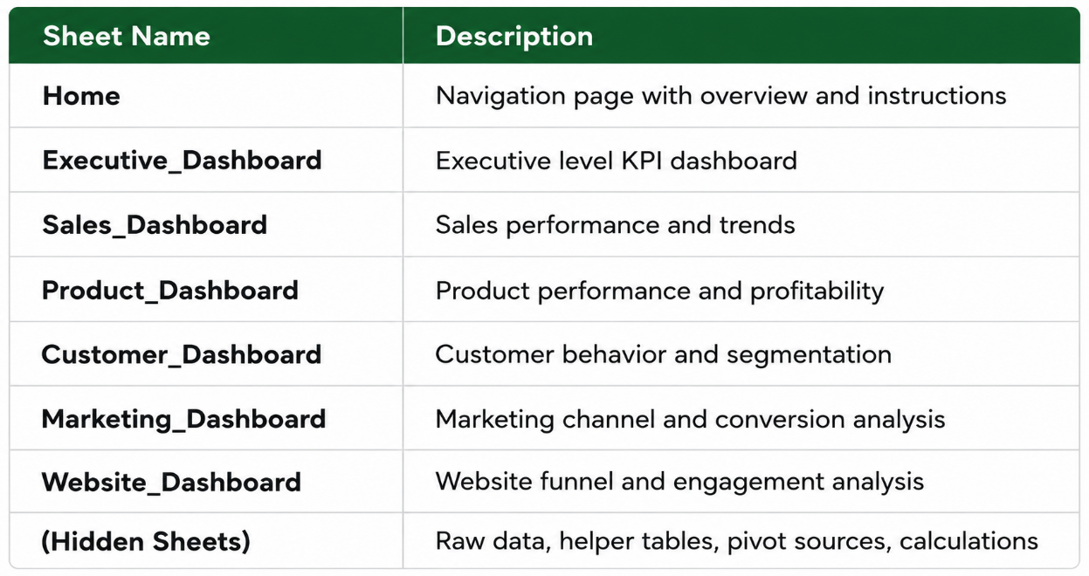

9. AUTHOR INFO
Author: Kaif Baig Role: B.Tech AIML Student
Version: 1.0

