Freight Base
Date | freight_base_Copper | freight_base_Aluminium | freight_base_Nickel | freight_base_Lead | freight_base_Tin | freight_base_Zinc |  | Copper | Aluminium | Nickel | Lead | Tin | Zinc
24-Dec-25 | $164.07 | $164.07 | $120.89 | $147.42 | $120.89 | $147.42 | min | $40.00 | $40.00 | $99.45 | $80.71 | $99.45 | $80.71
23-Dec-25 | $164.79 | $164.79 | $121.25 | $147.83 | $121.25 | $147.83 | max | $450.71 | $450.71 | $174.61 | $215.95 | $174.61 | $215.95
22-Dec-25 | $173.67 | $173.67 | $121.61 | $152.90 | $121.61 | $152.90 | mean | $120.37 | $120.37 | $120.00 | $120.00 | $120.00 | $120.00
19-Dec-25 | $176.27 | $176.27 | $121.97 | $154.38 | $121.97 | $154.38 | std | 52.70% | 52.70% | 14.96% | 26.75% | 14.96% | 26.75%
18-Dec-25 | $178.31 | $178.31 | $122.45 | $155.55 | $122.45 | $155.55
17-Dec-25 | $179.07 | $179.07 | $123.09 | $155.98 | $123.09 | $155.98
16-Dec-25 | $184.67 | $184.67 | $123.53 | $159.18 | $123.53 | $159.18
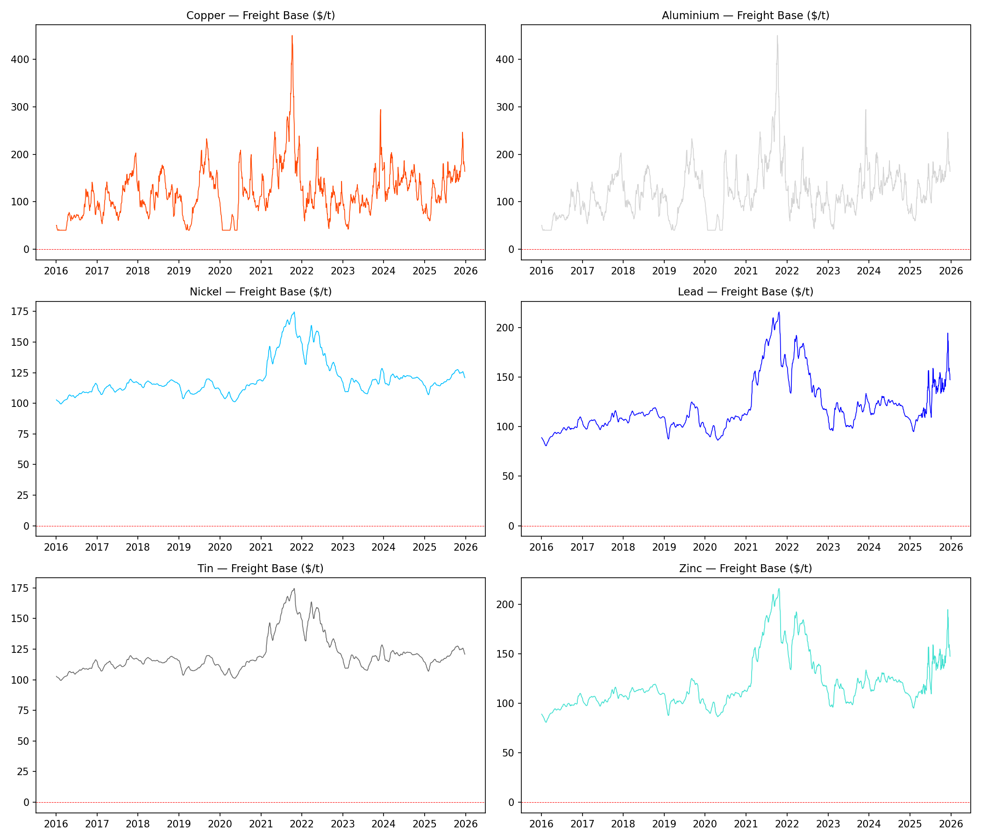
15-Dec-25 | $180.07 | $180.07 | $123.97 | $156.55 | $123.97 | $156.55
12-Dec-25 | $179.55 | $179.55 | $124.33 | $156.25 | $124.33 | $156.25
11-Dec-25 | $188.39 | $188.39 | $124.69 | $161.30 | $124.69 | $161.30
10-Dec-25 | $202.67 | $202.67 | $125.05 | $169.45 | $125.05 | $169.45
9-Dec-25 | $216.55 | $216.55 | $125.61 | $177.37 | $125.61 | $177.37
8-Dec-25 | $231.83 | $231.83 | $125.73 | $186.09 | $125.73 | $186.09
5-Dec-25 | $234.63 | $234.63 | $125.77 | $187.69 | $125.77 | $187.69
4-Dec-25 | $244.07 | $244.07 | $125.77 | $193.08 | $125.77 | $193.08
3-Dec-25 | $246.79 | $246.79 | $125.73 | $194.63 | $125.73 | $194.63
2-Dec-25 | $216.63 | $216.63 | $125.61 | $177.42 | $125.61 | $177.42
1-Dec-25 | $213.83 | $213.83 | $125.33 | $175.82 | $125.33 | $175.82
28-Nov-25 | $210.55 | $210.55 | $125.21 | $173.95 | $125.21 | $173.95
27-Nov-25 | $200.75 | $200.75 | $125.13 | $168.35 | $125.13 | $168.35
26-Nov-25 | $191.23 | $191.23 | $125.01 | $162.92 | $125.01 | $162.92
25-Nov-25 | $180.51 | $180.51 | $124.85 | $156.80 | $124.85 | $156.80
24-Nov-25 | $179.31 | $179.31 | $124.89 | $156.12 | $124.89 | $156.12
21-Nov-25 | $177.43 | $177.43 | $124.93 | $155.04 | $124.93 | $155.04
20-Nov-25 | $177.19 | $177.19 | $124.97 | $154.91 | $124.97 | $154.91
19-Nov-25 | $176.75 | $176.75 | $124.93 | $154.65 | $124.93 | $154.65
18-Nov-25 | $171.95 | $171.95 | $124.93 | $151.92 | $124.93 | $151.92
17-Nov-25 | $164.43 | $164.43 | $124.97 | $147.62 | $124.97 | $147.62
14-Nov-25 | $161.39 | $161.39 | $124.89 | $145.89 | $124.89 | $145.89
13-Nov-25 | $156.63 | $156.63 | $124.65 | $143.17 | $124.65 | $143.17
12-Nov-25 | $152.23 | $152.23 | $124.57 | $140.66 | $124.57 | $140.66
11-Nov-25 | $158.99 | $158.99 | $124.49 | $144.52 | $124.49 | $144.52
10-Nov-25 | $161.83 | $161.83 | $124.49 | $146.14 | $124.49 | $146.14
7-Nov-25 | $164.95 | $164.95 | $124.53 | $147.92 | $124.53 | $147.92
6-Nov-25 | $160.99 | $160.99 | $124.73 | $145.66 | $124.73 | $145.66
5-Nov-25 | $154.67 | $154.67 | $124.93 | $142.05 | $124.93 | $142.05
4-Nov-25 | $149.19 | $149.19 | $125.37 | $138.92 | $125.37 | $138.92
3-Nov-25 | $146.83 | $146.83 | $125.77 | $137.58 | $125.77 | $137.58
31-Oct-25 | $148.47 | $148.47 | $126.01 | $138.51 | $126.01 | $138.51
30-Oct-25 | $149.11 | $149.11 | $126.33 | $138.88 | $126.33 | $138.88
29-Oct-25 | $145.03 | $145.03 | $126.61 | $136.55 | $126.61 | $136.55
28-Oct-25 | $142.67 | $142.67 | $126.93 | $135.20 | $126.93 | $135.20
27-Oct-25 | $144.83 | $144.83 | $127.09 | $136.44 | $127.09 | $136.44
24-Oct-25 | $146.15 | $146.15 | $127.25 | $137.19 | $127.25 | $137.19
23-Oct-25 | $153.67 | $153.67 | $127.33 | $141.48 | $127.33 | $141.48
22-Oct-25 | $157.67 | $157.67 | $127.49 | $143.76 | $127.49 | $143.76
21-Oct-25 | $158.67 | $158.67 | $127.53 | $144.34 | $127.53 | $144.34
20-Oct-25 | $156.43 | $156.43 | $127.49 | $143.06 | $127.49 | $143.06
17-Oct-25 | $156.15 | $156.15 | $127.53 | $142.90 | $127.53 | $142.90
16-Oct-25 | $153.63 | $153.63 | $127.45 | $141.46 | $127.45 | $141.46
15-Oct-25 | $147.95 | $147.95 | $127.25 | $138.22 | $127.25 | $138.22
14-Oct-25 | $151.59 | $151.59 | $127.21 | $140.29 | $127.21 | $140.29
13-Oct-25 | $166.99 | $166.99 | $127.09 | $149.08 | $127.09 | $149.08
10-Oct-25 | $143.27 | $143.27 | $127.05 | $135.55 | $127.05 | $135.55
9-Oct-25 | $142.75 | $142.75 | $126.97 | $135.25 | $126.97 | $135.25
8-Oct-25 | $148.27 | $148.27 | $126.85 | $138.40 | $126.85 | $138.40
7-Oct-25 | $146.71 | $146.71 | $126.81 | $137.51 | $126.81 | $137.51
6-Oct-25 | $144.43 | $144.43 | $126.81 | $136.21 | $126.81 | $136.21
3-Oct-25 | $140.27 | $140.27 | $126.85 | $133.83 | $126.85 | $133.83
2-Oct-25 | $140.11 | $140.11 | $126.69 | $133.74 | $126.69 | $133.74
1-Oct-25 | $146.91 | $146.91 | $126.53 | $137.62 | $126.53 | $137.62
30-Sep-25 | $163.51 | $163.51 | $126.37 | $147.10 | $126.37 | $147.10
29-Sep-25 | $172.27 | $172.27 | $126.13 | $152.10 | $126.13 | $152.10
26-Sep-25 | $176.39 | $176.39 | $125.77 | $154.45 | $125.77 | $154.45
25-Sep-25 | $176.95 | $176.95 | $125.41 | $154.77 | $125.41 | $154.77
24-Sep-25 | $174.23 | $174.23 | $125.09 | $153.22 | $125.09 | $153.22
23-Sep-25 | $170.07 | $170.07 | $124.93 | $150.84 | $124.93 | $150.84
22-Sep-25 | $165.91 | $165.91 | $124.81 | $148.47 | $124.81 | $148.47
19-Sep-25 | $168.79 | $168.79 | $124.73 | $150.11 | $124.73 | $150.11
18-Sep-25 | $167.75 | $167.75 | $124.49 | $149.52 | $124.49 | $149.52
17-Sep-25 | $163.31 | $163.31 | $124.33 | $146.98 | $124.33 | $146.98
16-Sep-25 | $158.87 | $158.87 | $124.29 | $144.45 | $124.29 | $144.45
15-Sep-25 | $157.47 | $157.47 | $124.33 | $143.65 | $124.33 | $143.65
12-Sep-25 | $154.11 | $154.11 | $124.29 | $141.73 | $124.29 | $141.73
11-Sep-25 | $152.95 | $152.95 | $124.17 | $141.07 | $124.17 | $141.07
10-Sep-25 | $154.15 | $154.15 | $124.05 | $141.76 | $124.05 | $141.76
9-Sep-25 | $151.95 | $151.95 | $123.81 | $140.50 | $123.81 | $140.50
8-Sep-25 | $147.79 | $147.79 | $123.69 | $138.13 | $123.69 | $138.13
5-Sep-25 | $144.71 | $144.71 | $123.61 | $136.37 | $123.61 | $136.37
4-Sep-25 | $143.95 | $143.95 | $123.57 | $135.93 | $123.57 | $135.93
3-Sep-25 | $142.23 | $142.23 | $123.65 | $134.95 | $123.65 | $134.95
2-Sep-25 | $146.27 | $146.27 | $123.53 | $137.26 | $123.53 | $137.26
1-Sep-25 | $149.27 | $149.27 | $123.29 | $138.97 | $123.29 | $138.97
29-Aug-25 | $148.31 | $148.31 | $122.81 | $138.42 | $122.81 | $138.42
28-Aug-25 | $146.67 | $146.67 | $122.25 | $137.49 | $122.25 | $137.49
27-Aug-25 | $150.87 | $150.87 | $121.93 | $139.88 | $121.93 | $139.88
26-Aug-25 | $152.55 | $152.55 | $121.53 | $140.84 | $121.53 | $140.84
22-Aug-25 | $143.03 | $143.03 | $121.13 | $135.41 | $121.13 | $135.41
21-Aug-25 | $139.43 | $139.43 | $120.89 | $133.35 | $120.89 | $133.35
20-Aug-25 | $145.99 | $145.99 | $120.69 | $137.10 | $120.69 | $137.10
19-Aug-25 | $152.23 | $152.23 | $120.45 | $140.66 | $120.45 | $140.66
18-Aug-25 | $159.79 | $159.79 | $120.21 | $144.97 | $120.21 | $144.97
15-Aug-25 | $163.11 | $163.11 | $120.05 | $146.87 | $120.05 | $146.87
14-Aug-25 | $163.47 | $163.47 | $119.93 | $147.07 | $119.93 | $147.07
13-Aug-25 | $162.51 | $162.51 | $119.73 | $146.53 | $119.73 | $146.53
12-Aug-25 | $161.75 | $161.75 | $119.61 | $146.09 | $119.61 | $146.09
11-Aug-25 | $163.99 | $163.99 | $119.53 | $147.37 | $119.53 | $147.37
8-Aug-25 | $164.99 | $164.99 | $119.45 | $147.94 | $119.45 | $147.94
7-Aug-25 | $159.47 | $159.47 | $119.33 | $144.79 | $119.33 | $144.79
6-Aug-25 | $158.79 | $158.79 | $119.17 | $144.40 | $119.17 | $144.40
5-Aug-25 | $151.55 | $151.55 | $119.17 | $140.27 | $119.17 | $140.27
4-Aug-25 | $157.63 | $157.63 | $119.17 | $143.74 | $119.17 | $143.74
1-Aug-25 | $163.15 | $163.15 | $119.25 | $146.89 | $119.25 | $146.89
31-Jul-25 | $160.87 | $160.87 | $119.25 | $145.59 | $119.25 | $145.59
30-Jul-25 | $158.75 | $158.75 | $119.29 | $144.38 | $119.29 | $144.38
29-Jul-25 | $170.35 | $170.35 | $119.21 | $151.00 | $119.21 | $151.00
28-Jul-25 | $182.27 | $182.27 | $119.33 | $157.81 | $119.33 | $157.81
25-Jul-25 | $184.47 | $184.47 | $119.41 | $159.06 | $119.41 | $159.06
24-Jul-25 | $182.91 | $182.91 | $119.41 | $158.17 | $119.41 | $158.17
23-Jul-25 | $164.87 | $164.87 | $119.41 | $147.87 | $119.41 | $147.87
22-Jul-25 | $153.75 | $153.75 | $119.25 | $141.53 | $119.25 | $141.53
21-Jul-25 | $150.55 | $150.55 | $119.13 | $139.70 | $119.13 | $139.70
18-Jul-25 | $154.67 | $154.67 | $119.05 | $142.05 | $119.05 | $142.05
17-Jul-25 | $152.15 | $152.15 | $118.93 | $140.61 | $118.93 | $140.61
16-Jul-25 | $136.99 | $136.99 | $118.69 | $131.96 | $118.69 | $131.96
15-Jul-25 | $132.63 | $132.63 | $118.37 | $129.47 | $118.37 | $129.47
14-Jul-25 | $125.99 | $125.99 | $118.09 | $125.68 | $118.09 | $125.68
11-Jul-25 | $115.47 | $115.47 | $117.93 | $119.68 | $117.93 | $119.68
10-Jul-25 | $97.87 | $97.87 | $117.85 | $109.63 | $117.85 | $109.63
9-Jul-25 | $97.47 | $97.47 | $117.73 | $109.40 | $117.73 | $109.40
8-Jul-25 | $101.35 | $101.35 | $117.69 | $111.62 | $117.69 | $111.62
7-Jul-25 | $104.31 | $104.31 | $117.61 | $113.31 | $117.61 | $113.31
4-Jul-25 | $105.51 | $105.51 | $117.45 | $113.99 | $117.45 | $113.99
3-Jul-25 | $107.07 | $107.07 | $117.45 | $114.88 | $117.45 | $114.88
2-Jul-25 | $109.63 | $109.63 | $117.41 | $116.34 | $117.41 | $116.34
1-Jul-25 | $111.75 | $111.75 | $117.41 | $117.55 | $117.41 | $117.55
30-Jun-25 | $115.75 | $115.75 | $117.53 | $119.84 | $117.53 | $119.84
27-Jun-25 | $120.11 | $120.11 | $117.57 | $122.33 | $117.57 | $122.33
26-Jun-25 | $125.11 | $125.11 | $117.57 | $125.18 | $117.57 | $125.18
25-Jun-25 | $140.27 | $140.27 | $117.45 | $133.83 | $117.45 | $133.83
24-Jun-25 | $143.99 | $143.99 | $117.25 | $135.96 | $117.25 | $135.96
23-Jun-25 | $144.03 | $144.03 | $117.25 | $135.98 | $117.25 | $135.98
20-Jun-25 | $146.47 | $146.47 | $117.09 | $137.37 | $117.09 | $137.37
19-Jun-25 | $154.43 | $154.43 | $116.97 | $141.92 | $116.97 | $141.92
18-Jun-25 | $168.99 | $168.99 | $116.89 | $150.23 | $116.89 | $150.23
17-Jun-25 | $177.71 | $177.71 | $116.69 | $155.20 | $116.69 | $155.20
16-Jun-25 | $180.55 | $180.55 | $116.41 | $156.82 | $116.41 | $156.82
13-Jun-25 | $180.19 | $180.19 | $116.29 | $156.62 | $116.29 | $156.62
12-Jun-25 | $173.51 | $173.51 | $116.25 | $152.81 | $116.25 | $152.81
11-Jun-25 | $155.15 | $155.15 | $116.17 | $142.33 | $116.17 | $142.33
10-Jun-25 | $149.55 | $149.55 | $116.17 | $139.13 | $116.17 | $139.13
9-Jun-25 | $151.71 | $151.71 | $116.17 | $140.36 | $116.17 | $140.36
6-Jun-25 | $144.99 | $144.99 | $116.13 | $136.53 | $116.13 | $136.53
5-Jun-25 | $145.11 | $145.11 | $116.09 | $136.60 | $116.09 | $136.60
4-Jun-25 | $130.55 | $130.55 | $116.01 | $128.29 | $116.01 | $128.29
3-Jun-25 | $124.63 | $124.63 | $116.01 | $124.91 | $116.01 | $124.91
2-Jun-25 | $123.31 | $123.31 | $116.09 | $124.15 | $116.09 | $124.15
30-May-25 | $122.39 | $122.39 | $116.17 | $123.63 | $116.17 | $123.63
29-May-25 | $113.67 | $113.67 | $116.13 | $118.65 | $116.13 | $118.65
28-May-25 | $106.27 | $106.27 | $115.93 | $114.43 | $115.93 | $114.43
27-May-25 | $103.67 | $103.67 | $115.61 | $112.94 | $115.61 | $112.94
23-May-25 | $107.31 | $107.31 | $115.37 | $115.02 | $115.37 | $115.02
22-May-25 | $106.59 | $106.59 | $115.09 | $114.61 | $115.09 | $114.61
21-May-25 | $105.51 | $105.51 | $114.69 | $113.99 | $114.69 | $113.99
20-May-25 | $105.83 | $105.83 | $114.53 | $114.18 | $114.53 | $114.18
19-May-25 | $106.83 | $106.83 | $114.37 | $114.75 | $114.37 | $114.75
16-May-25 | $112.03 | $112.03 | $114.29 | $117.71 | $114.29 | $117.71
15-May-25 | $102.15 | $102.15 | $114.29 | $112.08 | $114.29 | $112.08
14-May-25 | $97.23 | $97.23 | $114.25 | $109.27 | $114.25 | $109.27
13-May-25 | $98.15 | $98.15 | $114.29 | $109.79 | $114.29 | $109.79
12-May-25 | $100.55 | $100.55 | $114.29 | $111.16 | $114.29 | $111.16
9-May-25 | $99.67 | $99.67 | $114.29 | $110.66 | $114.29 | $110.66
8-May-25 | $101.39 | $101.39 | $114.29 | $111.64 | $114.29 | $111.64
7-May-25 | $108.71 | $108.71 | $114.45 | $115.82 | $114.45 | $115.82
6-May-25 | $112.79 | $112.79 | $114.49 | $118.15 | $114.49 | $118.15
2-May-25 | $114.47 | $114.47 | $114.53 | $119.11 | $114.53 | $119.11
1-May-25 | $113.03 | $113.03 | $114.49 | $118.29 | $114.49 | $118.29
30-Apr-25 | $109.75 | $109.75 | $114.69 | $116.41 | $114.69 | $116.41
29-Apr-25 | $110.43 | $110.43 | $114.81 | $116.80 | $114.81 | $116.80
28-Apr-25 | $110.51 | $110.51 | $114.81 | $116.85 | $114.81 | $116.85
25-Apr-25 | $106.87 | $106.87 | $114.85 | $114.77 | $114.85 | $114.77
24-Apr-25 | $105.15 | $105.15 | $114.81 | $113.79 | $114.81 | $113.79
23-Apr-25 | $100.59 | $100.59 | $114.81 | $111.19 | $114.81 | $111.19
22-Apr-25 | $97.75 | $97.75 | $114.77 | $109.56 | $114.77 | $109.56
17-Apr-25 | $98.43 | $98.43 | $114.89 | $109.95 | $114.89 | $109.95
16-Apr-25 | $97.55 | $97.55 | $115.01 | $109.45 | $115.01 | $109.45
15-Apr-25 | $101.43 | $101.43 | $115.17 | $111.66 | $115.17 | $111.66
14-Apr-25 | $104.39 | $104.39 | $115.21 | $113.35 | $115.21 | $113.35
11-Apr-25 | $103.43 | $103.43 | $115.41 | $112.81 | $115.41 | $112.81
10-Apr-25 | $102.55 | $102.55 | $115.57 | $112.30 | $115.57 | $112.30
9-Apr-25 | $100.59 | $100.59 | $115.89 | $111.19 | $115.89 | $111.19
8-Apr-25 | $107.91 | $107.91 | $116.13 | $111.20 | $116.13 | $111.20
7-Apr-25 | $111.99 | $111.99 | $116.37 | $111.21 | $116.37 | $111.21
4-Apr-25 | $120.07 | $120.07 | $116.65 | $111.22 | $116.65 | $111.22
3-Apr-25 | $124.79 | $124.79 | $116.65 | $111.23 | $116.65 | $111.23
2-Apr-25 | $128.71 | $128.71 | $116.73 | $111.24 | $116.73 | $111.24
1-Apr-25 | $128.91 | $128.91 | $116.73 | $111.25 | $116.73 | $111.25
31-Mar-25 | $129.91 | $129.91 | $116.69 | $111.26 | $116.69 | $111.26
28-Mar-25 | $130.19 | $130.19 | $116.69 | $111.27 | $116.69 | $111.27
27-Mar-25 | $132.39 | $132.39 | $116.41 | $111.27 | $116.41 | $111.27
26-Mar-25 | $134.55 | $134.55 | $116.25 | $111.43 | $116.25 | $111.43
25-Mar-25 | $136.51 | $136.51 | $116.17 | $111.59 | $116.17 | $111.59
24-Mar-25 | $138.91 | $138.91 | $116.09 | $111.51 | $116.09 | $111.51
21-Mar-25 | $138.35 | $138.35 | $115.97 | $111.47 | $115.97 | $111.47
20-Mar-25 | $138.11 | $138.11 | $115.85 | $111.39 | $115.85 | $111.39
19-Mar-25 | $138.23 | $138.23 | $115.49 | $110.81 | $115.49 | $110.81
18-Mar-25 | $139.87 | $139.87 | $115.25 | $110.23 | $115.25 | $110.23
17-Mar-25 | $142.03 | $142.03 | $115.05 | $109.64 | $115.05 | $109.64
14-Mar-25 | $145.59 | $145.59 | $115.01 | $109.06 | $115.01 | $109.06
13-Mar-25 | $147.03 | $147.03 | $114.93 | $108.47 | $114.93 | $108.47
12-Mar-25 | $141.67 | $141.67 | $114.89 | $107.89 | $114.89 | $107.89
11-Mar-25 | $130.27 | $130.27 | $114.69 | $107.31 | $114.69 | $107.31
10-Mar-25 | $130.43 | $130.43 | $114.57 | $106.72 | $114.57 | $106.72
7-Mar-25 | $128.19 | $128.19 | $114.37 | $106.14 | $114.37 | $106.14
6-Mar-25 | $114.59 | $114.59 | $114.25 | $105.55 | $114.25 | $105.55
5-Mar-25 | $107.07 | $107.07 | $114.09 | $105.71 | $114.09 | $105.71
4-Mar-25 | $110.07 | $110.07 | $114.05 | $106.03 | $114.05 | $106.03
3-Mar-25 | $110.51 | $110.51 | $114.01 | $106.47 | $114.01 | $106.47
28-Feb-25 | $104.03 | $104.03 | $114.01 | $106.79 | $114.01 | $106.79
27-Feb-25 | $94.23 | $94.23 | $113.97 | $107.11 | $113.97 | $107.11
26-Feb-25 | $87.19 | $87.19 | $114.01 | $107.27 | $114.01 | $107.27
25-Feb-25 | $77.67 | $77.67 | $113.85 | $107.15 | $113.85 | $107.15
24-Feb-25 | $72.87 | $72.87 | $113.73 | $106.79 | $113.73 | $106.79
21-Feb-25 | $70.95 | $70.95 | $113.49 | $106.43 | $113.49 | $106.43
20-Feb-25 | $67.99 | $67.99 | $113.05 | $105.63 | $113.05 | $105.63
19-Feb-25 | $65.99 | $65.99 | $112.57 | $104.55 | $112.57 | $104.55
18-Feb-25 | $61.59 | $61.59 | $112.09 | $103.51 | $112.09 | $103.51
17-Feb-25 | $60.31 | $60.31 | $111.57 | $102.23 | $111.57 | $102.23
14-Feb-25 | $59.95 | $59.95 | $111.01 | $101.59 | $111.01 | $101.59
13-Feb-25 | $59.75 | $59.75 | $110.33 | $100.63 | $110.33 | $100.63
12-Feb-25 | $59.75 | $59.75 | $109.65 | $99.95 | $109.65 | $99.95
11-Feb-25 | $62.47 | $62.47 | $108.89 | $99.39 | $108.89 | $99.39
10-Feb-25 | $63.71 | $63.71 | $108.45 | $98.75 | $108.45 | $98.75
7-Feb-25 | $64.91 | $64.91 | $108.05 | $98.07 | $108.05 | $98.07
6-Feb-25 | $63.79 | $63.79 | $107.65 | $96.95 | $107.65 | $96.95
5-Feb-25 | $63.79 | $63.79 | $107.17 | $95.75 | $107.17 | $95.75
4-Feb-25 | $65.07 | $65.07 | $106.97 | $95.19 | $106.97 | $95.19
3-Feb-25 | $65.75 | $65.75 | $107.01 | $95.07 | $107.01 | $95.07
31-Jan-25 | $66.27 | $66.27 | $107.21 | $95.11 | $107.21 | $95.11
30-Jan-25 | $64.95 | $64.95 | $107.37 | $95.19 | $107.37 | $95.19
29-Jan-25 | $66.35 | $66.35 | $107.49 | $95.47 | $107.49 | $95.47
28-Jan-25 | $68.55 | $68.55 | $107.69 | $95.75 | $107.69 | $95.75
27-Jan-25 | $69.63 | $69.63 | $108.05 | $96.15 | $108.05 | $96.15
24-Jan-25 | $70.63 | $70.63 | $108.57 | $96.55 | $108.57 | $96.55
23-Jan-25 | $74.55 | $74.55 | $108.85 | $97.15 | $108.85 | $97.15
22-Jan-25 | $80.75 | $80.75 | $109.25 | $97.95 | $109.25 | $97.95
21-Jan-25 | $82.67 | $82.67 | $109.57 | $99.11 | $109.57 | $99.11
20-Jan-25 | $84.39 | $84.39 | $109.97 | $100.07 | $109.97 | $100.07
17-Jan-25 | $87.03 | $87.03 | $110.25 | $100.87 | $110.25 | $100.87
16-Jan-25 | $90.59 | $90.59 | $110.69 | $101.59 | $110.69 | $101.59
15-Jan-25 | $94.55 | $94.55 | $111.21 | $102.31 | $111.21 | $102.31
14-Jan-25 | $95.47 | $95.47 | $111.89 | $102.91 | $111.89 | $102.91
13-Jan-25 | $95.91 | $95.91 | $112.21 | $103.35 | $112.21 | $103.35
10-Jan-25 | $89.23 | $89.23 | $112.45 | $103.75 | $112.45 | $103.75
9-Jan-25 | $77.87 | $77.87 | $112.73 | $104.19 | $112.73 | $104.19
8-Jan-25 | $75.31 | $75.31 | $113.09 | $104.83 | $113.09 | $104.83
7-Jan-25 | $80.03 | $80.03 | $113.41 | $105.23 | $113.41 | $105.23
6-Jan-25 | $82.91 | $82.91 | $113.69 | $105.67 | $113.69 | $105.67
3-Jan-25 | $86.31 | $86.31 | $114.09 | $106.35 | $114.09 | $106.35
2-Jan-25 | $81.75 | $81.75 | $114.29 | $106.95 | $114.29 | $106.95
24-Dec-24 | $77.19 | $77.19 | $114.89 | $107.91 | $114.89 | $107.91
23-Dec-24 | $76.59 | $76.59 | $115.05 | $108.27 | $115.05 | $108.27
20-Dec-24 | $75.91 | $75.91 | $115.29 | $108.59 | $115.29 | $108.59
19-Dec-24 | $74.47 | $74.47 | $115.57 | $108.75 | $115.57 | $108.75
18-Dec-24 | $80.79 | $80.79 | $115.85 | $108.87 | $115.85 | $108.87
17-Dec-24 | $83.63 | $83.63 | $116.13 | $108.95 | $116.13 | $108.95
16-Dec-24 | $84.91 | $84.91 | $116.45 | $109.19 | $116.45 | $109.19
13-Dec-24 | $81.83 | $81.83 | $116.85 | $109.35 | $116.85 | $109.35
12-Dec-24 | $81.39 | $81.39 | $117.17 | $109.43 | $117.17 | $109.43
11-Dec-24 | $86.39 | $86.39 | $117.25 | $109.47 | $117.25 | $109.47
10-Dec-24 | $91.43 | $91.43 | $117.41 | $109.67 | $117.41 | $109.67
9-Dec-24 | $92.59 | $92.59 | $117.73 | $109.83 | $117.73 | $109.83
6-Dec-24 | $92.71 | $92.71 | $117.89 | $109.95 | $117.89 | $109.95
5-Dec-24 | $92.51 | $92.51 | $118.13 | $110.15 | $118.13 | $110.15
4-Dec-24 | $95.67 | $95.67 | $118.17 | $110.27 | $118.17 | $110.27
3-Dec-24 | $102.99 | $102.99 | $118.25 | $110.15 | $118.25 | $110.15
2-Dec-24 | $110.23 | $110.23 | $118.41 | $110.15 | $118.41 | $110.15
29-Nov-24 | $116.63 | $116.63 | $118.49 | $110.19 | $118.49 | $110.19
28-Nov-24 | $123.79 | $123.79 | $118.57 | $110.55 | $118.57 | $110.55
27-Nov-24 | $134.07 | $134.07 | $118.61 | $110.51 | $118.61 | $110.51
26-Nov-24 | $142.47 | $142.47 | $118.69 | $110.39 | $118.69 | $110.39
25-Nov-24 | $135.83 | $135.83 | $118.85 | $110.35 | $118.85 | $110.35
22-Nov-24 | $136.35 | $136.35 | $118.93 | $110.35 | $118.93 | $110.35
21-Nov-24 | $140.27 | $140.27 | $118.97 | $110.47 | $118.97 | $110.47
20-Nov-24 | $143.71 | $143.71 | $119.13 | $110.67 | $119.13 | $110.67
19-Nov-24 | $143.63 | $143.63 | $119.25 | $110.95 | $119.25 | $110.95
18-Nov-24 | $157.79 | $157.79 | $119.37 | $111.35 | $119.37 | $111.35
15-Nov-24 | $160.47 | $160.47 | $119.53 | $111.75 | $119.53 | $111.75
14-Nov-24 | $148.75 | $148.75 | $119.61 | $112.15 | $119.61 | $112.15
13-Nov-24 | $141.15 | $141.15 | $119.85 | $112.43 | $119.85 | $112.43
12-Nov-24 | $141.43 | $141.43 | $120.01 | $113.03 | $120.01 | $113.03
11-Nov-24 | $131.99 | $131.99 | $120.17 | $113.55 | $120.17 | $113.55
8-Nov-24 | $123.95 | $123.95 | $120.25 | $114.15 | $120.25 | $114.15
7-Nov-24 | $117.79 | $117.79 | $120.33 | $114.91 | $120.33 | $114.91
6-Nov-24 | $113.71 | $113.71 | $120.41 | $115.71 | $120.41 | $115.71
5-Nov-24 | $109.99 | $109.99 | $120.53 | $116.43 | $120.53 | $116.43
4-Nov-24 | $105.27 | $105.27 | $120.73 | $117.15 | $120.73 | $117.15
1-Nov-24 | $105.23 | $105.23 | $120.85 | $117.51 | $120.85 | $117.51
31-Oct-24 | $105.43 | $105.43 | $120.89 | $118.27 | $120.89 | $118.27
30-Oct-24 | $105.15 | $105.15 | $120.93 | $119.27 | $120.93 | $119.27
29-Oct-24 | $105.67 | $105.67 | $121.01 | $119.83 | $121.01 | $119.83
28-Oct-24 | $102.75 | $102.75 | $121.05 | $120.35 | $121.05 | $120.35
25-Oct-24 | $105.55 | $105.55 | $121.25 | $120.59 | $121.25 | $120.59
24-Oct-24 | $105.67 | $105.67 | $121.21 | $120.79 | $121.21 | $120.79
23-Oct-24 | $108.15 | $108.15 | $121.37 | $120.95 | $121.37 | $120.95
22-Oct-24 | $111.63 | $111.63 | $121.29 | $120.95 | $121.29 | $120.95
21-Oct-24 | $118.95 | $118.95 | $121.17 | $120.99 | $121.17 | $120.99
18-Oct-24 | $122.35 | $122.35 | $121.21 | $120.99 | $121.21 | $120.99
17-Oct-24 | $124.19 | $124.19 | $121.13 | $121.15 | $121.13 | $121.15
16-Oct-24 | $133.39 | $133.39 | $121.05 | $121.27 | $121.05 | $121.27
15-Oct-24 | $142.23 | $142.23 | $120.93 | $121.39 | $120.93 | $121.39
14-Oct-24 | $146.43 | $146.43 | $120.89 | $121.47 | $120.89 | $121.47
11-Oct-24 | $144.71 | $144.71 | $120.85 | $121.75 | $120.85 | $121.75
10-Oct-24 | $141.51 | $141.51 | $120.81 | $121.95 | $120.81 | $121.95
9-Oct-24 | $142.75 | $142.75 | $120.77 | $121.79 | $120.77 | $121.79
8-Oct-24 | $150.87 | $150.87 | $120.81 | $121.55 | $120.81 | $121.55
7-Oct-24 | $157.75 | $157.75 | $120.73 | $121.27 | $120.73 | $121.27
4-Oct-24 | $161.03 | $161.03 | $120.61 | $121.31 | $120.61 | $121.31
3-Oct-24 | $163.27 | $163.27 | $120.61 | $121.39 | $120.61 | $121.39
2-Oct-24 | $167.27 | $167.27 | $120.65 | $121.87 | $120.65 | $121.87
1-Oct-24 | $172.27 | $172.27 | $120.65 | $122.31 | $120.65 | $122.31
30-Sep-24 | $177.27 | $177.27 | $120.57 | $122.83 | $120.57 | $122.83
27-Sep-24 | $178.87 | $178.87 | $120.53 | $123.23 | $120.53 | $123.23
26-Sep-24 | $174.51 | $174.51 | $120.61 | $123.55 | $120.61 | $123.55
25-Sep-24 | $163.91 | $163.91 | $120.65 | $123.67 | $120.65 | $123.67
24-Sep-24 | $163.35 | $163.35 | $120.57 | $123.47 | $120.57 | $123.47
23-Sep-24 | $162.31 | $162.31 | $120.45 | $123.03 | $120.45 | $123.03
20-Sep-24 | $160.71 | $160.71 | $120.41 | $122.55 | $120.41 | $122.55
19-Sep-24 | $161.43 | $161.43 | $120.41 | $122.03 | $120.41 | $122.03
18-Sep-24 | $152.27 | $152.27 | $120.37 | $121.79 | $120.37 | $121.79
17-Sep-24 | $154.91 | $154.91 | $120.37 | $121.63 | $120.37 | $121.63
16-Sep-24 | $155.19 | $155.19 | $120.41 | $121.59 | $120.41 | $121.59
13-Sep-24 | $154.87 | $154.87 | $120.41 | $121.55 | $120.41 | $121.55
12-Sep-24 | $160.31 | $160.31 | $120.49 | $121.51 | $120.49 | $121.51
11-Sep-24 | $166.31 | $166.31 | $120.53 | $121.35 | $120.53 | $121.35
10-Sep-24 | $164.99 | $164.99 | $120.69 | $121.31 | $120.69 | $121.31
9-Sep-24 | $167.47 | $167.47 | $120.89 | $121.35 | $120.89 | $121.35
6-Sep-24 | $165.55 | $165.55 | $121.09 | $121.39 | $121.09 | $121.39
5-Sep-24 | $162.71 | $162.71 | $121.21 | $121.63 | $121.21 | $121.63
4-Sep-24 | $160.27 | $160.27 | $121.41 | $121.83 | $121.41 | $121.83
3-Sep-24 | $165.27 | $165.27 | $121.61 | $122.19 | $121.61 | $122.19
2-Sep-24 | $161.23 | $161.23 | $121.77 | $122.19 | $121.77 | $122.19
30-Aug-24 | $155.27 | $155.27 | $121.89 | $123.23 | $121.89 | $123.23
29-Aug-24 | $156.07 | $156.07 | $121.93 | $123.47 | $121.93 | $123.47
28-Aug-24 | $146.63 | $146.63 | $121.97 | $123.63 | $121.97 | $123.63
27-Aug-24 | $141.51 | $141.51 | $122.05 | $123.67 | $122.05 | $123.67
23-Aug-24 | $145.35 | $145.35 | $122.25 | $123.71 | $122.25 | $123.71
22-Aug-24 | $145.19 | $145.19 | $122.25 | $123.51 | $122.25 | $123.51
21-Aug-24 | $142.83 | $142.83 | $122.29 | $123.39 | $122.29 | $123.39
20-Aug-24 | $138.95 | $138.95 | $122.33 | $123.35 | $122.33 | $123.35
19-Aug-24 | $135.07 | $135.07 | $122.29 | $123.19 | $122.29 | $123.19
16-Aug-24 | $132.79 | $132.79 | $122.29 | $123.15 | $122.29 | $123.15
15-Aug-24 | $132.99 | $132.99 | $122.37 | $122.99 | $122.37 | $122.99
14-Aug-24 | $137.31 | $137.31 | $122.41 | $122.87 | $122.41 | $122.87
13-Aug-24 | $130.39 | $130.39 | $122.37 | $122.67 | $122.37 | $122.67
12-Aug-24 | $127.83 | $127.83 | $122.37 | $122.75 | $122.37 | $122.75
9-Aug-24 | $128.79 | $128.79 | $122.33 | $123.03 | $122.33 | $123.03
8-Aug-24 | $129.67 | $129.67 | $122.37 | $123.07 | $122.37 | $123.07
7-Aug-24 | $130.23 | $130.23 | $122.37 | $123.35 | $122.37 | $123.35
6-Aug-24 | $127.39 | $127.39 | $122.49 | $123.79 | $122.49 | $123.79
5-Aug-24 | $125.35 | $125.35 | $122.45 | $124.19 | $122.45 | $124.19
2-Aug-24 | $124.39 | $124.39 | $122.49 | $124.67 | $122.49 | $124.67
1-Aug-24 | $122.87 | $122.87 | $122.57 | $125.07 | $122.57 | $125.07
31-Jul-24 | $126.39 | $126.39 | $122.61 | $125.51 | $122.61 | $125.51
30-Jul-24 | $131.27 | $131.27 | $122.53 | $126.07 | $122.53 | $126.07
29-Jul-24 | $134.59 | $134.59 | $122.49 | $126.31 | $122.49 | $126.31
26-Jul-24 | $135.87 | $135.87 | $122.49 | $126.43 | $122.49 | $126.43
25-Jul-24 | $139.15 | $139.15 | $122.53 | $126.47 | $122.53 | $126.47
24-Jul-24 | $143.43 | $143.43 | $122.45 | $126.39 | $122.45 | $126.39
23-Jul-24 | $145.47 | $145.47 | $122.41 | $126.19 | $122.41 | $126.19
22-Jul-24 | $149.59 | $149.59 | $122.37 | $125.95 | $122.37 | $125.95
19-Jul-24 | $150.23 | $150.23 | $122.21 | $125.95 | $122.21 | $125.95
18-Jul-24 | $151.59 | $151.59 | $122.09 | $125.79 | $122.09 | $125.79
17-Jul-24 | $148.91 | $148.91 | $122.01 | $125.79 | $122.01 | $125.79
16-Jul-24 | $155.27 | $155.27 | $121.85 | $125.63 | $121.85 | $125.63
15-Jul-24 | $161.83 | $161.83 | $121.81 | $125.71 | $121.81 | $125.71
12-Jul-24 | $163.15 | $163.15 | $121.77 | $125.55 | $121.77 | $125.55
11-Jul-24 | $158.63 | $158.63 | $121.73 | $125.43 | $121.73 | $125.43
10-Jul-24 | $159.91 | $159.91 | $121.53 | $125.11 | $121.53 | $125.11
9-Jul-24 | $156.07 | $156.07 | $121.61 | $124.87 | $121.61 | $124.87
8-Jul-24 | $162.35 | $162.35 | $121.69 | $124.35 | $121.69 | $124.35
5-Jul-24 | $164.87 | $164.87 | $121.81 | $124.39 | $121.81 | $124.39
4-Jul-24 | $170.75 | $170.75 | $121.93 | $124.47 | $121.93 | $124.47
3-Jul-24 | $174.51 | $174.51 | $122.09 | $124.59 | $122.09 | $124.59
2-Jul-24 | $186.83 | $186.83 | $122.33 | $125.03 | $122.33 | $125.03
1-Jul-24 | $182.95 | $182.95 | $122.61 | $125.75 | $122.61 | $125.75
28-Jun-24 | $169.03 | $169.03 | $122.65 | $126.39 | $122.65 | $126.39
27-Jun-24 | $166.15 | $166.15 | $122.65 | $126.95 | $122.65 | $126.95
26-Jun-24 | $157.11 | $157.11 | $122.65 | $127.47 | $122.65 | $127.47
25-Jun-24 | $150.91 | $150.91 | $122.53 | $127.47 | $122.53 | $127.47
24-Jun-24 | $155.03 | $155.03 | $122.41 | $127.19 | $122.41 | $127.19
21-Jun-24 | $156.99 | $156.99 | $122.25 | $126.91 | $122.25 | $126.91
20-Jun-24 | $154.47 | $154.47 | $121.89 | $126.55 | $121.89 | $126.55
19-Jun-24 | $148.39 | $148.39 | $121.49 | $125.95 | $121.49 | $125.95
18-Jun-24 | $149.95 | $149.95 | $121.13 | $125.47 | $121.13 | $125.47
17-Jun-24 | $148.83 | $148.83 | $120.77 | $124.83 | $120.77 | $124.83
14-Jun-24 | $149.59 | $149.59 | $120.57 | $124.39 | $120.57 | $124.39
13-Jun-24 | $150.71 | $150.71 | $120.45 | $123.51 | $120.45 | $123.51
12-Jun-24 | $140.35 | $140.35 | $120.45 | $122.87 | $120.45 | $122.87
11-Jun-24 | $142.67 | $142.67 | $120.57 | $121.83 | $120.57 | $121.83
10-Jun-24 | $150.71 | $150.71 | $120.69 | $121.27 | $120.69 | $121.27
7-Jun-24 | $151.23 | $151.23 | $120.69 | $121.15 | $120.69 | $121.15
6-Jun-24 | $150.39 | $150.39 | $120.77 | $121.19 | $120.77 | $121.19
5-Jun-24 | $149.11 | $149.11 | $120.69 | $121.31 | $120.69 | $121.31
4-Jun-24 | $144.87 | $144.87 | $120.81 | $121.59 | $120.81 | $121.59
3-Jun-24 | $143.95 | $143.95 | $121.01 | $121.87 | $121.01 | $121.87
31-May-24 | $144.11 | $144.11 | $120.93 | $122.11 | $120.93 | $122.11
30-May-24 | $141.31 | $141.31 | $120.85 | $122.43 | $120.85 | $122.43
29-May-24 | $138.27 | $138.27 | $120.61 | $122.71 | $120.61 | $122.71
28-May-24 | $135.63 | $135.63 | $120.45 | $123.35 | $120.45 | $123.35
24-May-24 | $135.83 | $135.83 | $119.65 | $124.03 | $119.65 | $124.03
23-May-24 | $134.67 | $134.67 | $119.57 | $124.79 | $119.57 | $124.79
22-May-24 | $134.67 | $134.67 | $119.57 | $125.83 | $119.57 | $125.83
21-May-24 | $137.51 | $137.51 | $119.65 | $126.27 | $119.65 | $126.27
20-May-24 | $139.63 | $139.63 | $119.77 | $126.67 | $119.77 | $126.67
17-May-24 | $138.31 | $138.31 | $119.73 | $127.19 | $119.73 | $127.19
16-May-24 | $133.63 | $133.63 | $119.85 | $127.99 | $119.85 | $127.99
15-May-24 | $139.27 | $139.27 | $119.89 | $129.11 | $119.89 | $129.11
14-May-24 | $148.55 | $148.55 | $120.05 | $129.99 | $120.05 | $129.99
13-May-24 | $155.63 | $155.63 | $120.17 | $130.39 | $120.17 | $130.39
10-May-24 | $162.99 | $162.99 | $120.25 | $130.39 | $120.25 | $130.39
9-May-24 | $167.51 | $167.51 | $120.49 | $130.51 | $120.49 | $130.51
8-May-24 | $172.95 | $172.95 | $120.57 | $130.07 | $120.57 | $130.07
7-May-24 | $160.87 | $160.87 | $121.01 | $129.43 | $121.01 | $129.43
3-May-24 | $138.23 | $138.23 | $121.29 | $129.31 | $121.29 | $129.31
2-May-24 | $126.19 | $126.19 | $121.41 | $129.63 | $121.41 | $129.63
1-May-24 | $115.95 | $115.95 | $121.81 | $130.11 | $121.81 | $130.11
30-Apr-24 | $115.31 | $115.31 | $121.97 | $130.39 | $121.97 | $130.39
29-Apr-24 | $114.51 | $114.51 | $122.13 | $130.67 | $122.13 | $130.67
26-Apr-24 | $118.19 | $118.19 | $122.17 | $130.79 | $122.17 | $130.79
25-Apr-24 | $120.51 | $120.51 | $122.13 | $130.51 | $122.13 | $130.51
24-Apr-24 | $125.11 | $125.11 | $122.17 | $129.23 | $122.17 | $129.23
23-Apr-24 | $129.63 | $129.63 | $122.17 | $128.19 | $122.17 | $128.19
22-Apr-24 | $139.39 | $139.39 | $121.89 | $127.39 | $121.89 | $127.39
19-Apr-24 | $144.87 | $144.87 | $121.77 | $126.75 | $121.77 | $126.75
18-Apr-24 | $145.11 | $145.11 | $121.53 | $125.59 | $121.53 | $125.59
17-Apr-24 | $141.71 | $141.71 | $121.29 | $124.47 | $121.29 | $124.47
16-Apr-24 | $136.55 | $136.55 | $121.09 | $123.43 | $121.09 | $123.43
15-Apr-24 | $132.47 | $132.47 | $120.97 | $122.19 | $120.97 | $122.19
12-Apr-24 | $133.39 | $133.39 | $121.01 | $121.87 | $121.01 | $121.87
11-Apr-24 | $130.31 | $130.31 | $121.09 | $121.43 | $121.09 | $121.43
10-Apr-24 | $119.39 | $119.39 | $121.09 | $121.39 | $121.09 | $121.39
9-Apr-24 | $117.43 | $117.43 | $121.21 | $121.35 | $121.21 | $121.35
8-Apr-24 | $119.23 | $119.23 | $121.45 | $121.31 | $121.45 | $121.31
5-Apr-24 | $122.27 | $122.27 | $121.53 | $121.43 | $121.53 | $121.43
4-Apr-24 | $125.47 | $125.47 | $121.93 | $121.91 | $121.93 | $121.91
3-Apr-24 | $128.79 | $128.79 | $122.21 | $122.35 | $122.21 | $122.35
2-Apr-24 | $127.07 | $127.07 | $122.65 | $123.11 | $122.65 | $123.11
28-Mar-24 | $136.79 | $136.79 | $123.01 | $124.23 | $123.01 | $124.23
27-Mar-24 | $136.83 | $136.83 | $123.29 | $125.11 | $123.29 | $125.11
26-Mar-24 | $149.87 | $149.87 | $123.49 | $125.99 | $123.49 | $125.99
25-Mar-24 | $163.11 | $163.11 | $123.81 | $126.43 | $123.81 | $126.43
22-Mar-24 | $170.59 | $170.59 | $123.93 | $126.31 | $123.93 | $126.31
21-Mar-24 | $174.83 | $174.83 | $123.93 | $126.15 | $123.93 | $126.15
20-Mar-24 | $178.91 | $178.91 | $123.73 | $125.79 | $123.73 | $125.79
19-Mar-24 | $190.91 | $190.91 | $123.65 | $125.03 | $123.65 | $125.03
18-Mar-24 | $194.87 | $194.87 | $123.45 | $124.51 | $123.45 | $124.51
15-Mar-24 | $192.07 | $192.07 | $123.37 | $124.03 | $123.37 | $124.03
14-Mar-24 | $192.99 | $192.99 | $123.21 | $123.55 | $123.21 | $123.55
13-Mar-24 | $198.87 | $198.87 | $122.89 | $123.03 | $122.89 | $123.03
12-Mar-24 | $194.99 | $194.99 | $122.77 | $123.23 | $122.77 | $123.23
11-Mar-24 | $203.87 | $203.87 | $122.69 | $123.63 | $122.69 | $123.63
8-Mar-24 | $201.11 | $201.11 | $122.61 | $123.71 | $122.61 | $123.71
7-Mar-24 | $190.47 | $190.47 | $122.49 | $123.67 | $122.49 | $123.67
6-Mar-24 | $182.07 | $182.07 | $122.45 | $123.47 | $122.45 | $123.47
5-Mar-24 | $197.23 | $197.23 | $122.25 | $122.87 | $122.25 | $122.87
4-Mar-24 | $199.51 | $199.51 | $121.77 | $122.27 | $121.77 | $122.27
1-Mar-24 | $190.39 | $190.39 | $121.01 | $121.67 | $121.01 | $121.67
29-Feb-24 | $181.03 | $181.03 | $120.45 | $121.27 | $120.45 | $121.27
28-Feb-24 | $175.15 | $175.15 | $119.57 | $120.55 | $119.57 | $120.55
27-Feb-24 | $160.27 | $160.27 | $118.81 | $119.79 | $118.81 | $119.79
26-Feb-24 | $157.83 | $157.83 | $117.69 | $118.91 | $117.69 | $118.91
23-Feb-24 | $157.11 | $157.11 | $117.25 | $118.55 | $117.25 | $118.55
22-Feb-24 | $142.91 | $142.91 | $116.85 | $117.95 | $116.85 | $117.95
21-Feb-24 | $133.03 | $133.03 | $116.65 | $117.15 | $116.65 | $117.15
20-Feb-24 | $127.67 | $127.67 | $115.97 | $116.15 | $115.97 | $116.15
19-Feb-24 | $129.59 | $129.59 | $115.21 | $114.59 | $115.21 | $114.59
16-Feb-24 | $129.23 | $129.23 | $115.01 | $113.83 | $115.01 | $113.83
15-Feb-24 | $127.07 | $127.07 | $114.81 | $113.31 | $114.81 | $113.31
14-Feb-24 | $128.75 | $128.75 | $114.77 | $113.07 | $114.77 | $113.07
13-Feb-24 | $130.35 | $130.35 | $114.81 | $112.87 | $114.81 | $112.87
12-Feb-24 | $129.43 | $129.43 | $114.89 | $112.91 | $114.89 | $112.91
9-Feb-24 | $126.55 | $126.55 | $114.85 | $113.11 | $114.85 | $113.11
8-Feb-24 | $119.15 | $119.15 | $114.93 | $112.99 | $114.93 | $112.99
7-Feb-24 | $121.83 | $121.83 | $115.09 | $112.87 | $115.09 | $112.87
6-Feb-24 | $126.15 | $126.15 | $115.21 | $112.63 | $115.21 | $112.63
5-Feb-24 | $116.99 | $116.99 | $115.41 | $112.47 | $115.41 | $112.47
2-Feb-24 | $112.51 | $112.51 | $115.53 | $112.63 | $115.53 | $112.63
1-Feb-24 | $108.27 | $108.27 | $115.65 | $112.91 | $115.65 | $112.91
31-Jan-24 | $106.95 | $106.95 | $115.77 | $113.19 | $115.77 | $113.19
30-Jan-24 | $104.27 | $104.27 | $115.93 | $113.43 | $115.93 | $113.43
29-Jan-24 | $110.11 | $110.11 | $116.01 | $113.59 | $116.01 | $113.59
26-Jan-24 | $116.71 | $116.71 | $115.97 | $113.59 | $115.97 | $113.59
25-Jan-24 | $114.75 | $114.75 | $116.01 | $113.47 | $116.01 | $113.47
24-Jan-24 | $117.11 | $117.11 | $116.01 | $112.99 | $116.01 | $112.99
23-Jan-24 | $115.27 | $115.27 | $115.97 | $112.31 | $115.97 | $112.31
22-Jan-24 | $122.19 | $122.19 | $115.89 | $112.07 | $115.89 | $112.07
19-Jan-24 | $121.07 | $121.07 | $115.89 | $112.19 | $115.89 | $112.19
18-Jan-24 | $105.43 | $105.43 | $115.85 | $112.15 | $115.85 | $112.15
17-Jan-24 | $100.63 | $100.63 | $115.97 | $112.55 | $115.97 | $112.55
16-Jan-24 | $102.47 | $102.47 | $116.13 | $113.39 | $116.13 | $113.39
15-Jan-24 | $106.51 | $106.51 | $116.33 | $114.11 | $116.33 | $114.11
12-Jan-24 | $118.19 | $118.19 | $116.77 | $114.51 | $116.77 | $114.51
11-Jan-24 | $128.27 | $128.27 | $117.13 | $115.31 | $117.13 | $115.31
10-Jan-24 | $139.15 | $139.15 | $117.89 | $116.39 | $117.89 | $116.39
9-Jan-24 | $161.27 | $161.27 | $118.57 | $117.47 | $118.57 | $117.47
8-Jan-24 | $175.27 | $175.27 | $119.33 | $118.75 | $119.33 | $118.75
5-Jan-24 | $183.23 | $183.23 | $119.93 | $119.47 | $119.93 | $119.47
4-Jan-24 | $177.35 | $177.35 | $120.77 | $120.43 | $120.77 | $120.43
3-Jan-24 | $174.07 | $174.07 | $121.93 | $121.83 | $121.93 | $121.83
2-Jan-24 | $170.67 | $170.67 | $124.45 | $123.31 | $124.45 | $123.31
22-Dec-23 | $167.23 | $167.23 | $127.29 | $125.75 | $127.29 | $125.75
21-Dec-23 | $165.75 | $165.75 | $127.65 | $126.11 | $127.65 | $126.11
20-Dec-23 | $172.51 | $172.51 | $127.97 | $126.87 | $127.97 | $126.87
19-Dec-23 | $180.51 | $180.51 | $128.25 | $127.31 | $128.25 | $127.31
18-Dec-23 | $188.75 | $188.75 | $128.41 | $127.75 | $128.41 | $127.75
15-Dec-23 | $195.83 | $195.83 | $128.45 | $128.03 | $128.45 | $128.03
14-Dec-23 | $202.35 | $202.35 | $128.37 | $128.67 | $128.37 | $128.67
13-Dec-23 | $203.55 | $203.55 | $128.25 | $129.51 | $128.25 | $129.51
12-Dec-23 | $214.99 | $214.99 | $127.93 | $130.19 | $127.93 | $130.19
11-Dec-23 | $207.23 | $207.23 | $127.49 | $131.23 | $127.49 | $131.23
8-Dec-23 | $201.67 | $201.67 | $127.01 | $131.83 | $127.01 | $131.83
7-Dec-23 | $199.43 | $199.43 | $126.61 | $132.51 | $126.61 | $132.51
6-Dec-23 | $237.75 | $237.75 | $126.17 | $133.07 | $126.17 | $133.07
5-Dec-23 | $269.15 | $269.15 | $125.37 | $133.59 | $125.37 | $133.59
4-Dec-23 | $294.59 | $294.59 | $124.13 | $132.03 | $124.13 | $132.03
1-Dec-23 | $280.79 | $280.79 | $123.05 | $130.55 | $123.05 | $130.55
30-Nov-23 | $256.47 | $256.47 | $122.17 | $127.99 | $122.17 | $127.99
29-Nov-23 | $232.91 | $232.91 | $121.05 | $125.39 | $121.05 | $125.39
28-Nov-23 | $198.47 | $198.47 | $119.93 | $123.83 | $119.93 | $123.83
27-Nov-23 | $184.07 | $184.07 | $119.33 | $122.67 | $119.33 | $122.67
24-Nov-23 | $166.71 | $166.71 | $118.93 | $122.15 | $118.93 | $122.15
23-Nov-23 | $138.47 | $138.47 | $118.05 | $121.59 | $118.05 | $121.59
22-Nov-23 | $127.91 | $127.91 | $117.05 | $120.87 | $117.05 | $120.87
...

BAF
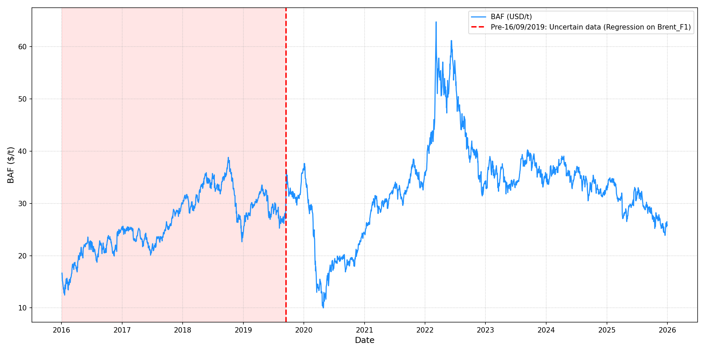
Exchange Date / Code | BAF
31-Dec-25 | $25.83
30-Dec-25 | $25.70
29-Dec-25 | $26.52
26-Dec-25 | $25.52
24-Dec-25 | $26.02
23-Dec-25 | $26.27
22-Dec-25 | $25.52
19-Dec-25 | $24.19
18-Dec-25 | $23.88
17-Dec-25 | $24.19
16-Dec-25 | $24.32
15-Dec-25 | $24.51
12-Dec-25 | $24.44
11-Dec-25 | $24.95
10-Dec-25 | $25.52
9-Dec-25 | $24.51
8-Dec-25 | $24.82
5-Dec-25 | $26.15
4-Dec-25 | $25.96
3-Dec-25 | $25.70
2-Dec-25 | $25.33
1-Dec-25 | $26.15
28-Nov-25 | $25.77
27-Nov-25 | $25.64
26-Nov-25 | $25.39
25-Nov-25 | $25.20
24-Nov-25 | $25.58
21-Nov-25 | $25.89
20-Nov-25 | $26.15
19-Nov-25 | $26.33
18-Nov-25 | $26.96
17-Nov-25 | $27.09
14-Nov-25 | $27.28
13-Nov-25 | $26.78
12-Nov-25 | $27.59
11-Nov-25 | $27.85
10-Nov-25 | $27.66
7-Nov-25 | $26.96
6-Nov-25 | $26.65
5-Nov-25 | $27.22
...

CAF
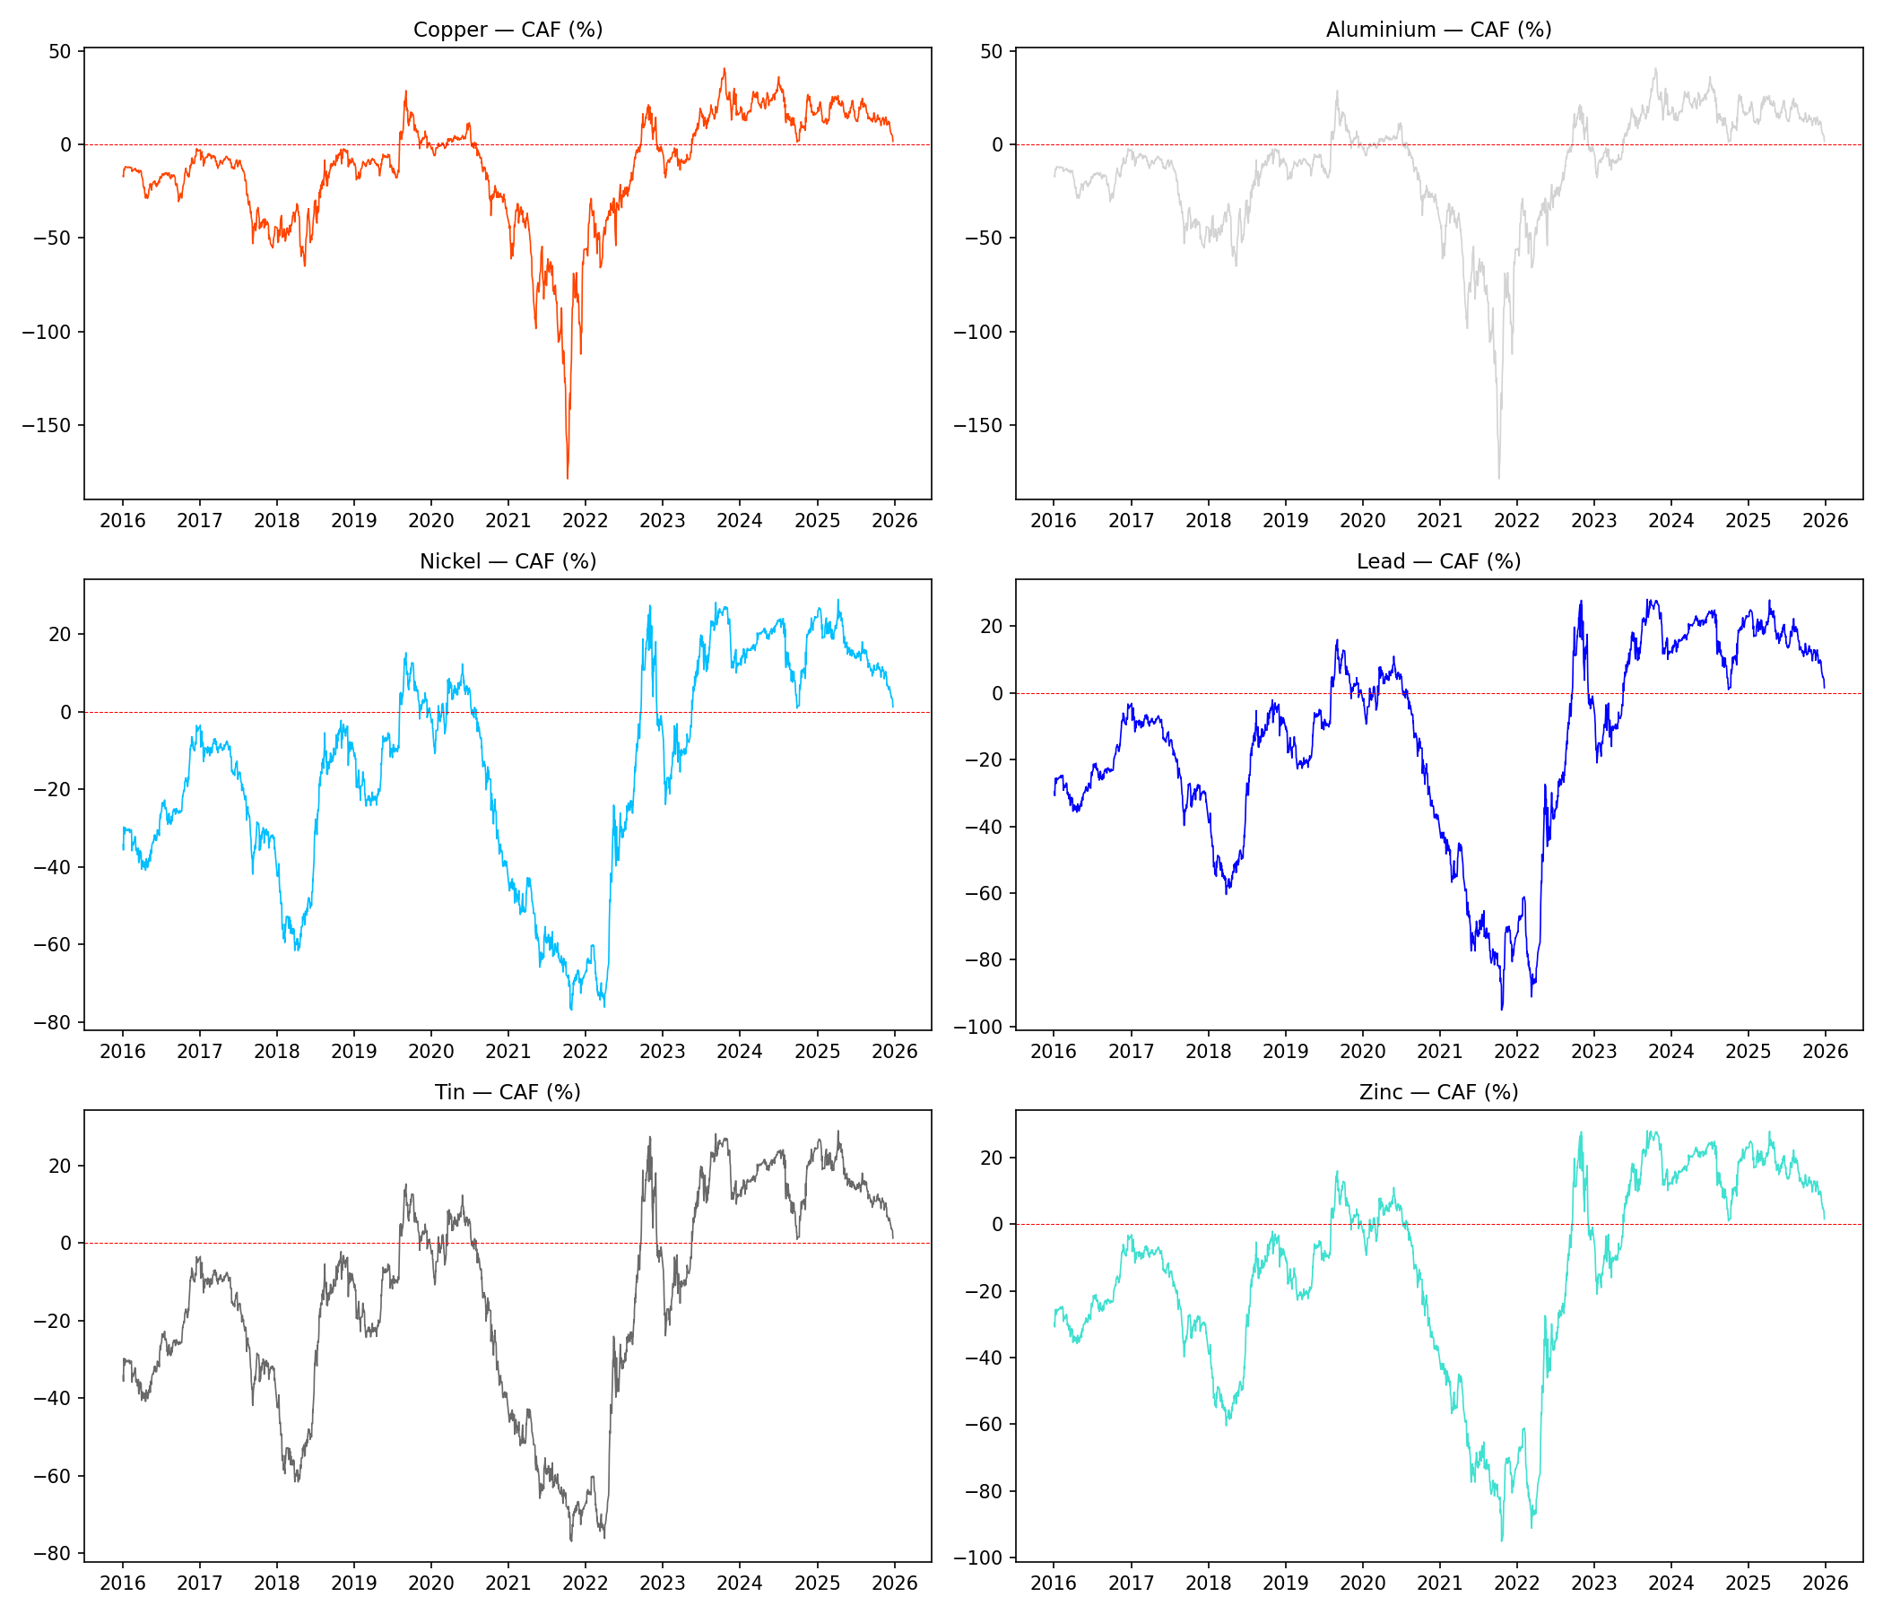
Caf_aluminium | Caf_nickel | Caf_lead | Caf_tin | Caf_zinc
1.66% | 1.23% | 1.50% | 1.23% | 1.50%
3.30% | 2.43% | 2.96% | 2.43% | 2.96%
4.54% | 3.18% | 4.00% | 3.18% | 4.00%
5.14% | 3.55% | 4.50% | 3.55% | 4.50%
5.23% | 3.59% | 4.57% | 3.59% | 4.57%
5.55% | 3.82% | 4.84% | 3.82% | 4.84%
5.50% | 3.68% | 4.74% | 3.68% | 4.74%
6.07% | 4.18% | 5.28% | 4.18% | 5.28%
7.03% | 4.87% | 6.12% | 4.87% | 6.12%
7.79% | 5.16% | 6.67% | 5.16% | 6.67%
9.27% | 5.72% | 7.75% | 5.72% | 7.75%
9.79% | 5.68% | 8.02% | 5.68% | 8.02%
11.76% | 6.38% | 9.44% | 6.38% | 9.44%
11.66% | 6.25% | 9.33% | 6.25% | 9.33%
12.45% | 6.41% | 9.85% | 6.41% | 9.85%
11.21% | 5.71% | 8.84% | 5.71% | 8.84%
10.83% | 6.28% | 8.87% | 6.28% | 8.87%
10.95% | 6.42% | 9.00% | 6.42% | 9.00%
11.28% | 6.71% | 9.32% | 6.71% | 9.32%
11.33% | 7.06% | 9.50% | 7.06% | 9.50%
10.35% | 6.77% | 8.82% | 6.77% | 8.82%
10.90% | 7.54% | 9.46% | 7.54% | 9.46%
13.06% | 9.10% | 11.37% | 9.10% | 11.37%
13.51% | 9.51% | 11.81% | 9.51% | 11.81%
14.68% | 10.35% | 12.84% | 10.35% | 12.84%
13.96% | 9.87% | 12.22% | 9.87% | 12.22%
13.19% | 9.58% | 11.65% | 9.58% | 11.65%
12.61% | 9.59% | 11.32% | 9.59% | 11.32%
11.44% | 8.85% | 10.34% | 8.85% | 10.34%
10.64% | 8.47% | 9.73% | 8.47% | 9.73%
12.18% | 9.97% | 11.25% | 9.97% | 11.25%
13.26% | 10.39% | 12.06% | 10.39% | 12.06%
13.79% | 10.61% | 12.45% | 10.61% | 12.45%
14.36% | 10.84% | 12.88% | 10.84% | 12.88%
13.65% | 10.58% | 12.35% | 10.58% | 12.35%
13.92% | 11.24% | 12.78% | 11.24% | 12.78%
13.80% | 11.60% | 12.85% | 11.60% | 12.85%
12.60% | 10.79% | 11.80% | 10.79% | 11.80%
12.40% | 10.52% | 11.57% | 10.52% | 11.57%
11.68% | 9.90% | 10.88% | 9.90% | 10.88%
10.15% | 8.86% | 9.56% | 8.86% | 9.56%
10.08% | 8.97% | 9.55% | 8.97% | 9.55%
11.40% | 10.00% | 10.74% | 10.00% | 10.74%
12.64% | 11.01% | 11.87% | 11.01% | 11.87%
13.40% | 11.11% | 12.34% | 11.11% | 12.34%
14.16% | 11.45% | 12.91% | 11.45% | 12.91%
13.80% | 11.10% | 12.56% | 11.10% | 12.56%
13.36% | 10.89% | 12.22% | 10.89% | 12.22%
14.10% | 11.51% | 12.90% | 11.51% | 12.90%
13.50% | 11.20% | 12.43% | 11.20% | 12.43%
13.34% | 11.47% | 12.46% | 11.47% | 12.46%
14.99% | 12.58% | 13.87% | 12.58% | 13.87%
15.75% | 11.98% | 14.06% | 11.98% | 14.06%
13.71% | 12.16% | 12.97% | 12.16% | 12.97%
13.00% | 11.56% | 12.32% | 11.56% | 12.32%
12.60% | 10.78% | 11.76% | 10.78% | 11.76%
12.47% | 10.78% | 11.69% | 10.78% | 11.69%
12.28% | 10.78% | 11.58% | 10.78% | 11.58%
11.92% | 10.78% | 11.38% | 10.78% | 11.38%
11.91% | 10.77% | 11.37% | 10.77% | 11.37%
12.49% | 10.76% | 11.70% | 10.76% | 11.70%
13.90% | 10.74% | 12.50% | 10.74% | 12.50%
...

