FlowChart
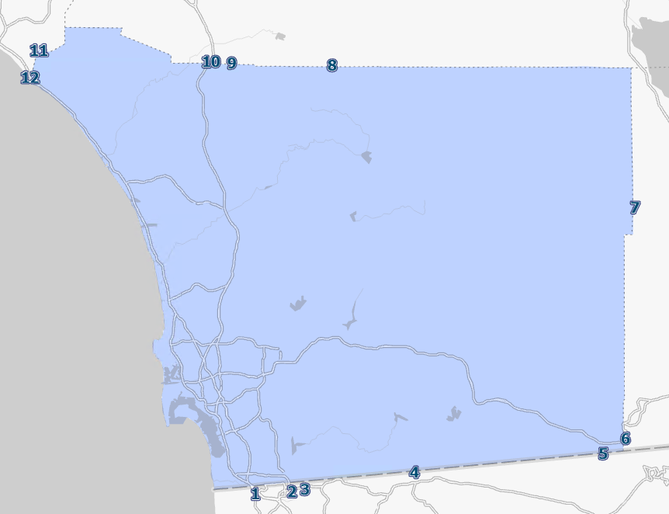
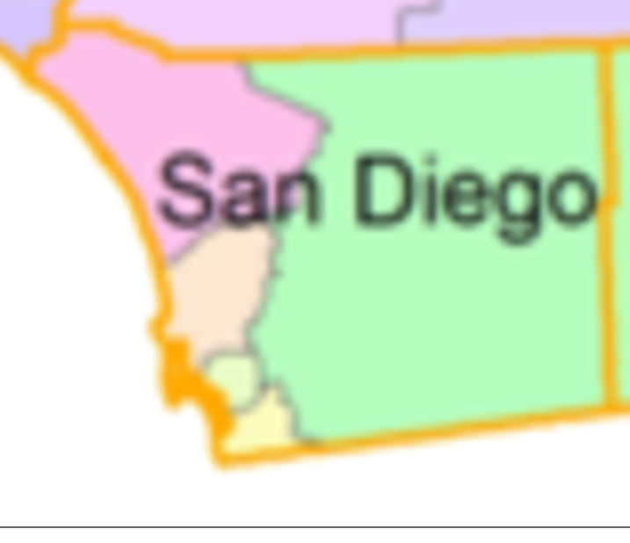
Previous HTM - ABM2+ | New HTM - ABM3

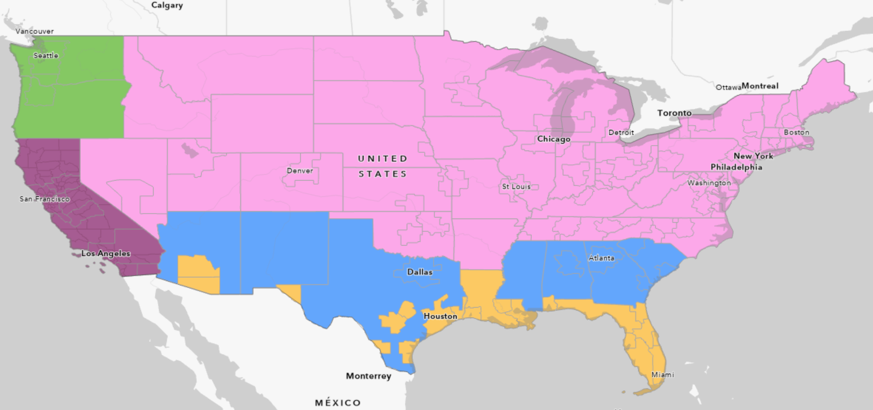

 |  | AreaCode | Area | Green | Pink | Blue | Yellow | CA North of OC | Orange County | Imperial/ Calexico/ Calexico east/ Andreade | SD/Otay Mesa/ Tecate/ Port of SD/ SD Aiport
 |  | 1 | Green | - | - | - | - | - | - | 0.5 | 1
 |  | 2 | Pink | - | - | - | - | - | - | - | 1
 |  | 3 | Blue | - | - | - | - | - | - | - | 1
 |  | 4 | Yellow | - | - | - | - | - | 0.05 | - | 1
 |  | 5 | CA North of OC | - | - | - | - | - | - | - | 1
 |  | 6 | Orange County | - | - | - | 0.05 | - | - | 0.5 | 1
 |  | 7 | Imperial/ Calexico/ Calexico east/ Andreade | 0.5 | - | - | - | - | 0.5 | - | 1
 |  | 8 | SD/Otay Mesa/ Tecate/ Port of SD/ SD Aiport | 1 | 1 | 1 | 1 | 1 | 1 | 1 | 1

Reference
Route | Border | FAF region | IX share | XI share |  |  |  |  |  |  |  |  | TAZ | Port and Intermodal
Number |  |  |  |  |  |  |  |  |  |  |  |  | 2193 | Port
7 | San Diego/ Mexico border | Mexico |  |  | Imperial |  |  |  |  |  |  |  | 2372 | Port
111 | San Diego/ Mexico border | Mexico (Calexico) |  |  | Imperial |  |  |  |  |  |  |  | 2384 | Port
186 | San Diego/ Mexico border | Mexico (Andrede) |  |  | Imperial |  |  |  |  |  |  |  | 2086 | TAMT/Port
905 | San Diego/ Mexico border | Mexico (Otay Mesa) | 0% | 0% | auto |  |  |  |  |  |  |  | 1154 | TAMT/Port
11 | San Diego/ Mexico border | Mexico (Otay Mesa East) | 20% | 20% | Truck |  |  |  |  |  |  |  | 2497 | NCMT/Port
I5 | San Diego/ Mexico border | Mexico (Tijuana) | 0% | 0% | auto |  |  |  |  |  |  |  | 1476 | Airport
188 | San Diego/ Mexico border | Mexico (Tecate) | 80% | 80% | Truck |  |  |  |  |  |  |  | 1294 | Airport
x | San Diego/ Mexico border | Mexico (new) | 0% | 0% |  |  |  |  |  |  |  |  | 1520 | Airport
Subtotal for southern States |  |  | 100% | 100% |  |  |  |  |  |  |  |  | 1338 | Airport
8 | Imperial/Arizona | Southern | 16% | 16% |  |  |  |  |  |  |  |  | 1457 | Airport
10 | Riverside/Arizona | States | 50% | 50% |  |  |  |  |  |  |  |  | 1485 | Airport
40 | San Bernardino/Arizona |  | 30% | 30% |  |  |  |  |  |  |  |  | 3693 | Rail Intermodal
95 | San Bernardino /Nevada |  | 2% | 2%
164 | San Bernardino /Nevada |  | 2% | 2%
Subtotal for southern States |  |  | 100% | 100%
15 | San Bernardino /Nevada | Central and | 56% | 56%
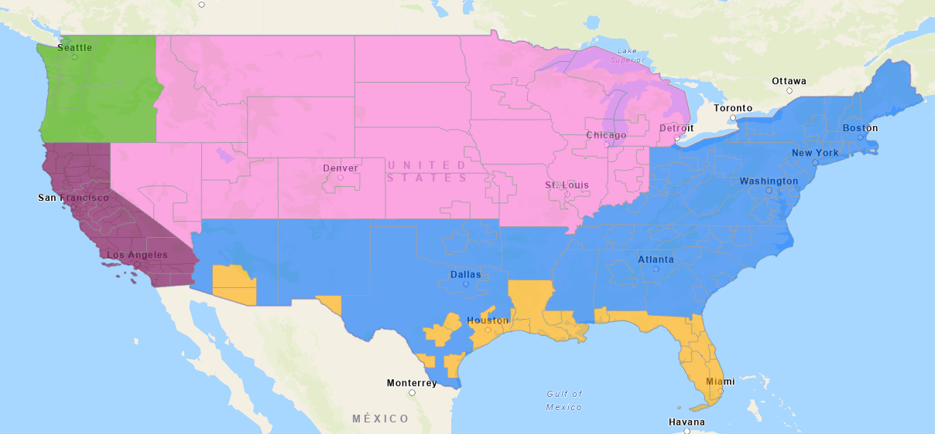
127 | Inyo/Nevada | Northeast States | 1% | 1%
6 | Mono/Nevada |  | 1% | 1%
88 | Alpine/Nevada |  | 1% | 1%
50 | El Dorado/Nevada |  | 1% | 1% |  | AreaCode | Area | Green | Pink | Blue | Yellow | CA North of OC | Orange County | Imperial/ Calexico/ Calexico east/ Andreade | SD/Otay Mesa/ Tecate/ Port of SD/ SD Aiport | 12 (I-5) | 10 (I-15) | 6 (I-8)
80 | Sierra/ Nevada |  | 38% | 38% |  | 1 | Green | 0 | 0 | 0 | 0 | 0 | 0 | 0.5 | 1 | 100%
395 | Sierra/ Nevada |  | 2% | 2% |  | 2 | Pink | 0 | 0 | 0 | 0 | 0 | 0 | 0 | 1 |  | 100%
Subtotal for Central and Northeast States |  |  | 100% | 100% |  | 3 | Blue | 0 | 0 | 0 | 0 | 0 | 0 | 0 | 1 |  | 10% | 90%
395 |  | North and West | 5% | 5% |  | 4 | Yellow | 0 | 0 | 0 | 0 | 0 | 0.05 | 0 | 1 |  |  | 100%
139 | Siskiyou/Oregon | States | 1% | 1% |  | 5 | CA North of OC | 0 | 0 | 0 | 0 | 0 | 0 | 0 | 1 | 75%-85% | 25%-15%
97 | Siskiyou/Oregon |  | 5% | 5% |  | 6 | Orange County | 0 | 0 | 0 | 0.05 | 0 | 0 | 0.5 | 1 | 100%
5 | Siskiyou/Oregon |  | 50% | 50% |  | 7 | Imperial/ Calexico/ Calexico east/ Andreade | 0.5 | 0 | 0 | 0 | 0 | 0.5 | 0 | 1 |  |  | 100%
199 | Del Norte/ Oregon |  | 3% | 3% |  | 8 | SD/Otay Mesa/ Tecate/ Port of SD/ SD Aiport | 1 | 1 | 1 | 1 | 1 | 1 | 1 | 1
101 | Del Norte/ Oregon |  | 36% | 36%
Subtotal for North and West States |  |  | 100% | 100%

FAZ_Gateway
Gateways
FAZ | Region | AreaCode | 1 | 2 | 3 | 4 | 5 | 6 | 7 | 8 | 9 | 10 | 11 | 12 | 1476 | 1294 | 1520 | 1338 | 1457 | 1485 | 2372 | 2384 | 1154 | 2497 | 3693
600101 | Alameda | 5 |  |  |  |  |  |  |  |  |  | 0.5 |  | 0.5
600300 | Alpine | 5 |  |  |  |  |  |  |  |  |  | 0.5 |  | 0.5
Ports TAZ
600500 | Amador | 5 |  |  |  |  |  |  |  |  |  | 0.5 |  | 0.5
600700 | Butte | 5 |  |  |  |  |  |  |  |  |  | 0.5 |  | 0.5
Airorts TAZ
600900 | Calaveras | 5 |  |  |  |  |  |  |  |  |  | 0.5 |  | 0.5
601100 | Colusa | 5 |  |  |  |  |  |  |  |  |  | 0.5 |  | 0.5
Intermodal TAZ
601300 | Contra Costa | 5 |  |  |  |  |  |  |  |  |  | 0.5 |  | 0.5
601301 | Contra Costa | 5 |  |  |  |  |  |  |  |  |  | 0.5 |  | 0.5
Future Gateways/ports
601500 | Del Norte | 5 |  |  |  |  |  |  |  |  |  | 0.5 |  | 0.5
601701 | El Dorado | 5 |  |  |  |  |  |  |  |  |  | 0.5 |  | 0.5
601900 | Fresno | 5 |  |  |  |  |  |  |  |  |  | 0.5 |  | 0.5
601901 | Fresno | 5 |  |  |  |  |  |  |  |  |  | 0.5 |  | 0.5
602100 | Glenn | 5 |  |  |  |  |  |  |  |  |  | 0.5 |  | 0.5
602300 | Humboldt | 5 |  |  |  |  |  |  |  |  |  | 0.5 |  | 0.5
602500 | Imperial | 7 |  |  |  |  |  | 0.85 | 0.15
602700 | Inyo | 5 |  |  |  |  |  |  |  |  |  | 0.5 |  | 0.5
602901 | Kern | 5 |  |  |  |  |  |  |  |  |  | 0.5 |  | 0.5
603100 | Kings | 5 |  |  |  |  |  |  |  |  |  | 0.5 |  | 0.5
603500 | Lassen | 5 |  |  |  |  |  |  |  |  |  | 0.5 |  | 0.5
603701 | Los Angeles | 5 |  |  |  |  |  |  |  |  |  | 0.75 |  | 0.25
603703 | Los Angeles | 5 |  |  |  |  |  |  |  |  |  | 0.75 |  | 0.25
603704 | Los Angeles | 5 |  |  |  |  |  |  |  |  |  | 0.75 |  | 0.25
603705 | Los Angeles | 5 |  |  |  |  |  |  |  |  |  | 0.75 |  | 0.25
603706 | Los Angeles | 5 |  |  |  |  |  |  |  |  |  | 0.75 |  | 0.25
603707 | Los Angeles | 5 |  |  |  |  |  |  |  |  |  | 0.75 |  | 0.25
603708 | Los Angeles | 5 |  |  |  |  |  |  |  |  |  | 0.75 |  | 0.25
603710 | Los Angeles | 5 |  |  |  |  |  |  |  |  |  | 0.75 |  | 0.25
603711 | Los Angeles | 5 |  |  |  |  |  |  |  |  |  | 0.75 |  | 0.25
603900 | Madera | 5 |  |  |  |  |  |  |  |  |  | 0.5 |  | 0.5
604100 | Marin | 5 |  |  |  |  |  |  |  |  |  | 0.5 |  | 0.5
604300 | Mariposa | 5 |  |  |  |  |  |  |  |  |  | 0.5 |  | 0.5
604500 | Mendocino | 5 |  |  |  |  |  |  |  |  |  | 0.5 |  | 0.5
604700 | Merced | 5 |  |  |  |  |  |  |  |  |  | 0.5 |  | 0.5
604900 | Modoc | 5 |  |  |  |  |  |  |  |  |  | 0.5 |  | 0.5
605100 | Mono | 5 |  |  |  |  |  |  |  |  |  | 0.5 |  | 0.5
605300 | Monterey | 5 |  |  |  |  |  |  |  |  |  | 0.5 |  | 0.5
605500 | Napa | 5 |  |  |  |  |  |  |  |  |  | 0.5 |  | 0.5
605700 | Nevada | 5 |  |  |  |  |  |  |  |  |  | 0.5 |  | 0.5
605902 | Orange | 6 |  |  |  |  |  |  |  |  |  | 1
606100 | Placer | 5 |  |  |  |  |  |  |  |  |  | 0.5 |  | 0.5
606101 | Placer | 5 |  |  |  |  |  |  |  |  |  | 0.5 |  | 0.5
606102 | Placer | 5 |  |  |  |  |  |  |  |  |  | 0.5 |  | 0.5
606300 | Plumas | 5 |  |  |  |  |  |  |  |  |  | 0.5 |  | 0.5
606501 | Riverside | 5 |  |  |  |  |  |  |  |  |  | 0.75 |  | 0.25
606700 | Sacramento | 5 |  |  |  |  |  |  |  |  |  | 0.5 |  | 0.5
606701 | Sacramento | 5 |  |  |  |  |  |  |  |  |  | 0.5 |  | 0.5
606900 | San Benito | 5 |  |  |  |  |  |  |  |  |  | 0.5 |  | 0.5
607101 | San Bernardino | 5 |  |  |  |  |  |  |  |  |  | 0.75 |  | 0.25
607102 | San Bernardino | 5 |  |  |  |  |  |  |  |  |  | 0.75 |  | 0.25
607701 | San Joaquin | 5 |  |  |  |  |  |  |  |  |  | 0.5 |  | 0.5
607900 | San Luis Obispo | 5 |  |  |  |  |  |  |  |  |  | 0.75 |  | 0.25
608100 | San Mateo | 5 |  |  |  |  |  |  |  |  |  | 0.5 |  | 0.5
608101 | San Mateo | 5 |  |  |  |  |  |  |  |  |  | 0.5 |  | 0.5
608300 | Santa Barbara | 5 |  |  |  |  |  |  |  |  |  | 0.75 |  | 0.25
608501 | Santa Clara | 5 |  |  |  |  |  |  |  |  |  | 0.5 |  | 0.5
608502 | Santa Clara | 5 |  |  |  |  |  |  |  |  |  | 0.5 |  | 0.5
608900 | Shasta | 5 |  |  |  |  |  |  |  |  |  | 0.5 |  | 0.5
609100 | Sierra | 5 |  |  |  |  |  |  |  |  |  | 0.5 |  | 0.5
609300 | Siskiyou | 5 |  |  |  |  |  |  |  |  |  | 0.5 |  | 0.5
609500 | Solano | 5 |  |  |  |  |  |  |  |  |  | 0.5 |  | 0.5
609501 | Solano | 5 |  |  |  |  |  |  |  |  |  | 0.5 |  | 0.5
609700 | Sonoma | 5 |  |  |  |  |  |  |  |  |  | 0.5 |  | 0.5
609701 | Sonoma | 5 |  |  |  |  |  |  |  |  |  | 0.5 |  | 0.5
610100 | Sutter | 5 |  |  |  |  |  |  |  |  |  | 0.5 |  | 0.5
610300 | Tehama | 5 |  |  |  |  |  |  |  |  |  | 0.5 |  | 0.5
610500 | Trinity | 5 |  |  |  |  |  |  |  |  |  | 0.5 |  | 0.5
610700 | Tulare | 5 |  |  |  |  |  |  |  |  |  | 0.5 |  | 0.5
610900 | Tuolumne | 5 |  |  |  |  |  |  |  |  |  | 0.5 |  | 0.5
611100 | Ventura | 5 |  |  |  |  |  |  |  |  |  | 0.75 |  | 0.25
611500 | Yuba | 5 |  |  |  |  |  |  |  |  |  | 0.5 |  | 0.5
606502 | Riverside | 5 |  |  |  |  |  |  |  |  |  | 0.75 |  | 0.25
606500 | Riverside | 5 |  |  |  |  |  |  |  |  |  | 0.75 |  | 0.25
605900 | Orange | 5 |  |  |  |  |  |  |  |  |  | 0.85 |  | 0.15
603702 | Los Angeles | 5 |  |  |  |  |  |  |  |  |  | 0.75 |  | 0.25
602900 | Kern | 5 |  |  |  |  |  |  |  |  |  | 0.5 |  | 0.5
601700 | El Dorado | 5 |  |  |  |  |  |  |  |  |  | 0.5 |  | 0.5
608700 | Santa Cruz | 5 |  |  |  |  |  |  |  |  |  | 0.5 |  | 0.5
605901 | Orange | 5 |  |  |  |  |  |  |  |  |  | 0.85 |  | 0.15
600102 | Alameda | 5 |  |  |  |  |  |  |  |  |  | 0.5 |  | 0.5
600100 | Alameda | 5 |  |  |  |  |  |  |  |  |  | 0.5 |  | 0.5
605903 | Orange | 5 |  |  |  |  |  |  |  |  |  | 0.85 |  | 0.15
607700 | San Joaquin | 5 |  |  |  |  |  |  |  |  |  | 0.5 |  | 0.5
608500 | Santa Clara | 5 |  |  |  |  |  |  |  |  |  | 0.5 |  | 0.5
609900 | Stanislaus | 5 |  |  |  |  |  |  |  |  |  | 0.5 |  | 0.5
611300 | Yolo | 5 |  |  |  |  |  |  |  |  |  | 0.5 |  | 0.5
603300 | Lake | 5 |  |  |  |  |  |  |  |  |  | 0.5 |  | 0.5
606503 | Riverside | 5 |  |  |  |  |  |  |  |  |  | 0.75 |  | 0.25
607100 | San Bernardino | 5 |  |  |  |  |  |  |  |  |  | 0.75 |  | 0.25
603700 | Los Angeles | 5 |  |  |  |  |  |  |  |  |  | 0.75 |  | 0.25
603709 | Los Angeles | 5 |  |  |  |  |  |  |  |  |  | 0.75 |  | 0.25
607500 | San Francisco | 5 |  |  |  |  |  |  |  |  |  | 0.5 |  | 0.5
607501 | San Francisco | 5 |  |  |  |  |  |  |  |  |  | 0.5 |  | 0.5
1204 | Tecate | 8 |  |  |  | 1
1205 | Calexico | 7 |  |  |  |  |  | 1
1206 | Calexico East | 7 |  |  |  |  |  | 1
1305 | Otay Mesa | 8 |  |  | 1
2012 | Port of San Diego | 8 |  |  |  |  |  |  |  |  |  |  |  |  |  |  |  |  |  |  | 0.5 | 0.5
2013 | Port of Redwood City | 5 |  |  |  |  |  |  |  |  |  | 0.5 |  | 0.5
2014 | Port of San Francisco | 5 |  |  |  |  |  |  |  |  |  | 0.5 |  | 0.5
2015 | Port of Oakland | 5 |  |  |  |  |  |  |  |  |  | 0.5 |  | 0.5
2016 | Port of Richmond | 5 |  |  |  |  |  |  |  |  |  | 0.5 |  | 0.5
2017 | Port of Hueneme | 5 |  |  |  |  |  |  |  |  |  | 0.5 |  | 0.5
2018 | Port of Los Angeles | 5 |  |  |  |  |  |  |  |  |  | 0.75 |  | 0.25
2019 | Port of Long Beach | 5 |  |  |  |  |  |  |  |  |  | 0.75 |  | 0.25
2020 | Port of Stockton | 5 |  |  |  |  |  |  |  |  |  | 0.5 |  | 0.5
4061 | Airports in SCAG | 5 |  |  |  |  |  |  |  |  |  | 0.75 |  | 0.25
4062 | Airports in Sacramento | 5 |  |  |  |  |  |  |  |  |  | 0.5 |  | 0.5
4063 | San Diego Airport | 8 |  |  |  |  |  |  |  |  |  |  |  |  | 0.2 | 0.2 | 0.2 | 0.2 | 0.1 | 0.1
4064 | Airports in Bay Area | 5 |  |  |  |  |  |  |  |  |  | 0.5 |  | 0.5
4065 | Airports in Fresno | 5 |  |  |  |  |  |  |  |  |  | 0.5 |  | 0.5
4069 | Airport in Rest of CA | 5 |  |  |  |  |  |  |  |  |  | 0.75 |  | 0.25
5061 | Multimodal in SCAG | 5 |  |  |  |  |  |  |  |  |  | 0.75 |  | 0.25
5062 | Multimodal in Sacramento | 5 |  |  |  |  |  |  |  |  |  | 0.5 |  | 0.5
5063 | Multimodal in San Diego (NCMT, Tijuana, TAMTs) | 8 |  |  |  |  |  |  |  |  |  |  |  |  |  |  |  |  |  |  |  |  | 0.5 | 0.25 | 0.25
5064 | Multimodal in Bay Area | 5 |  |  |  |  |  |  |  |  |  | 0.5 |  | 0.5
5069 | Multimodal in Rest of CA | 5 |  |  |  |  |  |  |  |  |  | 0.75 |  | 0.25
6063 | Pipline in SD | 8
7061 | unkown in SCAG | 5 |  |  |  |  |  |  |  |  |  | 0.75 |  | 0.25
7063 | unkown -San diego | 8 |  |  |  |  |  |  |  |  |  |  |  |  |  |  |  |  |  |  |  |  | 0.5 | 0.25 | 0.25
7064 | unkown in Bay Area | 5 |  |  |  |  |  |  |  |  |  | 0.5 |  | 0.5
7069 | unkown in Rest of CA | 5 |  |  |  |  |  |  |  |  |  | 0.75 |  | 0.25
8061 | No Domestic Modes | 5
8064 | No Domestic Modes | 5
11 | 011-Birmingham AL | 3 |  |  |  |  |  | 1
12 | 012-Mobile AL | 4 |  |  |  |  |  | 0.85 | 0.15
19 | 019-Rest of AL | 3 |  |  |  |  |  | 1
20 | 020-Alaska |  |  |  |  |  |  |  |  |  |  | 0.25 |  | 0.75
41 | 041-Phoenix AZ | 4 |  |  |  |  |  | 0.85 | 0.15
42 | 042-Tucson AZ | 4 |  |  |  |  |  | 0.85 | 0.15
49 | 049-Rest of AZ | 3 |  |  |  |  |  | 1
50 | 050-Arkansas | 3 |  |  |  |  |  |  |  |  |  | 1
81 | 081-Denver CO | 2 |  |  |  |  |  |  |  |  |  | 1
89 | 089-Rest of CO | 2 |  |  |  |  |  |  |  |  |  | 1
91 | 091-Hartford CT | 3 |  |  |  |  |  |  |  |  |  | 1
92 | 092-New York NY-NJ-CT-PA (CT Part) | 3 |  |  |  |  |  |  |  |  |  | 1
99 | 099-Rest of CT | 3 |  |  |  |  |  |  |  |  |  | 1
101 | 101-Philadelphia PA-NJ-DE-MD (DE Part) | 3 |  |  |  |  |  |  |  |  |  | 1
109 | 109-Rest of DE | 3 |  |  |  |  |  |  |  |  |  | 1
111 | 111-Washington DC-VA-MD-WV (DC Part) | 3 |  |  |  |  |  |  |  |  |  | 1
121 | 121-Jacksonville FL-GA CFS Area (FL Part) | 4 |  |  |  |  |  | 0.85 | 0.15
122 | 122-Miami FL | 4 |  |  |  |  |  | 0.85 | 0.15
123 | 123-Orlando FL | 4 |  |  |  |  |  | 0.85 | 0.15
124 | 124-Tampa FL | 4 |  |  |  |  |  | 0.85 | 0.15
129 | 129-Rest of FL | 4 |  |  |  |  |  | 0.85 | 0.15
131 | 131-Atlanta GA | 3 |  |  |  |  |  | 0.85 |  |  |  | 0.15
132 | 132-Savannah GA | 3 |  |  |  |  |  | 0.85 |  |  |  | 0.15
139 | 139-Rest of GA | 3 |  |  |  |  |  | 0.85 |  |  |  | 0.15
151 | 151-Honolulu HI |  |  |  |  |  |  |  |  |  |  | 0.25 |  | 0.75
159 | 159-Rest of HI |  |  |  |  |  |  |  |  |  |  | 0.25 |  | 0.75
160 | 160-Idaho | 2 |  |  |  |  |  |  |  |  |  | 1
171 | 171-Chicago IL-IN-WI (IL Part) | 2 |  |  |  |  |  |  |  |  |  | 1
172 | 172-St. Louis MO-IL (IL Part) | 2 |  |  |  |  |  |  |  |  |  | 1
179 | 179-Rest of IL | 2 |  |  |  |  |  |  |  |  |  | 1
181 | 181-Chicago IL-IN-WI (IN Part) | 2 |  |  |  |  |  |  |  |  |  | 1
182 | 182-Indianapolis IN | 2 |  |  |  |  |  |  |  |  |  | 1
183 | 183-Fort Wayne IN | 2 |  |  |  |  |  |  |  |  |  | 1
189 | 189-Rest of IN | 2 |  |  |  |  |  |  |  |  |  | 1
190 | 190-Iowa | 2 |  |  |  |  |  |  |  |  |  | 1
201 | 201-Kansas City MO-KS (KS Part) | 2 |  |  |  |  |  |  |  |  |  | 1
202 | 202-Wichita KS | 2 |  |  |  |  |  |  |  |  |  | 1
209 | 209-Rest of KS | 2 |  |  |  |  |  |  |  |  |  | 1
211 | 211-Cincinnati OH-KY-IN (KY Part) | 3 |  |  |  |  |  |  |  |  |  | 1
212 | 212-Louisville KY-IN (KY Part) | 3 |  |  |  |  |  |  |  |  |  | 1
219 | 219-Rest of KY | 3 |  |  |  |  |  |  |  |  |  | 1
221 | 221-Baton Rouge LA | 4 |  |  |  |  |  | 0.85 | 0.15
222 | 222-Lake Charles LA | 4 |  |  |  |  |  | 0.85 | 0.15
223 | 223-New Orleans LA-MS (LA Part) | 4 |  |  |  |  |  | 0.85 | 0.15
229 | 229-Rest of LA | 4 |  |  |  |  |  | 0.85 | 0.15
230 | 230-Maine | 3 |  |  |  |  |  |  |  |  |  | 1
241 | 241-Baltimore MD | 3 |  |  |  |  |  |  |  |  |  | 1
242 | 242-Washington DC-VA-MD-WV (MD Part) | 3 |  |  |  |  |  |  |  |  |  | 1
249 | 249-Rest of MD | 3 |  |  |  |  |  |  |  |  |  | 1
251 | 251-Boston MA-RI-NH-CT (MA Part) | 3 |  |  |  |  |  |  |  |  |  | 1
259 | 259-Rest of MA | 3 |  |  |  |  |  |  |  |  |  | 1
261 | 261-Detroit MI | 2 |  |  |  |  |  |  |  |  |  | 1
262 | 262-Grand Rapids MI | 2 |  |  |  |  |  |  |  |  |  | 1
269 | 269-Rest of MI | 2 |  |  |  |  |  |  |  |  |  | 1
271 | 271-Minneapolis-St. Paul MN-WI (MN Part) | 2 |  |  |  |  |  |  |  |  |  | 1
279 | 279-Rest of MN | 2 |  |  |  |  |  |  |  |  |  | 1
280 | 280-Mississippi | 3 |  |  |  |  |  | 0.85 |  |  |  | 0.15
291 | 291-Kansas City MO-KS (MO Part) | 2 |  |  |  |  |  |  |  |  |  | 1
292 | 292-St. Louis MO-IL (MO Part) | 2 |  |  |  |  |  |  |  |  |  | 1
299 | 299-Rest of MO | 2 |  |  |  |  |  |  |  |  |  | 1
300 | 300-Montana | 2 |  |  |  |  |  |  |  |  |  | 1
311 | 311-Omaha NE-IA (NE Part) | 2 |  |  |  |  |  |  |  |  |  | 1
319 | 319-Rest of NE | 2 |  |  |  |  |  |  |  |  |  | 1
321 | 321-Las Vegas NV-AZ (NV Part) | 2 |  |  |  |  |  |  |  |  |  | 1
329 | 329-Rest of NV | 2 |  |  |  |  |  |  |  |  |  | 1
331 | 331-Boston MA-RI-NH-CT (NH Part) | 3 |  |  |  |  |  |  |  |  |  | 1
339 | 339-Rest of NH | 3 |  |  |  |  |  |  |  |  |  | 1
341 | 341-New York NY-NJ-CT-PA (NJ Part) | 3 |  |  |  |  |  |  |  |  |  | 1
342 | 342-Philadelphia PA-NJ-DE-MD (NJ Part) | 3 |  |  |  |  |  |  |  |  |  | 1
350 | 350-New Mexico | 3 |  |  |  |  |  | 0.85 |  |  |  | 0.15
361 | 361-Albany NY CFS Area | 3 |  |  |  |  |  |  |  |  |  | 1
362 | 362-Buffalo NY CFS Area | 3 |  |  |  |  |  |  |  |  |  | 1
363 | 363-New York NY-NJ-CT-PA (NY Part) | 3 |  |  |  |  |  |  |  |  |  | 1
364 | 364-Rochester NY | 3 |  |  |  |  |  |  |  |  |  | 1
369 | 369-Rest of NY | 3 |  |  |  |  |  |  |  |  |  | 1
371 | 371-Charlotte NC-SC (NC Part) | 3 |  |  |  |  |  |  |  |  |  | 1
372 | 372-Greensboro--Winston-Salem--High Point NC | 3 |  |  |  |  |  |  |  |  |  | 1
373 | 373-Raleigh-Durham NC | 3 |  |  |  |  |  |  |  |  |  | 1
379 | 379-Rest of NC | 3 |  |  |  |  |  |  |  |  |  | 1
380 | 380-North Dakota | 2 |  |  |  |  |  |  |  |  |  | 1
391 | 391-Cincinnati OH-KY-IN (OH Part) | 3 |  |  |  |  |  |  |  |  |  | 1
392 | 392-Cleveland OH | 3 |  |  |  |  |  |  |  |  |  | 1
393 | 393-Columbus OH | 3 |  |  |  |  |  |  |  |  |  | 1
394 | 394-Dayton OH | 3 |  |  |  |  |  |  |  |  |  | 1
399 | 399-Rest of OH | 3 |  |  |  |  |  |  |  |  |  | 1
401 | 401-Oklahoma City OK | 3 |  |  |  |  |  |  |  |  |  | 1
402 | 402-Tulsa OK | 3 |  |  |  |  |  |  |  |  |  | 1
409 | 409-Rest of OK | 3 |  |  |  |  |  |  |  |  |  | 1
411 | 411-Portland OR-WA (OR Part) | 1 |  |  |  |  |  |  |  |  |  | 0.25 |  | 0.75
419 | 419-Rest of OR | 1 |  |  |  |  |  |  |  |  |  | 0.25 |  | 0.75
421 | 421-Philadelphia PA-NJ-DE-MD (PA Part) | 3 |  |  |  |  |  |  |  |  |  | 1
422 | 422-Pittsburgh PA-OH-WV (PA Part) | 3 |  |  |  |  |  |  |  |  |  | 1
423 | 423-New York NY-NJ-CT-PA (PA Part) | 3 |  |  |  |  |  |  |  |  |  | 1
429 | 429-Rest of PA | 3 |  |  |  |  |  |  |  |  |  | 1
441 | 441-Boston MA-RI-NH-CT (RI Part) | 3 |  |  |  |  |  |  |  |  |  | 1
451 | 451-Charleston SC | 3 |  |  |  |  |  | 0.85 |  |  |  | 0.15
452 | 452-Greenville SC | 3 |  |  |  |  |  | 0.85 |  |  |  | 0.15
459 | 459-Rest of SC | 3 |  |  |  |  |  | 0.85 |  |  |  | 0.15
460 | 460-South Dakota | 2 |  |  |  |  |  |  |  |  |  | 1
471 | 471-Memphis TN-MS-AR (TN Part) | 3 |  |  |  |  |  |  |  |  |  | 1
472 | 472-Nashville TN | 3 |  |  |  |  |  |  |  |  |  | 1
473 | 473-Knoxville TN | 3 |  |  |  |  |  |  |  |  |  | 1
479 | 479-Rest of TN | 3 |  |  |  |  |  |  |  |  |  | 1
481 | 481-Austin TX | 4 |  |  |  |  |  | 0.85 | 0.15
482 | 482-Beaumont TX | 4 |  |  |  |  |  | 0.85 | 0.15
483 | 483-Corpus Christi TX | 4 |  |  |  |  |  | 0.85 | 0.15
484 | 484-Dallas-Fort Worth TX-OK (TX Part) | 3 |  |  |  |  |  | 0.85 |  |  |  | 0.15
485 | 485-El Paso TX-NM (TX Part) | 4 |  |  |  |  |  | 0.85 | 0.15
486 | 486-Houston TX | 4 |  |  |  |  |  | 0.85 | 0.15
487 | 487-Laredo TX | 4 |  |  |  |  |  | 0.85 | 0.15
488 | 488-San Antonio TX | 4 |  |  |  |  |  | 0.85 | 0.15
489 | 489-Rest of TX | 3 |  |  |  |  |  | 0.85 |  |  |  | 0.15
491 | 491-Salt Lake City UT | 2 |  |  |  |  |  |  |  |  |  | 1
499 | 499-Rest of UT | 2 |  |  |  |  |  |  |  |  |  | 1
500 | 500-Vermont | 3 |  |  |  |  |  |  |  |  |  | 1
511 | 511-Richmond VA | 3 |  |  |  |  |  |  |  |  |  | 1
512 | 512-Virginia Beach-Norfolk VA-NC (VA Part) | 3 |  |  |  |  |  |  |  |  |  | 1
513 | 513-Washington DC-VA-MD-WV (VA Part) | 3 |  |  |  |  |  |  |  |  |  | 1
519 | 519-Rest of VA | 3 |  |  |  |  |  |  |  |  |  | 1
531 | 531-Seattle WA | 1 |  |  |  |  |  |  |  |  |  | 0.25 |  | 0.75
532 | 532-Portland OR-WA (WA Part) | 1 |  |  |  |  |  |  |  |  |  | 0.25 |  | 0.75
539 | 539-Rest of WA | 1 |  |  |  |  |  |  |  |  |  | 0.25 |  | 0.75
540 | 540-West Virginia | 3 |  |  |  |  |  |  |  |  |  | 1
551 | 551-Milwaukee WI | 2 |  |  |  |  |  |  |  |  |  | 1
559 | 559-Rest of WI | 2 |  |  |  |  |  |  |  |  |  | 1
560 | 560-Wyoming | 2 |  |  |  |  |  |  |  |  |  | 1
2021 | Port of Sacramento | 5 |  |  |  |  |  |  |  |  |  | 0.5 |  | 0.5

EMP_Calc
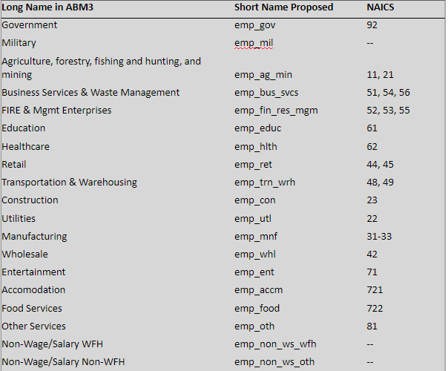
NAICS | FAZs | 607302 | 607303 | 607304 | 607305 | 607306 | Sandag | 607302 | 607303 | 607304 | 607305 | 607306 | Sandag | Sandag Code | NAICS code | 607302 | 607303 | 607304 | 607305 | 607306
111 | emp_ag_min | 703 | 3,832 | 121 | 152 | 674 | 5,482 | 0.41 | 0.55 | 0.26 | 0.26 | 0.30 | 0.46 | emp_ag_min | 11-21
112 | emp_ag_min | 498 | 1,579 | 169 | 177 | 706 | 3,129 | 0.29 | 0.23 | 0.36 | 0.30 | 0.31 | 0.26 | emp_utl | 22
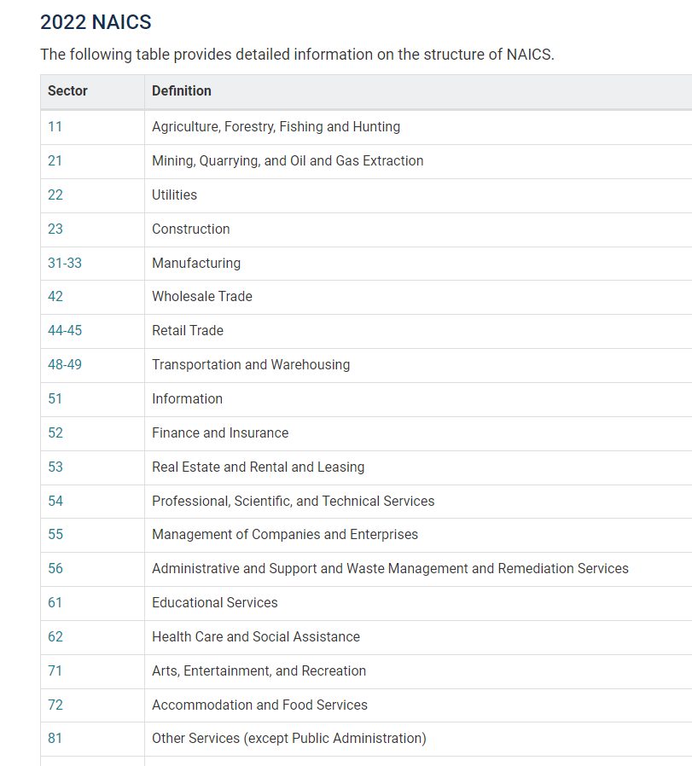
113 | emp_ag_min | 0 | 0 | 0 | 0 | 19 | 19 | - | - | - | - | 0.01 | 0.00 | emp_con | 23
114 | emp_ag_min | 156 | 150 | 8 | 89 | 403 | 806 | 0.09 | 0.02 | 0.02 | 0.15 | 0.18 | 0.07 | emp_mnf | 31-33
115 | emp_ag_min | 300 | 1,235 | 158 | 110 | 285 | 2,088 | 0.17 | 0.18 | 0.34 | 0.19 | 0.13 | 0.17 | emp_whl | 42
211 | emp_ag_min | 43 | 43 | 6 | 46 | 124 | 262 | 0.03 | 0.01 | 0.01 | 0.08 | 0.05 | 0.02 | emp_ret | 44-45
212 | emp_ag_min | 6 | 52 | 3 | 12 | 41 | 114 | 0.00 | 0.01 | 0.01 | 0.02 | 0.02 | 0.01 | emp_trn_wrh | 48-49
213 | emp_ag_min | 14 | 19 | 0 | 5 | 8 | 46 | 0.01 | 0.00 | - | 0.01 | 0.00 | 0.00 | emp_fin_res_mgm | 52-53-55
221 | emp_utl | 582 | 934 | 212 | 1,108 | 3,944 | 6,780 | 1.00 | 1.00 | 1.00 | 1.00 | 1.00 | 1.00 | emp_bus_svcs | 51-54-56
236 | emp_con | 6,246 | 8,934 | 1,547 | 2,501 | 11,519 | 30,747 | 0.32 | 0.30 | 0.29 | 0.27 | 0.34 | 0.31 | emp_educ | 61
237 | emp_con | 1,473 | 2,167 | 177 | 1,208 | 2,356 | 7,381 | 0.07 | 0.07 | 0.03 | 0.13 | 0.07 | 0.08 | emp_hlth | 62
238 | emp_con | 12,093 | 18,967 | 3,546 | 5,433 | 20,141 | 60,180 | 0.61 | 0.63 | 0.67 | 0.59 | 0.59 | 0.61 | emp_ent | 71
311 | emp_mnf | 708 | 3,733 | 569 | 1,221 | 2,459 | 8,690 | 0.06 | 0.09 | 0.04 | 0.06 | 0.04 | 0.06 | emp_accm | 721
312 | emp_mnf | 360 | 1,657 | 229 | 1,261 | 2,087 | 5,594 | 0.03 | 0.04 | 0.01 | 0.06 | 0.04 | 0.04 | emp_food | 722
313 | emp_mnf | 16 | 139 | 47 | 40 | 87 | 329 | 0.00 | 0.00 | 0.00 | 0.00 | 0.00 | 0.00 | emp_oth | 81
314 | emp_mnf | 161 | 126 | 304 | 126 | 293 | 1,010 | 0.01 | 0.00 | 0.02 | 0.01 | 0.00 | 0.01 | emp_gov | 921..926
315 | emp_mnf | 8 | 198 | 73 | 33 | 335 | 647 | 0.00 | 0.00 | 0.00 | 0.00 | 0.01 | 0.00 | emp_mil | 928
316 | emp_mnf | 6 | 31 | 34 | 0 | 50 | 121 | 0.00 | 0.00 | 0.00 | - | 0.00 | 0.00 | emp_non_ws_wfh
321 | emp_mnf | 67 | 363 | 135 | 73 | 115 | 753 | 0.01 | 0.01 | 0.01 | 0.00 | 0.00 | 0.01 | emp_non_ws_oth
322 | emp_mnf | 340 | 224 | 218 | 17 | 291 | 1,090 | 0.03 | 0.01 | 0.01 | 0.00 | 0.00 | 0.01
323 | emp_mnf | 426 | 2,085 | 267 | 656 | 2,846 | 6,280 | 0.04 | 0.05 | 0.02 | 0.03 | 0.05 | 0.04
324 | emp_mnf | 212 | 109 | 109 | 8 | 145 | 583 | 0.02 | 0.00 | 0.01 | 0.00 | 0.00 | 0.00
325 | emp_mnf | 64 | 1,588 | 134 | 268 | 4,594 | 6,648 | 0.01 | 0.04 | 0.01 | 0.01 | 0.08 | 0.04
326 | emp_mnf | 87 | 757 | 144 | 102 | 598 | 1,688 | 0.01 | 0.02 | 0.01 | 0.01 | 0.01 | 0.01
327 | emp_mnf | 472 | 946 | 59 | 125 | 220 | 1,822 | 0.04 | 0.02 | 0.00 | 0.01 | 0.00 | 0.01
331 | emp_mnf | 209 | 189 | 153 | 88 | 173 | 812 | 0.02 | 0.00 | 0.01 | 0.00 | 0.00 | 0.01
332 | emp_mnf | 2,398 | 3,641 | 2,345 | 721 | 3,875 | 12,980 | 0.20 | 0.09 | 0.15 | 0.04 | 0.07 | 0.09
333 | emp_mnf | 822 | 4,834 | 473 | 4,329 | 9,676 | 20,134 | 0.07 | 0.12 | 0.03 | 0.22 | 0.16 | 0.14
334 | emp_mnf | 2,016 | 8,364 | 754 | 732 | 14,904 | 26,770 | 0.17 | 0.20 | 0.05 | 0.04 | 0.25 | 0.18
335 | emp_mnf | 173 | 1,350 | 162 | 43 | 1,055 | 2,783 | 0.01 | 0.03 | 0.01 | 0.00 | 0.02 | 0.02
336 | emp_mnf | 990 | 772 | 6,177 | 8,375 | 1,711 | 18,025 | 0.08 | 0.02 | 0.40 | 0.42 | 0.03 | 0.12
337 | emp_mnf | 529 | 1,180 | 682 | 296 | 725 | 3,412 | 0.05 | 0.03 | 0.04 | 0.01 | 0.01 | 0.02
339 | emp_mnf | 1,645 | 9,312 | 2,474 | 1,364 | 12,965 | 27,760 | 0.14 | 0.22 | 0.16 | 0.07 | 0.22 | 0.19
423 | emp_whl | 2,714 | 7,869 | 2,733 | 1,918 | 9,845 | 25,079 | 0.78 | 0.62 | 0.75 | 0.63 | 0.71 | 0.69
424 | emp_whl | 598 | 4,325 | 822 | 1,053 | 3,693 | 10,491 | 0.17 | 0.34 | 0.23 | 0.35 | 0.27 | 0.29
425 | emp_whl | 153 | 440 | 87 | 61 | 284 | 1,025 | 0.04 | 0.03 | 0.02 | 0.02 | 0.02 | 0.03
441 | emp_ret | 2,667 | 6,004 | 1,775 | 3,113 | 7,720 | 21,279 | 0.14 | 0.13 | 0.10 | 0.16 | 0.13 | 0.13
442 | emp_ret | 573 | 1,479 | 883 | 410 | 3,053 | 6,398 | 0.03 | 0.03 | 0.05 | 0.02 | 0.05 | 0.04
443 | emp_ret | 518 | 1,628 | 418 | 530 | 6,653 | 9,747 | 0.03 | 0.04 | 0.02 | 0.03 | 0.11 | 0.06
444 | emp_ret | 1,986 | 5,711 | 1,301 | 1,224 | 4,931 | 15,153 | 0.10 | 0.12 | 0.08 | 0.06 | 0.08 | 0.09
445 | emp_ret | 4,263 | 8,557 | 3,259 | 4,863 | 8,699 | 29,641 | 0.22 | 0.18 | 0.19 | 0.24 | 0.14 | 0.18
446 | emp_ret | 1,389 | 2,737 | 1,273 | 1,056 | 4,851 | 11,306 | 0.07 | 0.06 | 0.07 | 0.05 | 0.08 | 0.07
447 | emp_ret | 360 | 745 | 419 | 503 | 1,041 | 3,068 | 0.02 | 0.02 | 0.02 | 0.03 | 0.02 | 0.02
448 | emp_ret | 948 | 3,419 | 1,507 | 1,766 | 5,545 | 13,185 | 0.05 | 0.07 | 0.09 | 0.09 | 0.09 | 0.08
451 | emp_ret | 1,404 | 4,411 | 586 | 811 | 3,208 | 10,420 | 0.07 | 0.09 | 0.03 | 0.04 | 0.05 | 0.06
452 | emp_ret | 3,456 | 6,430 | 3,210 | 3,879 | 6,699 | 23,674 | 0.18 | 0.14 | 0.19 | 0.19 | 0.11 | 0.14
453 | emp_ret | 1,743 | 4,965 | 2,266 | 1,524 | 7,701 | 18,199 | 0.09 | 0.11 | 0.13 | 0.08 | 0.13 | 0.11
454 | emp_ret | 97 | 424 | 187 | 299 | 793 | 1,800 | 0.00 | 0.01 | 0.01 | 0.01 | 0.01 | 0.01
481 | emp_trn_wrh | 52 | 72 | 20 | 19 | 318 | 481 | 0.01 | 0.01 | 0.00 | 0.00 | 0.01 | 0.01
482 | emp_trn_wrh | 4 | 11 | 11 | 56 | 104 | 186 | 0.00 | 0.00 | 0.00 | 0.00 | 0.00 | 0.00
483 | emp_trn_wrh | 2 | 15 | 17 | 20 | 1,189 | 1,243 | 0.00 | 0.00 | 0.00 | 0.00 | 0.06 | 0.02
484 | emp_trn_wrh | 1,338 | 1,920 | 3,523 | 1,408 | 5,574 | 13,763 | 0.34 | 0.22 | 0.46 | 0.10 | 0.26 | 0.25
485 | emp_trn_wrh | 599 | 1,931 | 724 | 8,115 | 5,740 | 17,109 | 0.15 | 0.22 | 0.09 | 0.60 | 0.27 | 0.31
486 | emp_trn_wrh | 28 | 67 | 24 | 69 | 110 | 298 | 0.01 | 0.01 | 0.00 | 0.01 | 0.01 | 0.01
487 | emp_trn_wrh | 50 | 268 | 76 | 58 | 716 | 1,168 | 0.01 | 0.03 | 0.01 | 0.00 | 0.03 | 0.02
488 | emp_trn_wrh | 791 | 1,721 | 1,981 | 1,484 | 4,638 | 10,615 | 0.20 | 0.20 | 0.26 | 0.11 | 0.22 | 0.19
491 | emp_trn_wrh | 875 | 2,044 | 823 | 1,205 | 2,250 | 7,197 | 0.22 | 0.24 | 0.11 | 0.09 | 0.11 | 0.13
492 | emp_trn_wrh | 45 | 72 | 112 | 405 | 440 | 1,074 | 0.01 | 0.01 | 0.01 | 0.03 | 0.02 | 0.02
493 | emp_trn_wrh | 121 | 530 | 386 | 578 | 290 | 1,905 | 0.03 | 0.06 | 0.05 | 0.04 | 0.01 | 0.03
511 | emp_bus_svcs | 905 | 3,022 | 662 | 2,417 | 8,381 | 15,387 | 0.05 | 0.06 | 0.06 | 0.06 | 0.06 | 0.06
512 | emp_bus_svcs | 178 | 257 | 167 | 143 | 1,124 | 1,869 | 0.01 | 0.01 | 0.02 | 0.00 | 0.01 | 0.01
515 | emp_bus_svcs | 105 | 192 | 139 | 588 | 2,996 | 4,020 | 0.01 | 0.00 | 0.01 | 0.01 | 0.02 | 0.02
517 | emp_bus_svcs | 450 | 1,102 | 477 | 1,114 | 4,211 | 7,354 | 0.03 | 0.02 | 0.04 | 0.03 | 0.03 | 0.03
518 | emp_bus_svcs | 97 | 410 | 114 | 344 | 1,673 | 2,638 | 0.01 | 0.01 | 0.01 | 0.01 | 0.01 | 0.01
519 | emp_bus_svcs | 197 | 681 | 93 | 461 | 1,132 | 2,564 | 0.01 | 0.01 | 0.01 | 0.01 | 0.01 | 0.01
521 | emp_fin_res_mgm | 0 | 0 | 0 | 0 | 0 | 0 | - | - | - | - | - | -
522 | emp_fin_res_mgm | 2,035 | 5,058 | 2,363 | 3,280 | 10,371 | 23,107 | 0.22 | 0.19 | 0.27 | 0.21 | 0.17 | 0.19
523 | emp_fin_res_mgm | 1,010 | 3,089 | 758 | 2,469 | 10,881 | 18,207 | 0.11 | 0.12 | 0.09 | 0.16 | 0.18 | 0.15
524 | emp_fin_res_mgm | 964 | 2,675 | 868 | 2,077 | 10,173 | 16,757 | 0.10 | 0.10 | 0.10 | 0.13 | 0.17 | 0.14
525 | emp_fin_res_mgm | 12 | 23 | 8 | 63 | 992 | 1,098 | 0.00 | 0.00 | 0.00 | 0.00 | 0.02 | 0.01
531 | emp_fin_res_mgm | 3,301 | 7,974 | 3,070 | 4,054 | 15,715 | 34,114 | 0.36 | 0.30 | 0.35 | 0.26 | 0.26 | 0.28
532 | emp_fin_res_mgm | 628 | 822 | 293 | 573 | 2,081 | 4,397 | 0.07 | 0.03 | 0.03 | 0.04 | 0.03 | 0.04
533 | emp_fin_res_mgm | 0 | 22 | 10 | 6 | 7 | 45 | - | 0.00 | 0.00 | 0.00 | 0.00 | 0.00
541 | emp_bus_svcs | 6,350 | 22,932 | 5,413 | 22,670 | 82,739 | 140,104 | 0.38 | 0.47 | 0.49 | 0.57 | 0.59 | 0.55
551 | emp_fin_res_mgm | 1,237 | 6,680 | 1,395 | 3,269 | 10,231 | 22,812 | 0.13 | 0.25 | 0.16 | 0.21 | 0.17 | 0.19
561 | emp_bus_svcs | 7,507 | 18,800 | 3,376 | 11,766 | 37,397 | 78,846 | 0.45 | 0.39 | 0.31 | 0.30 | 0.27 | 0.31
562 | emp_bus_svcs | 1,011 | 1,347 | 548 | 315 | 832 | 4,053 | 0.06 | 0.03 | 0.05 | 0.01 | 0.01 | 0.02
611 | emp_educ | 8,853 | 21,737 | 9,118 | 11,078 | 64,451 | 115,237 | 1.00 | 1.00 | 1.00 | 1.00 | 1.00 | 1.00
621 | emp_hlth | 8,008 | 25,856 | 8,711 | 13,925 | 59,963 | 116,463 | 0.39 | 0.57 | 0.59 | 0.48 | 0.57 | 0.54
622 | emp_hlth | 3,315 | 4,952 | 2,913 | 7,166 | 30,275 | 48,621 | 0.16 | 0.11 | 0.20 | 0.25 | 0.29 | 0.23
623 | emp_hlth | 3,607 | 5,367 | 433 | 2,395 | 5,096 | 16,898 | 0.18 | 0.12 | 0.03 | 0.08 | 0.05 | 0.08
624 | emp_hlth | 5,562 | 8,880 | 2,589 | 5,593 | 9,861 | 32,485 | 0.27 | 0.20 | 0.18 | 0.19 | 0.09 | 0.15
711 | emp_ent | 239 | 648 | 139 | 1,792 | 2,780 | 5,598 | 0.04 | 0.07 | 0.08 | 0.42 | 0.29 | 0.18
712 | emp_ent | 403 | 1,169 | 196 | 1,140 | 559 | 3,467 | 0.06 | 0.13 | 0.12 | 0.27 | 0.06 | 0.11
713 | emp_ent | 5,964 | 7,392 | 1,341 | 1,350 | 6,240 | 22,287 | 0.90 | 0.80 | 0.80 | 0.32 | 0.65 | 0.71
721 | emp_accm | 3,356 | 8,525 | 2,837 | 8,619 | 17,505 | 40,842 | 1.00 | 1.00 | 1.00 | 1.00 | 1.00 | 1.00
722 | emp_food | 11,340 | 29,501 | 10,472 | 21,097 | 40,955 | 113,365 | 1.00 | 1.00 | 1.00 | 1.00 | 1.00 | 1.00
811 | emp_oth | 3,259 | 5,517 | 1,757 | 2,811 | 9,337 | 22,681 | 0.31 | 0.27 | 0.28 | 0.17 | 0.30 | 0.27
812 | emp_oth | 3,521 | 7,737 | 2,148 | 5,707 | 10,195 | 29,308 | 0.33 | 0.37 | 0.34 | 0.35 | 0.32 | 0.34
813 | emp_oth | 3,740 | 7,492 | 2,323 | 7,813 | 11,880 | 33,248 | 0.36 | 0.36 | 0.37 | 0.48 | 0.38 | 0.39
814 | emp_oth | 0 | 0 | 0 | 0 | 0 | 0 | - | - | - | - | - | -
921 | emp_gov | 2,162 | 5,616 | 1,834 | 5,545 | 8,700 | 23,857 | 0.31 | 0.67 | 0.64 | 0.56 | 0.76 | 0.60
922 | emp_gov | 4,530 | 1,792 | 917 | 3,881 | 1,418 | 12,538 | 0.65 | 0.21 | 0.32 | 0.39 | 0.12 | 0.32
923 | emp_gov | 35 | 94 | 28 | 268 | 367 | 792 | 0.00 | 0.01 | 0.01 | 0.03 | 0.03 | 0.02
924 | emp_gov | 120 | 302 | 18 | 38 | 121 | 599 | 0.02 | 0.04 | 0.01 | 0.00 | 0.01 | 0.02
925 | emp_gov | 43 | 367 | 19 | 78 | 30 | 537 | 0.01 | 0.04 | 0.01 | 0.01 | 0.00 | 0.01
926 | emp_gov | 124 | 259 | 37 | 95 | 857 | 1,372 | 0.02 | 0.03 | 0.01 | 0.01 | 0.07 | 0.03
927 | emp_gov | 0 | 0 | 0 | 0 | 0 | 0 | - | - | - | - | - | -
928 | emp_mil | 28 | 344 | 399 | 33,264 | 10,053 | 44,088 | 1.00 | 1.00 | 1.00 | 1.00 | 1.00 | 1.00
Total |  | 154,791 | 365,937 | 117,898 | 256,411 | 687,084 | 1,582,121

