Dictionary
Commodity Group
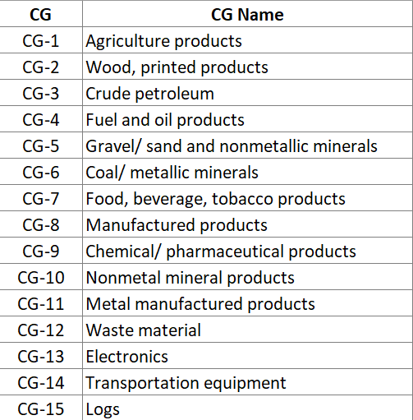

FAF Mode
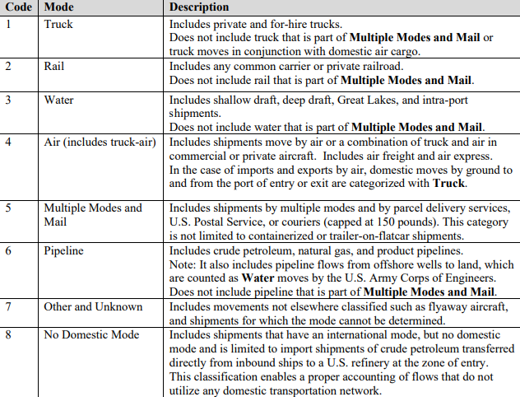

Zones
FAZ | County | Zones
600100 | Alameda | Rest of California
600101 | Alameda | Rest of California
600102 | Alameda | Rest of California
600300 | Alpine | Rest of California
600500 | Amador | Rest of California
600700 | Butte | Rest of California
600900 | Calaveras | Rest of California
601100 | Colusa | Rest of California
601300 | Contra Costa | Rest of California
601301 | Contra Costa | Rest of California
601500 | Del Norte | Rest of California
601700 | El Dorado | Rest of California
601701 | El Dorado | Rest of California
601900 | Fresno | Rest of California
601901 | Fresno | Rest of California
602100 | Glenn | Rest of California
602300 | Humboldt | Rest of California
602500 | Imperial | Rest of California
602700 | Inyo | Rest of California
602900 | Kern | Rest of California
602901 | Kern | Rest of California
603100 | Kings | Rest of California
603300 | Lake | Rest of California
603500 | Lassen | Rest of California
603700 | Los Angeles | Rest of California
603701 | Los Angeles | Rest of California
603702 | Los Angeles | Rest of California
603703 | Los Angeles | Rest of California
603704 | Los Angeles | Rest of California
603705 | Los Angeles | Rest of California
603706 | Los Angeles | Rest of California
603707 | Los Angeles | Rest of California
603708 | Los Angeles | Rest of California
603709 | Los Angeles | Rest of California
603710 | Los Angeles | Rest of California
603711 | Los Angeles | Rest of California
603900 | Madera | Rest of California
604100 | Marin | Rest of California
604300 | Mariposa | Rest of California
604500 | Mendocino | Rest of California
604700 | Merced | Rest of California
604900 | Modoc | Rest of California
605100 | Mono | Rest of California
605300 | Monterey | Rest of California
605500 | Napa | Rest of California
605700 | Nevada | Rest of California
605900 | Orange | Rest of California
605901 | Orange | Rest of California
605902 | Orange | Rest of California
605903 | Orange | Rest of California
606100 | Placer | Rest of California
606101 | Placer | Rest of California
606102 | Placer | Rest of California
606300 | Plumas | Rest of California
606500 | Riverside | Rest of California
606501 | Riverside | Rest of California
606502 | Riverside | Rest of California
606503 | Riverside | Rest of California
606700 | Sacramento | Rest of California
606701 | Sacramento | Rest of California
606900 | San Benito | Rest of California
607100 | San Bernardino | Rest of California
607101 | San Bernardino | Rest of California
607102 | San Bernardino | Rest of California
607302 | San Diego | San Diego
607303 | San Diego | San Diego
607304 | San Diego | San Diego
607305 | San Diego | San Diego
607306 | San Diego | San Diego
607500 | San Francisco | Rest of California
607501 | San Francisco | Rest of California
607700 | San Joaquin | Rest of California
607701 | San Joaquin | Rest of California
607900 | San Luis Obispo | Rest of California
608100 | San Mateo | Rest of California
608101 | San Mateo | Rest of California
608300 | Santa Barbara | Rest of California
608500 | Santa Clara | Rest of California
608501 | Santa Clara | Rest of California
608502 | Santa Clara | Rest of California
608700 | Santa Cruz | Rest of California
608900 | Shasta | Rest of California
609100 | Sierra | Rest of California
609300 | Siskiyou | Rest of California
609500 | Solano | Rest of California
609501 | Solano | Rest of California
609700 | Sonoma | Rest of California
609701 | Sonoma | Rest of California
609900 | Stanislaus | Rest of California
610100 | Sutter | Rest of California
610300 | Tehama | Rest of California
610500 | Trinity | Rest of California
610700 | Tulare | Rest of California
610900 | Tuolumne | Rest of California
611100 | Ventura | Rest of California
611300 | Yolo | Rest of California
611500 | Yuba | Rest of California
Any FAZ that is not included in this table was considered as "Other States" zone.

