Reference
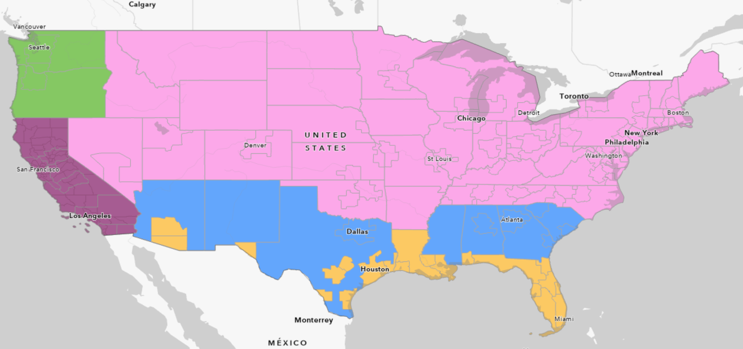
Route | Border | FAF region | IX share | XI share |  |  |  |  |  |  |  |  | TAZ | Port and Intermodal
Number |  |  |  |  |  |  |  |  |  |  |  |  | 2193 | Port
7 | San Diego/ Mexico border | Mexico |  |  | Imperial |  |  |  |  |  |  |  | 2372 | Port
111 | San Diego/ Mexico border | Mexico (Calexico) |  |  | Imperial |  |  |  |  |  |  |  | 2384 | Port
186 | San Diego/ Mexico border | Mexico (Andrede) |  |  | Imperial |  |  |  |  |  |  |  | 2086 | TAMT/Port
905 | San Diego/ Mexico border | Mexico (Otay Mesa) | 0% | 0% | auto |  |  |  |  |  |  |  | 1154 | TAMT/Port
11 | San Diego/ Mexico border | Mexico (Otay Mesa East) | 20% | 20% | Truck |  |  |  |  |  |  |  | 2497 | NCMT/Port
I5 | San Diego/ Mexico border | Mexico (Tijuana) | 0% | 0% | auto |  |  |  |  |  |  |  | 1476 | Airport
188 | San Diego/ Mexico border | Mexico (Tecate) | 80% | 80% | Truck |  |  |  |  |  |  |  | 1294 | Airport
x | San Diego/ Mexico border | Mexico (new) | 0% | 0% |  |  |  |  |  |  |  |  | 1520 | Airport
Subtotal for southern States |  |  | 100% | 100% |  |  |  |  |  |  |  |  | 1338 | Airport
8 | Imperial/Arizona | Southern | 16% | 16% |  |  |  |  |  |  |  |  | 1457 | Airport
10 | Riverside/Arizona | States | 50% | 50% |  |  |  |  |  |  |  |  | 1485 | Airport
40 | San Bernardino/Arizona |  | 30% | 30% |  |  |  |  |  |  |  |  | 3693 | Rail Intermodal
95 | San Bernardino /Nevada |  | 2% | 2%
164 | San Bernardino /Nevada |  | 2% | 2%
Subtotal for southern States |  |  | 100% | 100%
15 | San Bernardino /Nevada | Central and | 56% | 56%
127 | Inyo/Nevada | Northeast States | 1% | 1%
6 | Mono/Nevada |  | 1% | 1%
88 | Alpine/Nevada |  | 1% | 1% |  |  |  | import /export via SD |  |  |  | domestic XX -Orange county
50 | El Dorado/Nevada |  | 1% | 1% |  |  |  | 6 | 10 | 12 |  | 6 | 10 | 12
80 | Sierra/ Nevada |  | 38% | 38% |  |  | Orange | 0 | 0 | 1 |  | 0 | 0 | 0
395 | Sierra/ Nevada |  | 2% | 2% |  |  | Pink | 0 | 1 | 0 |  | 0 | 0 | 0
Subtotal for Central and Northeast States |  |  | 100% | 100% |  |  | Brown | 0.04 | 0 | 0 |  | 0.05 | 0 | 0
395 |  | North and West | 5% | 5% |  |  | Green | 0.02 | 0 | 0 |  | 0.15 | 0 | 0
139 | Siskiyou/Oregon | States | 1% | 1% |  |  | California | 0 | 0 | 1 |  | 0 | 0 | 0
97 | Siskiyou/Oregon |  | 5% | 5%
5 | Siskiyou/Oregon |  | 50% | 50%
199 | Del Norte/ Oregon |  | 3% | 3%
101 | Del Norte/ Oregon |  | 36% | 36% |  | AreaCode | Area | Green | Pink | Blue | Yellow | CA North of OC | Orange County | Imperial/ Calexico/ Calexico east/ Andreade | SD/Otay Mesa/ Tecate/ Port of SD/ SD Aiport
Subtotal for North and West States |  |  | 100% | 100% |  | 1 | Green | 0 | 0 | 0 | 0 | 0 | 0 | 0.5 | 1
 |  |  |  |  |  | 2 | Pink | 0 | 0 | 0 | 0 | 0 | 0 | 0 | 1
 |  |  |  |  |  | 3 | Blue | 0 | 0 | 0 | 0 | 0 | 0 | 0 | 1
 |  |  |  |  |  | 4 | Yellow | 0 | 0 | 0 | 0 | 0 | 0.05 | 0 | 1
 |  |  |  |  |  | 5 | CA North of OC | 0 | 0 | 0 | 0 | 0 | 0 | 0 | 1
 |  |  |  |  |  | 6 | Orange County | 0 | 0 | 0 | 0.05 | 0 | 0 | 0.5 | 1
 |  |  |  |  |  | 7 | Imperial/ Calexico/ Calexico east/ Andreade | 0.5 | 0 | 0 | 0 | 0 | 0.5 | 0 | 1
 |  |  |  |  |  | 8 | SD/Otay Mesa/ Tecate/ Port of SD/ SD Aiport | 1 | 1 | 1 | 1 | 1 | 1 | 1 | 1

FAZ_County
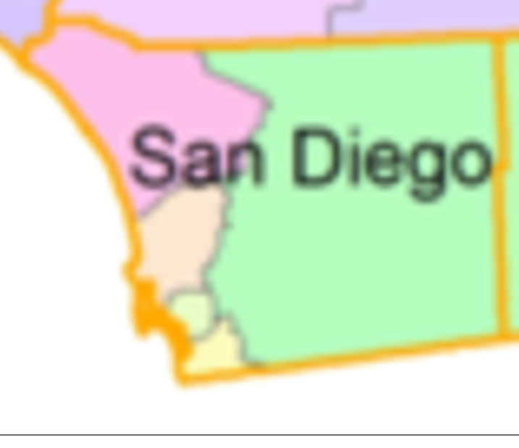
FAZ | County
600100 | Alameda
600101 | Alameda
600102 | Alameda
600300 | Alpine
600500 | Amador
600700 | Butte
600900 | Calaveras
601100 | Colusa
601300 | Contra Costa
601301 | Contra Costa
601500 | Del Norte
601700 | El Dorado
601701 | El Dorado
601900 | Fresno
601901 | Fresno
602100 | Glenn
602300 | Humboldt
602500 | Imperial
602700 | Inyo
602900 | Kern
602901 | Kern
603100 | Kings
603300 | Lake
603500 | Lassen
603700 | Los Angeles
603701 | Los Angeles
603702 | Los Angeles
603703 | Los Angeles
603704 | Los Angeles
603705 | Los Angeles
603706 | Los Angeles
603707 | Los Angeles
603708 | Los Angeles
603709 | Los Angeles
603710 | Los Angeles
603711 | Los Angeles
603900 | Madera
604100 | Marin
604300 | Mariposa
604500 | Mendocino
604700 | Merced
604900 | Modoc
605100 | Mono
605300 | Monterey
605500 | Napa
605700 | Nevada
605900 | Orange
605901 | Orange
605902 | Orange
605903 | Orange
606100 | Placer
606101 | Placer
606102 | Placer
606300 | Plumas
606500 | Riverside
606501 | Riverside
606502 | Riverside
606503 | Riverside
606700 | Sacramento
606701 | Sacramento
606900 | San Benito
607100 | San Bernardino
607101 | San Bernardino
607102 | San Bernardino
607302 | San Diego
607303 | San Diego
607304 | San Diego
607305 | San Diego
607306 | San Diego
607500 | San Francisco
607501 | San Francisco
607700 | San Joaquin
607701 | San Joaquin
607900 | San Luis Obispo
608100 | San Mateo
608101 | San Mateo
608300 | Santa Barbara
608500 | Santa Clara
608501 | Santa Clara
608502 | Santa Clara
608700 | Santa Cruz
608900 | Shasta
609100 | Sierra
609300 | Siskiyou
609500 | Solano
609501 | Solano
609700 | Sonoma
609701 | Sonoma
609900 | Stanislaus
610100 | Sutter
610300 | Tehama
610500 | Trinity
610700 | Tulare
610900 | Tuolumne
611100 | Ventura
611300 | Yolo
611500 | Yuba

FAZ_Gateway
Future Gateways/ports
FAZ | Region | AreaCode | 1 | 2 | 3 | 4 | 5 | 6 | 7 | 8 | 9 | 10 | 11 | 12 | 1476 | 1294 | 1520 | 1338 | 1457 | 1485 | 2193 | 2372 | 2384 | 2086 | 1154 | 2497 | 3693 | 4184
600101 | Alameda | 5 |  |  |  |  |  |  |  |  |  |  |  | 1
600300 | Alpine | 5 |  |  |  |  |  |  |  |  |  |  |  | 1
Ports TAZ
600500 | Amador | 5 |  |  |  |  |  |  |  |  |  |  |  | 1
600700 | Butte | 5 |  |  |  |  |  |  |  |  |  |  |  | 1
Airorts TAZ
600900 | Calaveras | 5 |  |  |  |  |  |  |  |  |  |  |  | 1
601100 | Colusa | 5 |  |  |  |  |  |  |  |  |  |  |  | 1
Intermodal TAZ
601300 | Contra Costa | 5 |  |  |  |  |  |  |  |  |  |  |  | 1
601301 | Contra Costa | 5 |  |  |  |  |  |  |  |  |  |  |  | 1
601500 | Del Norte | 5 |  |  |  |  |  |  |  |  |  |  |  | 1
601701 | El Dorado | 5 |  |  |  |  |  |  |  |  |  |  |  | 1
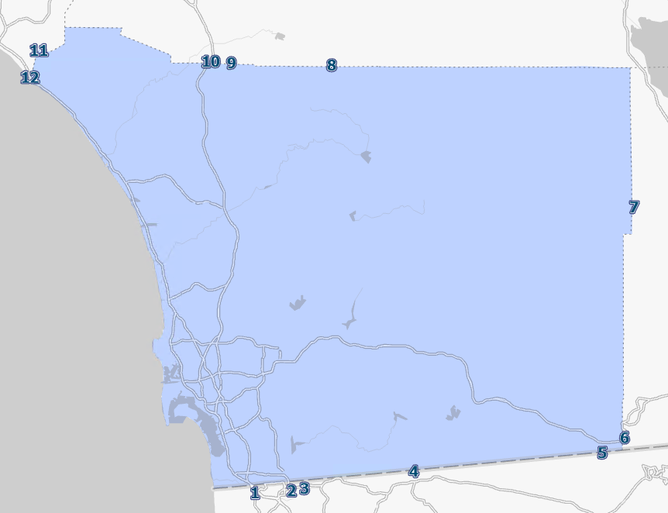
601900 | Fresno | 5 |  |  |  |  |  |  |  |  |  |  |  | 1
601901 | Fresno | 5 |  |  |  |  |  |  |  |  |  |  |  | 1
602100 | Glenn | 5 |  |  |  |  |  |  |  |  |  |  |  | 1
602300 | Humboldt | 5 |  |  |  |  |  |  |  |  |  |  |  | 1
602500 | Imperial | 7 |  |  |  |  |  | 0.85 | 0.15
602700 | Inyo | 5 |  |  |  |  |  |  |  |  |  |  |  | 1
602901 | Kern | 5 |  |  |  |  |  |  |  |  |  |  |  | 1
603100 | Kings | 5 |  |  |  |  |  |  |  |  |  |  |  | 1
603500 | Lassen | 5 |  |  |  |  |  |  |  |  |  |  |  | 1
603701 | Los Angeles | 5 |  |  |  |  |  |  |  |  |  |  |  | 1
603703 | Los Angeles | 5 |  |  |  |  |  |  |  |  |  |  |  | 1
603704 | Los Angeles | 5 |  |  |  |  |  |  |  |  |  |  |  | 1
603705 | Los Angeles | 5 |  |  |  |  |  |  |  |  |  |  |  | 1
603706 | Los Angeles | 5 |  |  |  |  |  |  |  |  |  |  |  | 1
603707 | Los Angeles | 5 |  |  |  |  |  |  |  |  |  |  |  | 1
603708 | Los Angeles | 5 |  |  |  |  |  |  |  |  |  |  |  | 1
603710 | Los Angeles | 5 |  |  |  |  |  |  |  |  |  |  |  | 1
603711 | Los Angeles | 5 |  |  |  |  |  |  |  |  |  |  |  | 1
603900 | Madera | 5 |  |  |  |  |  |  |  |  |  |  |  | 1
604100 | Marin | 5 |  |  |  |  |  |  |  |  |  |  |  | 1
604300 | Mariposa | 5 |  |  |  |  |  |  |  |  |  |  |  | 1
604500 | Mendocino | 5 |  |  |  |  |  |  |  |  |  |  |  | 1
604700 | Merced | 5 |  |  |  |  |  |  |  |  |  |  |  | 1
604900 | Modoc | 5 |  |  |  |  |  |  |  |  |  |  |  | 1
605100 | Mono | 5 |  |  |  |  |  |  |  |  |  |  |  | 1
605300 | Monterey | 5 |  |  |  |  |  |  |  |  |  |  |  | 1
605500 | Napa | 5 |  |  |  |  |  |  |  |  |  |  |  | 1
605700 | Nevada | 5 |  |  |  |  |  |  |  |  |  |  |  | 1
605902 | Orange | 6 |  |  |  |  |  |  |  |  |  |  |  | 1
606100 | Placer | 5 |  |  |  |  |  |  |  |  |  |  |  | 1
606101 | Placer | 5 |  |  |  |  |  |  |  |  |  |  |  | 1
606102 | Placer | 5 |  |  |  |  |  |  |  |  |  |  |  | 1
606300 | Plumas | 5 |  |  |  |  |  |  |  |  |  |  |  | 1
606501 | Riverside | 5 |  |  |  |  |  |  |  |  |  | 0.5 | 0.5
606700 | Sacramento | 5 |  |  |  |  |  |  |  |  |  |  |  | 1
606701 | Sacramento | 5 |  |  |  |  |  |  |  |  |  |  |  | 1
606900 | San Benito | 5 |  |  |  |  |  |  |  |  |  |  |  | 1
607101 | San Bernardino | 5 |  |  |  |  |  |  |  |  |  | 0.5 | 0.5
607102 | San Bernardino | 5 |  |  |  |  |  |  |  |  |  | 0.5 | 0.5
607701 | San Joaquin | 5 |  |  |  |  |  |  |  |  |  |  |  | 1
607900 | San Luis Obispo | 5 |  |  |  |  |  |  |  |  |  |  |  | 1
608100 | San Mateo | 5 |  |  |  |  |  |  |  |  |  |  |  | 1
608101 | San Mateo | 5 |  |  |  |  |  |  |  |  |  |  |  | 1
608300 | Santa Barbara | 5 |  |  |  |  |  |  |  |  |  |  |  | 1
608501 | Santa Clara | 5 |  |  |  |  |  |  |  |  |  |  |  | 1
608502 | Santa Clara | 5 |  |  |  |  |  |  |  |  |  |  |  | 1
608900 | Shasta | 5 |  |  |  |  |  |  |  |  |  |  |  | 1
609100 | Sierra | 5 |  |  |  |  |  |  |  |  |  |  |  | 1
609300 | Siskiyou | 5 |  |  |  |  |  |  |  |  |  |  |  | 1
609500 | Solano | 5 |  |  |  |  |  |  |  |  |  |  |  | 1
609501 | Solano | 5 |  |  |  |  |  |  |  |  |  |  |  | 1
609700 | Sonoma | 5 |  |  |  |  |  |  |  |  |  |  |  | 1
609701 | Sonoma | 5 |  |  |  |  |  |  |  |  |  |  |  | 1
610100 | Sutter | 5 |  |  |  |  |  |  |  |  |  |  |  | 1
610300 | Tehama | 5 |  |  |  |  |  |  |  |  |  |  |  | 1
610500 | Trinity | 5 |  |  |  |  |  |  |  |  |  |  |  | 1
610700 | Tulare | 5 |  |  |  |  |  |  |  |  |  |  |  | 1
610900 | Tuolumne | 5 |  |  |  |  |  |  |  |  |  |  |  | 1
611100 | Ventura | 5 |  |  |  |  |  |  |  |  |  |  |  | 1
611500 | Yuba | 5 |  |  |  |  |  |  |  |  |  |  |  | 1
606502 | Riverside | 5 |  |  |  |  |  |  |  |  |  | 0.5 | 0.5
606500 | Riverside | 5 |  |  |  |  |  |  |  |  |  | 0.5 | 0.5
605900 | Orange | 5 |  |  |  |  |  |  |  |  |  |  |  | 1
603702 | Los Angeles | 5 |  |  |  |  |  |  |  |  |  |  |  | 1
602900 | Kern | 5 |  |  |  |  |  |  |  |  |  |  |  | 1
601700 | El Dorado | 5 |  |  |  |  |  |  |  |  |  |  |  | 1
608700 | Santa Cruz | 5 |  |  |  |  |  |  |  |  |  |  |  | 1
605901 | Orange | 5 |  |  |  |  |  |  |  |  |  |  |  | 1
600102 | Alameda | 5 |  |  |  |  |  |  |  |  |  |  |  | 1
600100 | Alameda | 5 |  |  |  |  |  |  |  |  |  |  |  | 1
605903 | Orange | 5 |  |  |  |  |  |  |  |  |  |  |  | 1
607700 | San Joaquin | 5 |  |  |  |  |  |  |  |  |  |  |  | 1
608500 | Santa Clara | 5 |  |  |  |  |  |  |  |  |  |  |  | 1
609900 | Stanislaus | 5 |  |  |  |  |  |  |  |  |  |  |  | 1
611300 | Yolo | 5 |  |  |  |  |  |  |  |  |  |  |  | 1
603300 | Lake | 5 |  |  |  |  |  |  |  |  |  |  |  | 1
606503 | Riverside | 5 |  |  |  |  |  |  |  |  |  | 0.5 | 0.5
607100 | San Bernardino | 5 |  |  |  |  |  |  |  |  |  | 0.5 | 0.5
603700 | Los Angeles | 5 |  |  |  |  |  |  |  |  |  |  |  | 1
603709 | Los Angeles | 5 |  |  |  |  |  |  |  |  |  |  |  | 1
607500 | San Francisco | 5 |  |  |  |  |  |  |  |  |  |  |  | 1
607501 | San Francisco | 5 |  |  |  |  |  |  |  |  |  |  |  | 1
1204 | Tecate | 8 |  |  |  | 1
1205 | Calexico | 7 |  |  |  |  |  | 1
1206 | Calexico East | 7 |  |  |  |  |  | 1
1305 | Otay Mesa | 8 |  |  | 1
2012 | Port of San Diego | 8 |  |  |  |  |  |  |  |  |  |  |  |  |  |  |  |  |  |  | 0.35 | 0.35 | 0.3
2013 | Port of Redwood City | 5 |  |  |  |  |  |  |  |  |  |  |  | 1
2014 | Port of San Francisco | 5 |  |  |  |  |  |  |  |  |  |  |  | 1
2015 | Port of Oakland | 5 |  |  |  |  |  |  |  |  |  |  |  | 1
2016 | Port of Richmond | 5 |  |  |  |  |  |  |  |  |  |  |  | 1
2017 | Port of Hueneme | 5 |  |  |  |  |  |  |  |  |  |  |  | 1
2018 | Port of Los Angeles | 5 |  |  |  |  |  |  |  |  |  |  |  | 1
2019 | Port of Long Beach | 5 |  |  |  |  |  |  |  |  |  |  |  | 1
2020 | Port of Stockton | 5 |  |  |  |  |  |  |  |  |  |  |  | 1
4061 | Airports in SCAG | 5 |  |  |  |  |  |  |  |  |  | 0.25 |  | 0.75
4062 | Airports in Sacramento | 5 |  |  |  |  |  |  |  |  |  |  |  | 1
4063 | San Diego Airport | 8 |  |  |  |  |  |  |  |  |  |  |  |  | 0.2 | 0.2 | 0.2 | 0.2 | 0.1 | 0.1
4064 | Airports in Bay Area | 5 |  |  |  |  |  |  |  |  |  |  |  | 1
4065 | Airports in Fresno | 5 |  |  |  |  |  |  |  |  |  |  |  | 1
4069 | Airport in Rest of CA | 5 |  |  |  |  |  |  |  |  |  |  |  | 1
5061 | Multimodal in SCAG | 5 |  |  |  |  |  |  |  |  |  | 0.25 |  | 0.75
5062 | Multimodal in Sacramento | 5 |  |  |  |  |  |  |  |  |  |  |  | 1
5063 | Multimodal in San Diego (NCMT, Tijuana, TAMTs) | 8 |  |  |  |  |  |  |  |  |  |  |  |  |  |  |  |  |  |  |  |  |  | 0.25 | 0.25 | 0.25 | 0.25
5064 | Multimodal in Bay Area | 5 |  |  |  |  |  |  |  |  |  |  |  | 1
5069 | Multimodal in Rest of CA | 5 |  |  |  |  |  |  |  |  |  |  |  | 1
6063 | Pipline in SD | 8
7061 | unkown in SCAG | 5 |  |  |  |  |  |  |  |  |  | 0.25 |  | 0.75
7063 | unkown -San diego | 8 |  |  |  |  |  |  |  |  |  |  |  |  |  |  |  |  |  |  |  |  |  | 0.25 | 0.25 | 0.25 | 0.25
7064 | unkown in Bay Area | 5 |  |  |  |  |  |  |  |  |  |  |  | 1
7069 | unkown in Rest of CA | 5 |  |  |  |  |  |  |  |  |  |  |  | 1
8061 | No Domestic Modes | 5
8064 | No Domestic Modes | 5
11 | 011-Birmingham AL | 3 |  |  |  |  |  |  |  |  |  |  |  | 1
12 | 012-Mobile AL | 4 |  |  |  |  |  |  |  |  |  |  |  | 1
19 | 019-Rest of AL | 3 |  |  |  |  |  |  |  |  |  |  |  | 1
20 | 020-Alaska |  |  |  |  |  |  |  |  |  |  |  |  | 1
41 | 041-Phoenix AZ | 4 |  |  |  |  |  |  |  |  |  |  |  | 1
42 | 042-Tucson AZ | 4 |  |  |  |  |  | 1
49 | 049-Rest of AZ | 3 |  |  |  |  |  |  |  |  |  |  |  | 1
50 | 050-Arkansas | 2 |  |  |  |  |  |  |  |  |  |  |  | 1
81 | 081-Denver CO | 2 |  |  |  |  |  |  |  |  |  |  |  | 1
89 | 089-Rest of CO | 2 |  |  |  |  |  |  |  |  |  |  |  | 1
91 | 091-Hartford CT | 2 |  |  |  |  |  |  |  |  |  |  |  | 1
92 | 092-New York NY-NJ-CT-PA (CT Part) | 2 |  |  |  |  |  |  |  |  |  |  |  | 1
99 | 099-Rest of CT | 2 |  |  |  |  |  |  |  |  |  |  |  | 1
101 | 101-Philadelphia PA-NJ-DE-MD (DE Part) | 2 |  |  |  |  |  |  |  |  |  |  |  | 1
109 | 109-Rest of DE | 2 |  |  |  |  |  |  |  |  |  |  |  | 1
111 | 111-Washington DC-VA-MD-WV (DC Part) | 2 |  |  |  |  |  |  |  |  |  |  |  | 1
121 | 121-Jacksonville FL-GA CFS Area (FL Part) | 4 |  |  |  |  |  |  |  |  |  |  |  | 1
122 | 122-Miami FL | 4 |  |  |  |  |  |  |  |  |  |  |  | 1
123 | 123-Orlando FL | 4 |  |  |  |  |  |  |  |  |  |  |  | 1
124 | 124-Tampa FL | 4 |  |  |  |  |  |  |  |  |  |  |  | 1
129 | 129-Rest of FL | 4 |  |  |  |  |  |  |  |  |  |  |  | 1
131 | 131-Atlanta GA | 3 |  |  |  |  |  |  |  |  |  |  |  | 1
132 | 132-Savannah GA | 3 |  |  |  |  |  |  |  |  |  |  |  | 1
139 | 139-Rest of GA | 3 |  |  |  |  |  |  |  |  |  |  |  | 1
151 | 151-Honolulu HI |  |  |  |  |  |  |  |  |  |  |  |  | 1
159 | 159-Rest of HI |  |  |  |  |  |  |  |  |  |  |  |  | 1
160 | 160-Idaho | 2 |  |  |  |  |  |  |  |  |  |  |  | 1
171 | 171-Chicago IL-IN-WI (IL Part) | 2 |  |  |  |  |  |  |  |  |  |  |  | 1
172 | 172-St. Louis MO-IL (IL Part) | 2 |  |  |  |  |  |  |  |  |  |  |  | 1
179 | 179-Rest of IL | 2 |  |  |  |  |  |  |  |  |  |  |  | 1
181 | 181-Chicago IL-IN-WI (IN Part) | 2 |  |  |  |  |  |  |  |  |  |  |  | 1
182 | 182-Indianapolis IN | 2 |  |  |  |  |  |  |  |  |  |  |  | 1
183 | 183-Fort Wayne IN | 2 |  |  |  |  |  |  |  |  |  |  |  | 1
189 | 189-Rest of IN | 2 |  |  |  |  |  |  |  |  |  |  |  | 1
190 | 190-Iowa | 2 |  |  |  |  |  |  |  |  |  |  |  | 1
201 | 201-Kansas City MO-KS (KS Part) | 2 |  |  |  |  |  |  |  |  |  |  |  | 1
202 | 202-Wichita KS | 2 |  |  |  |  |  |  |  |  |  |  |  | 1
209 | 209-Rest of KS | 2 |  |  |  |  |  |  |  |  |  |  |  | 1
211 | 211-Cincinnati OH-KY-IN (KY Part) | 2 |  |  |  |  |  |  |  |  |  |  |  | 1
212 | 212-Louisville KY-IN (KY Part) | 2 |  |  |  |  |  |  |  |  |  |  |  | 1
219 | 219-Rest of KY | 2 |  |  |  |  |  |  |  |  |  |  |  | 1
221 | 221-Baton Rouge LA | 4 |  |  |  |  |  |  |  |  |  |  |  | 1
222 | 222-Lake Charles LA | 4 |  |  |  |  |  |  |  |  |  |  |  | 1
223 | 223-New Orleans LA-MS (LA Part) | 4 |  |  |  |  |  |  |  |  |  |  |  | 1
229 | 229-Rest of LA | 4 |  |  |  |  |  |  |  |  |  |  |  | 1
230 | 230-Maine | 2 |  |  |  |  |  |  |  |  |  |  |  | 1
241 | 241-Baltimore MD | 2 |  |  |  |  |  |  |  |  |  |  |  | 1
242 | 242-Washington DC-VA-MD-WV (MD Part) | 2 |  |  |  |  |  |  |  |  |  |  |  | 1
249 | 249-Rest of MD | 2 |  |  |  |  |  |  |  |  |  |  |  | 1
251 | 251-Boston MA-RI-NH-CT (MA Part) | 2 |  |  |  |  |  |  |  |  |  |  |  | 1
259 | 259-Rest of MA | 2 |  |  |  |  |  |  |  |  |  |  |  | 1
261 | 261-Detroit MI | 2 |  |  |  |  |  |  |  |  |  |  |  | 1
262 | 262-Grand Rapids MI | 2 |  |  |  |  |  |  |  |  |  |  |  | 1
269 | 269-Rest of MI | 2 |  |  |  |  |  |  |  |  |  |  |  | 1
271 | 271-Minneapolis-St. Paul MN-WI (MN Part) | 2 |  |  |  |  |  |  |  |  |  |  |  | 1
279 | 279-Rest of MN | 2 |  |  |  |  |  |  |  |  |  |  |  | 1
280 | 280-Mississippi | 3 |  |  |  |  |  |  |  |  |  |  |  | 1
291 | 291-Kansas City MO-KS (MO Part) | 2 |  |  |  |  |  |  |  |  |  |  |  | 1
292 | 292-St. Louis MO-IL (MO Part) | 2 |  |  |  |  |  |  |  |  |  |  |  | 1
299 | 299-Rest of MO | 2 |  |  |  |  |  |  |  |  |  |  |  | 1
300 | 300-Montana | 2 |  |  |  |  |  |  |  |  |  |  |  | 1
311 | 311-Omaha NE-IA (NE Part) | 2 |  |  |  |  |  |  |  |  |  |  |  | 1
319 | 319-Rest of NE | 2 |  |  |  |  |  |  |  |  |  |  |  | 1
321 | 321-Las Vegas NV-AZ (NV Part) | 2 |  |  |  |  |  |  |  |  |  |  |  | 1
329 | 329-Rest of NV | 2 |  |  |  |  |  |  |  |  |  |  |  | 1
331 | 331-Boston MA-RI-NH-CT (NH Part) | 2 |  |  |  |  |  |  |  |  |  |  |  | 1
339 | 339-Rest of NH | 2 |  |  |  |  |  |  |  |  |  |  |  | 1
341 | 341-New York NY-NJ-CT-PA (NJ Part) | 2 |  |  |  |  |  |  |  |  |  |  |  | 1
342 | 342-Philadelphia PA-NJ-DE-MD (NJ Part) | 2 |  |  |  |  |  |  |  |  |  |  |  | 1
350 | 350-New Mexico | 3 |  |  |  |  |  |  |  |  |  |  |  | 1
361 | 361-Albany NY CFS Area | 2 |  |  |  |  |  |  |  |  |  |  |  | 1
362 | 362-Buffalo NY CFS Area | 2 |  |  |  |  |  |  |  |  |  |  |  | 1
363 | 363-New York NY-NJ-CT-PA (NY Part) | 2 |  |  |  |  |  |  |  |  |  |  |  | 1
364 | 364-Rochester NY | 2 |  |  |  |  |  |  |  |  |  |  |  | 1
369 | 369-Rest of NY | 2 |  |  |  |  |  |  |  |  |  |  |  | 1
371 | 371-Charlotte NC-SC (NC Part) | 2 |  |  |  |  |  |  |  |  |  |  |  | 1
372 | 372-Greensboro--Winston-Salem--High Point NC | 2 |  |  |  |  |  |  |  |  |  |  |  | 1
373 | 373-Raleigh-Durham NC | 2 |  |  |  |  |  |  |  |  |  |  |  | 1
379 | 379-Rest of NC | 2 |  |  |  |  |  |  |  |  |  |  |  | 1
380 | 380-North Dakota | 2 |  |  |  |  |  |  |  |  |  |  |  | 1
391 | 391-Cincinnati OH-KY-IN (OH Part) | 2 |  |  |  |  |  |  |  |  |  |  |  | 1
392 | 392-Cleveland OH | 2 |  |  |  |  |  |  |  |  |  |  |  | 1
393 | 393-Columbus OH | 2 |  |  |  |  |  |  |  |  |  |  |  | 1
394 | 394-Dayton OH | 2 |  |  |  |  |  |  |  |  |  |  |  | 1
399 | 399-Rest of OH | 2 |  |  |  |  |  |  |  |  |  |  |  | 1
401 | 401-Oklahoma City OK | 2 |  |  |  |  |  |  |  |  |  |  |  | 1
402 | 402-Tulsa OK | 2 |  |  |  |  |  |  |  |  |  |  |  | 1
409 | 409-Rest of OK | 2 |  |  |  |  |  |  |  |  |  |  |  | 1
411 | 411-Portland OR-WA (OR Part) | 1 |  |  |  |  |  |  |  |  |  |  |  | 1
419 | 419-Rest of OR | 1 |  |  |  |  |  |  |  |  |  |  |  | 1
421 | 421-Philadelphia PA-NJ-DE-MD (PA Part) | 2 |  |  |  |  |  |  |  |  |  |  |  | 1
422 | 422-Pittsburgh PA-OH-WV (PA Part) | 2 |  |  |  |  |  |  |  |  |  |  |  | 1
423 | 423-New York NY-NJ-CT-PA (PA Part) | 2 |  |  |  |  |  |  |  |  |  |  |  | 1
429 | 429-Rest of PA | 2 |  |  |  |  |  |  |  |  |  |  |  | 1
441 | 441-Boston MA-RI-NH-CT (RI Part) | 2 |  |  |  |  |  |  |  |  |  |  |  | 1
451 | 451-Charleston SC | 3 |  |  |  |  |  |  |  |  |  |  |  | 1
452 | 452-Greenville SC | 3 |  |  |  |  |  |  |  |  |  |  |  | 1
459 | 459-Rest of SC | 3 |  |  |  |  |  |  |  |  |  |  |  | 1
460 | 460-South Dakota | 2 |  |  |  |  |  |  |  |  |  |  |  | 1
471 | 471-Memphis TN-MS-AR (TN Part) | 2 |  |  |  |  |  |  |  |  |  |  |  | 1
472 | 472-Nashville TN | 2 |  |  |  |  |  |  |  |  |  |  |  | 1
473 | 473-Knoxville TN | 2 |  |  |  |  |  |  |  |  |  |  |  | 1
479 | 479-Rest of TN | 2 |  |  |  |  |  |  |  |  |  |  |  | 1
481 | 481-Austin TX | 4 |  |  |  |  |  |  |  |  |  |  |  | 1
482 | 482-Beaumont TX | 4 |  |  |  |  |  |  |  |  |  |  |  | 1
483 | 483-Corpus Christi TX | 4 |  |  |  |  |  |  |  |  |  |  |  | 1
484 | 484-Dallas-Fort Worth TX-OK (TX Part) | 3 |  |  |  |  |  |  |  |  |  |  |  | 1
485 | 485-El Paso TX-NM (TX Part) | 4 |  |  |  |  |  |  |  |  |  |  |  | 1
486 | 486-Houston TX | 4 |  |  |  |  |  |  |  |  |  |  |  | 1
487 | 487-Laredo TX | 4 |  |  |  |  |  |  |  |  |  |  |  | 1
488 | 488-San Antonio TX | 4 |  |  |  |  |  |  |  |  |  |  |  | 1
489 | 489-Rest of TX | 3 |  |  |  |  |  |  |  |  |  |  |  | 1
491 | 491-Salt Lake City UT | 2 |  |  |  |  |  |  |  |  |  |  |  | 1
499 | 499-Rest of UT | 2 |  |  |  |  |  |  |  |  |  |  |  | 1
500 | 500-Vermont | 2 |  |  |  |  |  |  |  |  |  |  |  | 1
511 | 511-Richmond VA | 2 |  |  |  |  |  |  |  |  |  |  |  | 1
512 | 512-Virginia Beach-Norfolk VA-NC (VA Part) | 2 |  |  |  |  |  |  |  |  |  |  |  | 1
513 | 513-Washington DC-VA-MD-WV (VA Part) | 2 |  |  |  |  |  |  |  |  |  |  |  | 1
519 | 519-Rest of VA | 2 |  |  |  |  |  |  |  |  |  |  |  | 1
531 | 531-Seattle WA | 1 |  |  |  |  |  |  |  |  |  |  |  | 1
532 | 532-Portland OR-WA (WA Part) | 1 |  |  |  |  |  |  |  |  |  |  |  | 1
539 | 539-Rest of WA | 1 |  |  |  |  |  |  |  |  |  |  |  | 1
540 | 540-West Virginia | 2 |  |  |  |  |  |  |  |  |  |  |  | 1
551 | 551-Milwaukee WI | 2 |  |  |  |  |  |  |  |  |  |  |  | 1
559 | 559-Rest of WI | 2 |  |  |  |  |  |  |  |  |  |  |  | 1
560 | 560-Wyoming | 2 |  |  |  |  |  |  |  |  |  |  |  | 1
2021 | Port of Sacramento | 5 |  |  |  |  |  |  |  |  |  |  |  | 1

