FAZ_County
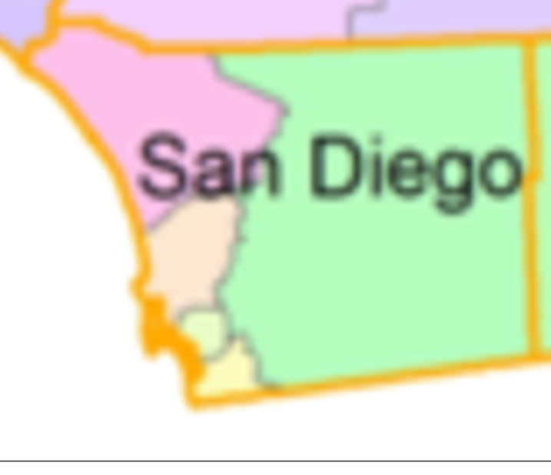
FAZ | County
600100 | Alameda
600101 | Alameda
600102 | Alameda
600300 | Alpine
600500 | Amador
600700 | Butte
600900 | Calaveras
601100 | Colusa
601300 | Contra Costa
601301 | Contra Costa
601500 | Del Norte
601700 | El Dorado
601701 | El Dorado
601900 | Fresno
601901 | Fresno
602100 | Glenn
602300 | Humboldt
602500 | Imperial
602700 | Inyo
602900 | Kern
602901 | Kern
603100 | Kings
603300 | Lake
603500 | Lassen
603700 | Los Angeles
603701 | Los Angeles
603702 | Los Angeles
603703 | Los Angeles
603704 | Los Angeles
603705 | Los Angeles
603706 | Los Angeles
603707 | Los Angeles
603708 | Los Angeles
603709 | Los Angeles
603710 | Los Angeles
603711 | Los Angeles
603900 | Madera
604100 | Marin
604300 | Mariposa
604500 | Mendocino
604700 | Merced
604900 | Modoc
605100 | Mono
605300 | Monterey
605500 | Napa
605700 | Nevada
605900 | Orange
605901 | Orange
605902 | Orange
605903 | Orange
606100 | Placer
606101 | Placer
606102 | Placer
606300 | Plumas
606500 | Riverside
606501 | Riverside
606502 | Riverside
606503 | Riverside
606700 | Sacramento
606701 | Sacramento
606900 | San Benito
607100 | San Bernardino
607101 | San Bernardino
607102 | San Bernardino
607302 | San Diego
607303 | San Diego
607304 | San Diego
607305 | San Diego
607306 | San Diego
607500 | San Francisco
607501 | San Francisco
607700 | San Joaquin
607701 | San Joaquin
607900 | San Luis Obispo
608100 | San Mateo
608101 | San Mateo
608300 | Santa Barbara
608500 | Santa Clara
608501 | Santa Clara
608502 | Santa Clara
608700 | Santa Cruz
608900 | Shasta
609100 | Sierra
609300 | Siskiyou
609500 | Solano
609501 | Solano
609700 | Sonoma
609701 | Sonoma
609900 | Stanislaus
610100 | Sutter
610300 | Tehama
610500 | Trinity
610700 | Tulare
610900 | Tuolumne
611100 | Ventura
611300 | Yolo
611500 | Yuba

