ScreenLineModeSharePeakPeriods
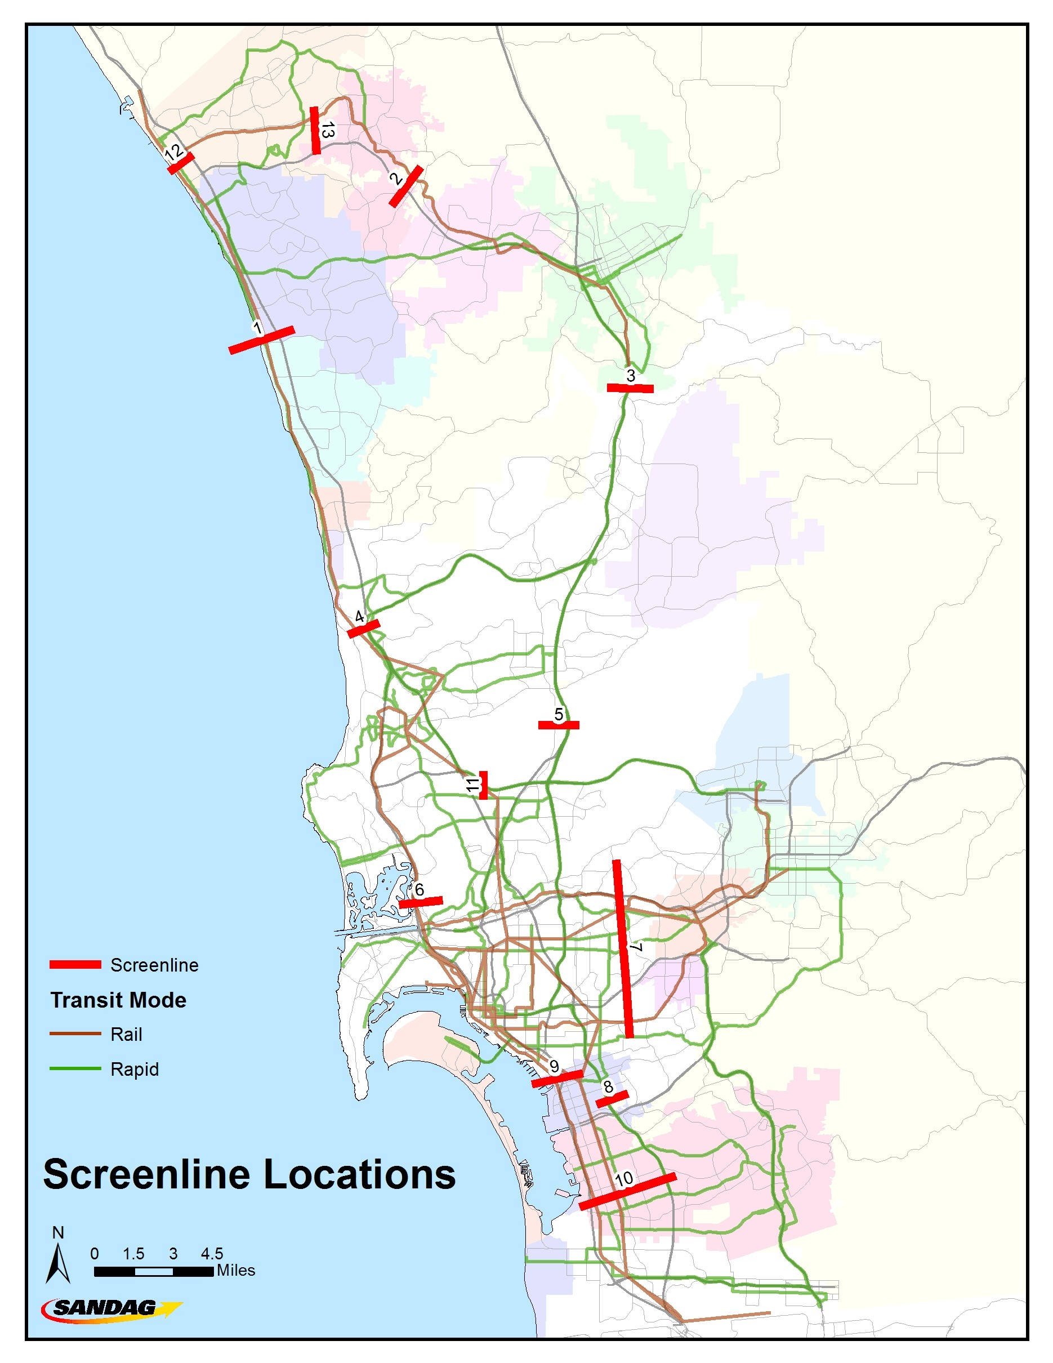
Peak Period Person Throughput |  | 2016 Baseline | % | 2025 No Build | % | 2035 No Build | % | 2050 No Build | % | 2025 Build | % | 2035 Build | % | 2050 Build | %
screenline_id | Screenline Description | 458 |  | 461 |  | 469 |  | 460 |  | 462 |  | 475 |  | 459
1 | I-5 Palomar Airport
 | Drive Alone | 68,589 | 56.3% | 70,997 | 54.3% | 75,153 | 53.6% | 77,106 | 52.5% | 64,697 | 50.8% | 66,171 | 47.1% | 62,642 | 42.7%
 | Carpool | 46,732 | 38.4% | 51,630 | 39.5% | 55,150 | 39.3% | 58,590 | 39.9% | 53,117 | 41.7% | 54,225 | 38.6% | 58,293 | 39.8%
 | Carpool 2 | 25,451 | 20.9% | 28,311 | 21.6% | 30,733 | 21.9% | 32,986 | 22.4% | 27,568 | 21.6% | 28,826 | 20.5% | 29,609 | 20.2%
 | Carpool 3+ | 21,281 | 17.5% | 23,319 | 17.8% | 24,417 | 17.4% | 25,604 | 17.4% | 25,550 | 20.0% | 25,399 | 18.1% | 28,684 | 19.6%
 | Truck | 4,568 | 3.7% | 5,586 | 4.3% | 7,071 | 5.0% | 8,187 | 5.6% | 5,386 | 4.2% | 6,766 | 4.8% | 7,503 | 5.1%
 | Transit | 1,927 | 1.6% | 2,612 | 2.0% | 2,886 | 2.1% | 3,054 | 2.1% | 4,269 | 3.3% | 13,222 | 9.4% | 18,182 | 12.4%
 | TOTAL | 121,816 | 100.0% | 130,825 | 100.0% | 140,260 | 100.0% | 146,937 | 100.0% | 127,469 | 100.0% | 140,384 | 100.0% | 146,620 | 100.0%
2 | SR-78 Vista
 | Drive Alone | 67,053 | 56.2% | 70,662 | 57.3% | 71,280 | 57.6% | 74,616 | 58.3% | 65,843 | 55.3% | 58,151 | 50.7% | 58,117 | 48.6%
 | Carpool | 44,401 | 37.2% | 44,520 | 36.1% | 43,616 | 35.3% | 44,381 | 34.7% | 43,946 | 36.9% | 42,640 | 37.2% | 45,618 | 38.2%
 | Carpool 2 | 22,103 | 18.5% | 22,508 | 18.3% | 22,707 | 18.4% | 23,771 | 18.6% | 22,180 | 18.6% | 20,014 | 17.4% | 21,385 | 17.9%
 | Carpool 3+ | 22,297 | 18.7% | 22,012 | 17.8% | 20,909 | 16.9% | 20,610 | 16.1% | 21,766 | 18.3% | 22,625 | 19.7% | 24,234 | 20.3%
 | Truck | 4,161 | 3.5% | 4,186 | 3.4% | 4,526 | 3.7% | 4,516 | 3.5% | 4,317 | 3.6% | 4,376 | 3.8% | 4,645 | 3.9%
 | Transit | 3,784 | 3.2% | 3,961 | 3.2% | 4,228 | 3.4% | 4,496 | 3.5% | 5,013 | 4.2% | 9,581 | 8.3% | 11,149 | 9.3%
 | TOTAL | 119,399 | 100.0% | 123,329 | 100.0% | 123,650 | 100.0% | 128,009 | 100.0% | 119,119 | 100.0% | 114,748 | 100.0% | 119,529 | 100.0%
3 | I-15 Rancho Bernardo
 | Drive Alone | 98,801 | 57.1% | 103,882 | 57.6% | 109,369 | 57.0% | 115,394 | 56.1% | 97,184 | 55.2% | 98,431 | 53.1% | 101,743 | 51.0%
 | Carpool | 68,800 | 39.8% | 70,842 | 39.3% | 76,333 | 39.8% | 83,541 | 40.6% | 71,456 | 40.6% | 75,969 | 41.0% | 85,694 | 42.9%
 | Carpool 2 | 37,598 | 21.7% | 39,842 | 22.1% | 43,362 | 22.6% | 47,633 | 23.2% | 38,239 | 21.7% | 40,578 | 21.9% | 45,553 | 22.8%
 | Carpool 3+ | 31,202 | 18.0% | 31,000 | 17.2% | 32,971 | 17.2% | 35,907 | 17.5% | 33,218 | 18.9% | 35,391 | 19.1% | 40,141 | 20.1%
 | Truck | 4,006 | 2.3% | 4,236 | 2.3% | 4,871 | 2.5% | 5,093 | 2.5% | 4,534 | 2.6% | 4,960 | 2.7% | 5,409 | 2.7%
 | Transit | 1,285 | 0.7% | 1,470 | 0.8% | 1,383 | 0.7% | 1,626 | 0.8% | 2,845 | 1.6% | 5,999 | 3.2% | 6,795 | 3.4%
 | TOTAL | 172,892 | 100.0% | 180,430 | 100.0% | 191,956 | 100.0% | 205,654 | 100.0% | 176,019 | 100.0% | 185,359 | 100.0% | 199,641 | 100.0%
4 | I-5 North of I-805 merge
 | Drive Alone | 129,233 | 61.2% | 130,886 | 60.7% | 133,305 | 60.2% | 136,535 | 59.4% | 123,506 | 57.3% | 119,511 | 53.7% | 115,556 | 49.7%
 | Carpool | 73,490 | 34.8% | 74,148 | 34.4% | 76,193 | 34.4% | 79,935 | 34.8% | 79,679 | 37.0% | 78,367 | 35.2% | 84,734 | 36.5%
 | Carpool 2 | 39,985 | 18.9% | 41,587 | 19.3% | 42,927 | 19.4% | 45,755 | 19.9% | 42,837 | 19.9% | 42,421 | 19.1% | 44,504 | 19.1%
 | Carpool 3+ | 33,505 | 15.9% | 32,562 | 15.1% | 33,266 | 15.0% | 34,180 | 14.9% | 36,842 | 17.1% | 35,946 | 16.2% | 40,230 | 17.3%
 | Truck | 6,046 | 2.9% | 6,990 | 3.2% | 8,212 | 3.7% | 9,337 | 4.1% | 6,863 | 3.2% | 7,990 | 3.6% | 8,754 | 3.8%
 | Transit | 2,490 | 1.2% | 3,462 | 1.6% | 3,686 | 1.7% | 3,940 | 1.7% | 5,562 | 2.6% | 16,700 | 7.5% | 23,407 | 10.1%
 | TOTAL | 211,259 | 100.0% | 215,486 | 100.0% | 221,396 | 100.0% | 229,747 | 100.0% | 215,610 | 100.0% | 222,568 | 100.0% | 232,451 | 100.0%
5 | I-15 Mira Mesa
 | Drive Alone | 136,334 | 57.0% | 141,193 | 57.6% | 149,554 | 58.6% | 155,124 | 58.1% | 130,634 | 54.8% | 129,056 | 53.5% | 127,957 | 51.4%
 | Carpool | 95,135 | 39.8% | 95,679 | 39.0% | 96,705 | 37.9% | 102,487 | 38.4% | 97,061 | 40.7% | 97,163 | 40.3% | 104,618 | 42.0%
 | Carpool 2 | 55,772 | 23.3% | 57,752 | 23.6% | 58,613 | 23.0% | 62,948 | 23.6% | 56,593 | 23.7% | 56,433 | 23.4% | 60,555 | 24.3%
 | Carpool 3+ | 39,364 | 16.5% | 37,927 | 15.5% | 38,093 | 14.9% | 39,539 | 14.8% | 40,467 | 17.0% | 40,730 | 16.9% | 44,063 | 17.7%
 | Truck | 5,196 | 2.2% | 5,667 | 2.3% | 6,209 | 2.4% | 6,294 | 2.4% | 5,731 | 2.4% | 6,137 | 2.5% | 6,763 | 2.7%
 | Transit | 2,366 | 1.0% | 2,683 | 1.1% | 2,836 | 1.1% | 3,017 | 1.1% | 4,863 | 2.0% | 8,925 | 3.7% | 9,655 | 3.9%
 | TOTAL | 239,031 | 100.0% | 245,222 | 100.0% | 255,304 | 100.0% | 266,922 | 100.0% | 238,289 | 100.0% | 241,281 | 100.0% | 248,993 | 100.0%
6 | I-5 Mission Bay
 | Drive Alone | 85,596 | 55.8% | 87,118 | 53.7% | 91,960 | 53.7% | 95,851 | 53.3% | 79,932 | 48.9% | 70,455 | 42.9% | 68,469 | 40.9%
 | Carpool | 58,335 | 38.0% | 60,634 | 37.4% | 61,837 | 36.1% | 65,058 | 36.2% | 63,484 | 38.9% | 58,190 | 35.5% | 62,434 | 37.3%
 | Carpool 2 | 34,543 | 22.5% | 36,985 | 22.8% | 38,085 | 22.2% | 40,682 | 22.6% | 38,958 | 23.9% | 34,154 | 20.8% | 36,098 | 21.6%
 | Carpool 3+ | 23,792 | 15.5% | 23,649 | 14.6% | 23,752 | 13.9% | 24,375 | 13.6% | 24,526 | 15.0% | 24,036 | 14.6% | 26,336 | 15.7%
 | Truck | 3,363 | 2.2% | 3,892 | 2.4% | 4,530 | 2.6% | 4,887 | 2.7% | 3,695 | 2.3% | 4,259 | 2.6% | 4,455 | 2.7%
 | Transit | 6,072 | 4.0% | 10,669 | 6.6% | 12,865 | 7.5% | 13,920 | 7.7% | 16,185 | 9.9% | 31,204 | 19.0% | 31,865 | 19.1%
 | TOTAL | 153,366 | 100.0% | 162,313 | 100.0% | 171,192 | 100.0% | 179,716 | 100.0% | 163,296 | 100.0% | 164,108 | 100.0% | 167,223 | 100.0%
7 | I-8/SR-94 west of SDSU
 | Drive Alone | 215,656 | 54.3% | 221,674 | 54.9% | 234,423 | 55.9% | 244,473 | 56.6% | 202,732 | 51.2% | 193,037 | 49.0% | 191,027 | 47.4%
 | Carpool | 161,340 | 40.6% | 161,061 | 39.9% | 161,486 | 38.5% | 163,318 | 37.8% | 167,264 | 42.2% | 158,650 | 40.3% | 165,082 | 41.0%
 | Carpool 2 | 92,437 | 23.3% | 94,446 | 23.4% | 97,732 | 23.3% | 100,119 | 23.2% | 97,177 | 24.5% | 90,979 | 23.1% | 95,552 | 23.7%
 | Carpool 3+ | 68,903 | 17.4% | 66,616 | 16.5% | 63,754 | 15.2% | 63,199 | 14.6% | 70,087 | 17.7% | 67,671 | 17.2% | 69,530 | 17.3%
 | Truck | 6,215 | 1.6% | 6,375 | 1.6% | 6,598 | 1.6% | 6,913 | 1.6% | 6,387 | 1.6% | 6,539 | 1.7% | 7,176 | 1.8%
 | Transit | 13,905 | 3.5% | 14,550 | 3.6% | 17,199 | 4.1% | 17,534 | 4.1% | 19,903 | 5.0% | 35,351 | 9.0% | 39,739 | 9.9%
 | TOTAL | 397,116 | 100.0% | 403,660 | 100.0% | 419,706 | 100.0% | 432,238 | 100.0% | 396,286 | 100.0% | 393,577 | 100.0% | 403,024 | 100.0%
8 | I-805 Chula Vista
 | Drive Alone | 81,188 | 54.8% | 84,817 | 54.3% | 90,438 | 55.6% | 94,846 | 55.7% | 75,112 | 51.9% | 69,064 | 51.9% | 69,334 | 51.2%
 | Carpool | 62,789 | 42.4% | 64,085 | 41.1% | 65,178 | 40.1% | 67,572 | 39.7% | 62,316 | 43.0% | 55,135 | 41.5% | 58,135 | 42.9%
 | Carpool 2 | 34,252 | 23.1% | 35,647 | 22.8% | 37,309 | 22.9% | 39,184 | 23.0% | 32,947 | 22.7% | 29,711 | 22.3% | 30,639 | 22.6%
 | Carpool 3+ | 28,536 | 19.3% | 28,438 | 18.2% | 27,869 | 17.1% | 28,388 | 16.7% | 29,370 | 20.3% | 25,424 | 19.1% | 27,495 | 20.3%
 | Truck | 4,106 | 2.8% | 4,443 | 2.8% | 4,155 | 2.6% | 4,920 | 2.9% | 4,473 | 3.1% | 3,546 | 2.7% | 4,596 | 3.4%
 | Transit | 36 | 0.0% | 2,731 | 1.7% | 2,806 | 1.7% | 2,911 | 1.7% | 2,921 | 2.0% | 5,240 | 3.9% | 3,472 | 2.6%
 | TOTAL | 148,119 | 100.0% | 156,076 | 100.0% | 162,577 | 100.0% | 170,249 | 100.0% | 144,822 | 100.0% | 132,985 | 100.0% | 135,537 | 100.0%
9 | I-5 National City
 | Drive Alone | 99,000 | 52.2% | 104,634 | 52.9% | 110,154 | 53.3% | 114,607 | 54.9% | 92,690 | 47.6% | 91,344 | 43.9% | 88,570 | 40.1%
 | Carpool | 68,322 | 36.1% | 67,750 | 34.3% | 67,432 | 32.6% | 65,295 | 31.3% | 72,311 | 37.1% | 72,165 | 34.7% | 73,253 | 33.1%
 | Carpool 2 | 36,997 | 19.5% | 37,650 | 19.0% | 38,477 | 18.6% | 38,092 | 18.2% | 40,331 | 20.7% | 38,050 | 18.3% | 39,537 | 17.9%
 | Carpool 3+ | 31,325 | 16.5% | 30,100 | 15.2% | 28,956 | 14.0% | 27,204 | 13.0% | 31,980 | 16.4% | 34,116 | 16.4% | 33,715 | 15.3%
 | Truck | 4,272 | 2.3% | 4,684 | 2.4% | 5,857 | 2.8% | 6,186 | 3.0% | 4,793 | 2.5% | 6,220 | 3.0% | 6,714 | 3.0%
 | Transit | 17,894 | 9.4% | 20,681 | 10.5% | 23,257 | 11.3% | 22,754 | 10.9% | 24,994 | 12.8% | 38,343 | 18.4% | 52,506 | 23.8%
 | TOTAL | 189,488 | 100.0% | 197,749 | 100.0% | 206,700 | 100.0% | 208,842 | 100.0% | 194,788 | 100.0% | 208,072 | 100.0% | 221,043 | 100.0%
10 | I-5/I-805 South Bay
 | Drive Alone | 130,049 | 46.1% | 136,950 | 45.6% | 148,966 | 47.7% | 151,639 | 48.7% | 125,428 | 43.3% | 124,239 | 42.7% | 117,332 | 40.2%
 | Carpool | 126,297 | 44.8% | 132,700 | 44.2% | 130,117 | 41.6% | 126,533 | 40.7% | 129,568 | 44.7% | 119,915 | 41.2% | 117,823 | 40.3%
 | Carpool 2 | 69,407 | 24.6% | 73,948 | 24.6% | 74,517 | 23.8% | 73,970 | 23.8% | 69,353 | 23.9% | 65,473 | 22.5% | 64,441 | 22.1%
 | Carpool 3+ | 56,890 | 20.2% | 58,752 | 19.5% | 55,599 | 17.8% | 52,563 | 16.9% | 60,215 | 20.8% | 54,442 | 18.7% | 53,382 | 18.3%
 | Truck | 7,110 | 2.5% | 7,780 | 2.6% | 8,700 | 2.8% | 9,962 | 3.2% | 7,827 | 2.7% | 8,379 | 2.9% | 6,714 | 2.3%
 | Transit | 18,354 | 6.5% | 23,102 | 7.7% | 24,717 | 7.9% | 23,086 | 7.4% | 26,889 | 9.3% | 38,482 | 13.2% | 50,351 | 17.2%
 | TOTAL | 281,810 | 100.0% | 300,532 | 100.0% | 312,500 | 100.0% | 311,220 | 100.0% | 289,712 | 100.0% | 291,015 | 100.0% | 292,220 | 100.0%
11 | SR-52 Kearny Mesa
 | Drive Alone | 68,374 | 61.7% | 71,761 | 62.1% | 76,093 | 62.6% | 77,846 | 62.5% | 63,606 | 58.6% | 64,117 | 52.7% | 61,946 | 49.0%
 | Carpool | 38,792 | 35.0% | 39,879 | 34.5% | 40,799 | 33.6% | 41,694 | 33.5% | 40,630 | 37.4% | 42,756 | 35.2% | 44,432 | 35.1%
 | Carpool 2 | 22,463 | 20.3% | 23,766 | 20.6% | 24,768 | 20.4% | 25,453 | 20.4% | 23,077 | 21.3% | 24,345 | 20.0% | 24,999 | 19.8%
 | Carpool 3+ | 16,329 | 14.7% | 16,113 | 13.9% | 16,031 | 13.2% | 16,240 | 13.0% | 17,552 | 16.2% | 18,411 | 15.1% | 19,433 | 15.4%
 | Truck | 2,958 | 2.7% | 3,357 | 2.9% | 3,779 | 3.1% | 4,064 | 3.3% | 3,479 | 3.2% | 3,665 | 3.0% | 4,318 | 3.4%
 | Transit | 665 | 0.6% | 636 | 0.6% | 870 | 0.7% | 966 | 0.8% | 818 | 0.8% | 11,062 | 9.1% | 15,790 | 12.5%
 | TOTAL | 110,789 | 100.0% | 115,633 | 100.0% | 121,541 | 100.0% | 124,570 | 100.0% | 108,533 | 100.0% | 121,600 | 100.0% | 126,486 | 100.0%
12 | I-5 North of SR-78
 | Drive Alone | 64,898 | 49.6% | 67,461 | 48.9% | 71,540 | 48.5% | 73,768 | 47.7% | 63,371 | 46.3% | 65,178 | 43.8% | 62,630 | 40.5%
 | Carpool | 58,812 | 45.0% | 61,948 | 44.9% | 65,377 | 44.3% | 68,921 | 44.6% | 63,428 | 46.4% | 65,579 | 44.0% | 69,527 | 45.0%
 | Carpool 2 | 31,134 | 23.8% | 33,183 | 24.1% | 35,872 | 24.3% | 38,579 | 24.9% | 33,341 | 24.4% | 34,483 | 23.2% | 35,125 | 22.7%
 | Carpool 3+ | 27,678 | 21.2% | 28,765 | 20.9% | 29,505 | 20.0% | 30,342 | 19.6% | 30,087 | 22.0% | 31,096 | 20.9% | 34,402 | 22.3%
 | Truck | 5,190 | 4.0% | 6,242 | 4.5% | 8,142 | 5.5% | 9,456 | 6.1% | 6,268 | 4.6% | 8,012 | 5.4% | 9,288 | 6.0%
 | Transit | 1,911 | 1.5% | 2,221 | 1.6% | 2,422 | 1.6% | 2,542 | 1.6% | 3,727 | 2.7% | 10,136 | 6.8% | 13,087 | 8.5%
 | TOTAL | 130,811 | 100.0% | 137,872 | 100.0% | 147,481 | 100.0% | 154,687 | 100.0% | 136,794 | 100.0% | 148,905 | 100.0% | 154,532 | 100.0%
13 | SR-78 East of College Blvd
 | Drive Alone | 63,156 | 53.9% | 65,020 | 54.9% | 68,640 | 55.8% | 70,492 | 56.2% | 60,524 | 52.2% | 55,158 | 49.4% | 54,882 | 47.5%
 | Carpool | 46,898 | 40.0% | 46,184 | 39.0% | 46,367 | 37.7% | 46,843 | 37.3% | 47,419 | 40.9% | 45,218 | 40.5% | 47,640 | 41.2%
 | Carpool 2 | 22,885 | 19.5% | 22,811 | 19.3% | 23,596 | 19.2% | 24,635 | 19.6% | 23,334 | 20.1% | 21,411 | 19.2% | 22,513 | 19.5%
 | Carpool 3+ | 24,014 | 20.5% | 23,373 | 19.7% | 22,770 | 18.5% | 22,207 | 17.7% | 24,085 | 20.8% | 23,807 | 21.3% | 25,126 | 21.7%
 | Truck | 4,395 | 3.8% | 4,571 | 3.9% | 4,927 | 4.0% | 5,066 | 4.0% | 4,514 | 3.9% | 4,490 | 4.0% | 4,895 | 4.2%
 | Transit | 2,698 | 2.3% | 2,683 | 2.3% | 3,041 | 2.5% | 3,089 | 2.5% | 3,454 | 3.0% | 6,792 | 6.1% | 8,146 | 7.0%
 | TOTAL | 117,147 | 100.0% | 118,458 | 100.0% | 122,975 | 100.0% | 125,490 | 100.0% | 115,911 | 100.0% | 111,658 | 100.0% | 115,563 | 100.0%

