Pay Graphs
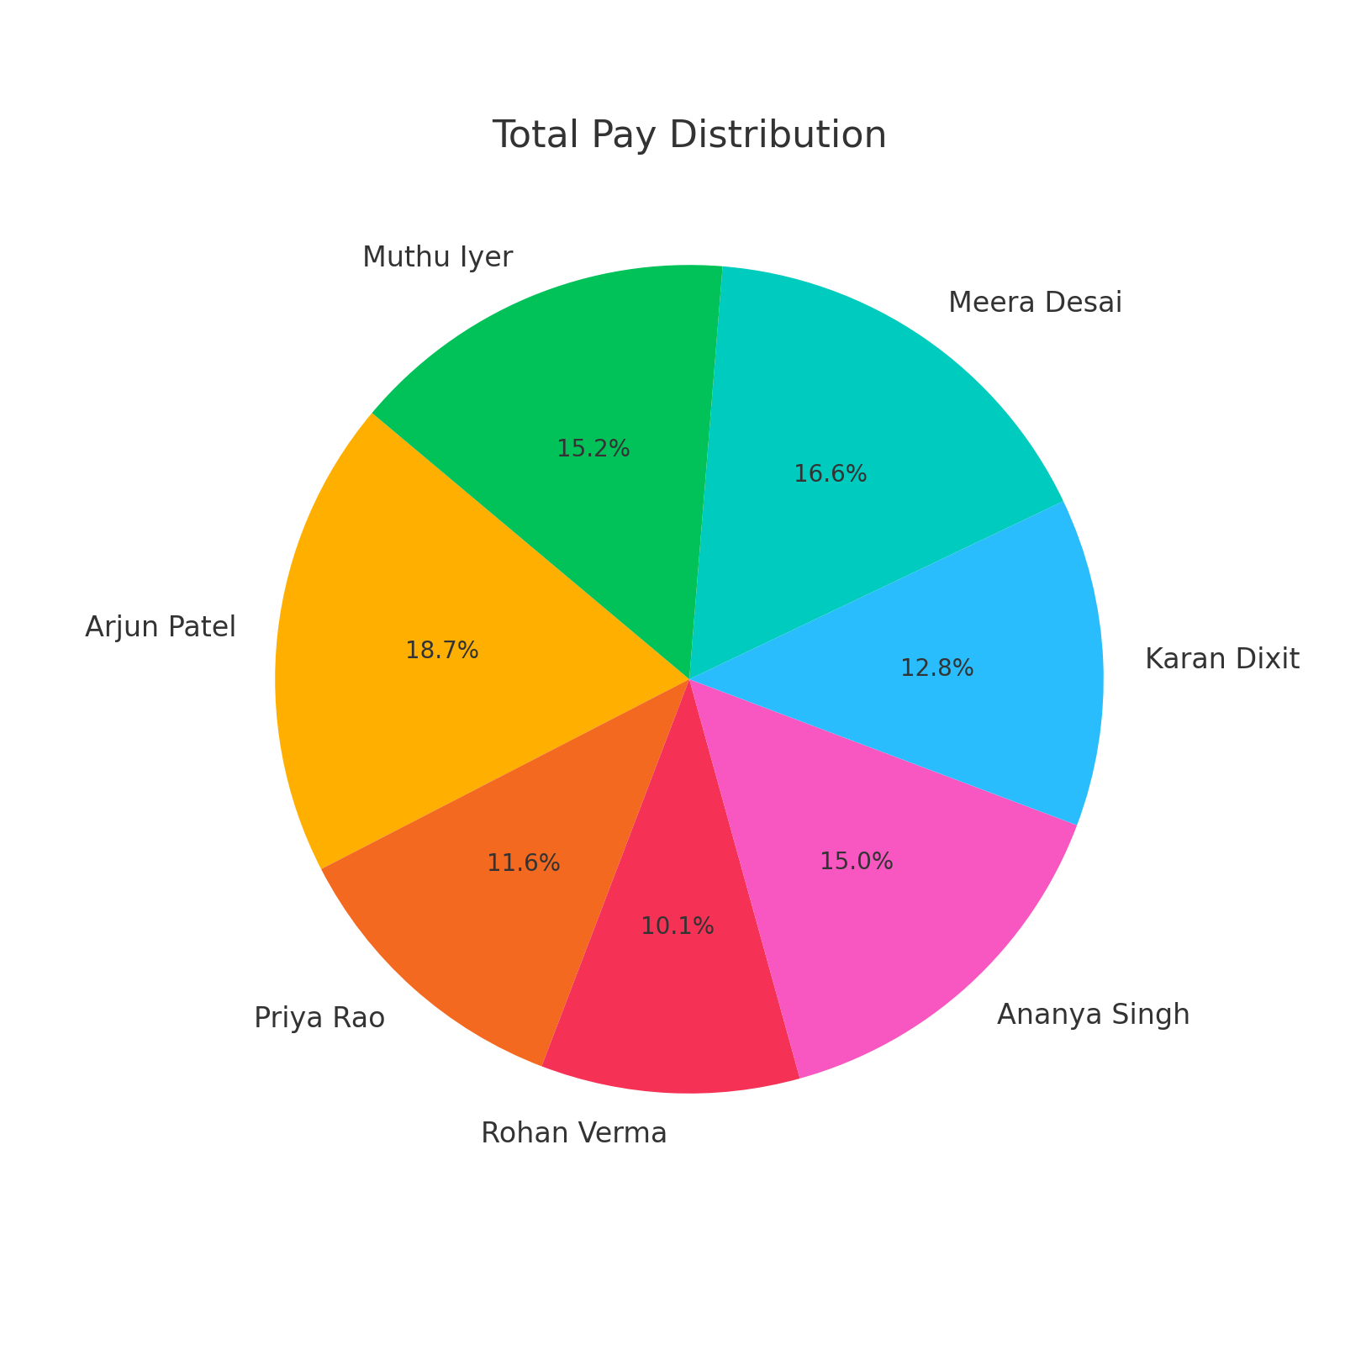
Hourly Pay Bar Graph
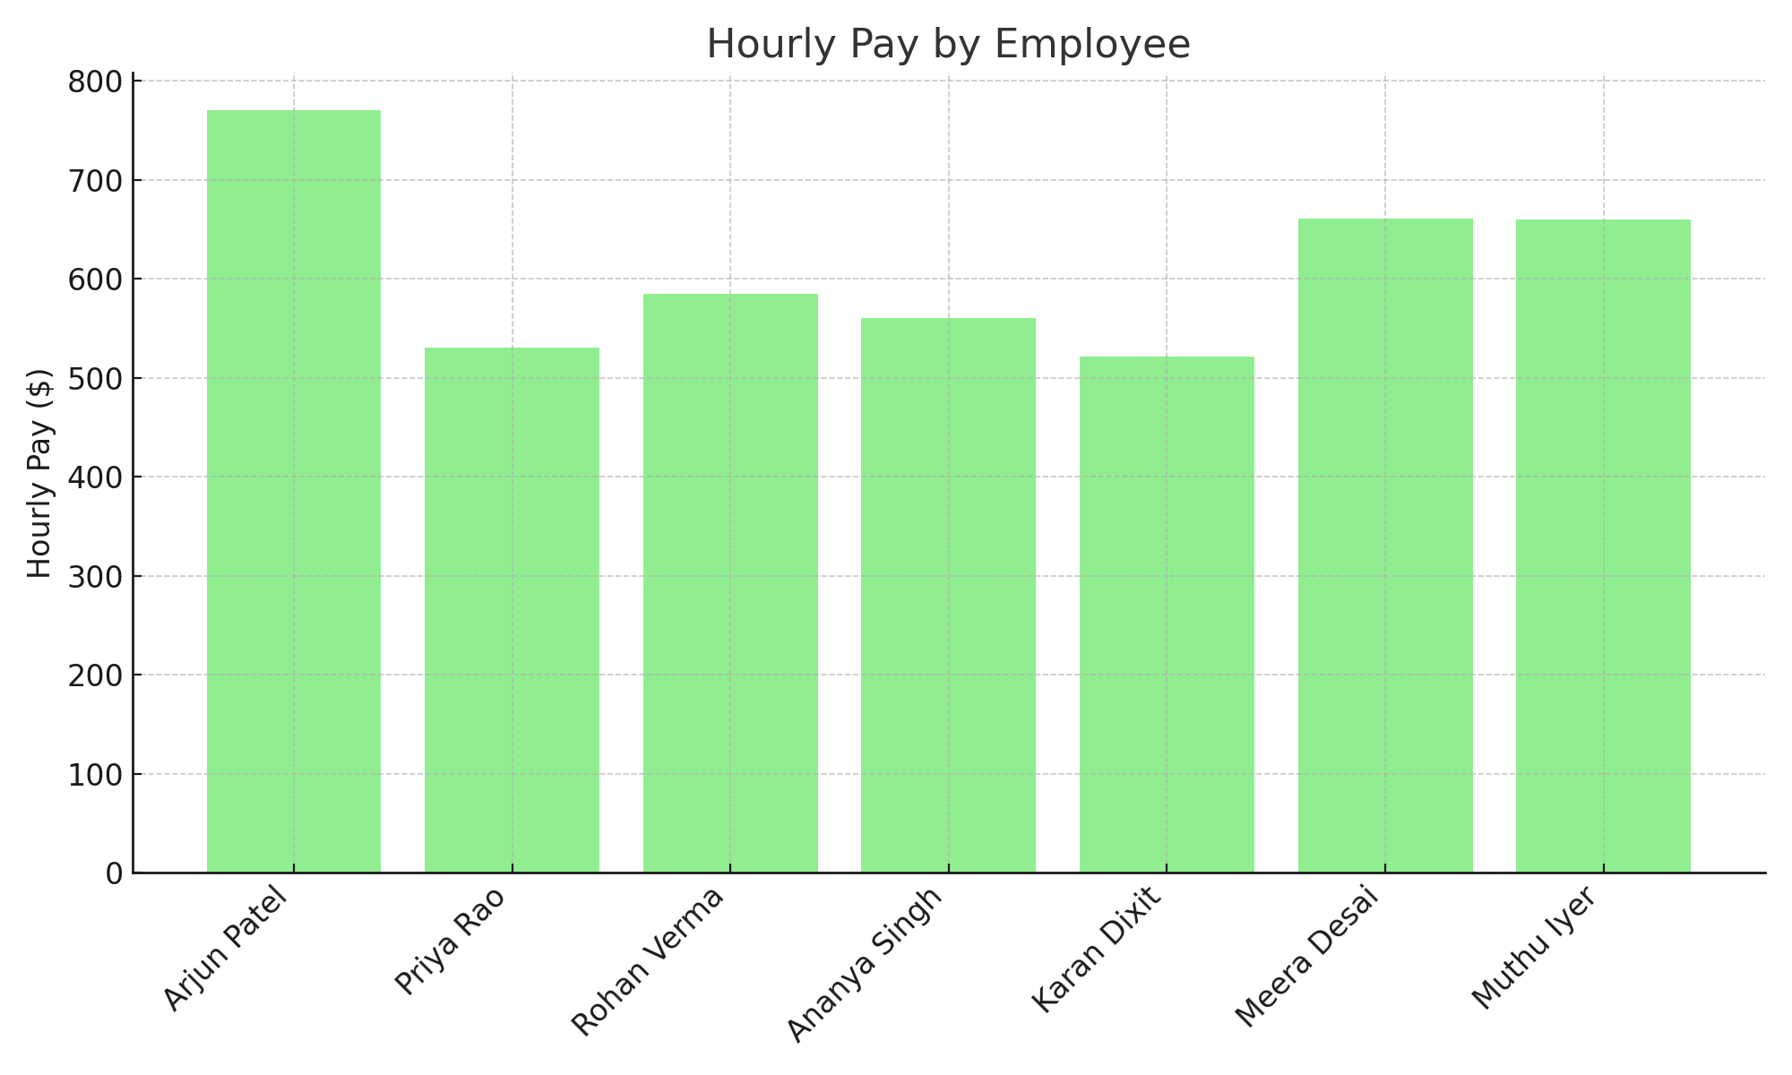

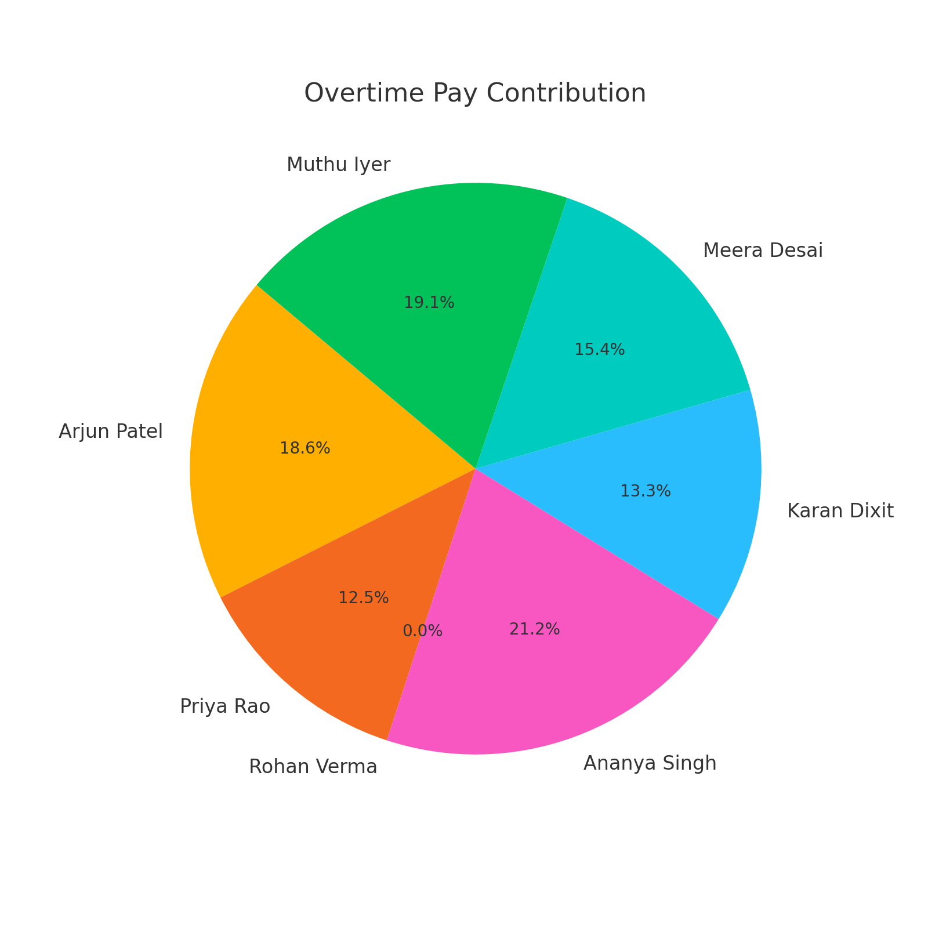
Overtime Pay Pie Chart

Other Earnings Bar Graph
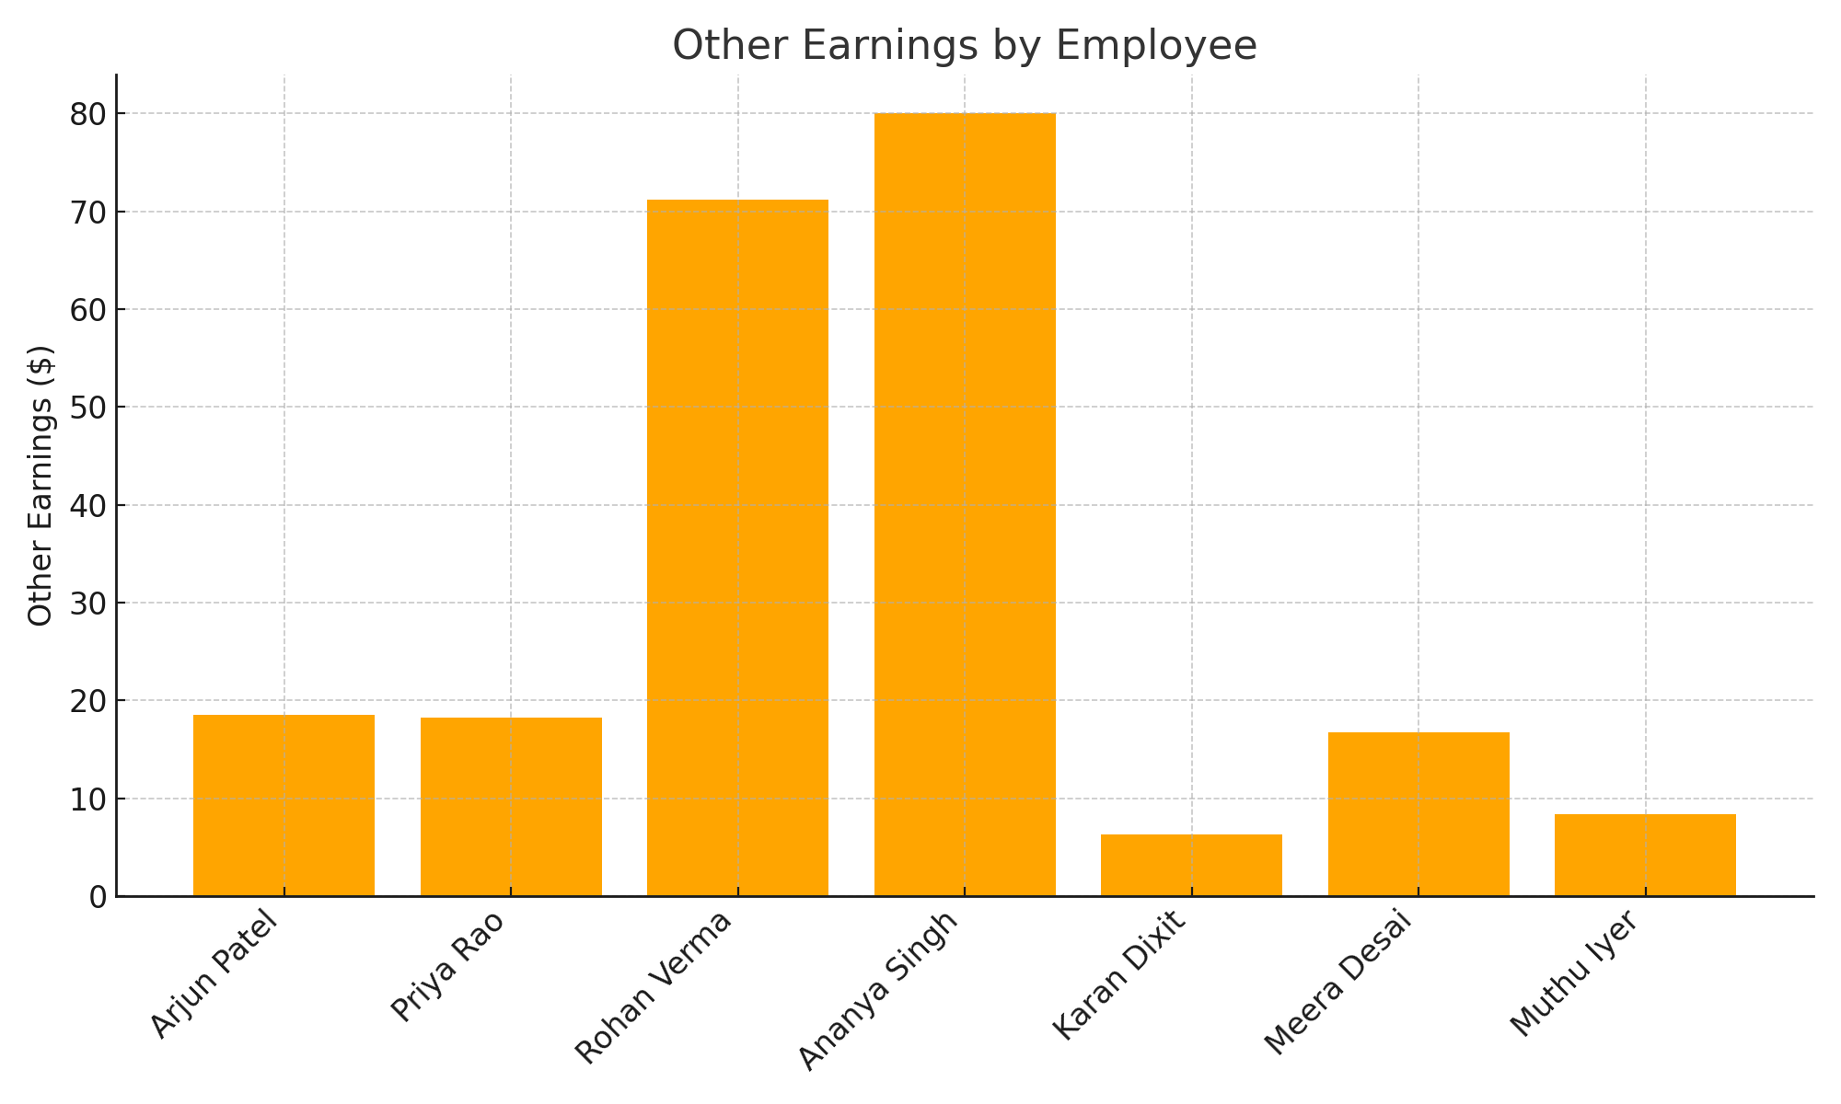

Total Pay Pie Chart

