Defect Report
TICHI APPLICATION — DEFECT REPORT
Reported by: Santhoshkumar M | Version 1.0 | Environment: Staging | Date: 28 June 2026

Defect ID | Title | Module | Severity | Priority | Status | Reported By | Date Reported
DR-001 | Application allows login with invalid email format | Login | High | High | Open | Santhoshkumar M | 28 June 2026

▶ DEFECT DETAIL — DR-001
Defect ID | DR-001
Title | Application allows login with invalid email format
Module / Feature | Login Page
Application URL | https://tichi-app-webapp-stage.web.app (Staging)
Environment | Staging | Browser: Chrome | OS: Windows 11
Date Reported | 28 June 2026
Reported By | Santhoshkumar M
Assigned To | Development Team
Severity | High
Priority | High
Status | Open
Description | The Login page does not validate the email format using custom app-level validation. When a user enters 'userexample' (no @ symbol) or '@example.com' (no local part), only a browser-native HTML5 tooltip appears — no custom inline validation UI is shown. DevTools Console confirms zero app-level validation errors are logged. A correctly implemented system must display a styled inline error message and block the login request at the application level.
Preconditions | 1. Tichi staging app accessible at: https://tichi-app-webapp-stage.web.app 2. Tester is on the Login page. 3. DevTools (F12) open on Console tab to observe app behaviour. 4. No registered account required.
Steps to Reproduce | 1. Navigate to: https://tichi-app-webapp-stage.web.app/login 2. Open DevTools (F12) → Console tab 3. Enter '@example.com' in Email field → Click Continue → Only browser tooltip, no app error 4. Enter 'userexample' in Email field → Click Continue → Same result 5. Console shows ZERO application validation errors
Expected Result | Custom inline error below the Email field: 'Please enter a valid email address.' No login request sent to server. Console logs the validation rejection.
Actual Result | Only browser-native HTML5 tooltip appears. No custom app-level inline validation error component rendered. DevTools Console shows zero app validation errors. App relies entirely on browser built-in HTML5 validation with no application-level fallback.
Impact | • Security Risk: Browser validation bypassable via JS-disabled browsers or direct API calls. • Poor UX: Browser tooltip is unstyled, inconsistent with app's design system. • Inconsistency: Sign Up page has custom inline errors; Login page does not. • Compliance: Custom input validation is a baseline OWASP Authentication Guideline requirement.
Root Cause (Suspected) | No custom JavaScript validation or styled error UI component is triggered on form submit. Field uses HTML5 type='email' (browser-native only) with zero app-level fallback.
Suggested Fix | 1. Add JS validation on submit: /^[^\s@]+@[^\s@]+\.[^\s@]+$/ 2. Render custom inline error: 'Please enter a valid email address.' below Email field. 3. Match error styling to app design system (as seen on Sign Up page). 4. Add server-side email format validation as defense in depth.
Test Data Used | ✗ 'userexample' — no @ symbol → browser tooltip only ✗ '@example.com' — no local part → browser tooltip only ✗ 'user@' — no domain ✗ 'user@.com' — missing domain name ✗ 'user@@domain.com' — double @ symbol
Related Test Case | TC-LG-05 — Login with Invalid Email Format (refer to Test Cases sheet)

▶ ATTACHMENTS — EVIDENCE SCREENSHOTS (DR-001) | 5 Screenshots
📸 Screenshot 1 — Tichi Sign Up Page — Application UI Overview
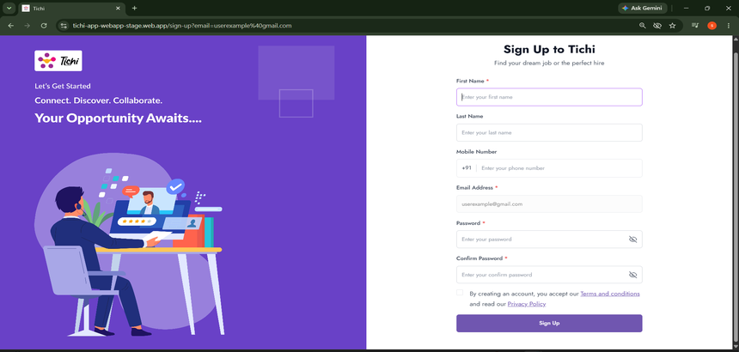

📸 Screenshot 2 — Tichi Login Page — Normal State Before Bug Reproduction

📸 Screenshot 3 ⚠ BUG EVIDENCE — Login with 'userexample' — Browser Tooltip Only, No App Inline Validation
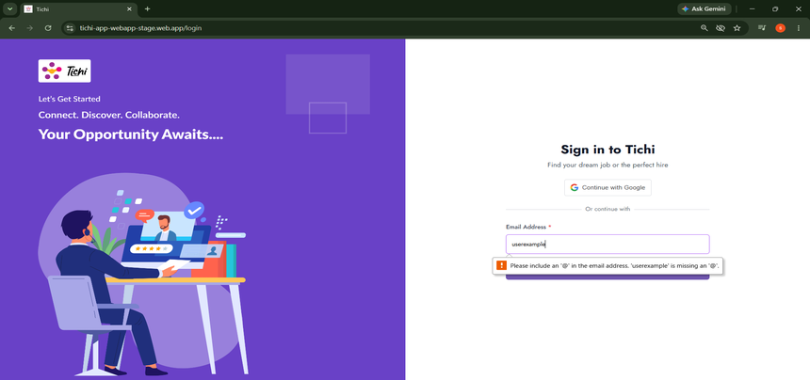

📸 Screenshot 4 ⚠ BUG EVIDENCE — Login with '@example.com' + DevTools Console — No App Validation Error Logged
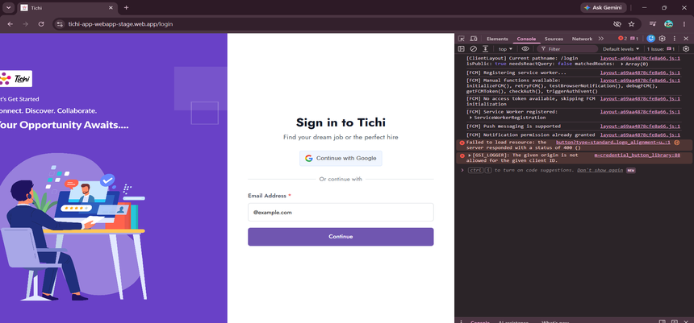

📸 Screenshot 5 ⚠ BUG EVIDENCE — Login with 'userexample' + DevTools Console — Zero App-Level Validation Confirmed
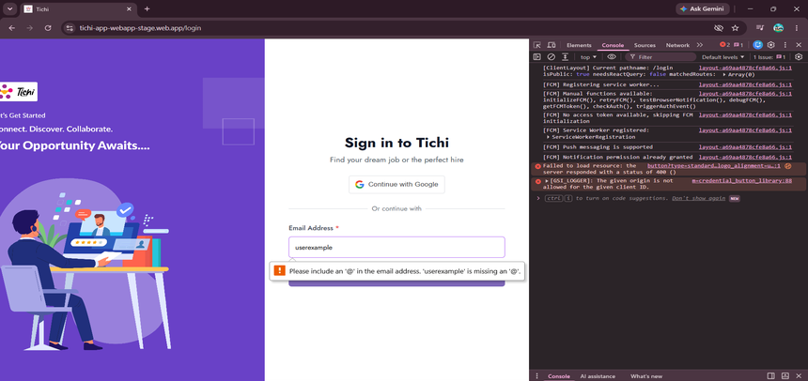

⚠ ANALYSIS: Screenshots 3–5 confirm DR-001. Both 'userexample' and '@example.com' trigger only the browser HTML5 tooltip. DevTools Console (Screenshots 4 & 5) shows ZERO app-level validation errors — proving no custom client-side email validation exists on the Login page.

▶ DEFECT SUMMARY
Total Defects | Critical | High | Medium | Low | Open | In Progress | Closed
1 | 0 | 1 | 0 | 0 | 1 | 0 | 0

