BuildExport
ObjectName = Attachment
ID | URL | FileName | UploadingDate | Author

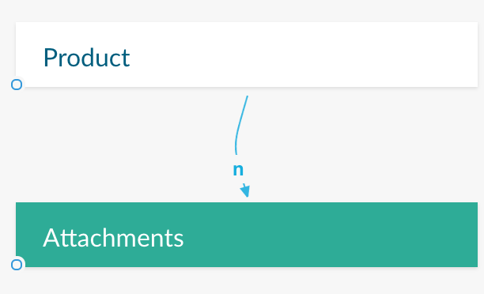
 |  |  |  |  | If the purpose in the prototype is to add some attachments to a particular Object in the Data Model, you must create a Relation (type "n") from this Object to the Attachement Object.

 |  |  |  |  | This Object must be added (manually or imported) to the data model and then bound to the File Uploader control to be able to upload files while running the proprotype. | 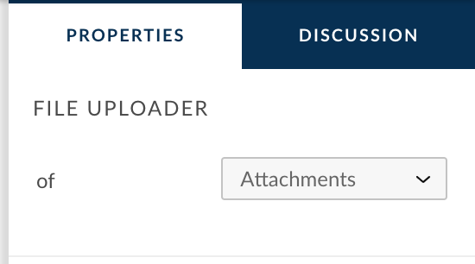

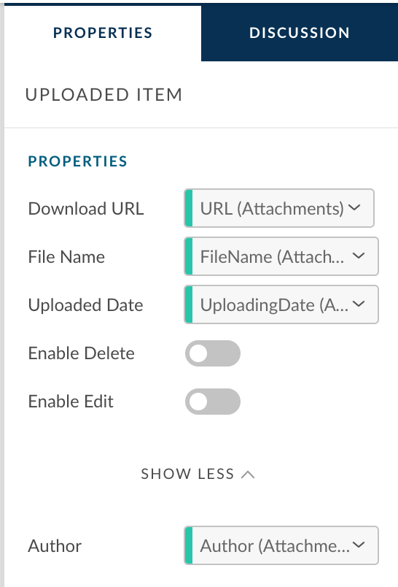
 |  |  |  |  | Depending on what you want to show in the items of the File Uploader control, you must then bind some properties of the Uploaded Item (a child element of the File Uploader control). Bind the property "Download URL" is mandatory to be able to open the attachement while running the prototype.

 |  |  |  |  | Remark: This Object will not be used to store attachements as sample data in the Data Model (no persistency in the sample data) but only leveraged by the system while running the prototype to support the

