Trade Margin_tax
Model: Trade Margin Simulation | Description: Simualte the effects on changes of cost elements onto proudct margins to secure & optimize your mutlimillion $ trade margin |  | What you can do: With our next-generation capabilities you are able to simulate the effects of uncertainties like inflation, energy price and other cost elements onto your product trade margins |  |  | Customer example usage: Customer BestRunSAP has many products and production plants. With BDS they can quickly calculate for their production plant in e.g. brasil the effect of labour, inflation, and energy increase and how much it affects their product margin.

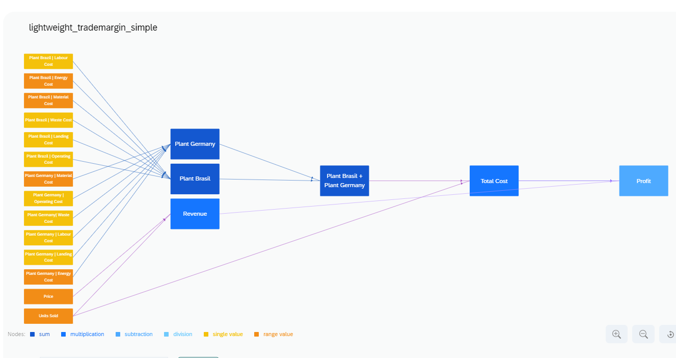
 |  |  |  | Price
 |  |  |  | 60

 |  |  |  |  | Plant Brazil | Energy Cost
 |  | Revenue |  |  | 4
 |  | 6000
 |  |  |  |  | Plant Brazil | Waste Cost
 |  |  |  |  | 1

 |  |  |  | Units Sold | Plant Brazil | Operating Cost
 |  |  |  | 100 | 2
 | Profit
 | 1100 |  |  |  | Plant Brazil | Material Cost
 |  |  |  |  | 3

 |  |  |  | Plant Brasil | Plant Brazil | Labour Cost
 |  |  |  | 13 | 2

 |  |  |  |  | Plant Brazil | Landing Cost
 |  |  |  |  | 1
 |  | Total Cost
 |  | 4900
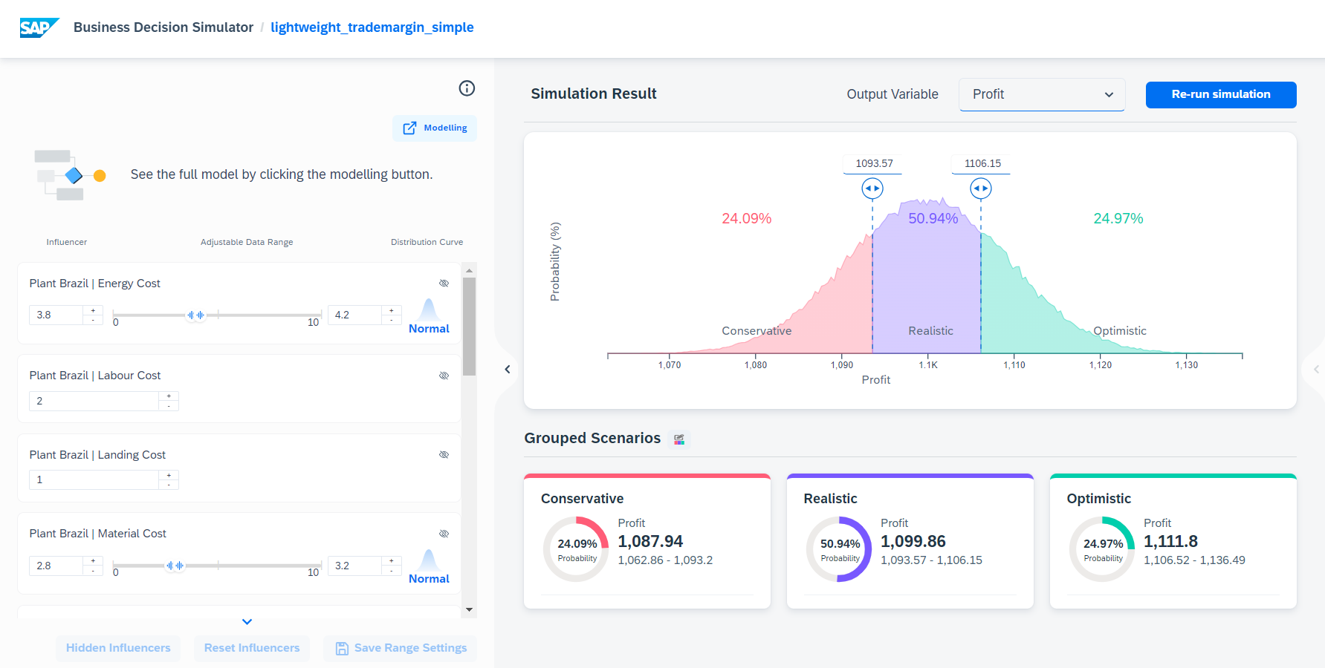
 |  |  |  |  | Plant Germany | Energy Cost
 |  |  |  |  | 12
 |  |  |  | Plant Germany
 |  |  |  | 36 | Plant Germany| Waste Cost
 |  |  |  |  | 2

 |  |  |  |  | Plant Germany | Operating Cost
 |  |  |  |  | 4

 |  |  |  |  | Plant Germany | Material Cost
 |  |  |  |  | 6

 |  |  |  |  | Plant Germany | Labour Cost
 |  |  |  |  | 10

 |  |  |  |  | Plant Germany | Landing Cost
 |  |  |  |  | 2

Demand Forecasting
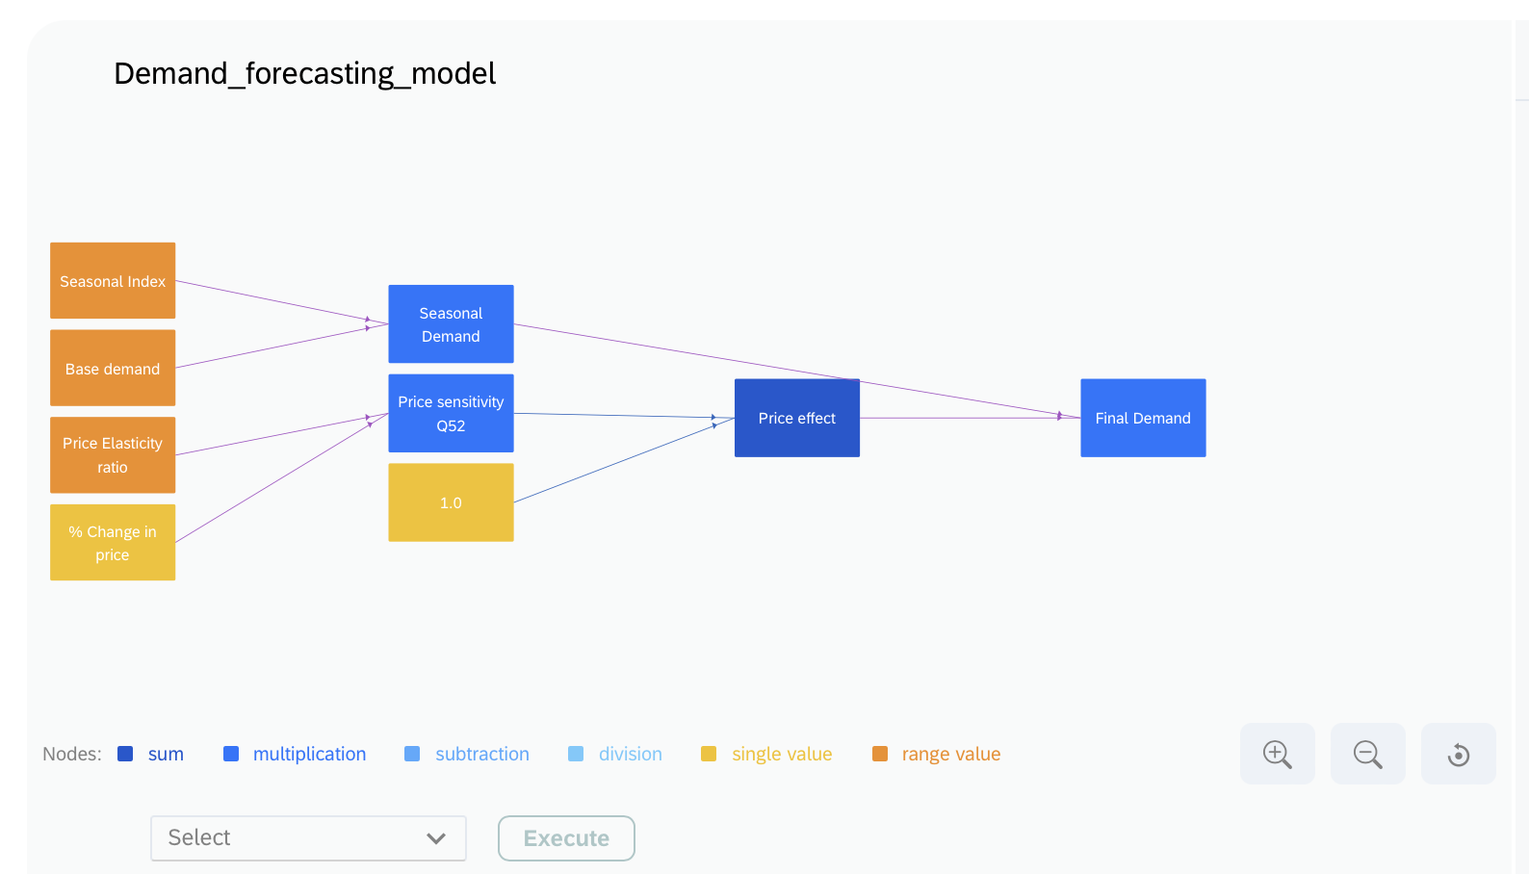
Model: Demand Forecasting Simulation | Description: Simulate the product demand based on price fluctuations and seasonal variations. |  | What you can do: With our next-generation capabilities you are able to simulate the effects of uncertainties like seasonal index and price sensitivity onto the final demand of your product. |  | Customer example usage: Customer RetailEmporium is a large retail chain with multiple stores across different regions. They use demand forecasting models to anticipate product availability and optimize their inventory management. By analyzing historical sales data, current market trends, and external factors such as upcoming promotions or seasonal events, RetailEmporium can predict the demand for each product at specific store locations.

Base demand
10000
 |  | Seasonal Demand
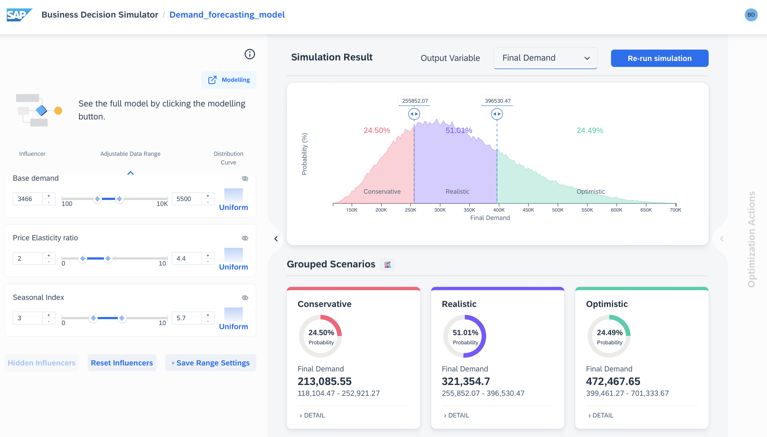
 |  | 30000 |  |  | Final Demand
Seasonal Index |  |  |  |  | 330000
3.00
 |  |  |  | Price effect
 |  |  |  | 11
Price Elasticity ratio
2
 |  | Price sensitivity
 |  | 10
% Change in price
5

Spendconnect
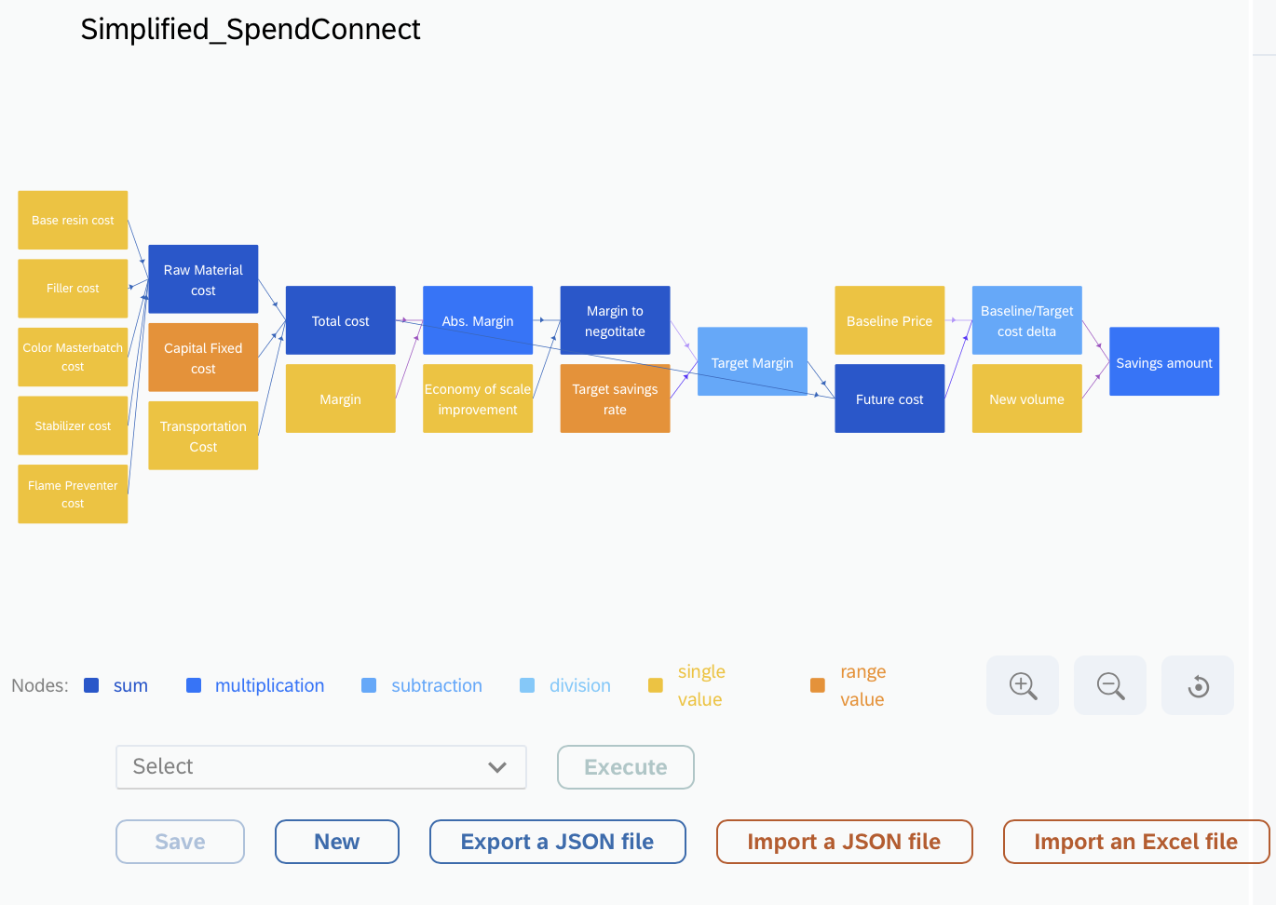
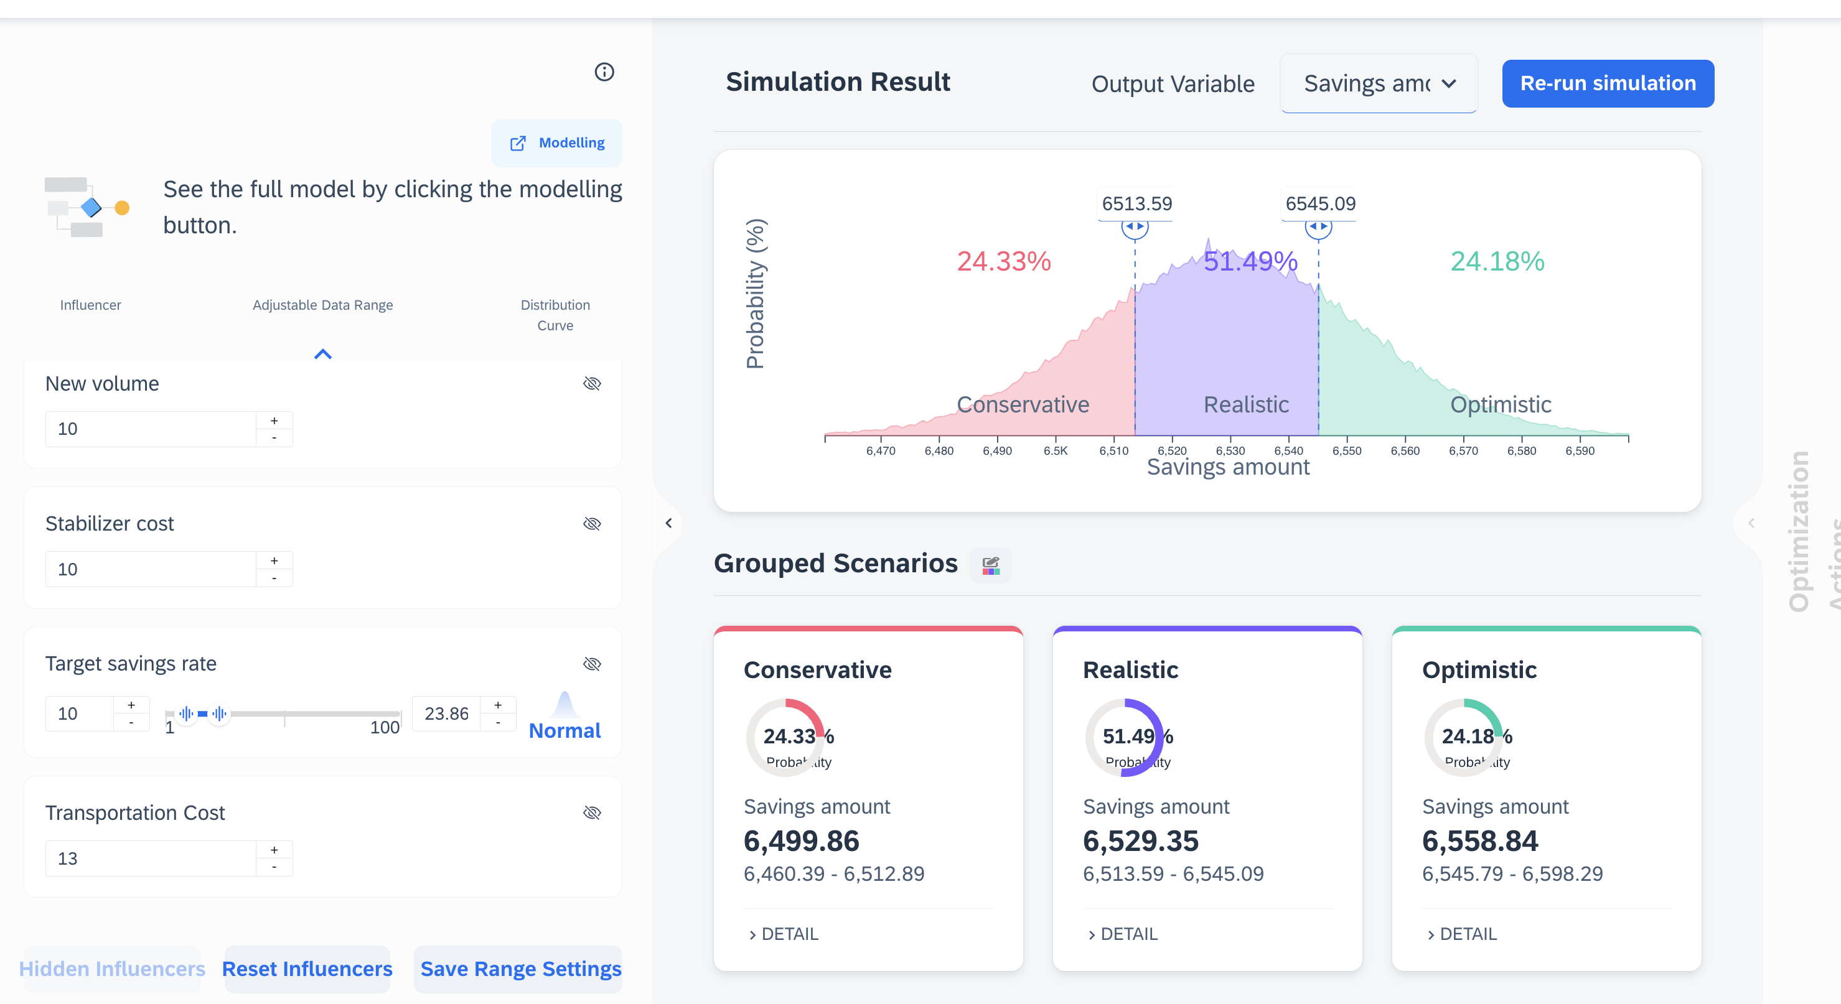
Model: Spendconnect | Description: Assess different sourcing approaches and enhance cost savings within the supply-chain. |  | What you can do: With our next-generation capabilities you are able to simulate the effects of different cost uncertainities to optimise savings in supply chain. |  | Customer example usage: Customer SmartFinance wants to optimize their budget and expenses across multiple departments. With SpendConnect, they can analyze their spending patterns in different regions and departments, identify areas with high costs, and make data-driven decisions to reduce expenses.

 | Stabilizer cost | Capital Fixed cost |  |  |  |  | New volume
 | 10 | 54 |  |  | Target savings rate | Future cost | 10
 |  |  |  |  | 10 | 1354
 |  |  |  | Margin |  |  |  | Savings amount
 | Filler cost |  |  | 10 |  |  |  | 6460
 | 20
 |  |  |  |  | Abs. Margin | Target Margin | Baseline/Target cost delta
 |  |  |  |  | 1140 | 1240 | 646
 | Base resin cost | Raw Material cost |  | Total cost
 | 5 | 47 |  | 114

 | Flame Preventer cost |  |  | Economy of scale improvement | Margin to negotitate | Baseline Price
 | 9 |  |  | 110 | 1250 | 2000

 |  | Transportation Cost
 | Color Masterbatch cost | 13
 | 3

Sustainability model
Model: Sustainability | Description: The model estimates greenhouse gas (GHG) emission costs, considering factors like current price, price growth, current GHG emissions, and potential reduction. It is applicable to diverse CO2 emitters, providing insights on the financial implications of their emissions and potential reductions. |  | What you can do: With this Model, you can calculate the total cost, in euros, for emitting CO2 into the atmosphere within a specified time scope. It also provides valuable insights into the financial implications of CO2 emissions. |  | Customer example usage: Customers can utilize this model to calculate the costs of emitting CO2 in Germany, considering the newly implemented carbon tax on various activities. This enables them to understand the financial impact of their emissions and make informed decisions to manage their carbon footprint effectively.

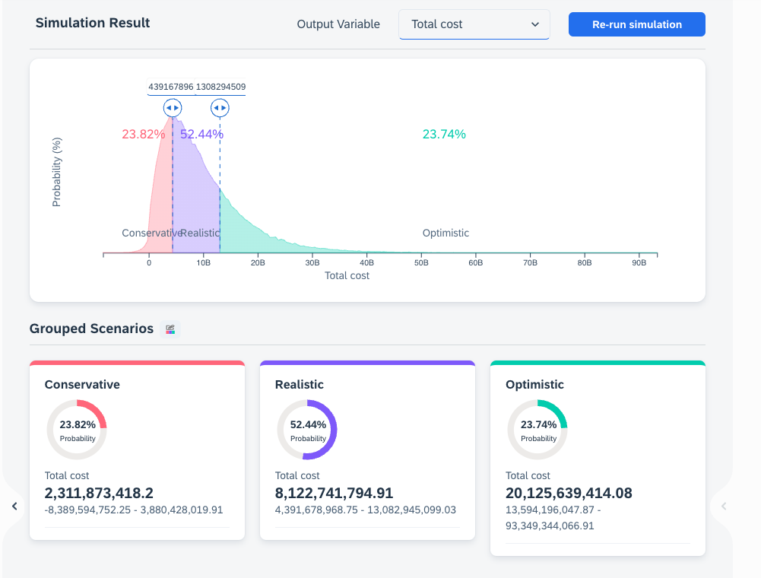

 |  |  |  | Nature-based solutions cost
 |  | Price |  | 194726755349715
 |  | $14.93 |  |  |  | Total cost
 |  |  | New price |  |  | 194726755783927.47
 |  | Price growth | $10.60
 |  | 71% |  |  | Cost per scope
 |  |  |  |  | 434212.47788
 |  | Actual GHG-Emission
 |  | 47246.00 | Assumed GHG-Emission
 |  |  | 40962.282
 |  | Reduction of GHG
 |  | 13%

