main
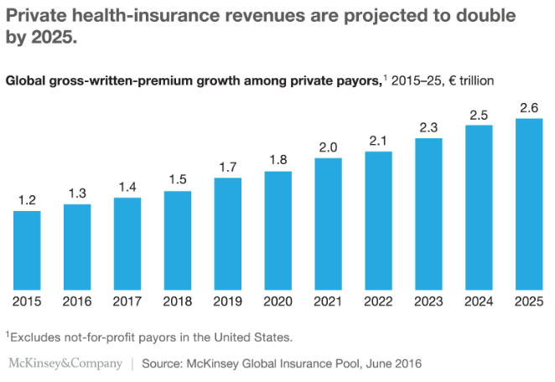
ticket
price | $421.03
shares | 234.959135
mc | $98,924.84
cash | 38895
debt | 24844
ev | $84,873.84

CEO | Gail Boudreaux | more than 3 decades of healthcare expericence, was CEO of UNH from 2011 to 2014
CFO | Mark Kaye | previously served as chief financial officer for Moody’s Corporation

employees | 102300

Info/news:
-Elevance Health offers a comprehensive suite of commercial, Medicare, and Medicaid plans
- owns Anthem, WellPoint and Carelon
-in 2023YTD the Company repurchased 3.8 million shares of its common stock for $1.7 billion
'-Elevance Health’s companies serve approximately 117 million people
-The demand for healthcare services, and hence health insurance, is increasing because of population aging and the growing prevalence of chronic disease, as well as rising incomes in the developing world

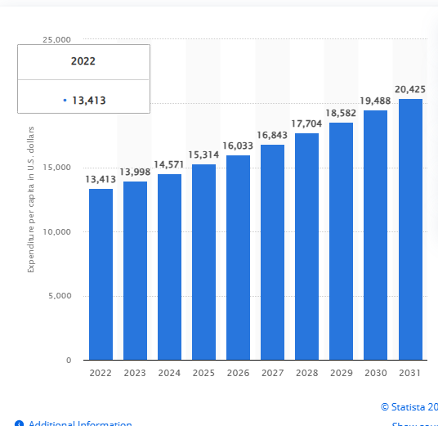
Forecasted national per capita health expenditure in the United States

