Main
ticket
price | $2,095.27
shares | 51
mc | 105,936
cash | 9,215 | Q3 2024
debt | 5,353 | Q3 2024
ev | 102,074 |  |  | EV/FCF | 14.5x

Revenue | Q4 2022 | Q4 2023 | %
Brazil | 1,532 | 2,230 | 52%
Argentina | 713 | 923 | 22%
Mexico | 607 | 919 | 22%
Others | 150 | 189 | 4%
 |  | 4,261

Latin America population->over 650 million people

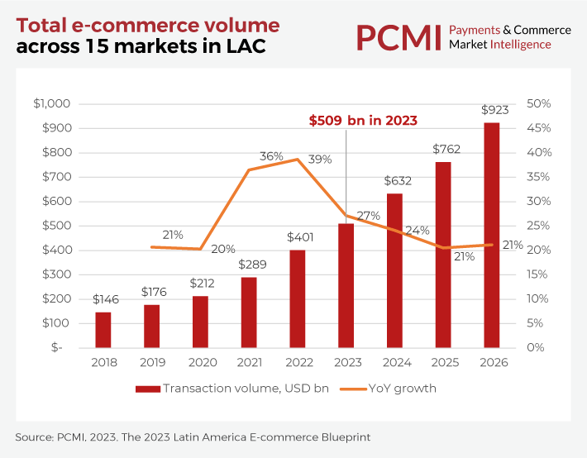
TTM FCF
Q4 2022 | 2,486
Q1 2023 | 3,626
Q2 2023 | 4,116
Q3 2023 | 4,313
Q4 2023 | 4,631
Q1 2024 | 5,225
Q2 2024 | 5,628
Q3 2024 | 6,191

12 aircrafts
700 veículos adquiridos em 2023

Mercado libre e-commerce
Mercado envios logistics
Mercado pago e Mercado Pago Credits
Mercado Ads

