main
 | Founded | 1953 | Ticket
 | Founder | Ivan and Bob Gouin | Price | $28.58
 | CEO | Joe Lambert | Shares | 26.730049
 | HQ | Acheson, Alberta, Canada | MC | 764
 | IPO | 2006 | Cash | 160
 | Industry | Mining and civil construction services | Debt | 784
 | Employees | 3500 | EV | 1,388

News
10/23 - Acquired 100% of MacKellar Group for $179,668M
10/22 - Acquired 100% of ML Nothern Services Ltd for $8,002M
Running to win a big infraestructure in Nothern California, decision expected in late Q4 2024
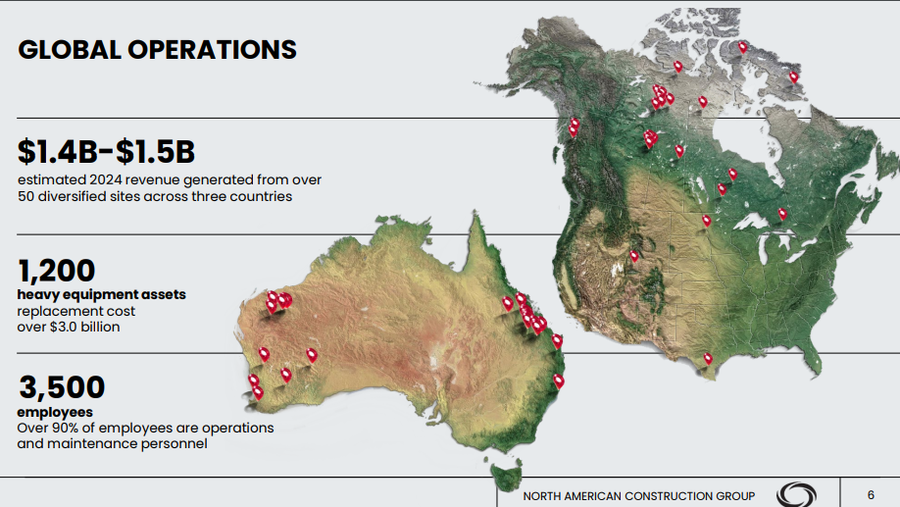

Fleet utilization
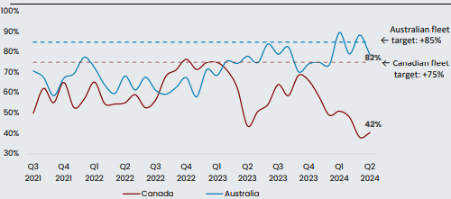

 |  |  |  |  | Q3 Canada fleet utilization expected in the low 60%s

