main
ticket | OXY | Founded | 1920 |  |  | 2023 | 2022 | 2021
price | 56 | Founder | Armand Hammer |  | WTI Oil ($/bbl) | $77.64 | $94.23
shares |  | CEO | Vicki Hollub |  | Brent Oil ($/bbl) | $82.25 | $98.83
mc |  | IPO | 1964, NYSE |  | NYMEX NG ($/Mcf) | $2.94 | $6.35
cash |  | Industry | oil and gas, chemical products
debt |  | Employees | 11,8k |  | Infos/Facts:
ev |  |  |  |  | - 24.5% stake in the Dolphin Pipeline (transports dry natural gas from Qatar to the UAE and Oman)
 |  |  |  |  | -owns all of the 2.3% non-voting general partner interest, 48.8% of the WES limited partner units, and a 2% non-voting limited partner interest in WES Operating, a subsidiary of WES
KPIs |  | Oil Reserves | 3,982 billion barrels |  | -51% share from net income of WES and its subsidiaries ($1480M TTM)
Total spend per barrel |  |  |  |  | -During 2023, Occidental purchased a total of 29.1 million shares for $1800M
Daily production |  |  |  | $238,920.00

Operating areas:
Permian Basin (Texas,US)
DJ Basin (Colorado)
Gulf of Mexico
UAE
Oman
Algeria

Holders:
Berkshire Hathaway Inc 28,19%
Dodge & Cox 8,65%
Carl C. Icahn 8,13%
Vanguard Group Inc 6,19%
State Street Corp 4,63%
BlackRock Inc 4,45%

ONSHORE DOMESTIC ASSETS

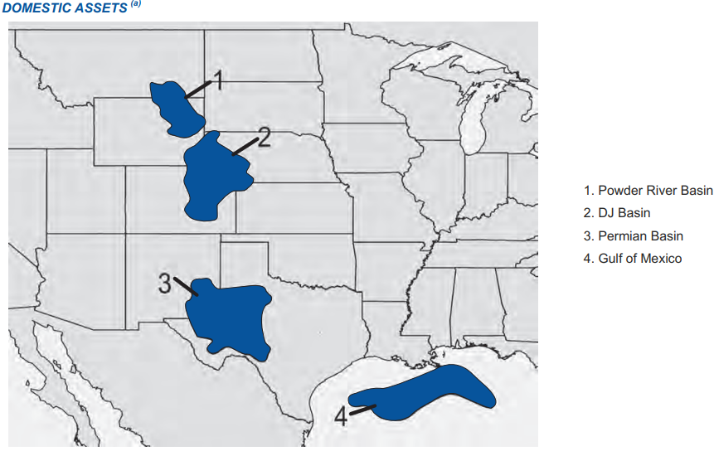
 |  |  |  |  |  | Production | US %
 |  |  |  |  | Permian Basin | 584k boe/d | 45%
 |  |  |  |  | Rockies and others | 281k boe/d

OFFSHORE DOMESTIC ASSETS

Operates:
10 deep-water floating platforms in Golf of Mexico |  |  |  |  | Gulf of Mexico | 145k boe/d
2 marine shore-bases in Galveston, Texas, and Port Fourchon, Louisiana
2 helicopter bases in Louisiana, providing back-up and redundancy to support its Gulf operations

MIDDLE EAST / NORTH AFRICA ASSETS
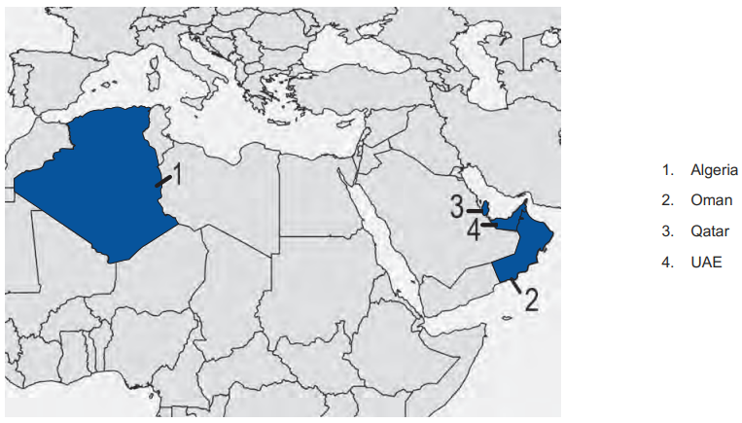
 |  |  |  |  | Algeria | 32k boe/d
 |  |  |  |  | Oman
 |  |  |  |  | Qatar | 39k boe/d
 |  |  |  |  | UAE | 267 MMcf/d of natural gas and 38 Mbbl/d of NGL and condensate

