main
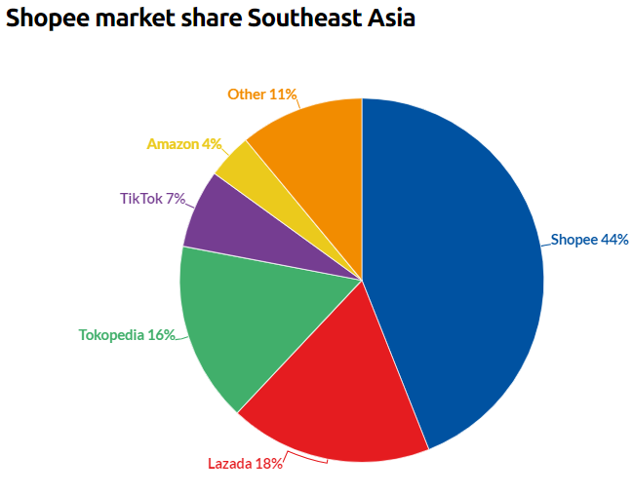
ticket
price | $45.02
shares | 566.76
mc | $25,515.54
cash | 5980
debt | 4610
ev | $24,145.54

CEO : we will prioritize investing in the business to increase our market share and further strengthen our market leadership
SeaMoney is a leading digital payments and financial services provider in Southeast Asia.
Shopee is the leading e-commerce platform in Southeast Asia and Taiwan.

Revenue by sector
 | Digital Entertainment | E-commerce | Sales of Goods
Q1 2022 | 1,135 | 1,500 | 265
Q2 2022 | 900 | 1,756 | 287
Q3 2022 | 893 | 1,977 | 286
Q4 2022 | 949 | 2,231 | 272
Q1 2023 | 540 | 2,260 | 242
Q2 2023 | 529 | 2,322 | 244
Q3 2023 | 592 | 2,417 | 301
Q4 2023 | 598 | 2,789 | 285

