Register
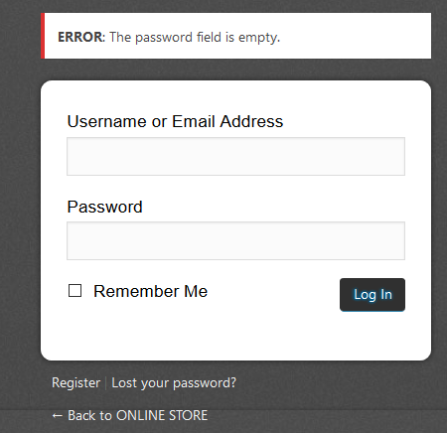
Testing Sore.demoqa.com Register Functionality missing CONFIRM PASSWORD
Test Case ID | Test Title | Description | Test Case Steps | Expected Result | Actual Result | Status
MTC01 | Store.demoqa .com missing CONFIRM PASSWORD | Testing Register functionality of Store.demoqa | 1. Open www.store.demoqa.com on webbrowser. | store.demoqa.com home page Is opend. | store.demoqa.com home page Is opend. | Pass
 |  |  | 2. Type Valid username in section and valid email.
 |  |  | 3. Missing CONFIRM PASSWORD | Missing CONFIRM PASSWORD | Missing CONFIRM PASSWORD
 |  |  | 4.Click Register | Sends a confirmation email | Sends a confirmation email

Testing Sore.demoqa.com Register Functionality email without @
Test Case ID | Test Title | Description | Test Case Steps | Expected Result | Actual Result | Status
MTC02 | Store.demoqa .com -without @ | Testing Register functionality of Store.demoqa | 1. Open www.store.demoqa.com on webbrowser. | store.demoqa.com home page Is opend. | store.demoqa.com home page Is opend. | Pass
 |  |  | 2. Type Valid username in section and email withot@.
 |  |  | 3.Click Register | ERROR: The email address isn’t correct. | ERROR: The email address isn’t correct. | Pass
 |  |  |  |  |  | Pass

 |  |  |  |  |  | Pass

Testing Sore.demoqa.com Register Functionality email without .
Test Case ID | Test Title | Description | Test Case Steps | Expected Result | Actual Result | Status
MTC03 | Store.demoqa .com -without . | Testing Register functionality of Store.demoqa | 1. Open www.store.demoqa.com on webbrowser. | store.demoqa.com home page Is opend. | store.demoqa.com home page Is opend. | Pass
 |  |  | 2. Type Valid username in section and email withot.
 |  |  | 3.Click Register | ERROR: The email address isn’t correct. | ERROR: The email address isn’t correct. | Pass
 |  |  |  |  |  | Pass

 |  |  |  |  |  | Pass

Testing Sore.demoqa.com Register Functionality email without username
Test Case ID | Test Title | Description | Test Case Steps | Expected Result | Actual Result | Status
MTC04 | Store.demoqa .com -without username. | Testing Register functionality of Store.demoqa | 1. Open www.store.demoqa.com on webbrowser. | store.demoqa.com home page Is opend. | store.demoqa.com home page Is opend. | Pass
 |  |  | 2. Type without username in section and email withot.
 |  |  | 3.Click Register | ERROR: The email address isn’t correct. | ERROR: The email address isn’t correct. | Pass

 |  |  |  |  |  | Pass

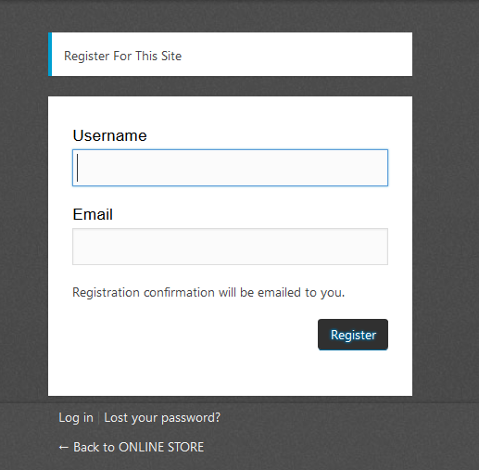
Testing Sore.demoqa.com Register Functionality email without email
Test Case ID | Test Title | Description | Test Case Steps | Expected Result | Actual Result | Status
MTC05 | Store.demoqa .com -without email. | Testing Register functionality of Store.demoqa | 1. Open www.store.demoqa.com on webbrowser. | store.demoqa.com home page Is opend. | store.demoqa.com home page Is opend. | Pass
 |  |  | 2. Type valid username in section and without email.
 |  |  | 3.Click Register | ERROR: The email address isn’t correct. | ERROR: The email address isn’t correct. | Pass

 |  |  |  |  |  | Pass

Testing Sore.demoqa.com Register Functionality on Lost your password
Test Case ID | Test Title | Description | Test Case Steps | Expected Result | Actual Result | Status
MTC05 | Store.demoqa .com -Lost your password | Testing Register functionality of Store.demoqa | 1. Open www.store.demoqa.com on webbrowser. | store.demoqa.com home page Is opend. | store.demoqa.com home page Is opend. | Pass
 |  |  | 2. Click on Lost your password
 |  |  | 3.Type valid email |  |  | Pass
 |  |  | 4.Click on Get New Password | Sending email for change password. | retune to Login form

Purchase Functionality
Testing Sore.demoqa.com Purchase Functionality with Quantity
Test Case ID | Test Title | Description | Test Case Steps | Expected Result | Actual Result | Status
MTC01 | Select Quantity | Testing purchase functionality of Store.demoqa | 1. Open www.store.demoqa.com on webbrowser. | store.demoqa.com home page Is opend. | store.demoqa.com home page Is opend. | Pass
 |  |  | 2. Select product | Open page with select product. | Open page with select product. | Pass
 |  |  | 3. Click on Add To Cart
 |  |  | 4.Click on Checkout | Open window with Add To Cart product/s. | Open window with Add To Cart product/s. | Pass
 |  |  | 5. Choose a quantity in the box
 |  |  | 6. Click Update | changing quantity | changing quantity | Pass

Testing Sore.demoqa.com Purchase Functionality with correctly filled in mandatory fields
Test Case ID | Test Title | Description | Test Case Steps | Expected Result | Actual Result | Status
MTC02 | The mandatory fields | Testing purchase functionality of Store.demoqa | 1. Open www.store.demoqa.com on webbrowser. | store.demoqa.com home page Is opend. | store.demoqa.com home page Is opend. | Pass
 |  |  | 2. Click on All Product | Open page with product | Open page with product | Pass
 |  |  | 3. Click on Add To Cart.
 |  |  | 4. Click on Checkout. | Open window with Add To Cart product/s-“Your cart” | Open window with Add To Cart product/s | Pass
 |  |  | 5.Click on Continue. | leads to “Info” section | leads to “Info” section | Pass
 |  |  | 6.fill in required fields | input of necessary information | input of necessary information | Pass

Testing Sore.demoqa.com Purchase Functionality without Fill in mandatory fields
Test Case ID | Test Title | Description | Test Case Steps | Expected Result | Actual Result | Status
MTC03 | The mandatory fields | Testing purchase functionality of Store.demoqa | 1. Open www.store.demoqa.com on webbrowser. | store.demoqa.com home page Is opend. | store.demoqa.com home page Is opend. | Pass
 |  |  | 2. Click on All Product | Open page with product | Open page with product | Pass
 |  |  | 3. Click on Add To Cart.
 |  |  | 4. Click on Checkout. | Open window with Add To Cart product/s-“Your cart” | Open window with Add To Cart product/s | Pass
 |  |  | 5.Click on Continue. | leads to “Info” section | leads to “Info” section | Pass
 |  |  | 6.fill in mandatory fields whithout city and phone | return to a second step-info | return to a second step-info | Pass

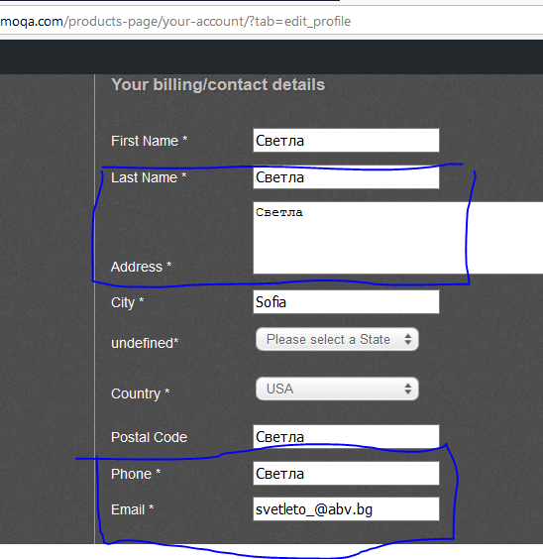
Testing Sore.demoqa.com Purchase Functionality filled in mandatory fields whit incorecctly information
Test Case ID | Test Title | Description | Test Case Steps | Expected Result | Actual Result | Status
MTC04 | The mandatory fields | Testing purchase functionality of Store.demoqa | 1. Open www.store.demoqa.com on webbrowser. | store.demoqa.com home page Is opend. | store.demoqa.com home page Is opend. | Pass
 |  |  | 2. Click on All Product | Open page with product | Open page with product | Pass
 |  |  | 3. Click on Add To Cart.
 |  |  | 4. Click on Checkout. | Open window with Add To Cart product/s-“Your cart” | Open window with Add To Cart product/s | Pass
 |  |  | 5.Click on Continue. | leads to “Info” section | leads to “Info” section | Pass
 |  |  | 6.fill in mandatory fields whith incorecctly information | unsuccessful purchase | successful purchase


      
      
      

