Sheet1
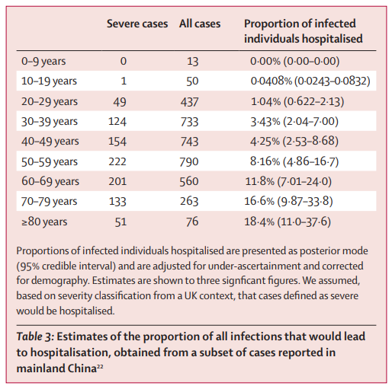

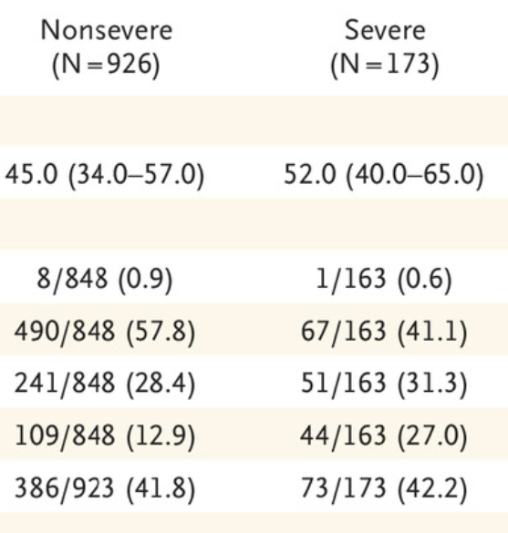

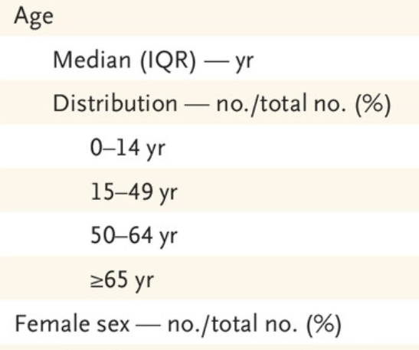

 |  |  |  | Non-Severe | Severe
 |  |  | ICU|Severity | 2.4 | 19.1

Age group | # Non-Severe | # Severe | Severe|Age | ICU|~Severe,Age | ICU|Severe,A
0-14 | 8 | 1 | 0.11111111111 | 0.192 | 0.191
15-49 | 490 | 67 | 0.12028725314 | 11.76 | 12.797
50-64 | 241 | 51 | 0.17465753425 | 5.784 | 9.741
65+ | 109 | 44 | 0.28758169935 | 2.616 | 8.404

 |  | Validation on total ICU % |  |  | 0.050924826904

