TS Schematics
Status | OK
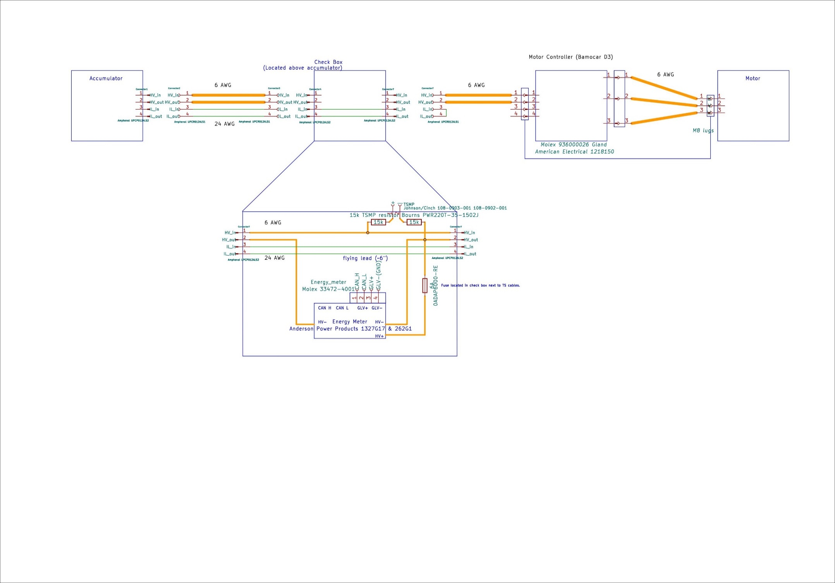 Tractive System Schematic |  |  |  |  | 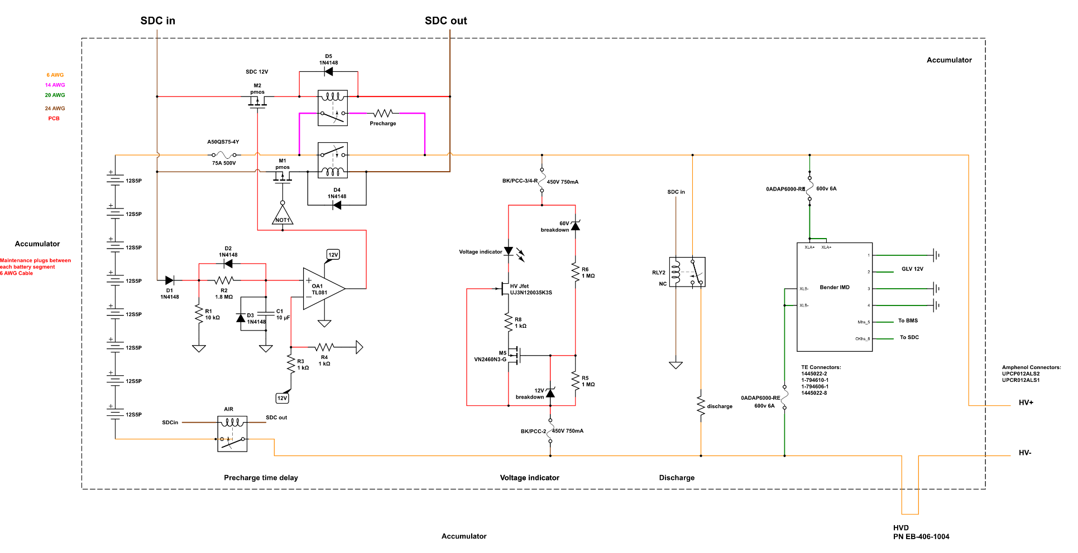 Accumulator TS Schematic |  |  |  | Additional Comments

Vehicle Tractive System Schematic Shows |  |  |  | OK | Accumulator TS Schematic Shows |  |  | OK
Rules References |  |  |  |  | Rules References
 |  | Shows details of all TS circuits outside of accumulator | TRUE | OK |  | Details of all TS circuits within accumulator | TRUE | OK
 |  | Accumulator is shown as a single element (without internal details) | TRUE | OK |  | All wire gauges labeled | TRUE | OK
 |  | All wire gauges labeled | TRUE | OK |  | All fuses labeled with ampacity | TRUE | OK
 |  | All fuses labeled with ampacity | TRUE | OK |  | All wires > 150mm have a fuse within the first 150mm from the source | TRUE | OK
 |  | All wires > 150mm have a fuse within the first 150mm from the source | TRUE | OK |  | Fuse locations represent physical location | TRUE | OK
 |  | Fuse locations represent physical location | TRUE | OK |  | Connectors labeled with Make/Model | TRUE | OK
 |  | Enclosures shown | TRUE | OK |  | Standard schematic symbols used | TRUE | OK
 |  | Connectors labeled with Make/Model | TRUE | OK |  | All text is readable (zooming is allowed) | TRUE | OK
 |  | Standard schematic symbols used | TRUE | OK | EV.6.4 | AIRs | TRUE | OK
 |  | All text is readable (zooming is allowed) | TRUE | OK | EV.6.3 | Maintenance plugs | TRUE | OK
EV.6.8 |  | TSMPs | TRUE | OK |  | Cells (details of all intercell connections may be abstracted) | TRUE | OK
 |  | Motor Controller | TRUE | OK |  | Accumulator Indicator | TRUE | OK
 |  | Motor | TRUE | OK
EV.6.8.5 |  | TSMPs not fused | TRUE | OK

Must be shown on at least one schematic |  |  |  | OK
Rules References
EV.8.6 |  | IMD | TRUE | OK
EV.6.5 |  | HVD | TRUE | OK
EV.6.6 |  | Precharge | TRUE | OK
EV.6.6 |  | Discharge | TRUE | OK
EV.4.2.3; EV.6.1.3 |  | Energy Meter | TRUE | OK
EV.6.6.1.c |  | Precharge is not fused | TRUE | OK
EV.6.6.1.c |  | Discharge is not fused | TRUE | OK

Accumulator
Status | BLANK

Segment-to-Segment Connection |  |  |  | Series |  | OK
Maximum TS Voltage |  |  |  | 403.2 | V | OK
Nominal TS Voltage |  |  |  | 345.6 | V
Total Cells |  |  |  | 480

Segment Data |  |  |  |  |  |  |  |  | OK | BMS |  |  |  |  | OK | Maintenance Plugs |  |  |  | BLANK | Insulating Materials |  |  |  |  | OK | Additional Comments
Cell Connection Order |  |  | Series then Parallel |  |  |  |  |  | OK | BMS Type |  |  | Centralized |  | OK | Connector |  |  |  | BLANK | Between cells and accum. container |  |  | DuPont 845 |  | OK
Segment | Parallel cells | Series cells | Temp Sensors | Accumulator Number | Max Voltage [V] |  | Segment Energy [MJ] |  |  | BMS Source |  |  | Purchased |  | OK | Ampacity |  | #N/A | A | BLANK | Voltage Rating |  |  | 8250 | V | OK
 |  |  |  |  |  |  |  |  |  | Make | Orion | Model | BMS 2 |  | OK | Segment Fuse |  |  |  |  | Temperature Rating |  |  | 400 | C | OK
1 | 5 | 12 | 12 | 1 | 50.4 |  | 2.830464 |  | OK | Galvanic Isolation TS to GLV |  |  | 2500 | V | OK | Segment Fuse Ampacity |  | #N/A | A |  | On top of cells |  |  | DuPont 845 |  | OK
2 | 5 | 12 | 12 | 1 | 50.4 |  | 2.830464 |  | OK | Galvanic Isolation between segments |  |  | 2500 | V | OK | AIR |  |  |  |  | Voltage Rating |  |  | 8250 | V | OK
3 | 5 | 12 | 12 | 1 | 50.4 |  | 2.830464 |  | OK | Galvanic Isolation device |  |  |  |  |  | Make/Model |  | Gigavac GV241BAB |  | OK | Temperature Rating |  |  | 400 | C | OK
4 | 5 | 12 | 12 | 1 | 50.4 |  | 2.830464 |  | OK | Gavlanic Isolation device datasheet |  |  |  |  |  | Contact Voltage Rating |  | 800 | V | OK | Separating AIR and Fuse from cells |  |  | DuPont 845 |  | OK
5 | 5 | 12 | 12 | 1 | 50.4 |  | 2.830464 |  | OK | Voltage Sense Leads |  |  |  |  |  | Max switching current |  | 900 | A |  | Voltage Rating |  |  | 8250 | V | OK
6 | 5 | 12 | 12 | 1 | 50.4 |  | 2.830464 |  | OK | Max Sense Lead Length |  |  | 60 | cm | OK | Max continuous current |  | 325 | A | OK | Temperature Rating |  |  | 400 | C | OK
7 | 5 | 12 | 12 | 1 | 50.4 |  | 2.830464 |  | OK | Sense Lead Overcurrent Protection Device |  |  | Eaton - Electronic Division BK/PCC-3/4-R |  | OK | Main Fuse
8 | 5 | 12 | 12 | 1 | 50.4 |  | 2.830464 |  | OK | Overcurrent Location |  |  | Other |  | OK | Main Fuse |  | Mersen Semiconductor A50QS75-4Y |  | OK
9 |  |  |  |  | 0 |  | 0 |  |  | Overcurrent Other Location |  |  | Internal to BMS(secondary) and outside of BMS (primary) |  | OK | Main fuse ampacity |  | 75 | A
10 |  |  |  |  | 0 |  | 0 |  |  | Overcurrent Voltage Rating |  |  | 450 |  | OK | Main fuse voltage |  | 500 | V | OK
11 |  |  |  |  | 0 |  | 0 |  |  | Temperature Sensors
12 |  |  |  |  | 0 |  | 0 |  |  | Temp Sensor Location |  |  | On cell terminal |  | OK
13 |  |  |  |  | 0 |  | 0 |  |  | Distance to cell terminal |  |  |  | mm
14 |  |  |  |  | 0 |  | 0 |  |  | Cells sensed per sensor |  |  | 5 | cells | OK
15 |  |  |  |  | 0 |  | 0 |  |  | Thermal Contact material used
16 |  |  |  |  | 0 |  | 0 |  |  | Thermal contact material datasheet
17 |  |  |  |  | 0 |  | 0 |  |  | Thermal contact material conductivity |  |  |  | W/(m∙K)
18 |  |  |  |  | 0 |  | 0 |  |  | Thermal contact material thickness |  |  |  | mm
 |  |  |  |  |  |  |  |  |  | Percent of cells sensed |  |  | 100 | % | OK

Nomex 410
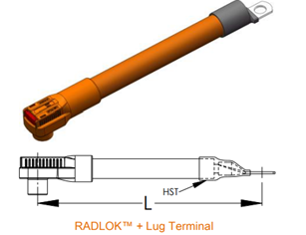 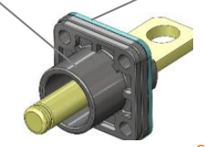 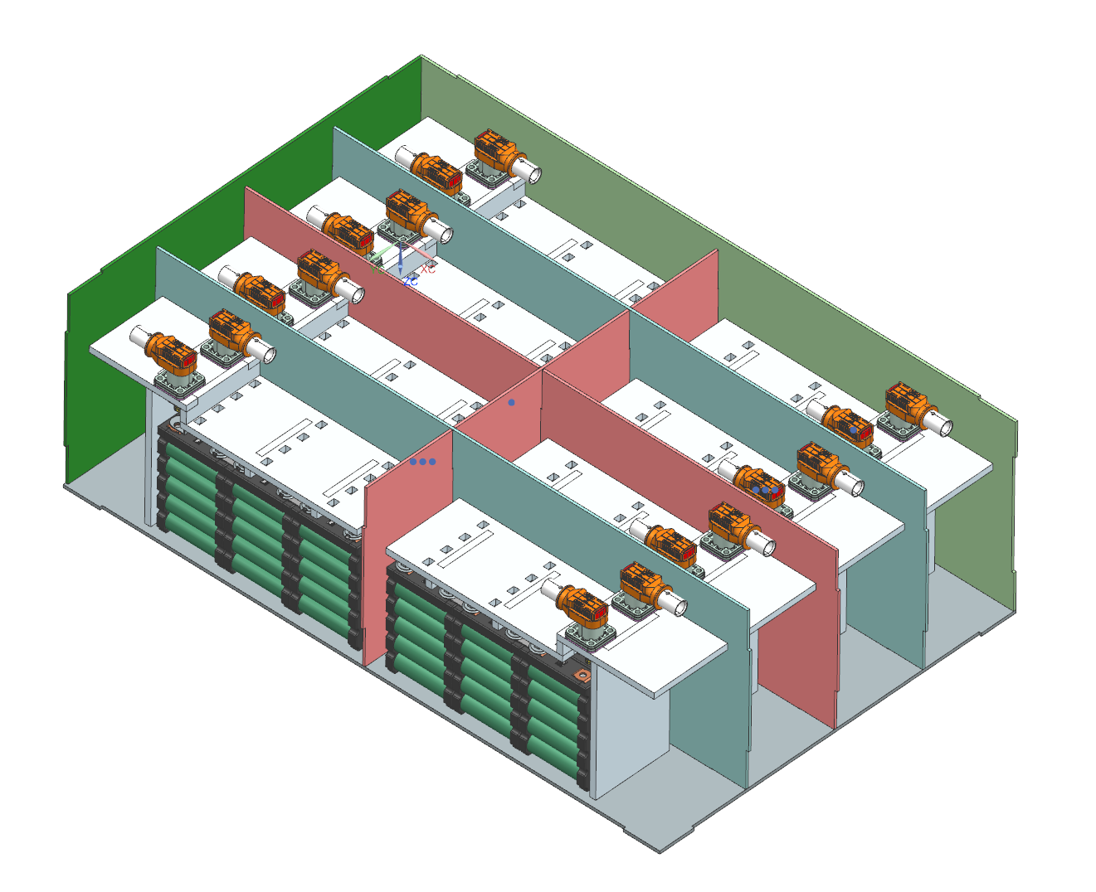 Picture of Maintenance Plugs |  |  |  |  |  |  |  |  | 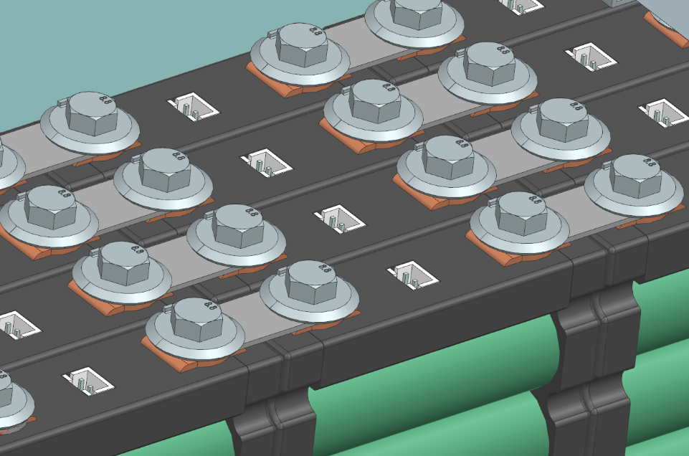 Picture of Cell Connections |  |  |  |  |  |  |  | 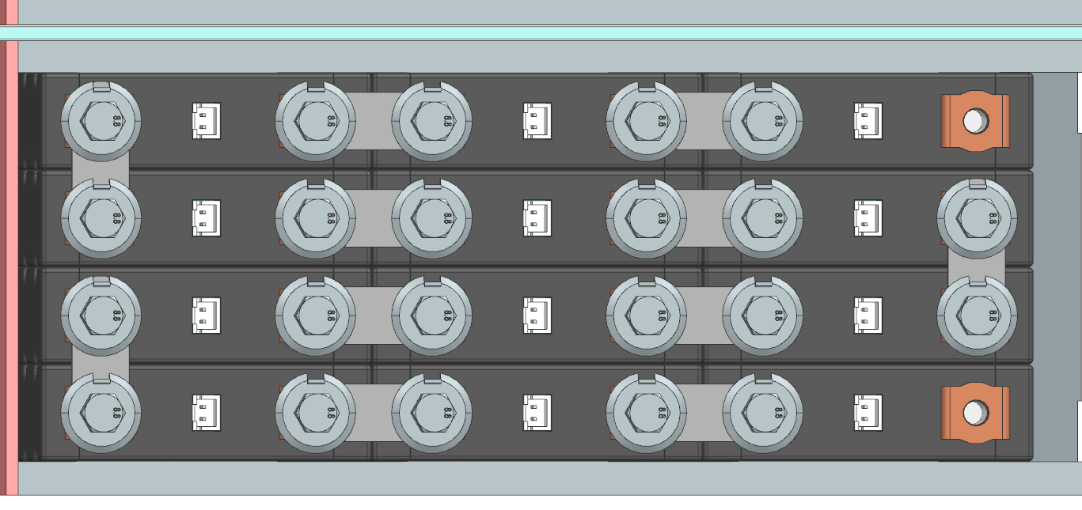 Picture of Temperature Sensor Location |  |  |  |  |  |  | 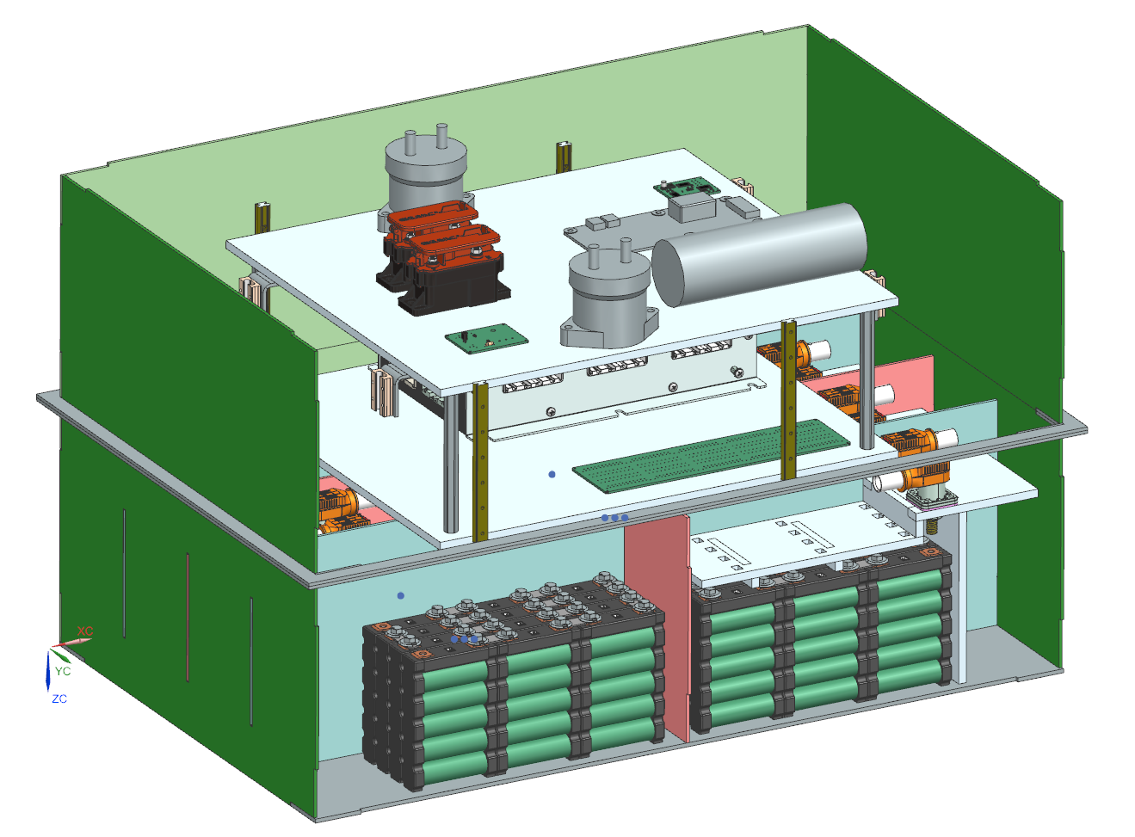 Picture of Fuse and AIR Separation from Cells |  |  |  |  |  | Picture of Segment Insulation between Cell Terminals and Sides of Accumulator Container |  |  | Picture of Insulation on Top of Segment
Nomex 410

temperature sensor

Two Tab Washer

Maintenance Plug(s) Picture Shows |  |  |  |  |  |  | OK |  | Cell Connections Picture Shows |  |  |  |  |  | OK |  | Temperature Sensor Picture Shows |  |  |  |  |  | OK | Fuse and AIR Separation Picture Shows |  |  |  |  | OK | Segment Insulation Picture Shows |  | OK | Segment Insulation Picture Shows |  | OK
Unique Configuration of plugs |  |  |  |  |  | TRUE | OK |  | Bolted connection have positive locking |  |  |  |  | TRUE | OK |  | Temp sensor in direct contact with terminal or busbar |  |  |  |  | TRUE | OK | Fuse and AIR are separated from cells |  |  |  | TRUE | OK | Insulation between cells and accumulator container | TRUE | OK | Insulation on top of cells (air not acceptable) | TRUE | OK
Non-conductive on un-necessary surface |  |  |  |  |  | TRUE | OK |  | location of parallel cell overcurrent for parallel cells |  |  |  |  | TRUE | OK |  | Distance from sensor to cell negative terminal |  |  |  |  | TRUE | OK | Additional Comments |  |  |  |  | Rules References | Additional Comments |  | Rules References | Additional Comments |  | Rules References
Positive Locking |  |  |  |  |  | TRUE | OK |  | Additional Comments |  |  |  |  |  | Rules References |  | Additional Comments |  |  |  |  |  | Rules References |  |  |  |  |  | EV.6.4.4 |  |  | EV.6.2.2.a EV.6.2.3 |  |  | EV.6.2.2.a EV.6.2.3
Additional Comments |  |  |  |  |  |  | Rules References |  |  |  |  |  |  |  | EV.7.4.1 EV.7.4.3 |  |  |  |  |  |  |  | EV.8.5
Location and length of cables prevents mixing of connectors and ensures unique connections. |  |  |  |  |  |  | EV.6.3

Parallel Cell Fusing |  |  |  |  | OK | Rules Referenes
Source |  |  | Purchased |  | OK | EV.7.6.3 EV.7.6.5
Make/Model |  |  | Energus Fusible Link |  | OK
Continuous Current |  |  | 45 | A | OK
Continuous Current |  |  |  | A

 | Test Data | Continuous
 |  | 0
 |  | 0
Test Data Summary
Tests at current 1 |  |  | 0
Tests at current 2 |  |  | 0 |  |  |  | #NUM! | 0
Tests at current 3 |  |  | 0 |  |  |  | #NUM! | 0
Tests at current 4 |  |  | 0
See Fusible Link Testing Guideline on FSAEOnline.com

Testing | Current [A] | Time to blow [s]
Test 1
Test 2
Test 3
Test 4
Test 5
Test 6
Test 7
Test 8
Test 9
Test 10
Test 11
Test 12
Test 13
Test 14
Test 15
Test 16

PrechargeDischarge
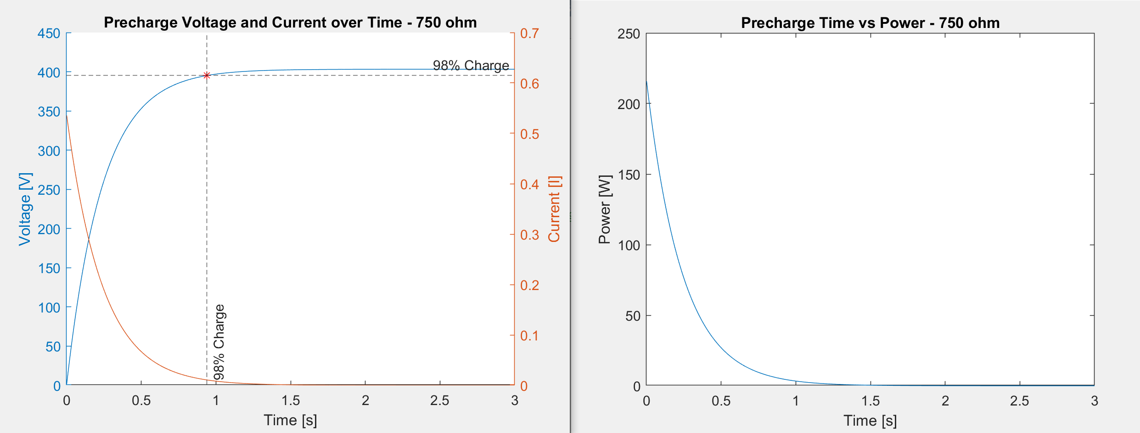
Status | OK
Precharge |  |  |  | OK | Discharge |  |  | OK | TSMP |  |  | OK | Rules References
Resistor |  | Ohmite B20J750E |  | OK | Resistor | TE ROX9J30K |  | OK | Resistor | TE RR03J1K5TB |  | OK | EV.6.8.4
# parallel |  | 2 |  | OK | # parallel | 3 |  | OK | # parallel | 1 |  | OK
# series |  | 1 |  | OK | # series | 1 |  | OK | # series | 10 |  | OK
Resistance |  | 375 | Ohms |  | Resistance | 10000 | Ohms |  | Resistance | 15000 | Ohms | OK
Cont power |  | 40 | W |  | Cont power | 27 | W |  | Cont power | 30 | W | OK
power @15 sec |  | 400 | W |  | power @15 sec | 27 | W | OK | Voltage | 7500 | V | OK
Voltage |  | 750 | V | OK | Voltage | 750 | V | OK
Bus Capacitance |  | 0.28 | mF | OK | Peak power | 16.257024 | W
End of precharge |  | Time |  | OK | Peak current | 0.04 | A
time |  | 2.1 | sec | OK | Discharge time (to 60V) | 5.3342468327 | s
delta V |  |  | V |  | Relay | Gigavac PNC113 |  | OK
ending ratio |  |  | % |  | Relay voltage rating | 1500 | V | OK
Peak power |  | 433.52064 | W |  | Relay current rating | 30 | A | OK
Peak current |  | 1.08 | A |  | Normal State | NC |  | OK
time to 90% |  | 0.24 | sec |  | Rules References
Precharge Res Energy to 90% |  | 22.53 | J |  | EV.6.6
Average Power |  | 93.2 | W
Relay |  | Gigavac P115-BDA |  | OK
Relay voltage rating |  | 1500 | V | OK
Relay current rating |  | 50 | A | OK

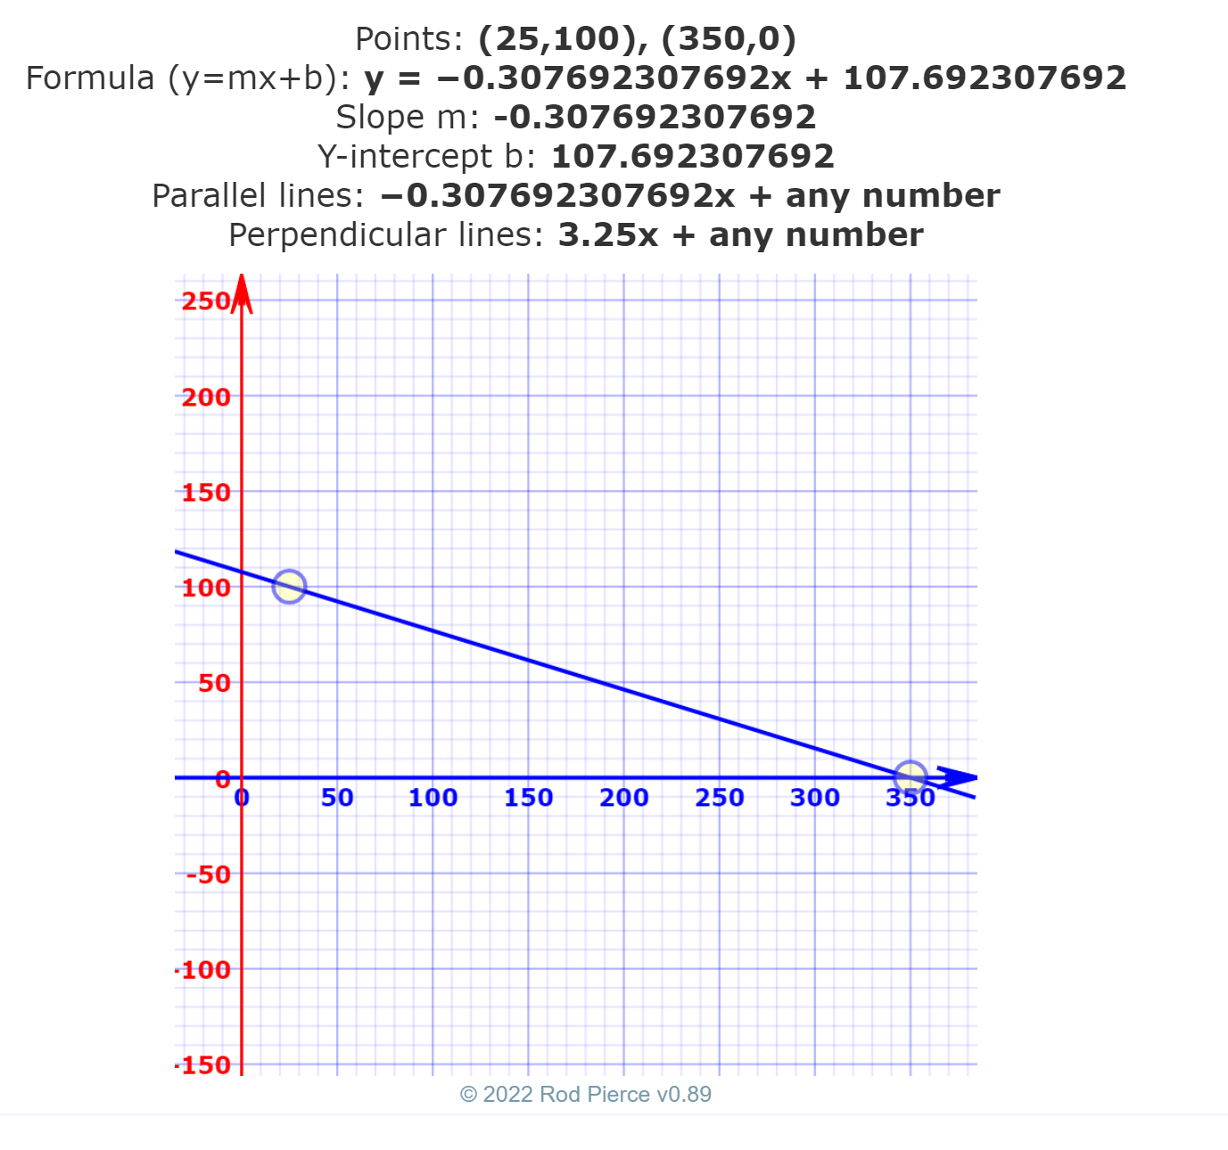
Additional Comments
Time to charge to 98% based on 5 tao = 1.05 s Time to charge to 98% based on 98% of maximum voltage = 0.939 s

Charging
Status | BLANK
Charger |  |  |  |  | OK |  | Additional Comments
Make |  |  | Brusa |  | OK
Model |  |  | NLG514 |  | OK
Datasheet |  |  | https://www.hec-drives.nl/BRUSA_DB_EN_NLG514.pdf |  | OK
Input Voltage |  |  | 110 | V | OK
Input Current |  |  | 16 | A | OK
Output Voltage |  |  | 300-720 | V | OK
Output Current |  |  | 9 | A | OK
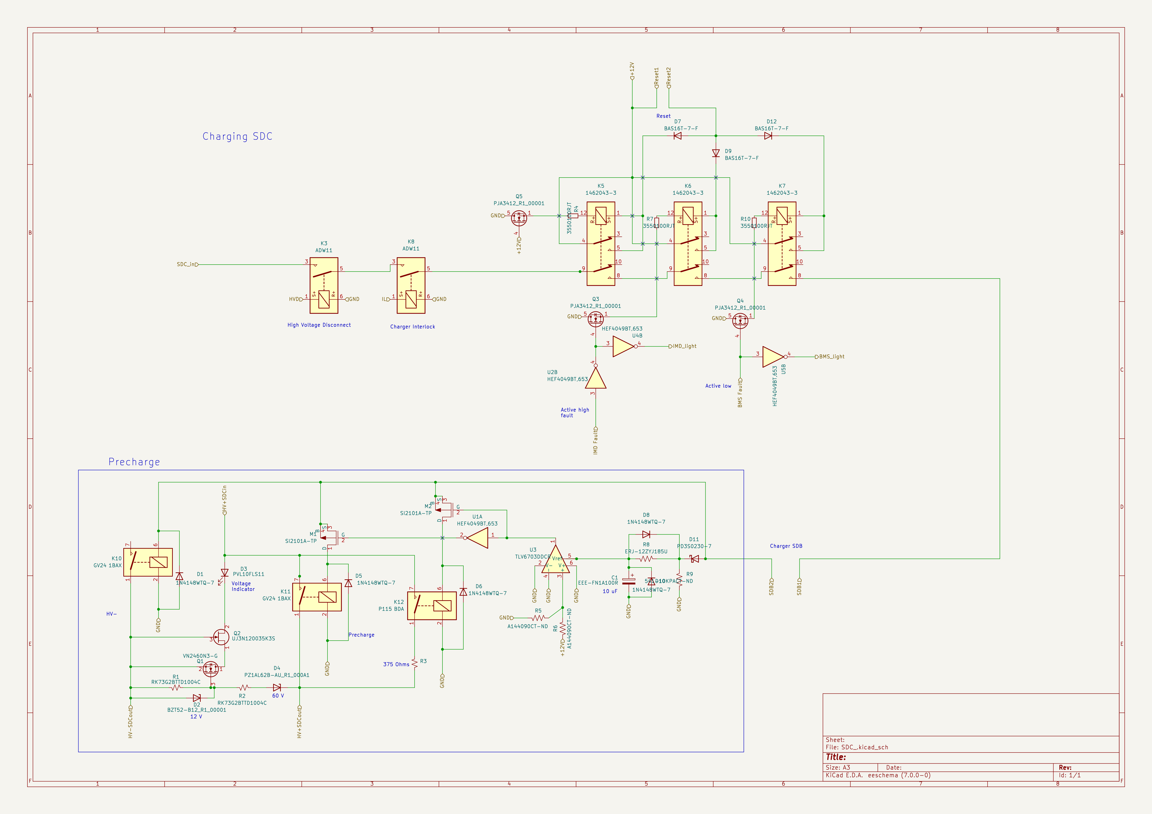
Power |  |  | 3300 | kW | OK
Input to Output isolation |  |  | 2000 |  | OK
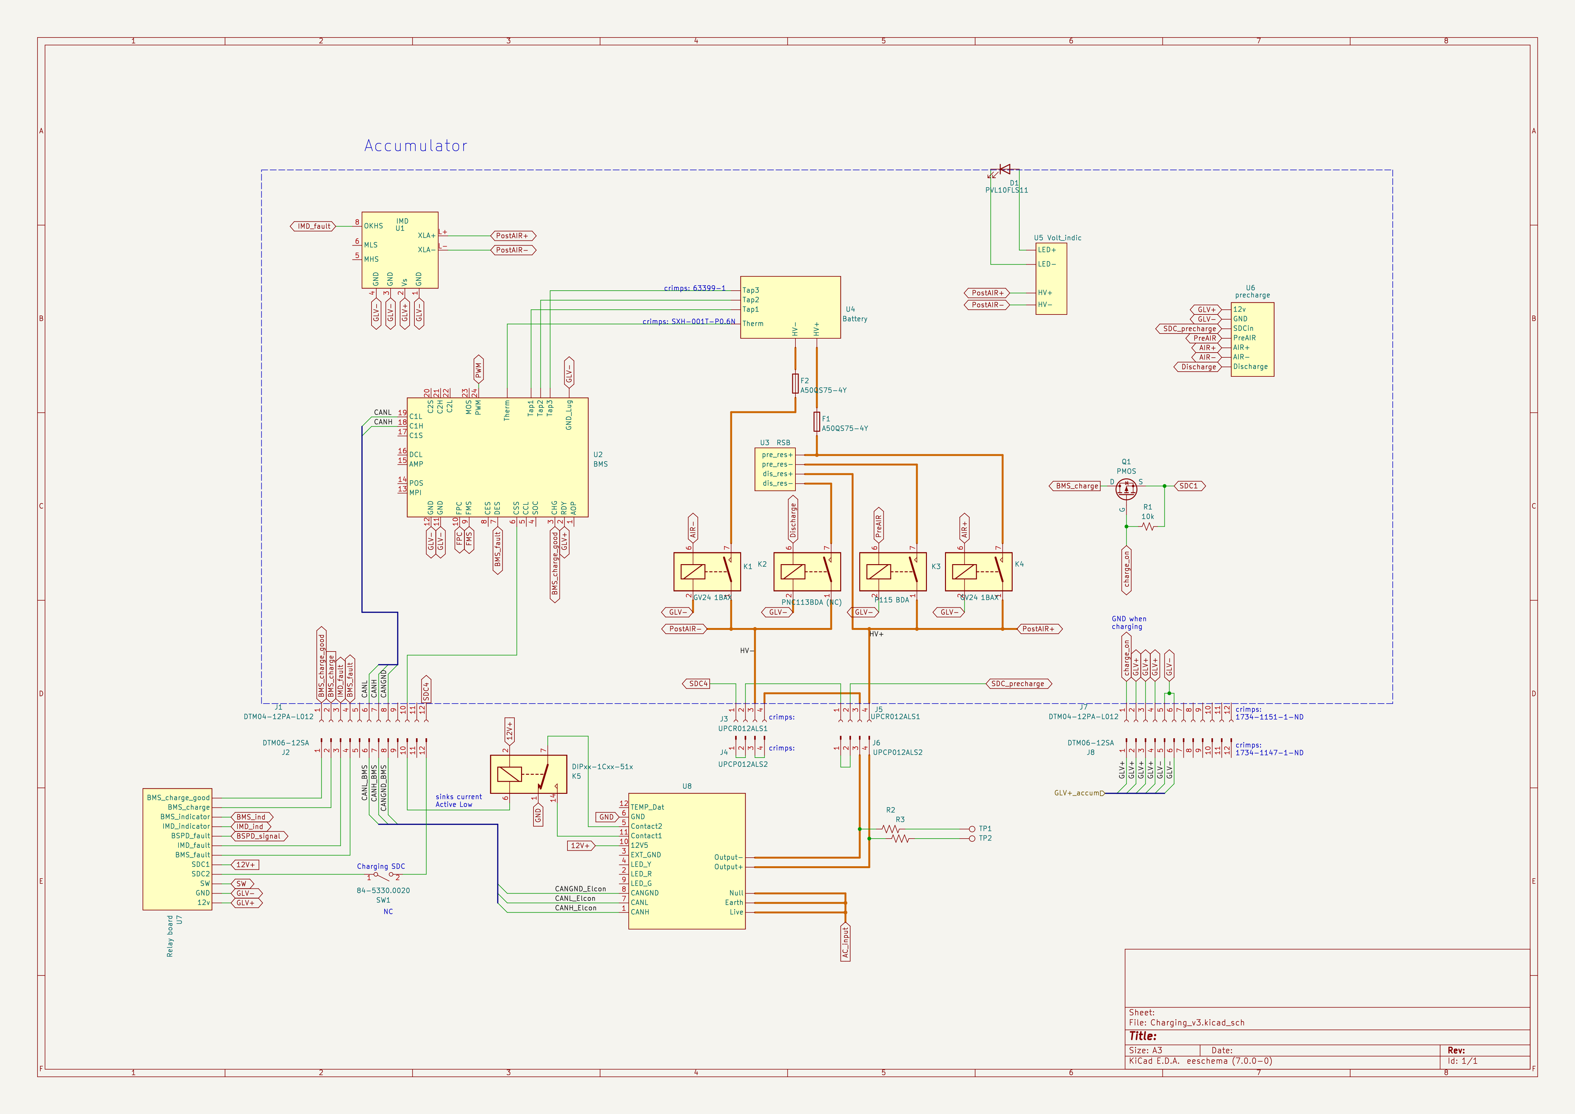
Charging Tractive System Schematic |  |  |  |  |  |  |  | Charging Shutdown Circuit

Charging Tractive System Schematic Shows |  |  |  |  |  |  | OK | Charging Shtdown Circuit Shows |  |  | BLANK
Rules References |  |  |  |  |  |  |  | Rules References
 |  | Fuse |  |  |  | TRUE | OK | EV.9.3 | IMD Control and Powerstage | TRUE | OK
 |  | Connectors |  |  |  | TRUE | OK | EV.9.3 | AMS | TRUE | OK
 |  | Wire Gauge |  |  |  | TRUE | OK | EV.9.2.7 | Charger Shutdown Button | TRUE | OK
EV.9.4 |  | IMD |  |  |  | TRUE | OK | EV.9.4 | AIRs | TRUE | OK
EV.9.4.2 |  | AIRs |  |  |  | TRUE | OK |  | Charge Connector Interlock | TRUE | OK
EV.9.2.6 |  | TSMPs |  |  |  | TRUE | OK |  | Charge Control (CAN, Enable, etc.) |  | BLANK
Additional Comments |  |  |  |  |  |  |  | Additional Comments

Shutdown Circuit
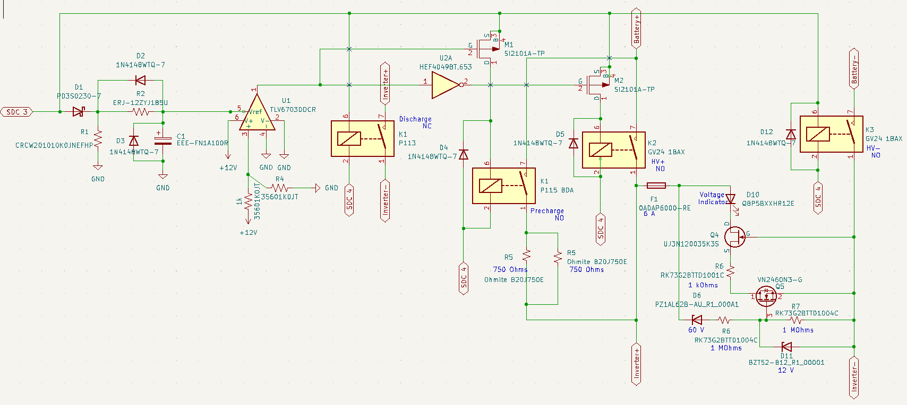
Status | WARNING
IMD |  |  |  |  | OK | BSPD |  |  |  | OK
Rules Reference |  |  | EV.8.6 |  |  | Rules Reference |  | EV.8.7
Make/Model |  |  | Bender IR155-3203 |  | OK | Current Sensor Make/Model |  | LEM 398-HOYS100-S/SP33-1106-ND |  | OK
Setpoint |  |  | 270 | kΩ | OK | Current Sensor Datasheet |  | https://www.lem.com/sites/default/files/products_datasheets/has_50_600-s_e.pdf |  | OK
 |  |  |  |  |  | Trip Current |  | 2.3 | A | OK
 |  |  |  |  |  | Sensor Output @ Trip Current |  | 2.592 | V | OK
 |  |  |  |  |  | Accuracy @ Trip Current |  | 0.023 | A | OK

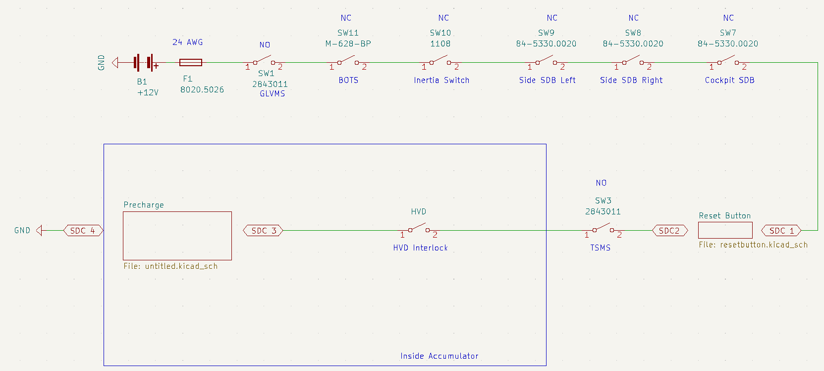 Shutdown Circuit Schematic |  |  |  |  |  |  |  |  |  | 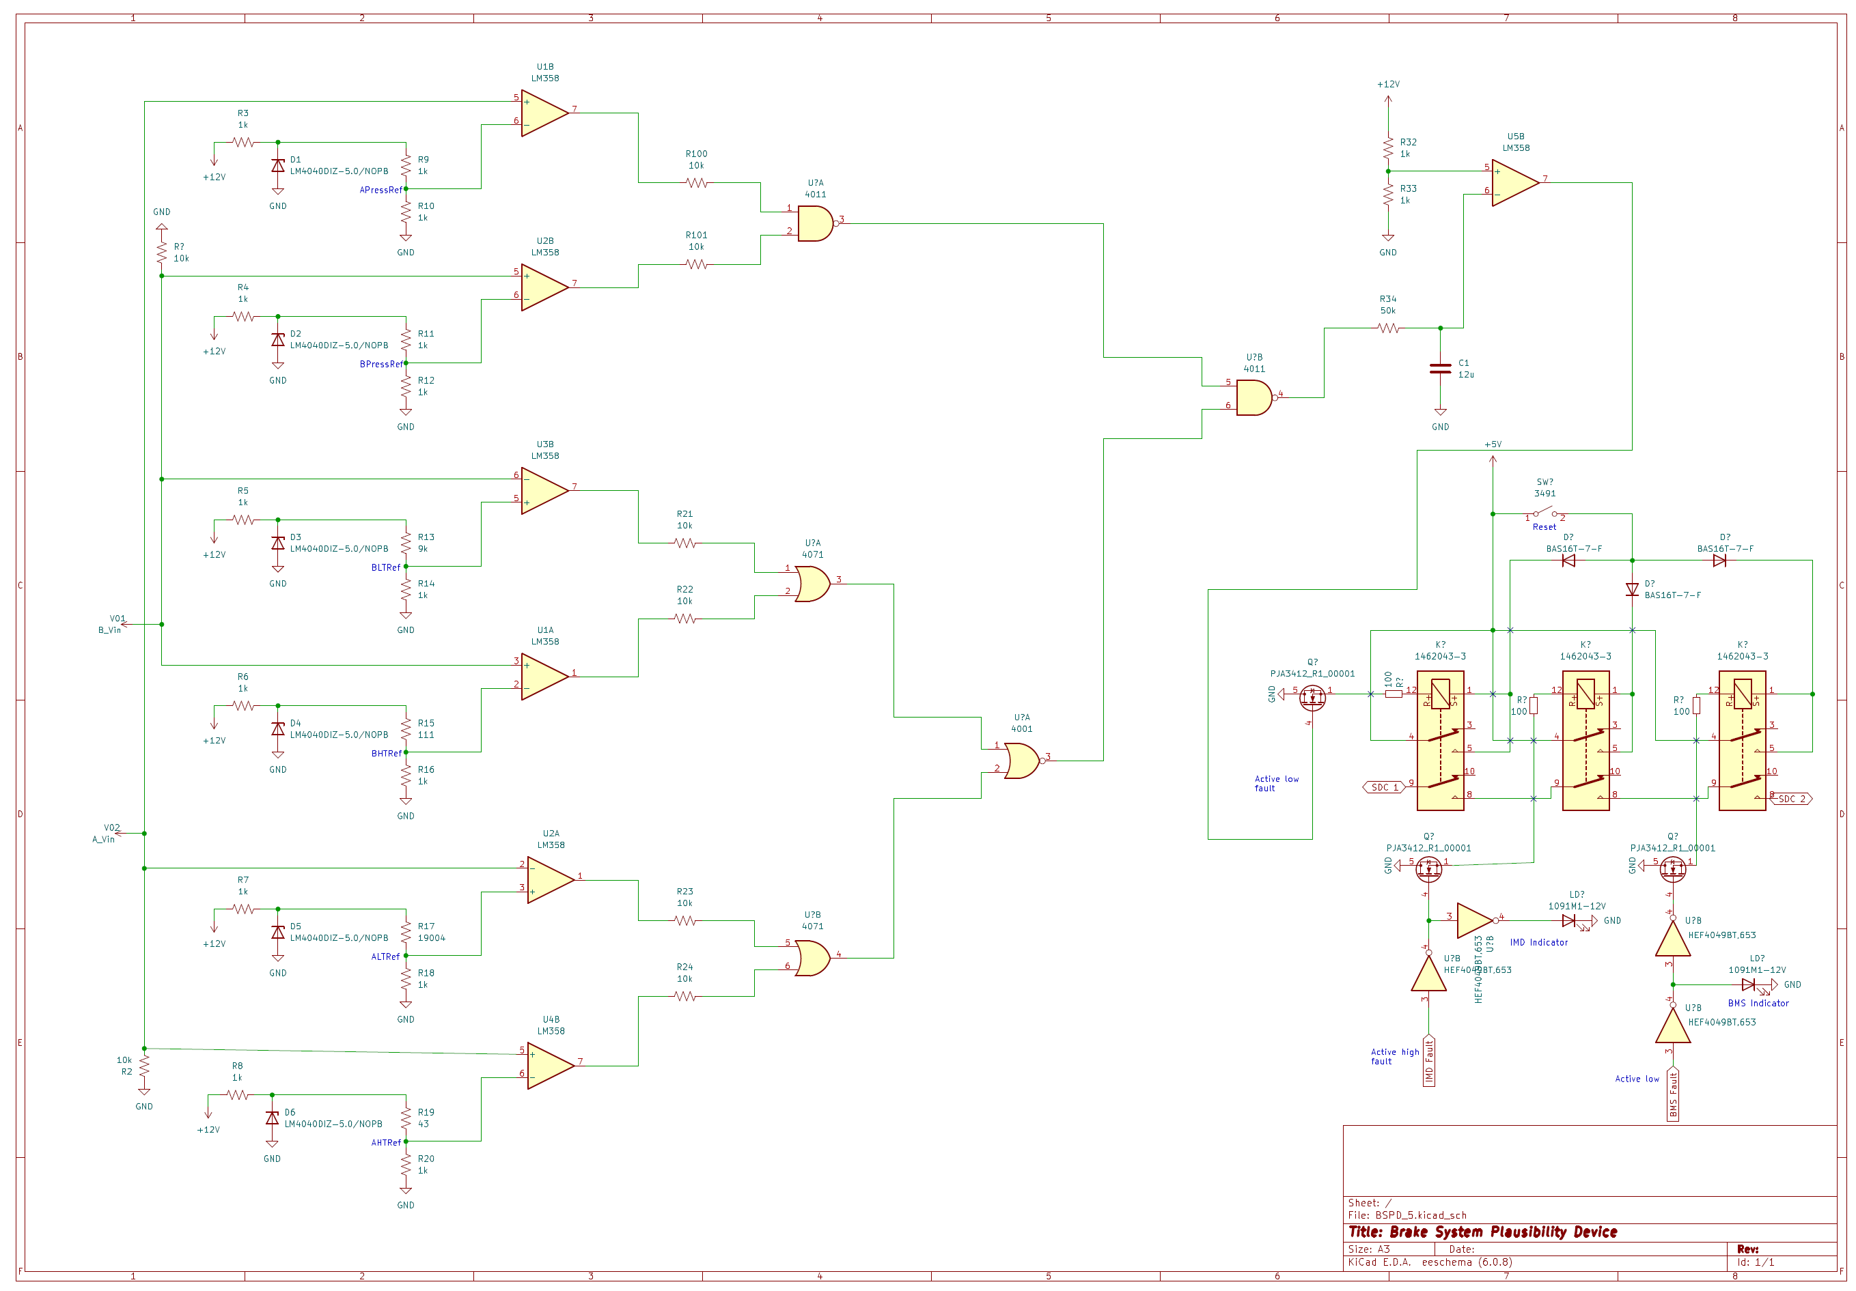 BSPD System Schematic

Shutdown Circuit Schematic Shows |  |  |  |  |  |  |  | WARNING |  | BSPD System Schematic Shows |  | OK
Rules References
EV.8.9 |  | GLVMS |  |  |  |  | TRUE | OK |  | BSPD Current Sensor input open/short circuit protection | TRUE | OK
EV.8.9 |  | TSMS |  |  |  |  | TRUE | OK |  | BSPD Brake Position input open/short circuit protection | TRUE | OK
EV.8.10 |  | 2 Side Shutdown Buttons |  |  |  |  | TRUE | OK |  | Shutdown circuit powerstage | TRUE | OK
EV.8.10 |  | 1 Cockpit Shutdown Button |  |  |  |  | TRUE | OK |  | Additional Comments | Rules References
T.3.2 |  | Brake Over Travel Switch (BOTS) |  |  |  |  | TRUE | OK |  |  | EV.8.7
EV.8.8 |  | Inertia Switch |  |  |  |  | TRUE | OK
EV.8.3 |  | AMS |  |  |  |  | TRUE | OK
EV.8.6 |  | IMD |  |  |  |  | TRUE | OK
EV.8.7 |  | BSPD |  |  |  |  | TRUE | OK
EV.6.5.2 |  | HVD Interlock |  |  |  |  | TRUE | OK |  | 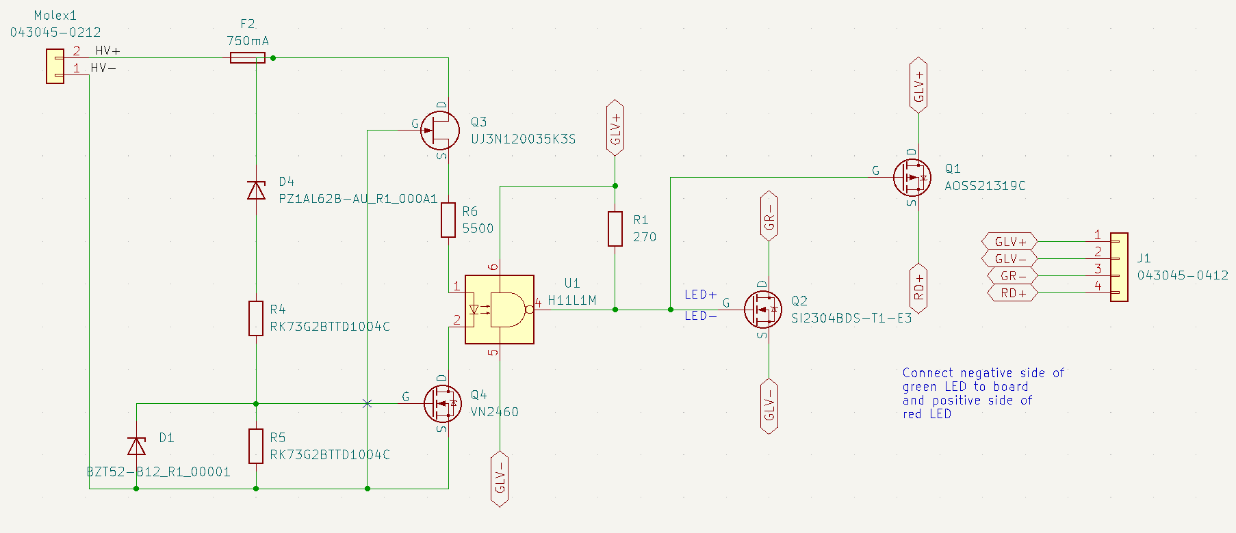 TSAL Schematic
EV.8.1.4 |  | IMD, AMS, BSPD have independent power stages |  |  |  |  | TRUE | OK
EV.5.1.3 |  | Outboard Wheel Motor Interlocks |  |  |  |  | FALSE | WARNING
 |  | GLV Battery |  |  |  |  | TRUE | OK
 |  | GLV Fuse |  |  |  |  | TRUE | OK
 |  | Wire Gauge |  |  |  |  | TRUE | OK
EV.8.1.2 |  | Precharge Contactor coil |  |  |  |  | TRUE | OK
EV.8.1.2 |  | Positive AIR coil |  |  |  |  | TRUE | OK
EV.8.1.2 |  | Negative AIR coil |  |  |  |  | TRUE | OK
 |  | Discharge Contactor coil |  |  |  |  | TRUE | #REF!
EV.8.9.1; EV.8.9.3 |  | TSMS is last switch |  |  |  |  | TRUE | OK
EV.8.9.1; EV.8.9.2 |  | GLVMS is first switch |  |  |  |  | TRUE | OK
 |  | Uses proper electrical schematic symbols |  |  |  |  | TRUE | OK
 |  | Labels/text are readable (zooming in is acceptable) |  |  |  |  | TRUE | OK
EV.6.10 |  | Interlocks on TS connectors outside of an enclosure |  |  |  |  | TRUE | OK
Additional Comments |  |  |  |  |  |  | Rules References
Not using outboard wheel motors |  |  |  |  |  |  | EV.8.1 EV.8.2

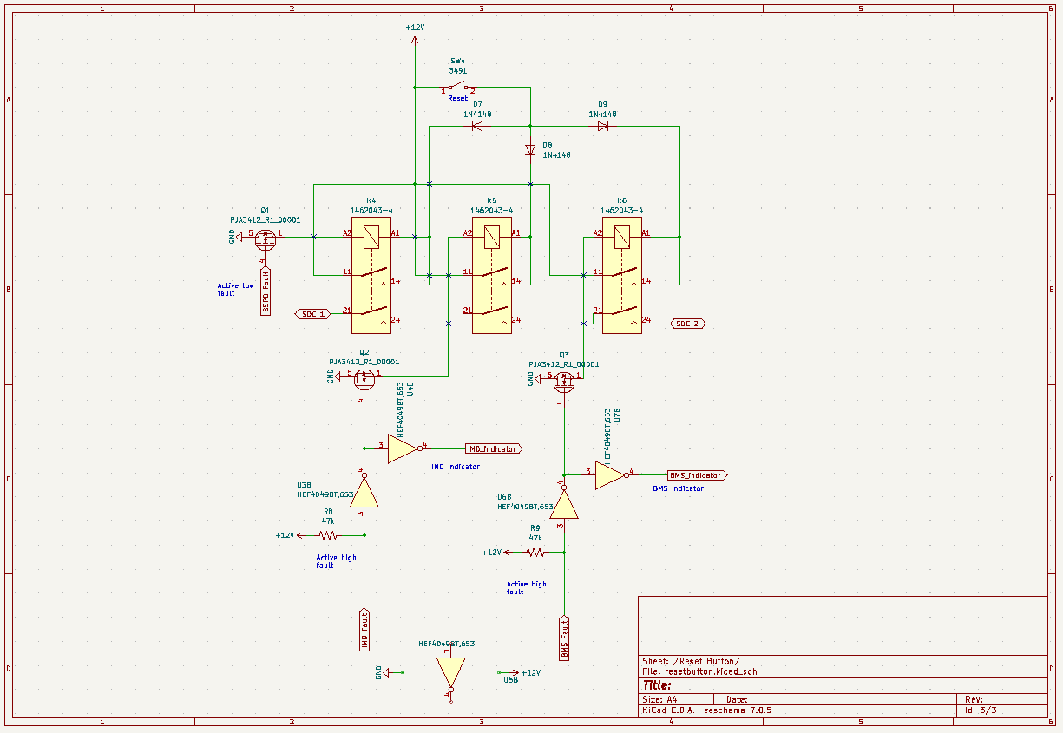

 |  |  |  |  |  |  |  |  |  | TSAL Schematic Shows |  | OK
 |  |  |  |  |  |  |  |  |  | TSAL controlled by >60V present in TS | TRUE | OK
 |  |  |  |  |  |  |  |  |  | TSAL powered by GLV | TRUE | OK
 |  |  |  |  |  |  |  |  |  | TSAL flashes red when HV present and solid green when not | TRUE | OK
 |  |  |  |  |  |  |  |  |  | Additional Comments | Rules References
 |  |  |  |  |  |  |  |  |  | We will be using smart LEDs that can be configured to flash for the red light. | EV.6.9

Torque Security
Status | OK
APPS Sensor Transfer function |  |  |  | OK | Torque Control Path Security Checks |  |  |  |  |  |  |  |  | OK
Rules Reference |  | T.4.2.3
Position | APPS1 Output [V] |  | APPS2 Output [V] |  | Source Device | Destination Device | Communication | Redundant | Out Of Range | Correlation | Checksum | Timeout | Other |  | Additional Comments
0% | 4.58 |  | 2.05 | OK
20% | 3.8 |  | 1.69 | OK | APPS | VCU | Analog | Yes | No | No | No | No |  | OK
40% | 2.92 |  | 1.35 | OK | VCU | MC | Digital | Yes | Yes | Yes | Yes | Yes |  | OK
60% | 2.27 |  | 1.03 | OK | MC | Motor | Analog | Yes | No | No | No | No |  | OK
80% | 1.5 |  | 0.704 | OK
100% | 0.731 |  | 0.361 | OK
 |  |  |  |  |  |  |  |  |  |  |  |  |  |  | APPS Part number: N24341600B

Other
Status | OK
Motor Controller |  |  |  | OK | Motor |  |  | OK
Make |  | Bamocar |  | OK | Make |  | emrax | OK
Model |  | PG D3 700/400 |  | OK | Model |  | 228 HV | OK
Datasheet |  | https://www.unitek-industrie-elektronik.de/images/pdf/BAMOCAR%20Digital/BAMOCAR-PG-D3-700-400_EN.pdf |  | OK | Datasheet |  | https://emrax.com/wp-content/uploads/2017/01/emrax_228_technical_data_4.5.pdf | OK
Galvanic Isolation between TS and control |  | 10000 | V | OK

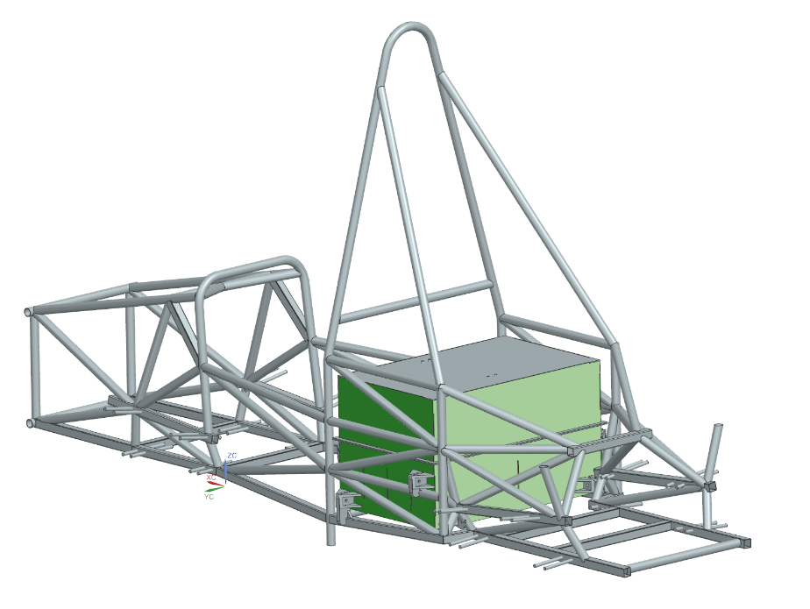 Picture of Energy Meter download connector on car to prove compliance with EV.4.2.2

Location in Checkbox above accumulator container

Energy Meter Download Picture Shows |  |  |  |  |  | OK
Energy Meter Download Connector |  |  |  |  | TRUE | OK
Additional Comments

