Tabelle1
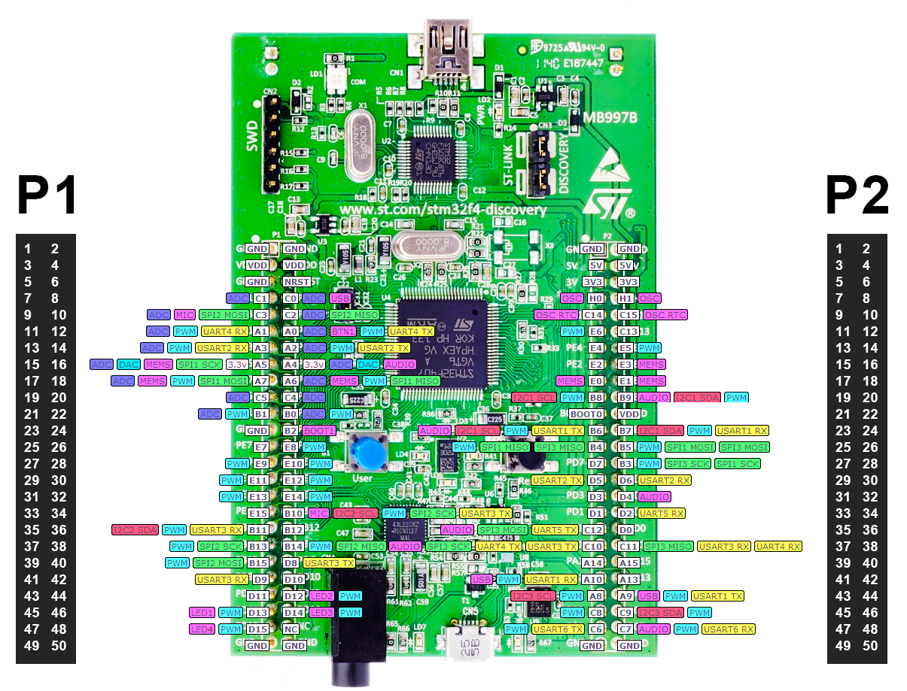
 | STM32f4 | GPIO
# W5500
SPI1_SCK | PB13 | P1_37
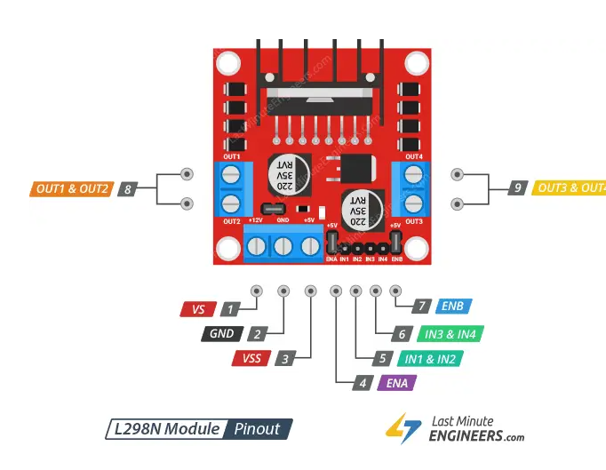
SPI1_MOSI | PB15 | P1_39
SPI1_MISO | PC2 | P1_10
W5500 ChipSelect | PC4 | P1_20
W5500 ChipReset | PC5 | P1_19

# LEDs
Blue LED | PD12
Red LED | PD13
Orange LED | PD14
Green LED | PD15

# UART
USART2 RX | PA3 | P1_13
USART2 TX | PA2 | P1_14

# PUMPS
Enable A (PWM) | B6 | P2_23 | PUMP1_ENABLE
Enable B (PWM) | B7 | P2_24 | PUMP2_ENABLE
IN1 | B4 | P2_25 | PUMP1_IN1
IN2 | B5 | P2_26 | PUMP1_IN2
IN3 | D7 | P2_27 | PUMP2_IN1
IN4 | B3 | P2_28 | PUMP2_IN2

# LIGHTS
LIGHT_DIM | C8 | P2_45 | LED_DIM

# SENSORS
SENSOR_OBEN | A8 | P2_43 | WATER_OBEN
SENSOR_UNTEN | A9 | P2_44 | WATER_UNTEN

#i2c EEPROM Speicher
SCL | B10 | P1_34 | EEPROM_SCL
SDA | B11 | P1_35 | EEPROM_SDA

