Lab Rubric
 | Lab Rubric
Student Name: |  |  |  |  |  |  |  |  | 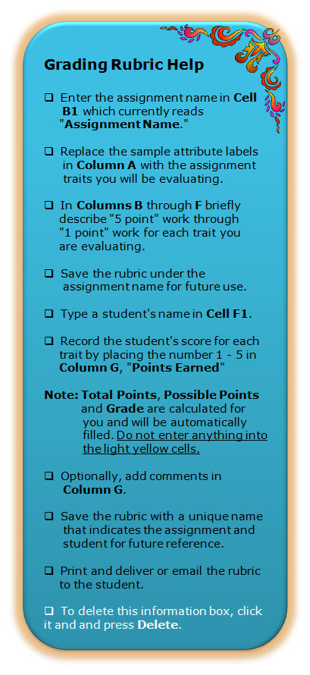
Course:
Assignment Name:
Scale | 0-64 | 65-74 | 75-84 | 85-100
Category | Novice | Basic | Proficient | Advanced | Points | Weight | Overall Points | Comments
Concept Mastery | Work Shows no mastery of lab objectives; no answers correct | Work shows mastery of a few objectives; a few answers correct | Work shows mastery of most objectives; most answers correct | Student work demonstrates complete mastery of all lab objectives; all answers correct |  | 40% | 0
Strategies | Student unaware of strategies to use in lab completion | Student uses inappropriate strategies to complete the lab | Student uses mostly appropriate strategies to complete the lab | Student employs appropriate strategies for completing the lab |  | 30% | 0
Completion | Lab started only | Lab partially attempted | Lab Nearly Complete | Lab completed in its entirety |  | 30% | 0

 |  |  |  |  | Total Points |  | 0
 |  |  |  |  | Possible Points |  | 100
 |  |  |  |  | Grade |  | 0.00%

