Exercise Rubric
 | Exercise Rubric
Student Name: |  |  |  |  |  |  |  |  | 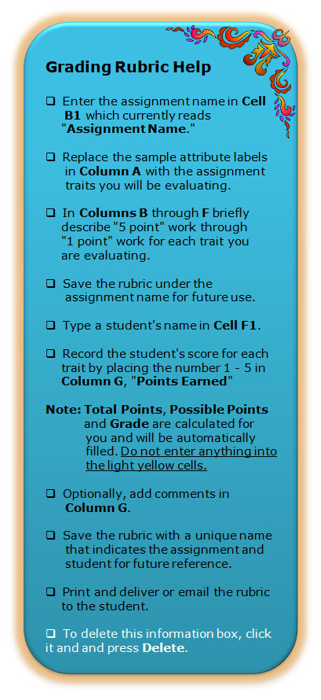
Course:
Assignment Name:
Scale | 0-64 | 65-74 | 75-84 | 85-100
Category | Novice | Basic | Proficient | Advanced | Points | Weight | Overall Points | Comments
Mechanics and Grammar; Documentation | Errors make work difficult to comprehend | Errors are persistent and various throughout work | Errors are limited and repeated | Errors are minimal |  | 15% | 0
Organization | Work difficult to read and incoherent | Work lacks coherence | Work contains misplaced thoughts; otherwise coherent | Work is organized and easy to follow |  | 10% | 0
Content | Writer offers incoherent ideas and no evidence for claims. | Writer offers general and formulaic insight which lack depth. | Writer includes interesting ideas that show some complexity. | Writer includes ideas that are well-supported, perceptive, and focused |  | 50% | 0
Response to Assignment Tasks | Student does not address the tasks. | Student does not address all tasks | Student addresses tasks; lacks some detail | Student addresses tasks thoroughly |  | 25% | 0

 |  |  |  |  | Total Points |  | 0
 |  |  |  |  | Late Penalty |  | 0%
 |  |  |  |  | Possible Points |  | 100
 |  |  |  |  | Grade |  | 0.00% | F

