v1
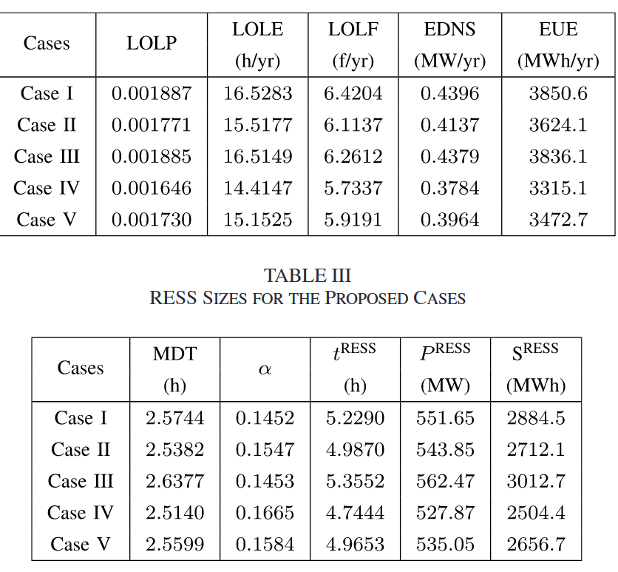
风能系数=2 | 负载缩放=1.36

case | LOLP | LOLE | LOLF | EDNS | EUE | case_storage | LOLP | LOLE | LOLF | EDNS | EUE
1(F) | 0.0043 | 37.668 | 14.72 | 0.5942 | 5205.6 | 1(F) | 0.0043 | 37.668 | 14.72 | 0.5942 | 5205.6
2(C) | 0.0038 | 33.288 | 14.12 | 0.5032 | 4408.1 | 2(C) | 0.0038 | 33.288 | 14.12 | 0.5032 | 4408.1
3(B) | 0.004 | 35.04 | 13.02 | 0.5659 | 4957.5 | 3(B) | 0.004 | 35.04 | 13.02 | 0.5659 | 4957.5
4(CF) | 0.0043 | 37.668 | 14.34 | 0.5374 | 4708 | 4(CF) | 0.0043 | 37.668 | 14.34 | 0.5374 | 4708
5(BF) | 0.0043 | 37.668 | 14.38 | 0.5393 | 4724 | 5(BF) | 0.0043 | 37.668 | 14.38 | 0.5393 | 4724

case | MDT | alpha | t_RESS | P_RESS | S_RESS
1(F) | 2.5590 | 0.0637 | 7.4163 | 353.6389 | 2622.7
2(C) | 2.3575 | 0.0721 | 6.5256 | 312.1879 | 2037.2
3(B) | 2.6912 | 0.0685 | 7.5948 | 380.7604 | 2891.8
4(CF) | 2.6268 | 0.0637 | 7.6128 | 328.3129 | 2499.4
5(BF) | 2.6195 | 0.0637 | 7.5916 | 328.5121 | 2493.9

