Sheet1
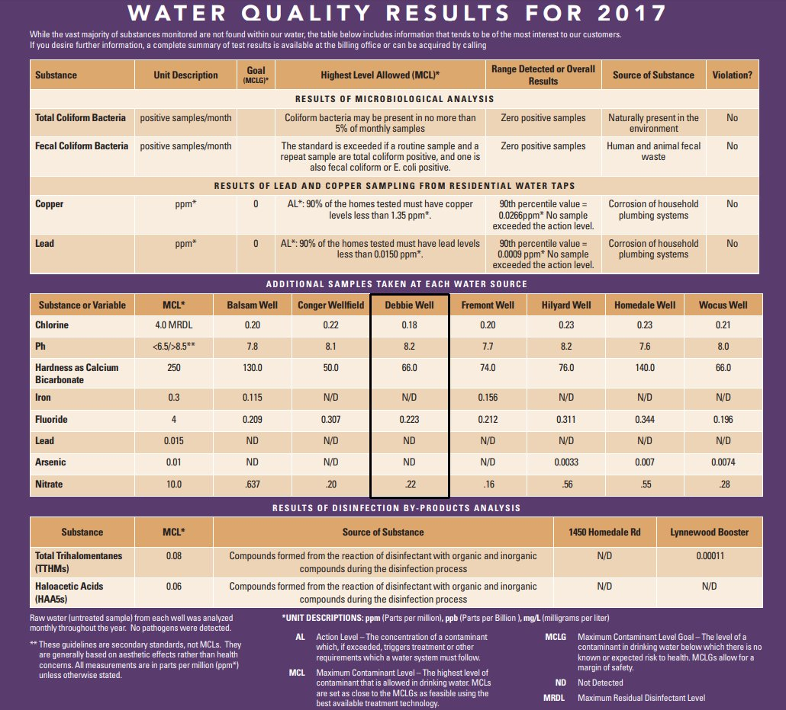
I know people say not to drink tap, however I live in the countryside and the water from the well I drink is only treated with chlorine.
I use two stage particulate filters down to 15 microns, then single stage carbon filter to 5 microns. then single stage carbon filter to 5 microns.
After that I filter it further with my brita water pitcher (generic carbon filter). That removes any chlorine left. The only fluoride in the water is
naturally occurring. I can taste the plastic in all the bottled water I have tried so I will stick to my well water tap.

