Pre-process feature correlation
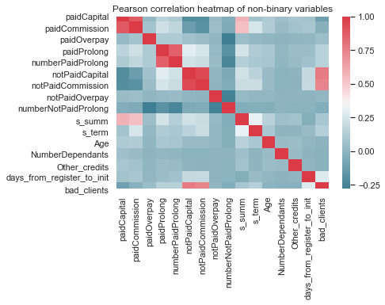
Main assumption: bad clients are recognized as clients that were late to pay by 14 days or more or have defaulted or their debts.

Non-binary data was later scaled to prepare data for distance-based classification algorithms
should a future analysis require revision.

Since the precision and convergence of the algorithms used later in the analysis
are not impacted by a monotonic transformation, the analysis proceeds to scale data for future use.

FADM visual dimensionality redu
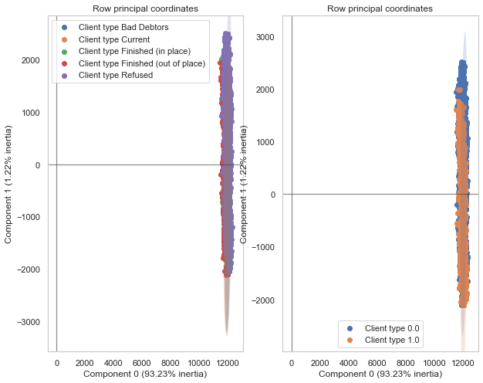
The FADM analysis shows data dimensionality cannot be neatly reduced.
This means the analysis must be careful not to overstate perdictive conclusions.

Feature importance
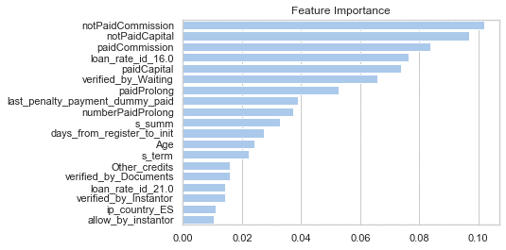
 | index | importance
0 | notPaidCommission | 0.10211532577
1 | notPaidCapital | 0.096986455531
2 | paidCommission | 0.083893045368
3 | loan_rate_id_16.0 | 0.076371063622
4 | paidCapital | 0.073818484936
5 | verified_by_Waiting | 0.065913311553
6 | paidProlong | 0.052733450039
7 | last_penalty_payment_dummy_paid | 0.039025743216
8 | numberPaidProlong | 0.03746172223
9 | s_summ | 0.03296677432
10 | days_from_register_to_init | 0.027486658798
11 | Age | 0.024134266953
12 | s_term | 0.022418770041
13 | Other_credits | 0.015972069246
14 | verified_by_Documents | 0.015711675257 | A filter and wrapper methods were used to obtain feature importance.
15 | loan_rate_id_21.0 | 0.014311819114 | After one-level factor variables and variables with high proportion of missing values were excluded, an AdaBoost model was used with a Random Forest classifier
16 | verified_by_Instantor | 0.014181215296 | as base estimator was used. The model was optimized using Grid Search.
17 | ip_country_ES | 0.01121174637
18 | allow_by_instantor | 0.010355938974 | The analysis yields that the most important factors impacting feature importance are the amount of funds the client has already paid and funds haven't been
19 | loan_rate_id_22.0 | 0.0074766646271 | peid yet. This could suggest that some borrowers' payment discipline changes over time. A further analysis the investigates the payment development
20 | paidOverpay | 0.0070273133962 | of a client is necessary to varify this hypothesis.
21 | loan_rate_id_23.0 | 0.0060273904364
22 | Province_Las Palmas | 0.0056023651981 | Other interesting factors that help predict occurrence of bad clients are: age, ip of country (could be a proxy for country of origin) and other credits.
23 | Province_Toledo | 0.0049228169041
24 | warning_pdf_sent_dummy_sent | 0.0046880390975 | Instantor: it seems that instantor verification relatively helps identify bad clients in advance when comapred to othe r featurres, although due to the realtively
25 | Province_Barcelona | 0.0042051452843 | low level of importance (1%-2%) suggest this method is not tight enough to truly impactful.
26 | Province_Lérida | 0.0041649783117
27 | Province_Gerona | 0.0041581190293 | days_from_register_to_init: this is a manually defined metric that measures the time elapsed since client enrollment until loan was issued. The variable since
28 | notPaidOverpay | 0.0036472997521 | rather important in predicting bad clients although the exact mechanism of enrollment and distribution is not clear and must be investigated to verify whether
29 | b_bank_id_Bankia | 0.0035765706658 | the delay results from client or institutional beauracracy that may illicit adver behavior or rather signal bad clients.
30 | Gender_male | 0.0033309521624
31 | verified_by_reg_Documents | 0.0033079311848
32 | b_bank_id_Banco Sabadell | 0.0032272632393
33 | ip_country_es | 0.0031595466997
34 | Province_Madrid | 0.0031441636156
35 | Profession_Mode_desempleado | 0.0031070550059
36 | Province_Valencia | 0.0030402700289
37 | DniOrNie_nie | 0.003029686958
38 | Province_Vizcaya | 0.0029630914055
39 | b_bank_id_La Caixa | 0.0029493032613
40 | Province_Sevilla | 0.0027986765669
41 | Profession_Mode_Empleado indefenido | 0.0027981921626
42 | Province_Alicante | 0.0027932425739
43 | b_bank_id_Other | 0.0027710796753
44 | Province_S.C. Tenerife | 0.0027460316161
45 | Province_Orense | 0.0027228524169
46 | Province_Cádiz | 0.0027086330563
47 | verified_by_reg_Instantor | 0.0026692866959
48 | b_bank_id_Santander | 0.0025777440803
49 | b_bank_id_ING Bank | 0.0025368289775
50 | Province_Guipúzcoa | 0.002528313334
51 | b_bank_id_CX Catalunya Caixa | 0.0023340115799
52 | Province_Murcia | 0.002330657144
53 | Province_Pontevedra | 0.0022238984719
54 | Profession_Mode_Empleado temporal | 0.0021968966859
55 | Profession_Mode_Desempleado | 0.0021701271649
56 | Profession_Mode_empleado indefenido | 0.0019348879215
57 | Province_Valladolid | 0.0019063055714
58 | Province_La Coruña | 0.0018955624481
59 | Profession_Mode_Pensionista | 0.0018691718103
60 | Profession_Mode_3 | 0.0018594419056
61 | Province_Islas Baleares | 0.0017645122458
62 | Province_Málaga | 0.0017428087211
63 | Province_Álava | 0.0016371985397
64 | Province_Cuenca | 0.0016243681342
65 | Province_Zaragoza | 0.0015894702061
66 | Province_Badajoz | 0.0015697824111
67 | Province_Tarragona | 0.0015380388901
68 | numberNotPaidProlong | 0.0014875482876
69 | Province_Granada | 0.0014816584975
70 | Province_Huelva | 0.0013975704896
71 | Profession_Mode_4 | 0.0013360329936
72 | Province_Jaén | 0.0012937033405
73 | Province_Asturias | 0.0012845320004
74 | ip_country_GB | 0.0012713528513
75 | Province_Huesca | 0.0012701006439
76 | Profession_Mode_Autonomo | 0.0012067179925
77 | Province_Almería | 0.0011960994228
78 | Profession_Mode_1 | 0.0011937658398
79 | Province_León | 0.0010959496704
80 | Province_Cantabria | 0.0010743713593
81 | Province_Salamanca | 0.0010047297735
82 | ip_country_NL | 0.00099420274708
83 | Province_Guadalajara | 0.00093301616701
84 | Province_Navarra | 0.00091132029292
85 | b_bank_id_Banco Popular | 0.00090052952138
86 | ip_country_EE | 0.00089707406102
87 | Province_La Rioja | 0.00089131732428
88 | Province_Ceuta | 0.00088044376691
89 | Province_Cáceres | 0.00079199559445
90 | NumberDependants | 0.000739050225
91 | Province_Palencia | 0.00065375592578
92 | Province_Segovia | 0.00058077458925
93 | Province_Castellón | 0.00056140936738
94 | Province_Ciudad Real | 0.00055802820455
95 | Province_Córdoba | 0.00054304822132
96 | Profession_Mode_2 | 0.00051916464484
97 | Province_Burgos | 0.00049364601756
98 | Province_Soria | 0.00047112895148
99 | ip_country_PT | 0.00044720373106
100 | Province_Lugo | 0.0003630478496
101 | Profession_Mode_empleado temporal | 0.00031305362945
102 | Profession_Mode_Estudiante | 0.00030279133689
103 | Province_Zamora | 0.00030077899652
104 | Profession_Mode_autonomo | 0.00028706947703
105 | Profession_Mode_7 | 0.00028055228431
106 | Profession_Mode_Ama de casa | 0.00027135468039
107 | verified_by_reg_Waiting | 0.00025551953426
108 | ip_country_IE | 0.00024119795642
109 | ip_country_DE | 0.00023306640263
110 | Province_Melilla | 0.00022151362433
111 | Province_Ávila | 0.00021520882051
112 | ip_country_FR | 0.00021396177821
113 | ip_country_LU | 0.00017911184633
114 | Profession_Mode_pensionista | 0.00013313020607
115 | ip_country_CH | 8.2677133041E-05
116 | ip_country_SK | 4.1962871006E-05
117 | Province_Teruel | 3.272806411E-05
118 | ip_country_de | 2.771542616E-06
119 | ip_country_IT | 1.8345664341E-06
120 | ip_country_GI | 1.4379809872E-06
121 | ip_country_EU | 4.6299974004E-07
122 | Profession_Mode_5 | 0
123 | verified_by_Failed | 0
124 | Profession_Mode_ama de casa | 0
125 | Profession_Mode_estudiante | 0
126 | ip_country_BE | 0
127 | ip_country_BG | 0
128 | ip_country_SG | 0
129 | ip_country_CZ | 0
130 | ip_country_US | 0
131 | ip_country_SE | 0
132 | ip_country_IR | 0
133 | ip_country_IS | 0
134 | ip_country_NO | 0
135 | ip_country_RO | 0
136 | ip_country_RU | 0
137 | ip_country_ua | 0

Financial operations of bad cli
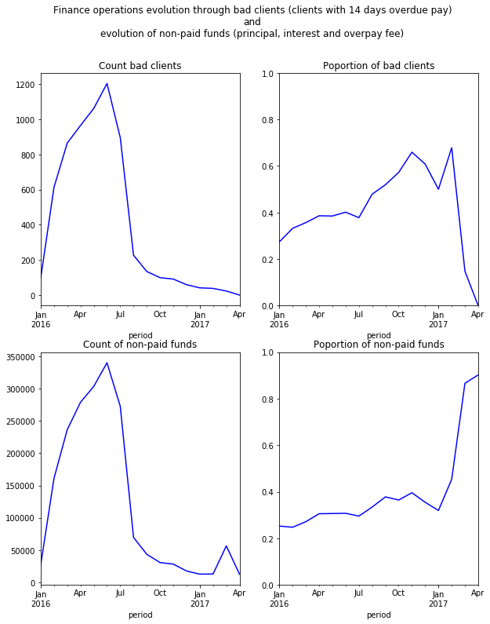

Assuming no error was committed in the analysis, the spike obfuscates the viability of a predictive analysis using
cross-sectional data. If possible, it is recommended to collect panel data tracking the payment evolution of each borrower. This is due to the innate complexity and likely violations of
statistical iid (independence and identical distribution) assumption in financial data in general.

Collection of panel data of client payment evolution will help to assess whether the spike is a stochastic shock,
a sign of seasonality or an indication of a stochoastic drift.

Proxy for client cohort quality
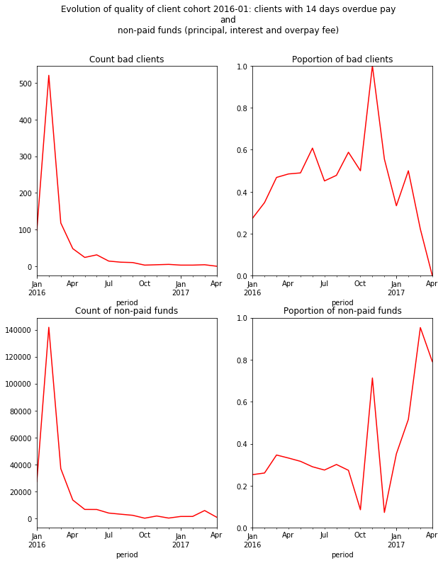
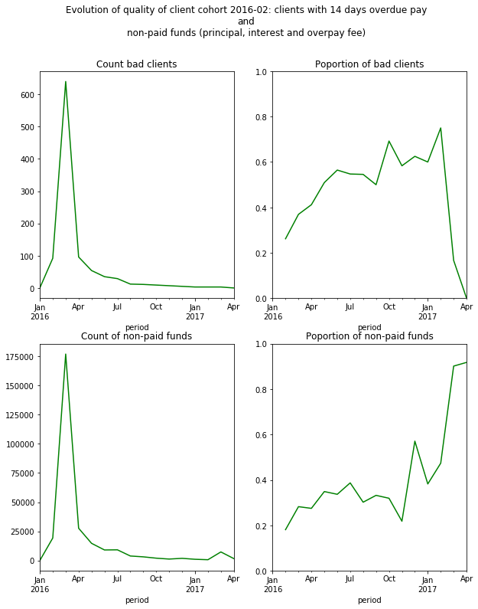
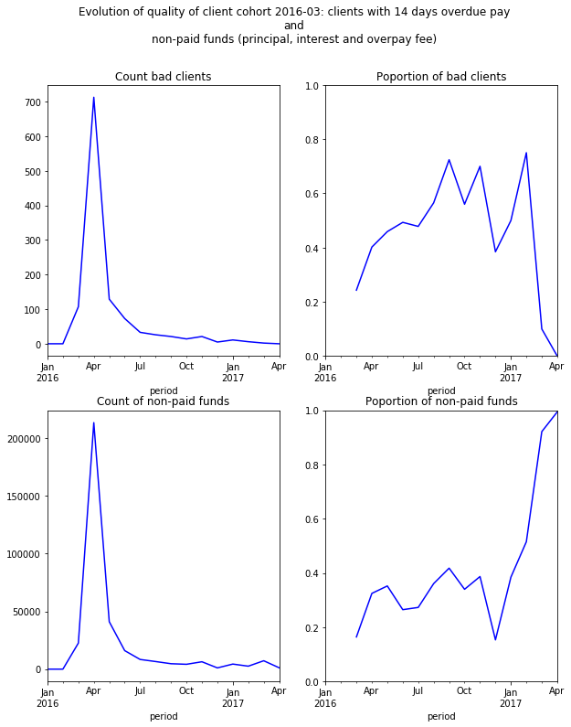
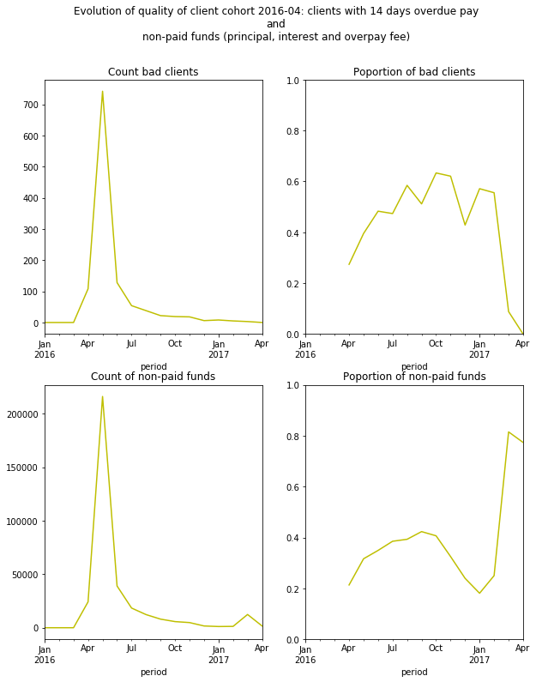
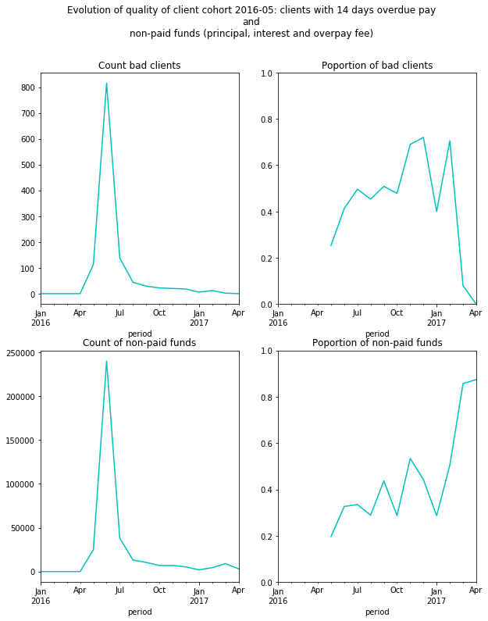
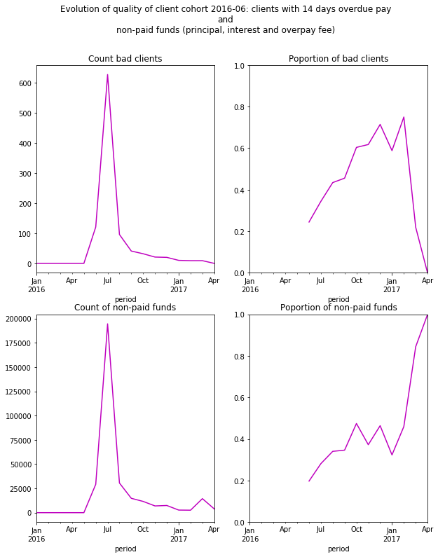

The graphs depict the evolution of non-paid funds and porportion of bad clients for different cohorts of enslitment time (register_date).
Each cohort represents borrowers asking for loans in a particular month. These plots are useful in making preliminary assumptions about the quality of borrowers the institutions allotted funds. These base hypotheses can and should be further investiagted.

We can recognize similar patterns across all cohorts:
(1) clients tend to pay late at the beginning of the loan period (within one month from distribution).
(2) proportion of bad clients peaks with time but then slightly drops (though remains high) towards the end of the tracking period.

Differences between cohorts can nonetheless be identified with some cohorts peaking with porportion of bad clients while other cohorts show a drop.
The sharp peaks and drops should be cross-referenced with the distributing institution's operational and financial history to see if an exogenous effect led to different borrower screening schemes or whether the changes in borrower quality are merely random.

Jaccard similarity top
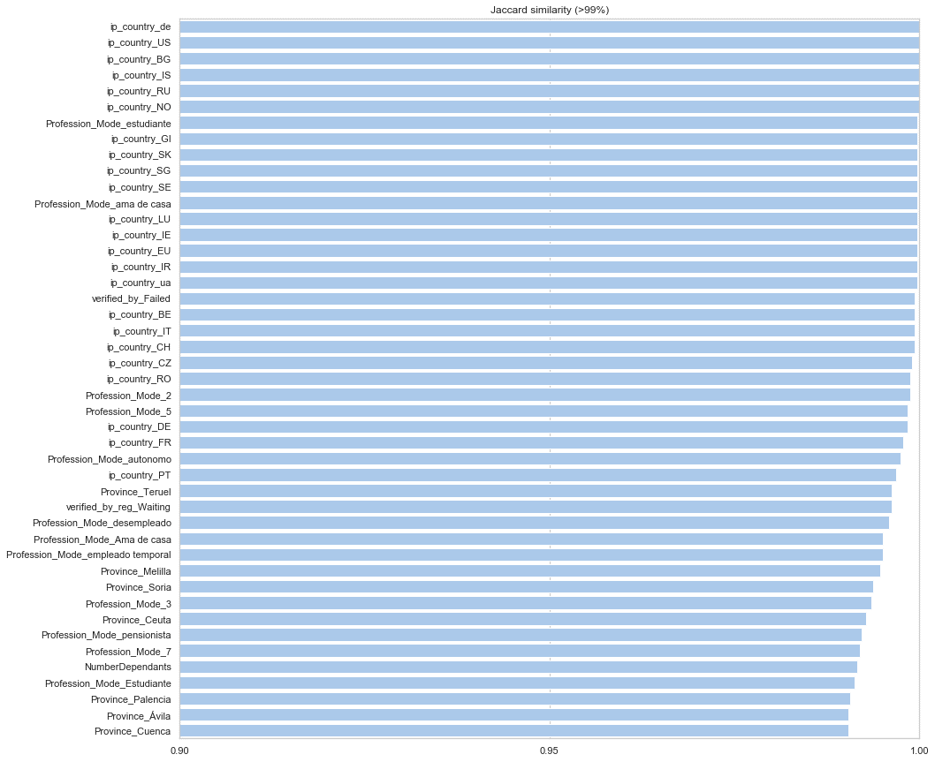
The Jaccard index compares similarities between clients who were refused a loan and those who
were approved by turned out to be bad clients. The comparison first converted continuous
variables to categorical values based on their position with respect to the varible's overall mean.

This analysis is crucial to start thinking critically about why clients that should have been refused a loan ex-ante nonetheless
passed through the instituion's credit scoring analysis. The assumption states that ex-post bad clients are likely to be similar in characteristics
to clients who were refused a loan.

Although a preliminary analysis, the Jaccard similarity can prove insightful. For instace,
bad and refused clients are similar in that both come from similar professions (i.e. students)
and from similar provinces. That being said, instead of using this analysis to make absolute
conclusions, it is advised to use the results to devise hypoetheses to be further analyzed.

It is advised to scrutinize the credit scoring procedure to see whether features that are similar between bad and refused clients
are verified by the current credit scoring mechanism.

