Zone_Names
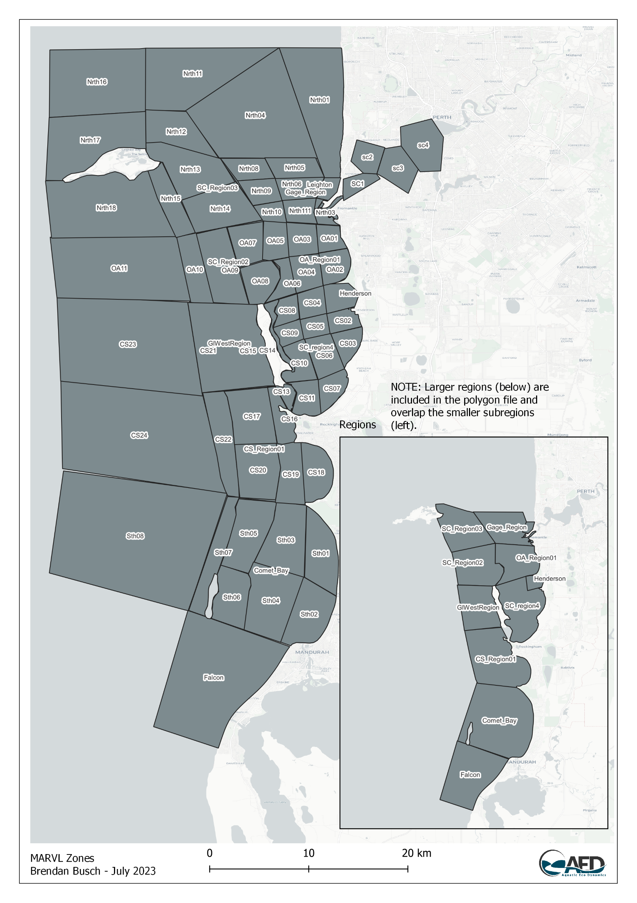
Unit_Name | Name | Plot_Order | BP_Region | BP_Order
Deep Water Channel | DWC-Region | 53 | North Coast | 1
Coastal Unit | CU-Region | 54 | North Coast | 2
Outer Limits | OL-Region | 55 | North Coast | 3
Gage Roads | GR-Region | 36 | Gage Roads | 7
Owen Anchorage | OA-Region | 23 | Owen Anchorage | 9
Cockburn Sound | CS-Region | 14 | Cockburn Sound | 14
Falcon | Falcon | 57 | South Coast | 17
Indian Ocean 4 | IO-4 | 52 | Indian Ocean | 8
Comet Bay | Comet-Region | 58 | South Coast | 16
Warnbro Shoalwater | SW-Region | 59 | South Coast | 15
Indian Ocean 3 | IO-3 | 51 | Indian Ocean | 7
Indian Ocean 2 | IO-2 | 50 | Indian Ocean | 6
Garden Island North Region | GI-NthRegion | 44 | Garden Island | 7
Indian Ocean 1 | IO-0 | 49 | Indian Ocean | 5
Rottnest East | RI-East | 46 | Indian Ocean | 2
Kingston | Kingston | 56 | North Coast | 4
Rottnest South | RI-South | 47 | Indian Ocean | 3
Indian Ocean 0 | IO-0 | 48 | Indian Ocean | 4
Five Fathom 5 | FFB-5 | 60 | South Coast | 14
Murray Reefs | Murray | 61 | South Coast | 13
Horseshoe Reef | Horseshoe | 62 | South Coast | 12
Comet Bay Southwest | Comet-Swest | 63 | South Coast | 11
Comet Bay Northwest | Comet-Nwest | 64 | South Coast | 10
Comet Bay South | Comet-South | 65 | South Coast | 9
Comet Bay North | Comet-North | 66 | South Coast | 8
Five Fathom 4 | FFB-4 | 67 | South Coast | 7
Coventry | Coventry | 68 | South Coast | 6
Whiting | Whiting | 69 | South Coast | 5
Shoalwater South | SW-South | 70 | South Coast | 4
Shoalwater North | SW-North | 71 | South Coast | 3
Minstrel | CS-Minstrel | 12 | Cockburn Sound | 12
Warnbro Sound | Warnbro | 72 | South Coast | 2
Five Fathom 3 | FFB-3 | 43 | Garden Island | 6
Garden Island East | CS-GIEast | 11 | Cockburn Sound | 11
Southern Flats | CS-SthFlats | 10 | Cockburn Sound | 10
Mangles Bay | CS-Mangles | 9 | Cockburn Sound | 9
North Basin West | CS-BasinNWest | 8 | Cockburn Sound | 8
Mid Basin West | CS-BasinMWest | 7 | Cockburn Sound | 7
South Basin West | CS-BasinSWest | 6 | Cockburn Sound | 6
North Basin East | CS-BasinNEast | 5 | Cockburn Sound | 5
Mid Basin East | CS-BasinMEast | 4 | Cockburn Sound | 4
South Basin East | CS-BasinSEast | 3 | Cockburn Sound | 3
Mid Kwinana Shelf | CS-KSMid | 2 | Cockburn Sound | 2
South Kwinana Shelf | CS-KSSouth | 1 | Cockburn Sound | 1
Five Fathom 2 | FFB-2 | 42 | Garden Island | 6
Casuarina Shoal | OA09 | 41 | Garden Island | 5
Stragglers | Stragglers | 22 | Owen Anchorage | 8
Carnac | Carnac | 21 | Owen Anchorage | 7
Mewstone | Mewstone | 20 | Owen Anchorage | 6
Parmelia | Parmelia | 19 | Owen Anchorage | 5
Success | Success | 18 | Owen Anchorage | 4
Owen Anchorage West | OA-West | 17 | Owen Anchorage | 3
Fish Rocks | OA-FishRocks | 16 | Owen Anchorage | 2
Owen Anchorage East | OA-East | 15 | Owen Anchorage | 1
Five Fathom 1 | FFB-1 | 40 | Garden Island | 4
South Passage | SthPassage | 39 | Garden Island | 3
Hugell Passage | Hugell | 38 | Garden Island | 2
Gage Roads Northwest | GR-NWest | 35 | Gage Roads | 6
Gage Roads Midwest | GR-MidWest | 34 | Gage Roads | 5
Gage Roads Southwest | GR-SWest | 33 | Gage Roads | 4
Gage Roads Mideast | GR-MidEast | 32 | Gage Roads | 3
Gage Roads Northeast | GR-Neast | 31 | Gage Roads | 2
Fremantle Port | Freo-Port | 25 | Fremantle | 1
Garden Island West | GI-West | 37 | Garden Island | 1
Rottnest North | RI-North | 74 | Indian Ocean | 1
Sepia Depression | Sepia | 73 | South Coast | 1
Gage Roads Southeast | GR-SEast | 30 | Gage Roads | 1
Leeuwin | SCE-Leeuwin | 26 | Swan Canning | 4
Freshwater Bay | SCE-FWBay | 27 | Swan Canning | 3
Lower Swan West | SCE-LSWest | 28 | Swan Canning | 2
Lower Swan East | SCE-LSEest | 29 | Swan Canning | 1
Henderson | CS-Henderson | 13 | Cockburn Sound | 13
Leighton | Freo-Leighton | 24 | Fremantle | 2
Garden Island West Region | GI-WestRegion | 45 | Garden Island | 8
IMOS North Rottnest | IO-NRSROTT | 75 | Indian Ocean | 5

