Methods
Beach porewater survey (Nov 2022 / Jan 2023)

The beach porewater survey was conducted to provide an update of and a comparison to a similar survey conducted by Smith et al. (2003) in which beach porewaters were sampled in February 2002.
Porewater samples were collected from the eastern shoreline of Cockburn Sound over two campaigns, November 2022 and January 2023. Porewater was sampled at 81 locations between Woodman Point and Mangles Bay along with 5 seawater samples. Duplicate porewater samples were collected at 5 sites (one each sampling day) with repeat samples collected on different days from 1 site at approximately the same location.
The beach porewater samples were collected from a depth of ~50 cm below the seabed and within 10 m of the shoreline using a spear probe. The spear probe consisted of a machined stainless steel tip with a small (~2 mm) screen consisting of four holes attached to a stainless steel tube. The spear probe was initially manually inserted and then driven to the required depth using a small mallet. The tip was connected to a length of nylon tubing that ran through the inside the body of the spear probe. Samples were extracted through the tube from the sediment using a syringe and were run through a flow cell containing an electrical conductivity (EC) probe (WTW Cond 3310 TetraCond 325) and a pH probe (WTW pH 3310 Sentix 41). The sample line was purged, and EC, pH and temperature measurements taken when readings were stable. A sample was then collected for analysis. Where required samples were filtered through a 0.45 μm nylon membrane filter and all samples were stored on ice before refrigerating at 4oC at the end of each day. | 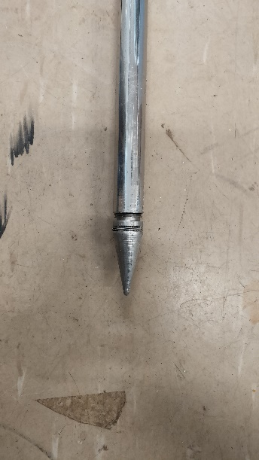 | 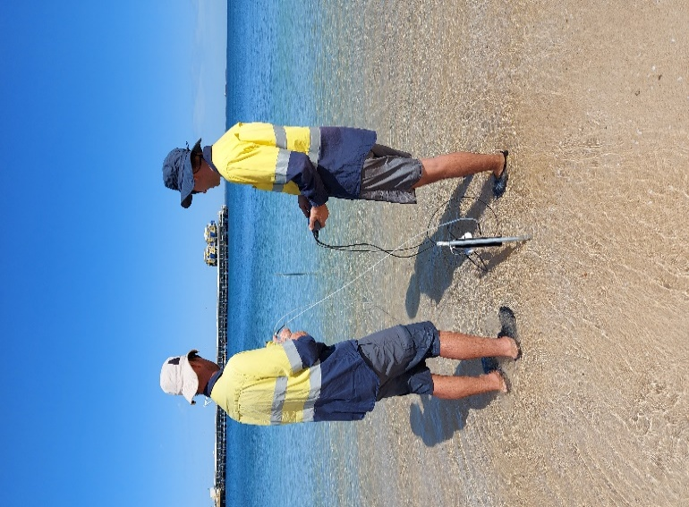
Samples were sent to the Marine and Freshwater Research Laboratory at Murdoch University for analysis. All samples were analysed for pH, EC, total dissolved nitrogen (TDN), ammonium-N (NH4-N), nitrate + nitrite-N (NOx-N), total dissolved phosphorus (TDP), soluble reactive phosphorus (SRP), dissolved organic carbon (DOC), chloride (Cl), sulfate (SO4), total alkalinity, sodium (Na), potassium (K), calcium (Ca), magnesium (Mg), iron (Fe) and boron (B). Since all laboratory pH were ≤8.3, the total alkalinity was converted to bicarbonate (HCO3).

Beach porewater infill survey (Jun 2024)
An additional survey was undertaken to infill a ~200 m section of the coastline south of the Fremantle Ports Kwinana Bulk Jetty, including two transects perpendicular to the coastline. Porewater samples were collected from 23 locations using the same techniques as pervious, along with one seawater sample.
Samples were sent to the Chemistry Centre of Western Australia for analysis. All samples were analysed for pH, EC, total dissolved nitrogen (TDN), ammonium-N (NH4-N), nitrate + nitrite-N (NOx-N), nitrate-N (NO3-N), nitrite-N (NO2-N), total dissolved phosphorus (TDP), soluble reactive phosphorus (P_SR), dissolved organic carbon (DOC), chloride (Cl), sulfate (SO4), total alkalinity, bicarbonate (HCO3), carbonate (CO3), sodium (Na), potassium (K), calcium (Ca), magnesium (Mg), aluminium (Al), iron (Fe) and manganese (Mn).

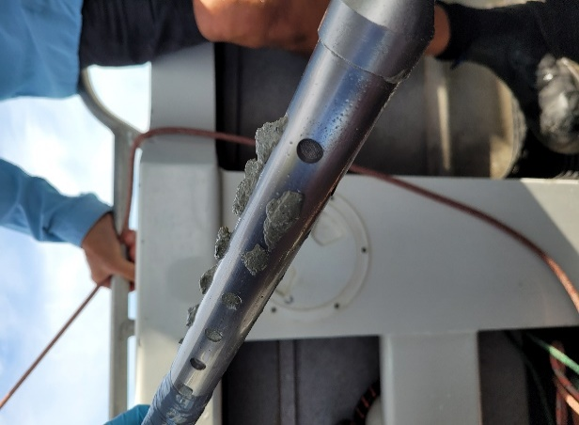
Offshore porewater survey (Dec 2023 and Apr 2024)
Two surveys were conducted offshore from the deck of the CSIRO research vessel, BF Ryan. The boat was positioned over the sampling site and held in place by a bow mounted trolling motor while sampling.
For water depths less than 5 m the spear probe was depoyed off the back of the boat and driven into the seabed using a small mallet. At locations deeper than 5 m a purpose build slide hammer positioned 1.2 m from the base of the spear probe was used to drive the probe into the seabed. A sampling depth of ~0.5 m was used as for the beach porewater survey. The same tip was used for the December 2023 offshore porewater survey as was used for the beach porewater collection. However due to the clogging of the small diameter inlet a different probe tip with a greater surface area (a series of 28 x 15 mm screened holes over 20 cm depth interval) was used for the April 2024 sampling round. Despite the increase in sampling area there were still locations where no porewater could be extracted due to clogging with fine sediments.
Over the two sampling campaigns porewater was collected from 33 locations, along with one seawater sample for each campaign. Samples were extracted and in-situ parameters measured as for the beach porewater sampling. Water depth was measured using a depth sounder and reported as depth from sea surface.
Samples were sent to the Chemistry Centre of Western Australia for analysis. All samples were analysed for pH, EC, total dissolved nitrogen (TDN), ammonium-N (NH4-N), nitrate + nitrite-N (NOx-N), nitrate-N (NO3-N), nitrite-N (NO2-N), total dissolved phosphorus (TDP), soluble reactive phosphorus (P_SR), dissolved organic carbon (DOC), chloride (Cl), sulfate (SO4), total alkalinity, bicarbonate (HCO3), carbonate (CO3), sodium (Na), potassium (K), calcium (Ca), magnesium (Mg), aluminium (Al), iron (Fe) and manganese (Mn).

