table_g_1
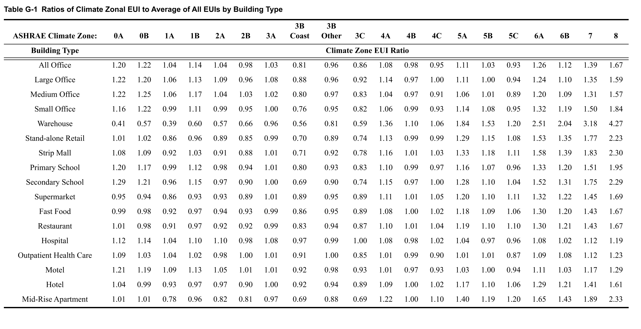
Climate Zone | 0A | 0B | 1A | 1B | 2A | 2B | 3A | 3B Coast | 3B Other | 3C | 4A | 4B | 4C | 5A | 5B | 5C | 6A | 6B | 7 | 8
All Office | 1.2 | 1.22 | 1.04 | 1.14 | 1.04 | 0.98 | 1.03 | 0.81 | 0.96 | 0.86 | 1.08 | 0.98 | 0.95 | 1.11 | 1.03 | 0.93 | 1.26 | 1.12 | 1.39 | 1.67
Large Office | 1.22 | 1.2 | 1.06 | 1.13 | 1.09 | 0.96 | 1.08 | 0.88 | 0.96 | 0.92 | 1.14 | 0.97 | 1 | 1.11 | 1 | 0.94 | 1.24 | 1.1 | 1.35 | 1.59
Medium Office | 1.22 | 1.25 | 1.06 | 1.17 | 1.04 | 1.03 | 1.02 | 0.8 | 0.97 | 0.83 | 1.04 | 0.97 | 0.91 | 1.06 | 1.01 | 0.89 | 1.2 | 1.09 | 1.31 | 1.57
Small Office | 1.16 | 1.22 | 0.99 | 1.11 | 0.99 | 0.95 | 1 | 0.76 | 0.95 | 0.82 | 1.06 | 0.99 | 0.93 | 1.14 | 1.08 | 0.95 | 1.32 | 1.19 | 1.5 | 1.84
Warehouse | 0.41 | 0.57 | 0.39 | 0.6 | 0.57 | 0.66 | 0.96 | 0.56 | 0.81 | 0.59 | 1.36 | 1.1 | 1.06 | 1.84 | 1.53 | 1.2 | 2.51 | 2.04 | 3.18 | 4.27
Stand-alone Retail | 1.01 | 1.02 | 0.86 | 0.96 | 0.89 | 0.85 | 0.99 | 0.7 | 0.89 | 0.74 | 1.13 | 0.99 | 0.99 | 1.29 | 1.15 | 1.08 | 1.53 | 1.35 | 1.77 | 2.23
Strip Mall | 1.08 | 1.09 | 0.92 | 1.03 | 0.91 | 0.88 | 1.01 | 0.71 | 0.92 | 0.78 | 1.16 | 1.01 | 1.01 | 1.33 | 1.18 | 1.11 | 1.58 | 1.39 | 1.83 | 2.3
Primary School | 1.2 | 1.17 | 0.99 | 1.12 | 0.98 | 0.94 | 1.01 | 0.8 | 0.93 | 0.83 | 1.1 | 0.99 | 0.97 | 1.16 | 1.07 | 0.96 | 1.33 | 1.2 | 1.51 | 1.95
Secondary School | 1.29 | 1.21 | 0.96 | 1.15 | 0.97 | 0.9 | 1 | 0.69 | 0.9 | 0.74 | 1.15 | 0.97 | 1 | 1.28 | 1.1 | 1.04 | 1.52 | 1.31 | 1.75 | 2.29
Supermarket | 0.95 | 0.94 | 0.86 | 0.93 | 0.93 | 0.89 | 1.01 | 0.89 | 0.95 | 0.89 | 1.11 | 1.01 | 1.05 | 1.2 | 1.1 | 1.11 | 1.32 | 1.22 | 1.45 | 1.69
Fast Food | 0.99 | 0.98 | 0.92 | 0.97 | 0.94 | 0.93 | 0.99 | 0.86 | 0.95 | 0.89 | 1.08 | 1 | 1.02 | 1.18 | 1.09 | 1.06 | 1.3 | 1.2 | 1.43 | 1.67
Restaurant | 1.01 | 0.98 | 0.91 | 0.97 | 0.92 | 0.92 | 0.99 | 0.83 | 0.94 | 0.87 | 1.1 | 1.01 | 1.04 | 1.19 | 1.1 | 1.04 | 1.3 | 1.21 | 1.43 | 1.67
Hospital | 1.12 | 1.14 | 1.04 | 1.1 | 1.1 | 0.98 | 1.08 | 0.97 | 0.99 | 1 | 1.08 | 0.98 | 1.02 | 1.04 | 0.97 | 0.96 | 1.08 | 1.02 | 1.12 | 1.19
Outpatient Health Care | 1.09 | 1.03 | 1.04 | 1.02 | 0.98 | 1 | 1.01 | 0.91 | 1 | 0.85 | 1.01 | 0.99 | 0.99 | 1.01 | 1.01 | 0.87 | 1.09 | 1.08 | 1.12 | 1.23
Motel | 1.21 | 1.19 | 1.09 | 1.13 | 1.05 | 1.01 | 1.01 | 0.92 | 0.98 | 0.93 | 1.01 | 0.97 | 0.93 | 1.03 | 1 | 0.94 | 1.11 | 1.03 | 1.17 | 1.29
Hotel | 1.04 | 0.99 | 0.93 | 0.97 | 0.97 | 0.9 | 1 | 0.92 | 0.94 | 0.89 | 1.09 | 1 | 1.02 | 1.17 | 1.1 | 1.06 | 1.29 | 1.21 | 1.41 | 1.61
Mid-Rise Apartment | 1.01 | 1.01 | 0.78 | 0.96 | 0.82 | 0.81 | 0.97 | 0.69 | 0.88 | 0.69 | 1.22 | 1 | 1.1 | 1.4 | 1.19 | 1.2 | 1.65 | 1.43 | 1.89 | 2.33

