Sheet1
Note: for graphs, only included if data was available across all three sources. For example, I did not include 3B coast since there was no parallel in CBECs or ESPM data.
For more information, see this link where the screenshot below was captured: https://www.eia.gov/consumption/commercial/maps.php
ESPM Climate Zone | CBECS descriptor | CBECs numeric classification | STD 100
1A Hot-Humid | Hot or Very Hot | 5 | 1A
2A Hot-Humid | Hot or Very Hot | 5 | 2A
2B Hot-Dry | Hot or Very Hot | 5 | 2B
2B Hot-Humid | Hot or Very Hot | 5 | 2B
3A Hot-Humid | Warm | 4 | 3A
3A Mixed-Humid | Warm | 4 | 3A
3B Hot-Dry | Warm | 4 | 3B Other
3C Marine | Warm | 4 | 3C
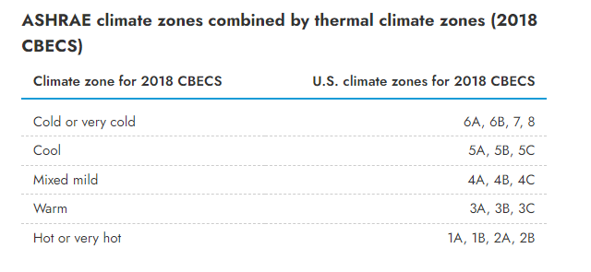
4A Mixed-Humid | Mixed mild | 3 | 4A
4B Mixed-Dry | Mixed mild | 3 | 4B
4C Marine | Mixed mild | 3 | 4C
5A Cold | Cool | 2 | 5A
5B Cold | Cool | 2 | 5B
6A Cold | Cold or Very Cold | 1 | 6A
6B Cold | Cold or Very Cold | 1 | 6B
7 Very Cold | Cold or Very Cold | 1 | 7
No data | No data | No data | 0A
No data | No data | No data | 0B
No data | Hot or Very Hot | 5 | 1B
No data | No data | No data | 3B Coast
No data | Cool | 2 | 5C
No data | Cold or Very Cold | 1 | 8

