Face
VERSION 2-3
Name | Symbol | Value | Unit |  |  |  | Photoresistor | From | Center | To | Unit
sensor length | Lp | 4.5 | mm |  |  |  | 1 | -9 | -6.75 | -4.5 | mm
sensor width | Wp | 5.2 | mm |  |  |  | 2 | -4.5 | -2.25 | 0 | mm
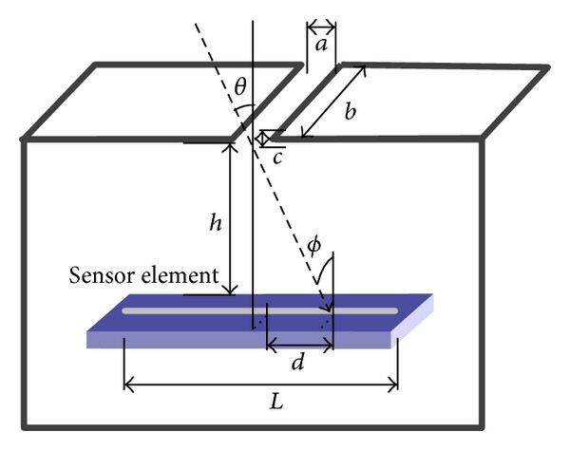
sensor number | N | 4 | pieces |  |  |  | 3 | 0 | 2.25 | 4.5 | mm
sensor array length | L | 18 | mm |  |  |  | 4 | 4.5 | 6.75 | 9 | mm
maximum distance from center to edge of array | dmax | 9 | mm
space between array and slit | h | 9 | mm
slit length | b | 18 | mm
slit width | a | 6.75 | mm
slit height | c | 0.2 | mm | < | 6.75 | mm

VERSION 4-…
Name | Symbol | Value | Unit |  |  |  | Photoresistor | From | Center | To | Unit
sensor length | Lp | 4.5 | mm |  |  |  | 1 | -9 | -6.75 | -4.5 | mm
sensor width | Wp | 5.2 | mm |  |  |  | 2 | -4.5 | -2.25 | 0 | mm
sensor number | N | 4 | pieces |  |  |  | 3 | 0 | 2.25 | 4.5 | mm
sensor array length | L | 18 | mm |  |  |  | 4 | 4.5 | 6.75 | 9 | mm
maximum distance from center to edge of array | dmax | 9 | mm
space between array and slit | h | 9 | mm |  |  |  | Bolt size | Size | Length S | Length L | Unit
slit length | b | 18 | mm |  |  |  | - | M3 | 10 | 20 | mm
slit width | a | 5.4 | mm |  |  |  | Nut size | Borders | Height | Width | Length | Unit
slit height | c | 0.2 | mm | < | 5.4 | mm | - | 6 | 2.4 | 5.4 | 6 | mm

VERSION 8-…
Name | Symbol | Value | Unit |  |  |  | Photoresistor | From | Center | To | Unit |  | Board raster | unit |  | Value | Unit
sensor length (max) | Lp | 4.5 | mm |  |  |  | 1 | -9.87 | -7.62 | -5.37 | mm |  | 2.54 | mm | Face height | 2 | mm
sensor width (max) | Wp | 5.2 | mm |  |  |  | 2 | -4.79 | -2.54 | -0.29 | mm |  |  |  | Separator slot | 0.4 | mm
sensor number | N | 4 | pieces |  |  |  | 3 | 0.29 | 2.54 | 4.79 | mm |  |  |  | Separator height | 10.57 | mm
sensor array length | L | 19.74 | mm |  |  |  | 4 | 5.37 | 7.62 | 9.87 | mm |  | Sensor height (avg) | unit | From face bottom to array | 7.87 | mm
maximum distance from center to edge of array | dmax | 9.87 | mm |  |  |  |  |  |  |  |  |  | 2.1 | mm | From face bottom to board | 10.17 | mm
space between array and slit | h | 9.87 | mm |  |  |  | Bolt size | Size | Length | Width | Unit |  | Sensor spacing to board |  | From separator slot to array | 7.47 | mm
slit length | b | 19.74 | mm |  |  |  | - | M1.6 | 16 | 1.3 | mm |  | 0.2 | mm | From separator slot to board | 9.77 | mm
slit width | a | 3.6 | mm |  |  |  | Nut size | Borders | Height | Width | Length | Unit | Sensor height to board |  | From face top to array | 9.87 | mm
slit height | c | 0.2 | mm | < | 2.2225306456 | mm | - | 6 | 1.1 | 3 | 3.4 | mm | 2.3 | mm | From face top to board | 12.17 | mm

