top_pdr
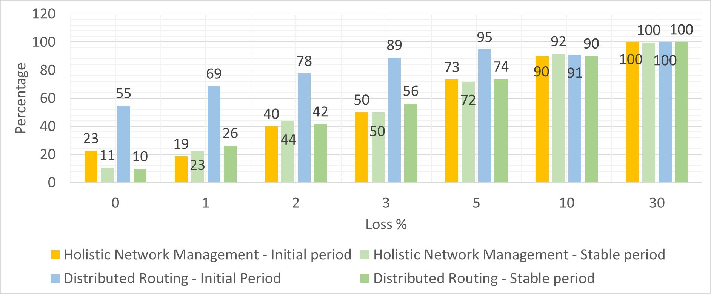
Type | Period | Topology | PDR
Holistic Network Management | Initial | 1x1 | 1.00
 | Initial | 2x2 | 5.00
 | Initial | 3x3 | 3.33
 | Initial | 5x5 | 8.67
 | Initial | 6x6 | 23
 | Stable | 1x1 | 0.00
 | Stable | 2x2 | 0.00
 | Stable | 3x3 | 0.00
 | Stable | 5x5 | 3.33
 | Stable | 6x6 | 11
Distributed Routing | Initial | 1x1 | 1.67
 | Initial | 2x2 | 0.00
 | Initial | 3x3 | 11.67
 | Initial | 5x5 | 32.67
 | Initial | 6x6 | 55
 | Stable | 1x1 | 0.00
 | Stable | 2x2 | 0.00
 | Stable | 3x3 | 1.67
 | Stable | 5x5 | 7.67
 | Stable | 6x6 | 10

top_latency
Type | Holistic Network Management |  |  |  |  |  |  |  |  | Distributed Routing
Topology | 1x1 |  | 2x2 |  | 3x3 |  | 5x5 |  | 6x6 |  | 1x1 |  | 2x2 |  | 3x3 |  | 5x5 |  | 6x6
Period | Initial | Stable | Initial | Stable | Initial | Stable | Initial | Stable | Initial | Stable | Initial | Stable | Initial | Stable | Initial | Stable | Initial | Stable | Initial | Stable
min | 4.36 | 4.42 | 9.18 | 8.66 | 12.02 | 12.10 | 19.57 | 18.77 | 22.79 | 22.81 | 4.35 | 3.78 | 9.78 | 7.77 | 12.70 | 12.38 | 19.54 | 18.00 | 22.60 | 21.77
avg | 17.01 | 10.48 | 43.99 | 11.05 | 29.78 | 35.32 | 51.62 | 43.41 | 65.98 | 45.30 | 28.51 | 19.31 | 36.39 | 11.06 | 59.62 | 53.91 | 4060.87 | 52.47 | 6409.26 | 57.90
max | 1065.00 | 134.68 | 1123.11 | 21.45 | 107.85 | 275.25 | 306.71 | 272.56 | 469.27 | 195.30 | 242.96 | 223.33 | 110.11 | 27.70 | 400.84 | 216.84 | 50829.36 | 1236.90 | 79439.70 | 473.65

Distributed Routing - Initial Period
 | min | avg | max
1x1 | 4.35 | 28.51 | 242.96
2x2 | 9.78 | 36.39 | 110.11
3x3 | 12.70 | 59.62 | 400.84
5x5 | 19.54 | 4060.87 | 50829.36
6x6 | 22.60 | 6409.26 | 79439.70
Holistic Network Management - Initial Period
 | min | avg | max
1x1 | 4.36 | 17.01 | 1065.00
2x2 | 9.18 | 43.99 | 1123.11
3x3 | 12.02 | 29.78 | 107.85
5x5 | 19.57 | 51.62 | 306.71
6x6 | 22.79 | 65.98 | 195.30

 |  |  |  |  |  |  |  |  |  |  |  |  |  |  |  |  |  | Type | Topology | Period |  | avg
 |  |  |  |  |  |  |  |  |  |  |  |  |  |  |  |  |  | Holistic Network Management | 1x1 | Initial | 9920.00 | 17.01 | 0.02 | 583254.93885 | 569.58
 |  |  |  |  |  |  |  |  |  |  |  |  |  |  |  |  |  |  |  | Initial | 9920.00 | 43.99 | 0.04 | 225505.79677 | 220.22
 |  |  |  |  |  |  |  |  |  |  |  |  |  |  |  |  |  |  | 2x2 | Initial | 9920.00 | 29.78 | 0.03 | 333154.21816 | 325.35
 |  |  |  |  |  |  |  |  |  |  |  |  |  |  |  |  |  |  |  | Initial | 9920.00 | 51.62 | 0.05 | 192188.46869 | 187.68
 |  |  |  |  |  |  |  |  |  |  |  |  |  |  |  |  |  |  | 3x3 | Initial | 9920.00 | 65.98 | 0.07 | 150346.31182 | 146.82
 |  |  |  |  |  |  |  |  |  |  |  |  |  |  |  |  |  |  |  | Stable | 9920.00 | 10.48 | 0.01 | 946564.8855 | 924.38
 |  |  |  |  |  |  |  |  |  |  |  |  |  |  |  |  |  |  | 5x5 | Stable | 9920.00 | 11.05 | 0.01 | 898062.64711 | 877.01
 |  |  |  |  |  |  |  |  |  |  |  |  |  |  |  |  |  |  |  | Stable | 9920.00 | 35.32 | 0.04 | 280828.8982 | 274.25
 |  |  |  |  |  |  |  |  |  |  |  |  |  |  |  |  |  |  | 6x6 | Stable | 9920.00 | 43.41 | 0.04 | 228513.5104 | 223.16
 |  |  |  |  |  |  |  |  |  |  |  |  |  |  |  |  |  | Distributed Routing |  | Stable | 9920.00 | 45.30 | 0.05 | 218974.8797 | 213.84
 |  |  |  |  |  |  |  |  |  |  |  |  |  |  |  |  |  |  | 1x1 | Initial | 9920.00 | 28.51 | 0.03 | 347996.91293 | 339.84
Distributed Routing - Stable Period
 | min | avg | max
1x1 | 3.78 | 19.31 | 223.33
2x2 | 7.77 | 11.06 | 27.70
3x3 | 12.38 | 53.91 | 216.84
5x5 | 18.00 | 52.47 | 1236.90
6x6 | 21.77 | 57.90 | 473.65
Holistic Network Management - Stable Period
 | min | avg | max
1x1 | 4.42 | 10.48 | 134.68
2x2 | 8.66 | 11.05 | 21.45
3x3 | 12.10 | 35.32 | 275.25
5x5 | 18.77 | 43.41 | 272.56
6x6 | 22.81 | 45.30 | 195.30
 |  |  |  |  |  |  |  |  |  |  |  |  |  |  |  |  |  |  |  | Initial | 9920.00 | 36.39 | 0.04 | 272617.34638 | 266.23
 |  |  |  |  |  |  |  |  |  |  |  |  |  |  |  |  |  |  | 2x2 | Initial | 9920.00 | 59.62 | 0.06 | 166392.70019 | 162.49
 |  |  |  |  |  |  |  |  |  |  |  |  |  |  |  |  |  |  |  | Initial | 9920.00 | 4060.87 | 4.06 | 2442.8292987 | 2.39
 |  |  |  |  |  |  |  |  |  |  |  |  |  |  |  |  |  |  | 3x3 | Initial | 9920.00 | 6409.26 | 6.41 | 1547.759618 | 1.51
 |  |  |  |  |  |  |  |  |  |  |  |  |  |  |  |  |  |  |  | Stable | 9920.00 | 19.31 | 0.02 | 513829.89744 | 501.79
 |  |  |  |  |  |  |  |  |  |  |  |  |  |  |  |  |  |  | 5x5 | Stable | 9920.00 | 11.06 | 0.01 | 896844.76991 | 875.82
 |  |  |  |  |  |  |  |  |  |  |  |  |  |  |  |  |  |  |  | Stable | 9920.00 | 53.91 | 0.05 | 184006.97446 | 179.69
 |  |  |  |  |  |  |  |  |  |  |  |  |  |  |  |  |  |  | 6x6 | Stable | 9920.00 | 52.47 | 0.05 | 189049.60646 | 184.62
 |  |  |  |  |  |  |  |  |  |  |  |  |  |  |  |  |  |  |  | Stable | 9920.00 | 57.90 | 0.06 | 171341.71618 | 167.33

top_throughput
Type | Period | Topology | Throughput
Holistic Network Management | Initial | 1x1 | 569.58
 |  | 2x2 | 220.22
 |  | 3x3 | 325.35
 |  | 5x5 | 187.68
 |  | 6x6 | 146.82
 | Stable | 1x1 | 924.38
 |  | 2x2 | 877.01
 |  | 3x3 | 274.25
 |  | 5x5 | 223.16
 |  | 6x6 | 213.84
Distributed Routing | Initial | 1x1 | 339.84
 |  | 2x2 | 266.23
 |  | 3x3 | 162.49
 |  | 5x5 | 2.39
 |  | 6x6 | 1.51
 | Stable | 1x1 | 501.79
 |  | 2x2 | 875.82
 |  | 3x3 | 179.69
 |  | 5x5 | 184.62
 |  | 6x6 | 167.33

