Coference Day 1
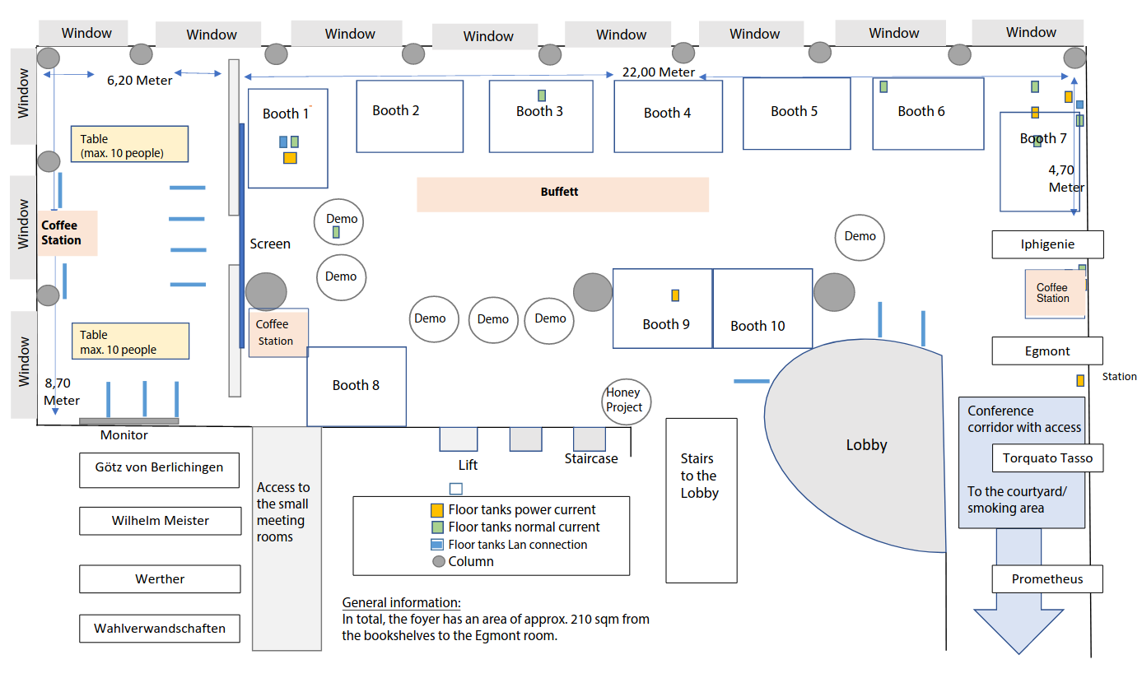
 | ROOM 1 | ROOM 2 | ROOM 3 | ROOM 4 | ROOM 5 | ROOM 6 | ROOM 7
9:00 - 9:15 |  |  |  |  |  | Group: extra | conference Slot title: Conference Opening Title: Welcome Speaker: Sahar Vahdati, Annalisa Gentile & Christoph Prinz
9:15 - 10:15 |  |  |  |  |  | Group: keynote | conference Slot title: Conference Keynote 1 Talk title: Generations of Knowledge Graphs: The Crazy Ideas and The Business Talk speaker: Xin Luna Dong (Meta) Link: dong-01
10:15 - 10:45 | Break
10:45 - 13:00 | Group: session | conference Slot title: Session | Group: session | conference Slot title: Session | Group: session | conference Slot title: Session | Group: session | conference Slot title: Session | Group: session | conference Slot title: Session | Group: session | lti Slot title: Session 1 Title: LTI Talk title: Technology Trends in Global Content Ecosystems Talk speaker: Josef Kubovsky & Roman Civin Talk title: How M&As Transform Europe's Language Technology and Content Industry Talk speaker: Arthur Wetzel, Nicola Gibbs, Laszlo Varga & Silke Zschweigert Talk title: Language Technology Requirements to Serve Global Enterprise Business Needs Talk speaker: Kirti Vashee & Johan Sporre Talk title: The Risks and Opportunities of Generative AI and LLMs Talk speaker: Kristina Podnar Link: LI_Session_1 | Group: session | conference Slot title: Session
13:00 - 14:00 | Lunch Break
14.00 - 15.00 |  |  |  |  |  | Group: keynote | conference Slot title: Conference Keynote 2 Talk title: From Part-of-speech to AI: a 30 Years' Journey in the World of Language Understanding Talk speaker: Marco Varone Link: Keynote_M_Varone
15:00-15:15 |  |  |  |  |  | Group: session | lti Slot title: Session 2 Title: LTI Sponsored talk Talk title: How AI Helps Language Service Providers Shape into Language Solution Providers Talk speaker: Arthur Wetzel Link: LI_Session_2
15:15 - 15:45 | Break and Poster Park
15:45 - 18:05 | Group: session | conference Slot title: Session | Group: session | conference Slot title: Session | Group: session | conference Slot title: Session | Group: session | conference Slot title: Session | Group: session | conference Slot title: Session | Group: session | lti Slot title: Session 3 Title: LTI Talk title: Banishing Terminology Chaos: The Terminology Database to the Rescue! Talk speaker: Sonia Ackermann & Ira Rotzler Talk title: Leveraging Technology to Build a Robust and Scalable Ecosystem for Global Content Operations Talk speaker: Bruno Hermann, Esther Curiel & Laura Rossi Talk title: Language Intelligence to Guide Medical Research Talk speaker: Holger Keibel & Stefan Schandelmaier Talk title: Automated ESG Knowledge Extraction from Dow Jones - Factiva Global News Talk speaker: Prasad Yalamanchi Talk title: Plain X: A 4-in-1 Tool for Content Adaptation Talk speaker: Mirko Lorenz Link: LI_Session_3 | Group: session | conference Slot title: Session
18:05 - 19:05 | Group: extra Title: Demo Hour and Walk through the Poster Park
19:20 | Conference Dinner

