Coference Day 1
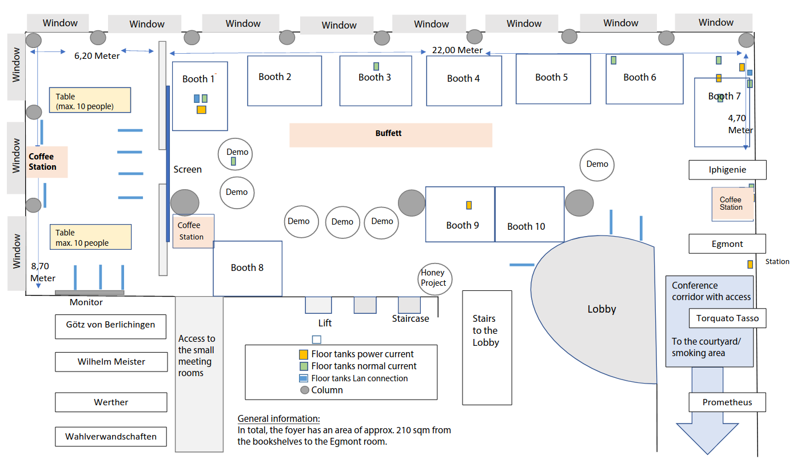
 | Wilhelm Meister + Götz von Berlichingen | Werther | Torquato Tasso | Prometheus | Egmont | Iphigenie
9:00 - 9:10 |  |  |  |  | Group: extra | conference Slot title: Conference Opening Title: Welcome Sahar Vahdati, Annalisa Gentile & Christoph Prinz
9:10 - 9:15 |  |  |  |  | Group: extra | conference Slot title: Conference Opening Title: Welcome address by the Saxon State Ministry for Science, Culture and Tourism Sebastian Gemkow
9:15 - 10:15 |  |  |  |  | Group: keynote | conference Slot title: Conference Keynote 1 Chair: Anna Lisa Gentile Talk speaker: Xin Luna Dong (Meta) Talk title: Generations of Knowledge Graphs: The Crazy Ideas and The Business Link: dong-01
10:15 - 10:45 | BREAK
10:45 - 13:00 | Group: session | conference Slot title: Session 1.1 (SEMANTiCS) Title: Reasoning & Recommendation Chair: Robert Wardenga Talk speaker: Thorsten Liebig, Peter Crocker, Tom Vout Talk title: From Complexity to Clarity: Configuring Success in Industrial Compatibility Management with Semantic Reasoning and Knowledge Graphs Talk speaker: Jan-Peter Bergmann Talk title: From Skills to Service: How Fraunhofer Society's Skill Catalogue Optimizes Research Request Management Talk speaker: Andreas Pawlik, Max Gärber Talk title: Intelligent Service Agent at ZEISS Talk speaker: Robert David Talk title: Fusing Semantics and Property Graphs to power Enterprise Recommender Systems Talk speaker: Wouter Beek Talk title: TriplyDB: Building a Freemium Online Triple Store Link: Semantics_Session_1.1 | Group: session | conference Slot title: Session 1.2 (SEMANTiCS) Title: Legal & Data Governance Chair: Marco Brattinga Talk speaker: Giulia Biagioni, Thom van Gessel Talk title: The FLINT ontology: an actor-based model of legal relations Talk speaker: Beatriz Esteves Talk title: Semantics for Implementing Data Reuse and Altruism under EU's Data Governance Act Talk speaker: Wouter Beek, Flores Bakker Talk Linked Data Budgeting with the HTML Vocabulary Talk speaker: David Price Talk title: Semantics in Pharma R&D Link: Semantics_Session_1.2 | Group: session | conference Slot title: Session 1.3 (SEMANTiCS) Title: Linking & Traversal Chair: Kossi Amouzouvi Talk speaker: Alexander Becker, Abdullah Ahmed, Mohamed Ahmed Sherif & Axel-Cyrille Ngonga Ngomo. Talk title: Cobalt: A Content-Based Similarity Approach for Link Discovery over Geospatial Knowledge Graphs Talk speaker: Ricardo A. Maturana Talk title: Open-world generative conversational assistants on knowledge graphs in tourism and museum projects [SP] Talk speaker: Raphaël Conde Salazar, Clement Jonquet & Danai Symeonidou Talk title: Classification of Linking Problem Types for linking semantic data Talk speaker: Leon Martin Talk title: BiPaSs: Further Investigation of Fast Pathfinding in Wikidata Talk speaker: Peter Crocker Talk title: Rules-based AI: How reasoning can transform your semantic project [SP] Link: Semantics_Session_1.3 | Group: session | conference Slot title: Session 1.4 (SEMANTiCS) Title: Cultural Heritage Chair: Silvio Peroni Talk speaker: Sasha Bruns Talk title: TRANSRAZ Data Model: Towards a Geosocial Representation of Historical Cities Talk speaker: Julia Becker, Mario Botsch, Mohammad Fazleh Elahi, Melanie Derksen, Philipp Cimiano, Angelika Maier, Marius Maile, Ingo Oliver Pätzold, Jonas Penningroth, Bettina Reglin, Markus Rothgänger & Silke Schwandt. Talk title: Virtual Reality based Access to Knowledge graphs for History Research Talk speaker: Enno Meijers Talk title: Building the Dutch Linked Data Space for Cultural Heritage Talk speaker: Sarah Binta Alam Shoilee, Victor de Boer & Jacco van Ossenbruggen Talk title: Polyvocal Knowledge Modelling for Ethnographic Heritage Object Provenance Link: Semantics_Session_1.4 | Group: session | lti Slot title: Session 1 (LI) Title: Language Intelligence Chair: Philippe Wacker Talk speaker: Josef Kubovsky & Roman Civin Talk title: Technology Trends in Global Content Ecosystems Talk speaker: Arthur Wetzel, Nicola Gibbs, Laszlo Varga & Silke Zschweigert Talk title: How M&As Transform Europe's Language Technology and Content Industry Talk speaker: Kirti Vashee & Johan Sporre Talk title: Language Technology Requirements to Serve Global Enterprise Business Needs Talk speaker: Kristina Podnar Talk title: LI KEYNOTE: The Risks and Opportunities of Generative AI and LLMs Link: LI_Session_1 | Group: session | conference Slot title: Session 1.5 (SEMANTiCS) Title: Knowledge Graphs Chair: Ute John Talk speaker: Manoé Kieffer Talk title: Evaluating Reification with Multi-valued Properties in a Knowledge Graph of Licensed Educational Resources" Talk speaker: Dennis Diefenbach Talk title: Create Enterprise AI assistants based on LLM in minutes! [SP] Talk speaker: Jans Aasman, Sheng-Chuan Wu Talk title: Why an Event-Native Mindset is Essential for Knowledge Graphs Talk speaker: Jan Voskuil Talk title: Towards a large-scale federated knowledge graph for government information Talk speaker: Andreas Blumauer Talk title: Responsible AI and LLMs [SP] Link: Semantics_Session_1.5
13:00 - 13:50 | LUNCH BREAK
13:50 - 14:00 | Group photo Meeting point: in front of the hotel
14:00 - 15:00 |  |  |  |  | Group: keynote | conference Slot title: Conference Keynote 2 Talk speaker: Marco Varone (expert.ai) Talk title: From Part-of-speech to AI: a 30 Years' Journey in the World of Language Understanding Link: Keynote_M_Varone
15:00 - 15:15 |  |  |  |  | Group: session | lti Slot title: Session 2 (LI) Chair: Philippe Wacker Title: LI Sponsored talk Talk speaker: Arthur Wetzel Talk title: How AI Helps Language Service Providers Shape into Language Solution Providers Link: LI_Session_2
15:15 - 15:45 | BREAK
15:45 - 16:35 | All participants interested in these sessions, are encouraged to attend the invited talk. |  |  |  | Group: session | lti Slot title: Session 3 (LI) Chair: Arthur Wetzel Title: Language Intelligence Talk speaker: Sophia Ackermann & Ira Rotzler Talk title: Banishing Terminology Chaos: The Terminology Database to the Rescue! Talk speaker: Bruno Hermann, Esther Curiel & Laura Rossi Talk title: Leveraging Technology to Build a Robust and Scalable Ecosystem for Global Content Operations Talk speaker: Holger Keibel & Stefan Schandelmaier Talk title: Language Intelligence to Guide Medical Research Talk speaker: Prasad Yalamanchi Talk title: Automated ESG Knowledge Extraction from Dow Jones - Factiva Global News Link: LI_Session_3 | Group: invited_talk | conference Slot title: Semantics Invited talk Chair: Sahar Vahdati Talk speaker: Francesco Osborne Talk title: Knowledge Graphs for Scientific Discovery: Opportunities and Challenges Link: osborne-01
16:35 - 16:45 | Break for Changing To Session Rooms
16:45 - 18:00 | Group: session | conference Slot title: Session 2.1 (SEMANTiCS) Title: Provenance and Compliance Chair: Daniel Garijo Talk speaker: Paul Brandt, Hans Stolk Talk title: How the Dutch Police deals with context - enforcing compliance while processing ontological data Talk speaker: Ian Eccleston, Irene Polikoff Talk title: How to manage regulatory policies with knowledge graphs to mitigate compliance risks [SP] Link: Semantics_Session_2.1 | Group: session | conference Slot title: Session 2.2 (SEMANTiCS) Title: Legal & Finances Chair: Christian Dirschl Talk speaker: Christian Dirschl, Anke Losch Talk title: New Concepts from Regulations and Law Articles Talk speaker: Kike Franssen, Eveline Schmidt Talk title: A New Approach to Taxonomy Creation: Combining Human Expertise with NLP to Extract Link: Semantics_Session_2.2 | Group: session | conference Slot title: Session 2.3 (SEMANTiCS) Title: NLP Chair: Amit Kirschenbaum Talk speaker: Michael Richter Talk title: Perplexed by idioms? Talk speaker: John Placek [SP] Talk title: Why you might not be ready for LLM's Talk speaker: Javier Soruco Lopez [Online] Talk title: QALD-9-ES: A Spanish Dataset for Question Answering Systems Link: Semantics_Session_2.3 | Group: session | conference Slot title: Session 2.4 (SEMANTiCS) Title: KG Creation Chair: Milan Dojchinovski Talk speaker: Wouter Beek Talk title: LD Wizard: Create Linked Data in One Spell Talk speaker: Jesús Barrasa, Alexander Jarasch Talk title: Knowledge Graphs, Large Language Models and Ontologies working together - observations from the field [SP] Talk speaker: Rik Opgenoort, Redmer Kronemeijer Talk title: We created a Knowledge Graph and want to show you how we did it Link: Semantics_Session_2.4 |  | Group: session | conference Slot title: Session 2.5 (SEMANTiCS) Title: Knowledge Graphs Chair: Maribel Acosta Talk speaker: Philip Strömert, Vatsal Limbachia, Pooya Oladazimi, Johannes Hunold and Oliver Koepler Talk title: Towards a Versatile Terminology Service for Empowering FAIR Research Data: Enabling Ontology Discovery, Design, Curation, and Utilization Across Scientific Communities Talk speaker: Krasimira Bozhanova & Teodora Petkova Talk title: Knowledge graphs, semantic metadata and LLMs at work for marketing content [SP] Talk speaker: Nikolaos Karalis Talk title: Native Execution of GraphQL Queries over RDF Graphs Using Multi-way Joins Link: Semantics_Session_2.5
18:00 - 19:00 | Group: extra | break Title: Demo Hour and Walk through the Poster Park Link: posters
19:30 | Title: Conference Dinner at Moritzbastei address: Kurt-Masur-Platz 1, 04109 Leipzig [Check the Website](https://www.moritzbastei.de/)

