Disposition Overview
Report Overview | The Office of Transition Management (OTM) Transition Application Planning (TAP) coordinated with the Defense Health Clinical Systems (DHCS) and Defense Health Services Systems (DHSS) program offices, in addition to the tri-Services, to collect technical and functional data regarding their information systems, in order to fully characterize the legacy DHA IM/IT portfolio. Using this data, OTM provided detailed analysis regarding each legacy system to the Functional Advisory Council (FAC), which made transition decisions that define if each system would be replaced by the future-state EHR (high probability systems) or would endure to support the future-state EHR (low probability systems).

ABACUS | System Description
System Owner | Army
ATO Date | NA |  |  | ATO Renewal Date |  | REQUIRES IMMEDIATE ACCREDITATION

Transition Analysis | Transition Category |  | Description
 | Low Probability with Integration (LPI) |  | LPI systems were designated by the Functional Advisory Council (FAC) as having a low probability of being replaced by the DHMSM EHR solution and were also designated as requiring integration with DHMSM in order to support data exchange.

Financial Analysis

Modernization Activities |  |  |  | Modernization Timeline
System Upgrades | Number of Products Affected | Total Upgrade Cost |  | ABACUS | FY15 | FY16 | FY17 | FY18 | FY19
Hardware Upgrades | 3 | $700,000.00 |  | System Budget | $8,807,988.00 | $9,070,728.00 | $9,892,902.00 | $9,620,090.00 | $9,620,090.00
Software Upgrades | 4 | $300,000.00 |  | Total Expected Modernization Costs | $6,300,000.00 | $300,000.00 | $- | $- | $-
Interface Modernization | See Interfaces Summary | $5,450,000.00 |  | HW/SW Modernization | $700,000.00 | $300,000.00 | $- | $- | $-
System ATO | NA | $150,000.00 |  | Interface Modernization** | $5,450,000.00 | $- | $- | $- | $-
Total |  | $6,600,000.00 |  | System DIACAP | $150,000.00 | $- | $- | $- | $-
 |  |  |  | **Interface Modernization activities involve upgrading the legacy system to be able to exchange data with COTS EHR solution via SOA services. It is assumed that these activities must be completed before the COTS EHR solution is fielded.

System Analysis

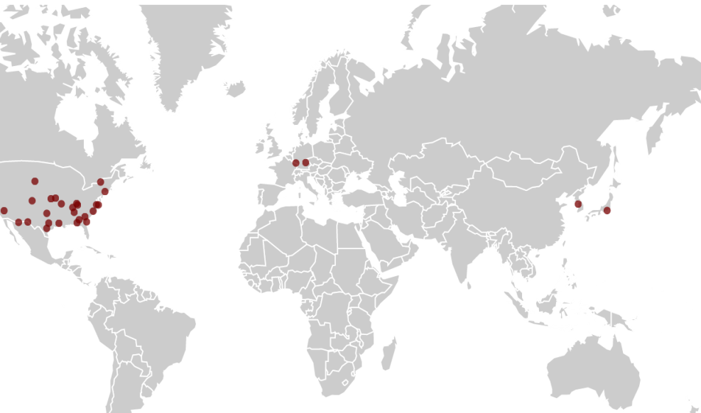
System Deployment |  |  |  |  | Interfaces Summary
 |  |  |  |  | The following graph illustrates the number of interfaces ABACUS will have in the future state based upon the business rules established for each interface type.
 | Required Direct Interfaces with DHMSM - Legacy Provider | Required Direct Interfaces with DHMSM - Legacy Consumer | Existing Legacy Interfaces Required to Endure | Existing Legacy Interfaces Recommended for Removal | Proposed Future Interfaces with DHMSM - Legacy Provider | Proposed Future Interfaces with DHMSM - Legacy Consumer
 | 4 | 5 | 2 | 1 | 3 | 2

