System Overview
Report Overview | The Office of Transition Management (OTM) Transition Application Planning (TAP) coordinated with the Defense Health Clinical Systems (DHCS) and Defense Health Services Systems (DHSS) program offices, in addition to the tri-Services, to collect technical and functional data regarding their information systems, in order to fully characterize the legacy DHA IM/IT portfolio. Using this data, OTM provided detailed analysis regarding each legacy system to the Functional Advisory Council (FAC), which made transition decisions that define if each system would be replaced by the future-state EHR (high probability systems) or would endure to support the future-state EHR (low probability systems). This report focuses on high probability systems that will require integration with the future-state EHR until FOC when they will be completely replaced by the future-state EHR. It provides analytical insights that specify the activities required for the system highlighted in this report to transition to the future state environment.

System Name

System Description | NA

System Information
Garrison / Theater | MHS-Specific | Average Daily Transaction Count | ATO Date Received | Scheduled End of Support | Number of Users

System Maturity
The following graphs provide an overview of the hardware and software maturity for @SYSTEM@, illustrating the number of software and hardware products in each lifecycle phase at the start of IOC (expected @DATE@).
Software Lifecycle |  |  | Hardware Lifecycle
Retired (Not Supported) | 0 | 0
Supported | 0 | 0
GA (Generally Available) | 0 | 0
TBD | 0 | 0
Retired (Not Supported) | 0
Supported | 0
GA (Generally Available) | 0
TBD | 0

Interfaces Summary
The following graph illustrates the number of interfaces @SYSTEM@ will have in the future state based upon the business rules established for each interface type.
 | Required Direct Interfaces with DHMSM - Legacy Provider | Required Direct Interfaces with DHMSM - Legacy Consumer | Existing Legacy Interfaces Required to Endure | Existing Legacy Interfaces Recommended for Removal | Proposed Future Interfaces with DHMSM - Legacy Provider | Proposed Temporary Interfaces with DHMSM - Legacy Consumer
Count | 0 | 0 | 0 | 0 | 0 | 0

System Site Details
Sites Deployed At |  | Example Site Name |  | Regions

System Interfaces
System Interfaces

System |  |  | This section displays the current @SYSTEM@ interfaces and how they are affected by DHMSM deployment.

Legend | Direct Integration |  |  |  | Indirect Integration | 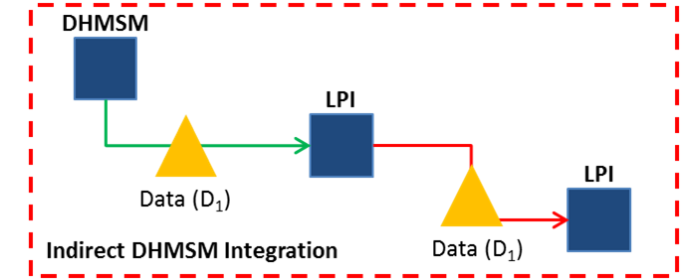 |  |  | Removed Legacy Interfaces | 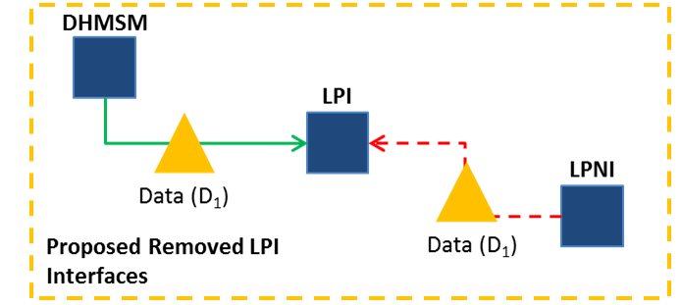
 | Key

Interface Type | Interfacing System | Probability of Interfacing System | Interface | Data Object | Format | Frequency | Protocol | DHMSM Provide / Consume | Services | Recommendation | Direct Cost | Indirect Cost

 |  |  |  |  |  |  |  |  |  | Total Cost

