Food
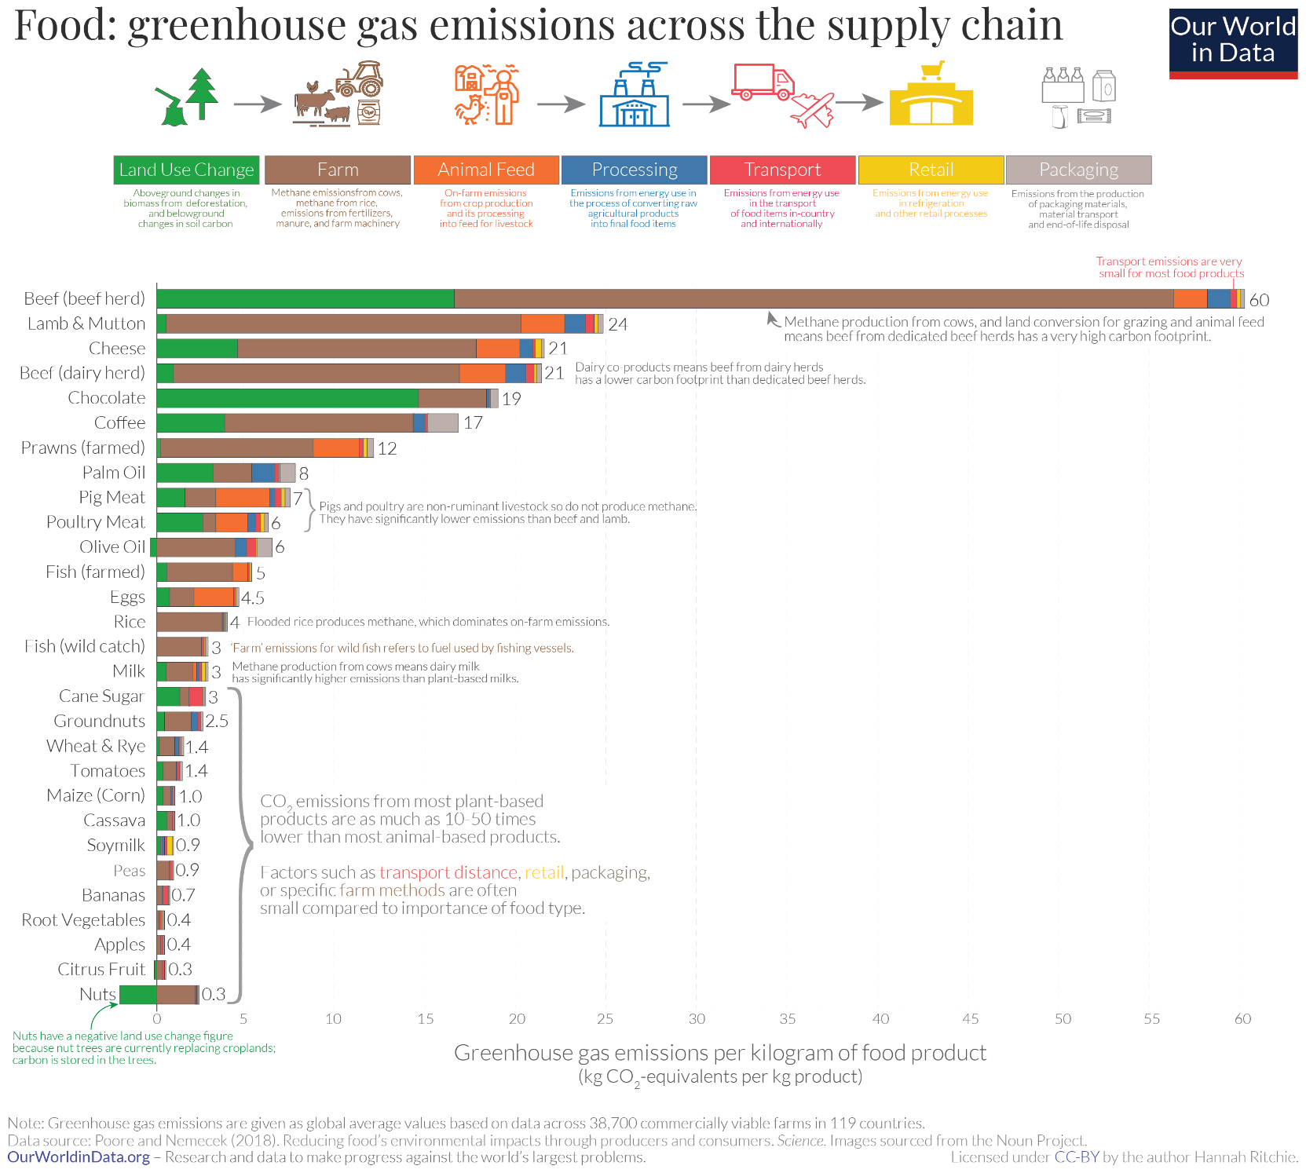
Product | CF |  | Reference
Beef (beef herd) | 68.25 | kgCO2/kg product
Lumb & Mutton | 24 | kgCO2/kg product
Cheese | 21 | kgCO2/kg product
Beef (dairy herd) | 44.75 | kgCO2/kg product
Chocolate | 19 | kgCO2/kg product
Coffe | 17 | kgCO2/kg product
Prawns (famed) | 12 | kgCO2/kg product
Palm oil | 8 | kgCO2/kg product
Pig meat | 7.9 | kgCO2/kg product
Poultry meat | 10.4 | kgCO2/kg product
Olive oil | 6 | kgCO2/kg product
Fish (farmed) | 5 | kgCO2/kg product
Eggs | 4.5 | kgCO2/kg product
Rice | 4 | kgCO2/kg product
Fish (wild catch) | 3 | kgCO2/kg product
Milk | 3 | kgCO2/kg product
Cane sugar | 3 | kgCO2/kg product
Groundnuts | 2.5 | kgCO2/kg product
Wheat & Rye | 1.4 | kgCO2/kg product
Tomatoes | 1.4 | kgCO2/kg product
Maize (Corn) | 1 | kgCO2/kg product
Cassava | 1 | kgCO2/kg product
Soymilk | 0.9 | kgCO2/kg product
Peas | 0.9 | kgCO2/kg product
Bananas | 0.7 | kgCO2/kg product
Root vegetables | 0.4 | kgCO2/kg product
Apples | 0.4 | kgCO2/kg product
Citrus Fruit | 0.3 | kgCO2/kg product
Nuts | 0.3 | kgCO2/kg product
Pasta | 1.12 | kgCO2/kg product | LCA of Cradle-to-grave carbon footprint of dried organic pasta, Author: Alessio Cimini, Matteo Cibelli and Mauro Moresi
Bread | 0.731 | kgCO2/kg product | Product carbon footprint of rye bread, Jesper Kronborg Jensen, Jan Stentoft Arlbjorn, University of Southern Denmark

Transport
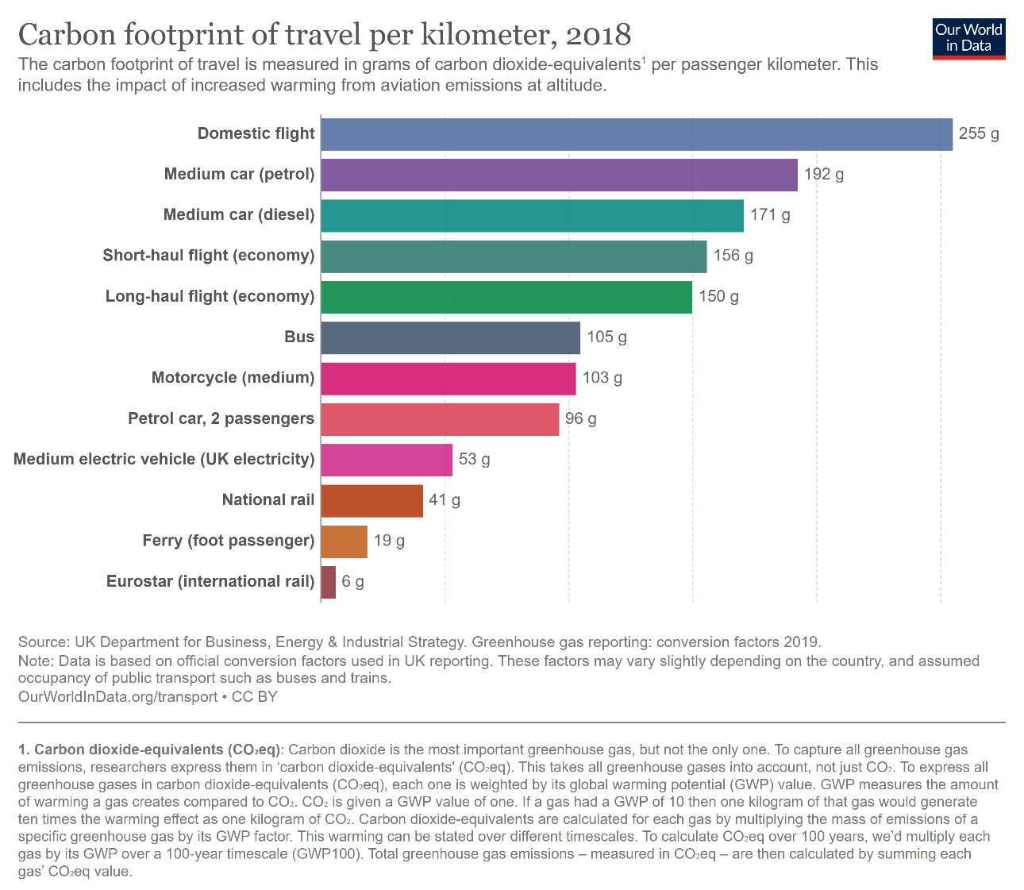
Product | CF |  | Reference
Domestic flight | 0.255 | kg CO2/km | https://ourworldindata.org/travel-carbon-footprint
Medium car (petrol) | 0.269 | kg CO2/km | Pag.148 Determining the environmental impacts of conventional and alternatively fuelled vehicles through LCA
Medium car (diesel) | 0.229 | kg CO2/km | Pag.148 Determining the environmental impacts of conventional and alternatively fuelled vehicles through LCA
Short-haul flight (economy) | 0.156 | kg CO2/km | https://ourworldindata.org/travel-carbon-footprint
Long-haul flight (economy) | 0.15 | kg CO2/km | https://ourworldindata.org/travel-carbon-footprint
Bus | 0.093 | kg CO2/km | Life cycle assessment of city buses powered by electricity, hydrogenated vegetable oil or diesel
Motorcycle (medium) | 0.096827 | kg CO2/km | LCA and economic analysis of the electric motorcycle in the cicty of Barcelona and the impact on air pollution
National rail | 0.053 | kg CO2/km | https://ourworldindata.org/travel-carbon-footprint
Ferry | 0.019 | kg CO2/km | https://ourworldindata.org/travel-carbon-footprint
Eurostar | 0.006 | kg CO2/km | https://ourworldindata.org/travel-carbon-footprint
Medium electric vehicle | 0.12 | kg CO2/km | Pag.148 Determining the environmental impacts of conventional and alternatively fuelled vehicles through LCA

