Food
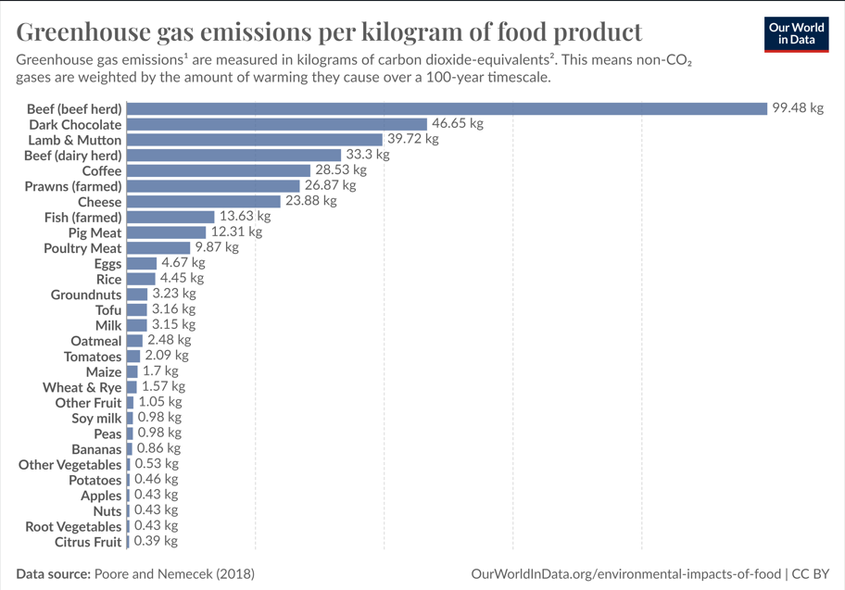
Source | Poore and Nemecek (2018)
Conducted by | https://www.science.org/doi/10.1126/science.aaq0216
Survey period | 2018
Region | Worldwide
Type of survey | n.a.
Number of respondents | n.a.
Age group | n.a.
Special characteristics | n.a.
Note | *Data represents the global average greenhouse gas emissions from food products based on a large meta-analysis of food production covering 38,700 commercially viable farms in 119 countries.
Publication
Published by | OWID
Publication date | June 2021
Original source | Environmental impacts of food production
ID | 1201677

Product | CF | REFERENCE
Beef | 99.48 | kgCO2/kg product
Dark Chocolate | 46.65 | kgCO2/kg product
Lamb & Mutton | 39.72 | kgCO2/kg product
Coffee | 28.53 | kgCO2/kg product
Prawns (mean) | 26.87 | kgCO2/kg product
Cheese | 23.88 | kgCO2/kg product
Fish (mean) | 7.00 | kgCO2/kg product
Pig Meat | 12.31 | kgCO2/kg product
Poultry Meat | 9.87 | kgCO2/kg product
Eggs | 4.67 | kgCO2/kg product
Rice | 4.45 | kgCO2/kg product
Groundnuts | 3.23 | kgCO2/kg product
Cane Sugar | 3.20 | kgCO2/kg product
Tofu (soybeans) | 3.16 | kgCO2/kg product
Milk | 3.15 | kgCO2/kg product
Oatmeal | 2.48 | kgCO2/kg product
Tomatoes | 2.09 | kgCO2/kg product
Beet Sugar | 1.81 | kgCO2/kg product
Other Pulses | 1.79 | kgCO2/kg product
Wine | 1.79 | kgCO2/kg product
Maize | 1.70 | kgCO2/kg product
Wheat & Rye | 1.57 | kgCO2/kg product
Berries & Grapes | 1.53 | kgCO2/kg product
Barley | 1.18 | kgCO2/kg product
Other Fruit | 1.05 | kgCO2/kg product
Peas | 0.98 | kgCO2/kg product
Soymilk | 0.98 | kgCO2/kg product
Bananas | 0.86 | kgCO2/kg product
Other Vegetables | 0.53 | kgCO2/kg product
Potatoes | 0.46 | kgCO2/kg product
Apples | 0.43 | kgCO2/kg product
Nuts | 0.43 | kgCO2/kg product
Root vegetables | 0.43 | kgCO2/kg product
Citrus fruits | 0.39 | kgCO2/kg product
Pasta | 1.12 | kgCO2/kg product | LCA of Cradle-to-grave carbon footprint of dried organic pasta, Author: Alessio Cimini, Matteo Cibelli and Mauro Moresi
Bread | 0.731 | kgCO2/kg product | Product carbon footprint of rye bread, Jesper Kronborg Jensen, Jan Stentoft Arlbjorn, University of Southern Denmark
Olive oil | 6 | kgCO2/kg product
summary
Red meat
source: istat 2023

Territorio | Italia
Seleziona periodo | 2023
Tipo di mattatoio | Tutte le voci
Tipo dato | numero capi macellati | peso vivo complessivo - quintali | peso vivo medio a capo - chilogrammi | peso morto complessivo - quintali | resa media (incidenza %)
Tipo allevamento | .. | .. | .. | .. | ..
totale bovini | 2426659 | 10704992 | 441.1 | 6029770 | 56.33
viitelli | .. | .. | .. | .. | ..
vitelli minori di 8 mesi | 539556 | 1100273 | 203.9 | 677867 | 61.61
vitelli da 8 mesi e piu | 73988 | 180250 | 243.6 | 111209 | 61.7
vitelloni e manzi | .. | .. | .. | .. | ..
buoi e tori | .. | .. | .. | .. | ..
vitelloni maschi e manzi | 730132 | 4115432 | 563.7 | 2424379 | 58.91
vitelloni femmine | 604179 | 2718299 | 449.9 | 1536358 | 56.52
buoi | 2823 | 14572 | 516.2 | 8072 | 55.39
tori | 10959 | 69725 | 636.2 | 39734 | 56.99
vacche | 465022 | 2506441 | 539 | 1232151 | 49.16
totale bufalini | 102999 | 317663 | 308.4 | 168733 | 53.12
annutoli (vitelli bufalini) | 62111 | 134162 | 216 | 76428 | 56.97
bufale | 35258 | 159220 | 451.6 | 79775 | 50.1
totale equini | 20177 | 88943 | 440.8 | 47831 | 53.78
cavalli | 18984 | 86570 | 456 | 46585 | 53.81
muli e bardotti | 35 | 96 | 274.3 | 51 | 53.13
asini | 1158 | 2277 | 196.6 | 1195 | 52.48
totale bovini e bufalini | 2529658 | 11022655 | 435.7 | 6198503 | 56.23
totale ovini | 2641027 | 477747 | 18.1 | 272965 | 57.14
pecore | 313372 | 141938 | 45.3 | 71046 | 50.05
montoni | 5672 | 2971 | 52.4 | 1537 | 51.73
agnelli | 2072753 | 268069 | 12.9 | 162367 | 60.57
agnelloni | 248597 | 64474 | 25.9 | 37853 | 58.71
bovini e bufalini castrati | 633 | 295 | 46.6 | 162 | 54.92
agnelloni e castrati | .. | .. | .. | .. | ..
pecore e montoni | .. | .. | .. | .. | ..
totale caprini | 170511 | 27278 | 16 | 15609 | 57.22
capre | 30628 | 10587 | 34.6 | 5473 | 51.7
becchi | 912 | 422 | 46.3 | 214 | 50.71
capretti e caprettoni | 138971 | 16269 | 11.7 | 9922 | 60.99
capre e becchi | .. | .. | .. | .. | ..
totale ovini e caprini | 2811538 | 505025 | 18 | 288574 | 57.14
totale suini | 9889990 | 14744335 | 149.1 | 12058727 | 81.79
lattonzoli | 309614 | 43734 | 14.1 | 35568 | 81.33
lattonzoli e magroni | 373778 | 322419 | 86.3 | 254210 | 78.84
suini grassi | 9206598 | 14378182 | 156.2 | 11768949 | 81.85
struzzi | 153 | 125 | 81.7 | 49 | 39.2
Dati estratti il 08 Jun 2024 19:29 UTC (GMT) da I.Stat

Animals Qt | Dead weight (quintals) | Effect | Kg CO2 eq/ Kg red meat

Beef
2529658 | 6198503 | 33.42% | 33.248872815
Swine
9889990 | 12058727 | 65.02% | 8.0041247805
Sheep
2811538 | 288574 | 1.56% | 0.61804596231
 | Tot |  | Tot emission red meat
 | 18545804 |  | 41.871043557

Fruit
 |  | Data: Global fruit production in 2022, by selected variety (in million metric tons)*
Source | FAO
Conducted by | FAO | Bananas | 135.11
Survey period | 2022 | Watermelons | 99.96
Region | Worldwide | Apples | 95.84
Type of survey | n.a. | Oranges | 76.41
Number of respondents | n.a. | Grapes | 74.94
Age group | n.a. | Mangoes | 59.15
Special characteristics | Data accessed on February 6, 2024 | mandarins | 44.18
Published by | FAO | Plantains and others | 44.15
Publication date | February 2024 | Fruit, fresh nes | 38.20
Original source | faostat3.fao.org | Pineapples | 29.36
ID | 264001 | Melons, other | 28.56
 |  | Fruit, tropical fresh nes | 28.36
 |  | Pears | 26.35
 |  | Peaches and nectarines | 26.35
 |  | Lemons and limes | 21.53
 |  | Fruit, citrus nes | 14.42
 |  | Papayas | 13.82
 |  | Plums and sloes | 12.39
 |  | Grapefruit (inc. pomelos) | 9.76
 |  | Dates | 9.75
 |  | Strawberries | 9.57
 |  | Avocados | 8.98
 |  | Kiwi fruit | 4.54
 |  | Persimmons | 4.44
 |  | Apricots | 3.86
 |  | Cherries | 2.77
 |  | Cherries, sour | 1.59
 |  | Cashewapple | 1.33
 |  | Figs | 1.24
 |  | Blueberries | 1.23
 |  | Berries nes | 1.02
 |  | Raspberries | 0.95

Fruit | Qt in mmt | Effect | Kg CO2 eq/ Kg Fruit

Citrus | 166.30 | 0.19509848778 | 0.076088410235

Bananas | 135.11 | 0.15850725607 | 0.13631624022

Apples | 95.84 | 0.11243679536 | 0.048347822006

Other | 455.14 | 0.53395746079 | 0.56065533383
 | Total |  | Fruit emission
 | 852.39 |  | 0.82140780629

Fish
Data source istat | In italy prawns production is about 7% of the entire fishing production | Kg CO2 eq/ KG fish
 |  | 8.3909

Transport
Product | CF |  | Reference
Domestic flight | 0.255 | kg CO2/km | https://ourworldindata.org/travel-carbon-footprint
Medium car (petrol) | 0.269 | kg CO2/km | Pag.148 Determining the environmental impacts of conventional and alternatively fuelled vehicles through LCA
Medium car (diesel) | 0.229 | kg CO2/km | Pag.148 Determining the environmental impacts of conventional and alternatively fuelled vehicles through LCA
Short-haul flight (economy) | 0.156 | kg CO2/km | https://ourworldindata.org/travel-carbon-footprint
Long-haul flight (economy) | 0.15 | kg CO2/km | https://ourworldindata.org/travel-carbon-footprint
Bus | 0.093 | kg CO2/km | Life cycle assessment of city buses powered by electricity, hydrogenated vegetable oil or diesel
Motorcycle (medium) | 0.096827 | kg CO2/km | LCA and economic analysis of the electric motorcycle in the cicty of Barcelona and the impact on air pollution
National rail | 0.053 | kg CO2/km | https://ourworldindata.org/travel-carbon-footprint
Ferry | 0.019 | kg CO2/km | https://ourworldindata.org/travel-carbon-footprint
Eurostar | 0.006 | kg CO2/km | https://ourworldindata.org/travel-carbon-footprint
Medium electric vehicle | 0.12 | kg CO2/km | Pag.148 Determining the environmental impacts of conventional and alternatively fuelled vehicles through LCA
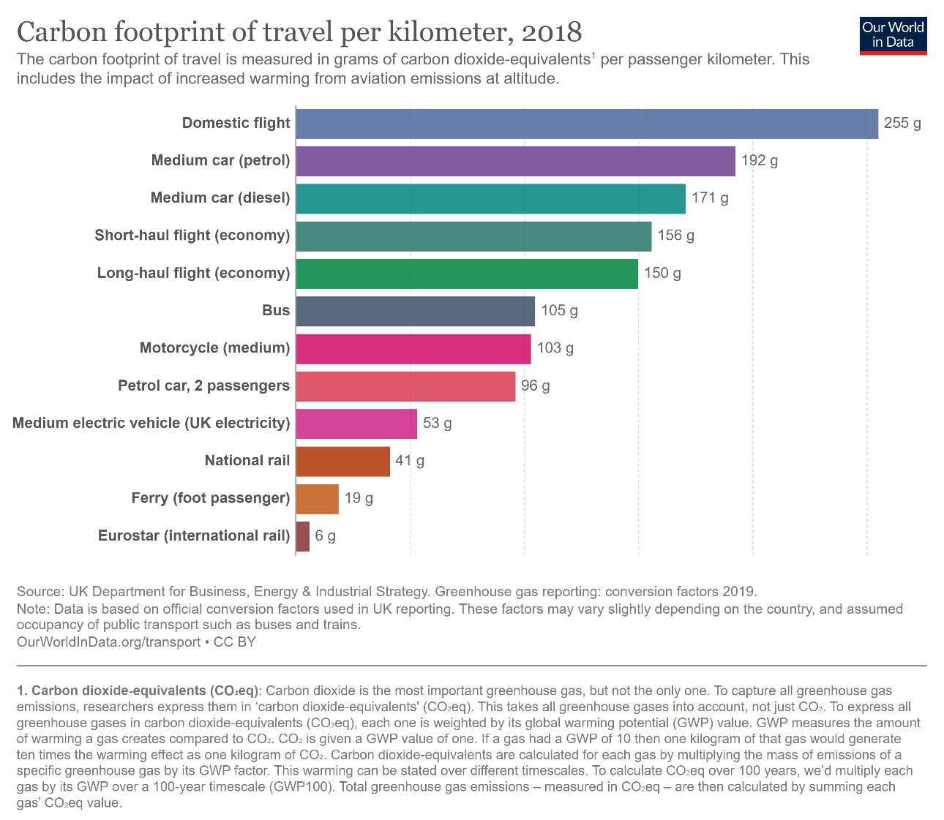

*national flights in europe have been rightfully rounded to "continental flights" once considered the very similar distances

