setup
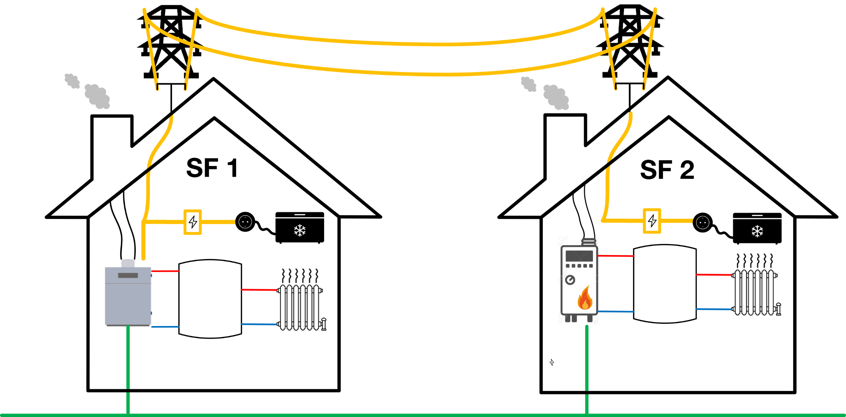

time step duration | 15 | min
horizon | 5 | steps

profiles are used in cycles: | that means, at the end of the profile for the forecasts the values of the beginning are used

simulation time: | 8 | hours

GrdBuyCost and GrdSellCost (means electricity buy and sell costs) are the same for both buildings
GenCosts (gas prices) are the same for both buildings

overview_timevariable
Chart Title
 | SF1_DEMND_heat | SF1_DEMND_elec | SF2_DEMND_heat | SF2_DEMND_elec
 | 7.5384615385 | 0.75604180274 | 2.2 | 0.44087289885
 | 7.5384615385 | 0.67276290007 | 13.2 | 1.992037747
 | 4.3076923077 | 0.67766165905 | 8.8 | 4.2140961368
 | 2.1538461538 | 2.0035924233 | 8.8 | 4.2951931584
 | 5.3846153846 | 1.0369039843 | 4.4 | 2.1335889118
 | 6.4615384615 | 2.8837361202 | 11 | 1.9949867296
 | 4.3076923077 | 3.9843239713 | 17.6 | 4.7051017399
 | 2.1538461538 | 0.82952318746 | 0 | 3.3692126216
 | 7.5384615385 | 1.0205747877 | 8.8 | 1.8681804777
 | 14 | 0.89320705421 | 8.8 | 2.1925685638
 | 1.0769230769 | 0.69399085565 | 2.2 | 0.5809495724
 | 5.3846153846 | 3.1890920967 | 11 | 0.69448540254
 | 7.5384615385 | 5 | 15.4 | 0.90238867591
 | 1.0769230769 | 2.6877857609 | 6.6 | 1.3815983486
 | 7.5384615385 | 0.80992815153 | 19.8 | 5
 | 6.4615384615 | 0.73644676682 | 0 | 1.2783839575
 | 4.3076923077 | 0.85401698236 | 0 | 3.1273960484
 | 7.5384615385 | 0.95199216199 | 22 | 1.4125626659
 | 10.769230769 | 0.8523840627 | 11 | 0.97611324093
 | 4.3076923077 | 0.83442194644 | 6.6 | 0.97611324093
 | 1.0769230769 | 1.0989549314 | 8.8 | 0.74461810675
 | 4.3076923077 | 1.3373612018 | 8.8 | 0.92745502802
 | 2.1538461538 | 1.288373612 | 0 | 0.84046004129
 | 3.2307692308 | 1.0303723057 | 11 | 1.0586847538
 | 5.3846153846 | 1.0483344219 | 8.8 | 0.95252138012
 | 4.3076923077 | 0.58458523841 | 6.6 | 1.4567974049
 | 4.3076923077 | 0.65643370346 | 6.6 | 1.8593335299
 | 3.2307692308 | 0.8197256695 | 8.8 | 0.81244470658
 | 5.3846153846 | 1.379817113 | 8.8 | 0.79917428487
 | 4.3076923077 | 0.94056172436 | 2.2 | 0.80064877617
 | 3.2307692308 | 1.2312214239 | 11 | 0.63108227661
 | 3.2307692308 | 0.90300457218 | 6.6 | 0.49690356827
step / index | time [min] | time [h] | SF1_DEMND_heat | SF1_DEMND_elec | SF2_DEMND_heat | SF2_DEMND_elec | GenCosts | GrdBuyCosts | GrdSellCosts
0 | NaN | NaN
1 | 0 | 0 | 7.5384615385 | 0.75604180274 | 2.2 | 0.44087289885 | 0.07 | 0.3 | 0.1
2 | 15 | 0.25 | 7.5384615385 | 0.67276290007 | 13.2 | 1.992037747 | 0.07 | 0.3 | 0.1
3 | 30 | 0.5 | 4.3076923077 | 0.67766165905 | 8.8 | 4.2140961368 | 0.09 | 0.3 | 0.1
4 | 45 | 0.75 | 2.1538461538 | 2.0035924233 | 8.8 | 4.2951931584 | 0.09 | 0.3 | 0.1
5 | 60 | 1 | 5.3846153846 | 1.0369039843 | 4.4 | 2.1335889118 | 0.09 | 0.3 | 0.1
6 | 75 | 1.25 | 6.4615384615 | 2.8837361202 | 11 | 1.9949867296 | 0.09 | 0.3 | 0.1
7 | 90 | 1.5 | 4.3076923077 | 3.9843239713 | 17.6 | 4.7051017399 | 0.09 | 0.3 | 0.1
8 | 105 | 1.75 | 2.1538461538 | 0.82952318746 | 0 | 3.3692126216 | 0.09 | 0.3 | 0.1
9 | 120 | 2 | 7.5384615385 | 1.0205747877 | 8.8 | 1.8681804777 | 0.07 | 0.3 | 0.1
10 | 135 | 2.25 | 14 | 0.89320705421 | 8.8 | 2.1925685638 | 0.07 | 0.3 | 0.1
11 | 150 | 2.5 | 1.0769230769 | 0.69399085565 | 2.2 | 0.5809495724 | 0.07 | 0.3 | 0.1
12 | 165 | 2.75 | 5.3846153846 | 3.1890920967 | 11 | 0.69448540254 | 0.07 | 0.3 | 0.1
13 | 180 | 3 | 7.5384615385 | 5 | 15.4 | 0.90238867591 | 0.07 | 0.3 | 0.1
14 | 195 | 3.25 | 1.0769230769 | 2.6877857609 | 6.6 | 1.3815983486 | 0.07 | 0.3 | 0.1
Chart Title
15 | 210 | 3.5 | 7.5384615385 | 0.80992815153 | 19.8 | 5 | 0.07 | 0.3 | 0.1
16 | 225 | 3.75 | 6.4615384615 | 0.73644676682 | 0 | 1.2783839575 | 0.07 | 0.3 | 0.1
17 | 240 | 4 | 4.3076923077 | 0.85401698236 | 0 | 3.1273960484 | 0.07 | 0.3 | 0.1
18 | 255 | 4.25 | 7.5384615385 | 0.95199216199 | 22 | 1.4125626659 | 0.07 | 0.3 | 0.1
19 | 270 | 4.5 | 10.769230769 | 0.8523840627 | 11 | 0.97611324093 | 0.05 | 0.3 | 0.1
20 | 285 | 4.75 | 4.3076923077 | 0.83442194644 | 6.6 | 0.97611324093 | 0.05 | 0.25 | 0.03
21 | 300 | 5 | 1.0769230769 | 1.0989549314 | 8.8 | 0.74461810675 | 0.05 | 0.25 | 0.03
22 | 315 | 5.25 | 4.3076923077 | 1.3373612018 | 8.8 | 0.92745502802 | 0.05 | 0.25 | 0.03
23 | 330 | 5.5 | 2.1538461538 | 1.288373612 | 0 | 0.84046004129 | 0.05 | 0.25 | 0.03
24 | 345 | 5.75 | 3.2307692308 | 1.0303723057 | 11 | 1.0586847538 | 0.09 | 0.25 | 0.03
25 | 360 | 6 | 5.3846153846 | 1.0483344219 | 8.8 | 0.95252138012 | 0.09 | 0.25 | 0.03
26 | 375 | 6.25 | 4.3076923077 | 0.58458523841 | 6.6 | 1.4567974049 | 0.09 | 0.25 | 0.03
27 | 390 | 6.5 | 4.3076923077 | 0.65643370346 | 6.6 | 1.8593335299 | 0.09 | 0.25 | 0.03
28 | 405 | 6.75 | 3.2307692308 | 0.8197256695 | 8.8 | 0.81244470658 | 0.07 | 0.25 | 0.03
29 | 420 | 7 | 5.3846153846 | 1.379817113 | 8.8 | 0.79917428487 | 0.07 | 0.25 | 0.03
30 | 435 | 7.25 | 4.3076923077 | 0.94056172436 | 2.2 | 0.80064877617 | 0.07 | 0.25 | 0.03
31 | 450 | 7.5 | 3.2307692308 | 1.2312214239 | 11 | 0.63108227661 | 0.07 | 0.25 | 0.03
32 | 465 | 7.75 | 3.2307692308 | 0.90300457218 | 6.6 | 0.49690356827 | 0.07 | 0.25 | 0.03

