devices
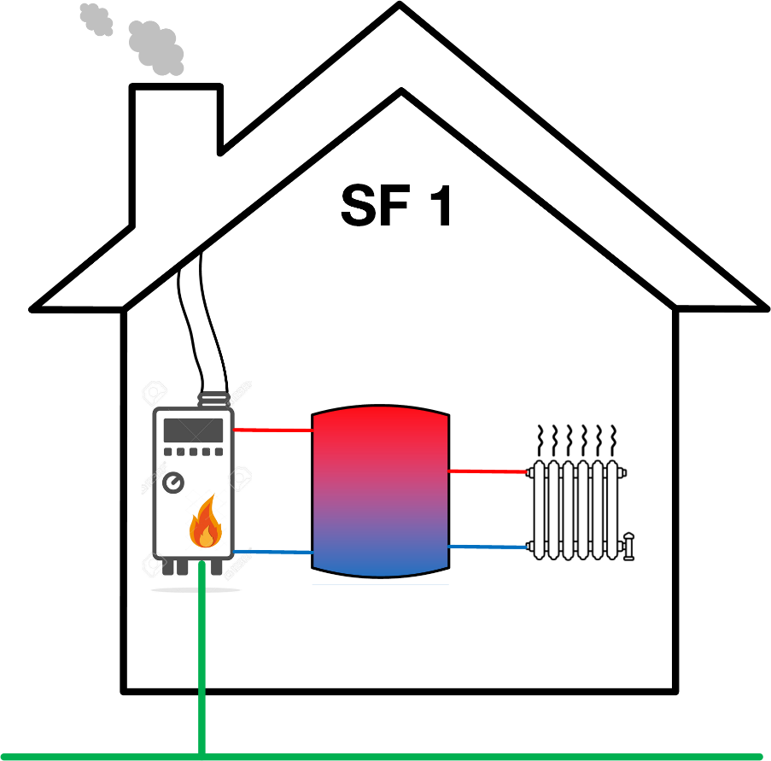

Boiler
nameID
DevType | CPROD
PrimSect | heat
EffPrim | 0.88 | %
MaxPower | 14.00 | kW, kWp
minTemp | 40.00 | ° C
maxTemp | 80.00 | ° C
PrimEnCost | 0.07 | € / kWh
CO2PerKWh | 0.20 | kg CO2 / kWh
GenCosts | 0.13 | € / kWh

Demand
EndPoint | localhost:4850
ConnStat | /
MEMAPflag | TRUE
EMSnameID | /
nameID | /
Object | /
DevType | DEMND
MaxTempDC | / | ° C
MinTempDH | 40.00 | ° C
currentDem | / | kW | heat
currentDem | / | kW | elec
currentDem | / | kW | gas
NumDFCstp | 5.00
SizeDFCstp | 15.00 | min
EmsTotProd |  | kW
EmsTotProd |  | kW
EmsTotProd |  | kW
GrdBuyCost | 9999.00 | € / kWh | heat
GrdBuyCost | 0.30 | € / kWh | elec
GrdSellCost | 0.00 | € / kWh | heat
GrdSellCost | 0.09 | € / kWh | elec
UserData | /

Thermal Storage
nameID | /
DevType | /
PrimSect | heat
EffPrim | 0.97 | %
DisEffPrim | 0.97 | %
Capacity | 36.10 | kWh
minTemp | 40.00 | ° C
maxTemp | 80.00 | ° C
StorLossPD | 24.00 | kWh / d
curChrg | / | kW
curDisChrg | / | kW
curSOC |  | -
MaxDisChrgPwr | 56.00 | kW
MaxChrgPwr | 56.00 | kW

demand_profile
0
7.098
4.56
3.926
12.657
14
heat demand profile
5.446
5.446
4.623
5.156
7.793
7.648
5.617
6.317
7.368
7.286
7.062
5.025
4.374
5.143
5.816
4.688
4.124
8.388
9.938
6.131
5.545
9.417
9.693
10.488
10.687
5.895
5.553

gas_price_profile
99.99
0.071
0.072
0.072
0.072
0.071
gas price profile
0.07
0.069
0.067
0.065
0.063
0.06
0.058
0.056
0.053
0.052
0.05
0.05
0.051
0.053
0.055
0.057
0.059
0.062
0.064
0.066
0.068
0.07
0.071
0.072
0.072
0.072
0.071

