setup
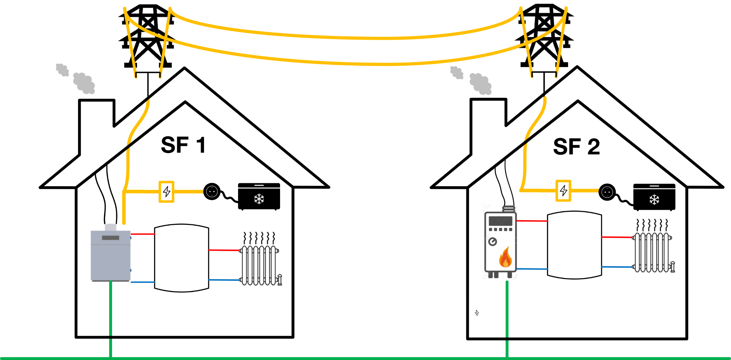

time step duration | 15 | min
horizon | 5 | steps

profiles are used in cycles: | that means, at the end of the profile for the forecasts the values of the beginning are used

simulation time: | 8 | hours

GrdBuyCost and GrdSellCost (means electricity buy and sell costs) are the same for both buildings
GenCosts (gas prices) are the same for both buildings

overview_timevariable
 | SF1_DEMND_heat | SF1_DEMND_elec | SF2_DEMND_heat | SF2_DEMND_elec
 | 7.098 | 5 | 1.792 | 2
 | 4.56 | 5 | 1.982 | 2
 | 3.926 | 5 | 3.197 | 2
 | 12.657 | 5 | 1.388 | 2
 | 14 | 5 | 1.765 | 2
 | 5.446 | 5 | 4.611 | 2
 | 5.446 | 5 | 4.873 | 2
 | 4.623 | 5 | 2.312 | 2
 | 5.156 | 5 | 2.158 | 2
 | 7.793 | 5 | 2.02 | 2
 | 7.648 | 5 | 2.594 | 2
 | 5.617 | 5 | 2.8 | 2
 | 6.317 | 5 | 1.849 | 2
 | 7.368 | 5 | 2.09 | 2
 | 7.286 | 5 | 2.531 | 2
 | 7.062 | 5 | 2.37 | 2
 | 5.025 | 5 | 2.34 | 2
 | 4.374 | 5 | 2.103 | 2
 | 5.143 | 5 | 1.242 | 2
 | 5.816 | 5 | 2.135 | 2
 | 4.688 | 5 | 1.267 | 2
 | 4.124 | 5 | 2.073 | 2
 | 8.388 | 5 | 1.342 | 2
 | 9.938 | 5 | 1.179 | 2
 | 6.131 | 5 | 3.535 | 2
 | 5.545 | 5 | 3.772 | 2
 | 9.417 | 5 | 2.444 | 2
 | 9.693 | 5 | 1.425 | 2
 | 10.488 | 5 | 4.172 | 2
 | 10.687 | 5 | 4.005 | 2
 | 5.895 | 5 | 4.478 | 2
 | 5.553 | 5 | 3.791 | 2
step / index | time [min] | time [h] | SF1_DEMND_heat | SF1_DEMND_elec | SF2_DEMND_heat | SF2_DEMND_elec | GenCosts | GrdBuyCosts | GrdSellCosts
0 | NaN | NaN
1 | 15 | 0.25 | 7.098 | 5 | 1.792 | 2 | 0.07 | 0.3 | 0.1
2 | 30 | 0.5 | 4.56 | 5 | 1.982 | 2 | 0.07 | 0.3 | 0.1
3 | 45 | 0.75 | 3.926 | 5 | 3.197 | 2 | 0.09 | 0.3 | 0.1
4 | 60 | 1 | 12.657 | 5 | 1.388 | 2 | 0.09 | 0.3 | 0.1
5 | 75 | 1.25 | 14 | 5 | 1.765 | 2 | 0.09 | 0.3 | 0.1
6 | 90 | 1.5 | 5.446 | 5 | 4.611 | 2 | 0.09 | 0.3 | 0.1
7 | 105 | 1.75 | 5.446 | 5 | 4.873 | 2 | 0.09 | 0.3 | 0.1
8 | 120 | 2 | 4.623 | 5 | 2.312 | 2 | 0.09 | 0.3 | 0.1
9 | 135 | 2.25 | 5.156 | 5 | 2.158 | 2 | 0.07 | 0.3 | 0.1
10 | 150 | 2.5 | 7.793 | 5 | 2.02 | 2 | 0.07 | 0.25 | 0.03
11 | 165 | 2.75 | 7.648 | 5 | 2.594 | 2 | 0.07 | 0.25 | 0.03
12 | 180 | 3 | 5.617 | 5 | 2.8 | 2 | 0.07 | 0.25 | 0.03
13 | 195 | 3.25 | 6.317 | 5 | 1.849 | 2 | 0.07 | 0.25 | 0.03
14 | 210 | 3.5 | 7.368 | 5 | 2.09 | 2 | 0.07 | 0.25 | 0.03
15 | 225 | 3.75 | 7.286 | 5 | 2.531 | 2 | 0.07 | 0.25 | 0.03
16 | 240 | 4 | 7.062 | 5 | 2.37 | 2 | 0.07 | 0.25 | 0.03
17 | 255 | 4.25 | 5.025 | 5 | 2.34 | 2 | 0.07 | 0.25 | 0.03
18 | 270 | 4.5 | 4.374 | 5 | 2.103 | 2 | 0.07 | 0.25 | 0.03
19 | 285 | 4.75 | 5.143 | 5 | 1.242 | 2 | 0.05 | 0.25 | 0.03
20 | 300 | 5 | 5.816 | 5 | 2.135 | 2 | 0.05 | 0.25 | 0.03
21 | 315 | 5.25 | 4.688 | 5 | 1.267 | 2 | 0.05 | 0.25 | 0.03
22 | 330 | 5.5 | 4.124 | 5 | 2.073 | 2 | 0.05 | 0.25 | 0.03
23 | 345 | 5.75 | 8.388 | 5 | 1.342 | 2 | 0.05 | 0.3 | 0.1
24 | 360 | 6 | 9.938 | 5 | 1.179 | 2 | 0.09 | 0.3 | 0.1
25 | 375 | 6.25 | 6.131 | 5 | 3.535 | 2 | 0.09 | 0.3 | 0.1
26 | 390 | 6.5 | 5.545 | 5 | 3.772 | 2 | 0.09 | 0.3 | 0.1
27 | 405 | 6.75 | 9.417 | 5 | 2.444 | 2 | 0.09 | 0.3 | 0.1
28 | 420 | 7 | 9.693 | 5 | 1.425 | 2 | 0.09 | 0.3 | 0.1
29 | 435 | 7.25 | 10.488 | 5 | 4.172 | 2 | 0.09 | 0.3 | 0.1
30 | 450 | 7.5 | 10.687 | 5 | 4.005 | 2 | 0.09 | 0.3 | 0.1
31 | 465 | 7.75 | 5.895 | 5 | 4.478 | 2 | 0.07 | 0.3 | 0.1
32 | 480 | 8 | 5.553 | 5 | 3.791 | 2 | 0.07 | 0.3 | 0.1

SF2_DEMND_heat
step / index | time [min] | time [h] | SF2_DEMND_heat
0 | NaN | NaN
1 | 15 | 0.25 | 1.792 | kW
2 | 30 | 0.5 | 1.982 | kW
3 | 45 | 0.75 | 3.197 | kW
4 | 60 | 1 | 1.388 | kW
5 | 75 | 1.25 | 1.765 | kW
6 | 90 | 1.5 | 4.611 | kW
7 | 105 | 1.75 | 4.873 | kW
8 | 120 | 2 | 2.312 | kW | o
9 | 135 | 2.25 | 2.158 | kW
10 | 150 | 2.5 | 2.02 | kW
11 | 165 | 2.75 | 2.594 | kW
12 | 180 | 3 | 2.8 | kW
13 | 195 | 3.25 | 1.849 | kW
14 | 210 | 3.5 | 2.09 | kW
15 | 225 | 3.75 | 2.531 | kW
16 | 240 | 4 | 2.37 | kW
17 | 255 | 4.25 | 2.34 | kW
18 | 270 | 4.5 | 2.103 | kW
19 | 285 | 4.75 | 1.242 | kW
20 | 300 | 5 | 2.135 | kW
21 | 315 | 5.25 | 1.267 | kW
22 | 330 | 5.5 | 2.073 | kW
23 | 345 | 5.75 | 1.342 | kW
24 | 360 | 6 | 1.179 | kW
25 | 375 | 6.25 | 3.535 | kW
26 | 390 | 6.5 | 3.772 | kW
27 | 405 | 6.75 | 2.444 | kW
28 | 420 | 7 | 1.425 | kW
29 | 435 | 7.25 | 4.172 | kW
30 | 450 | 7.5 | 4.005 | kW
31 | 465 | 7.75 | 4.478 | kW
32 | 480 | 8 | 3.791 | kW

