Schematic
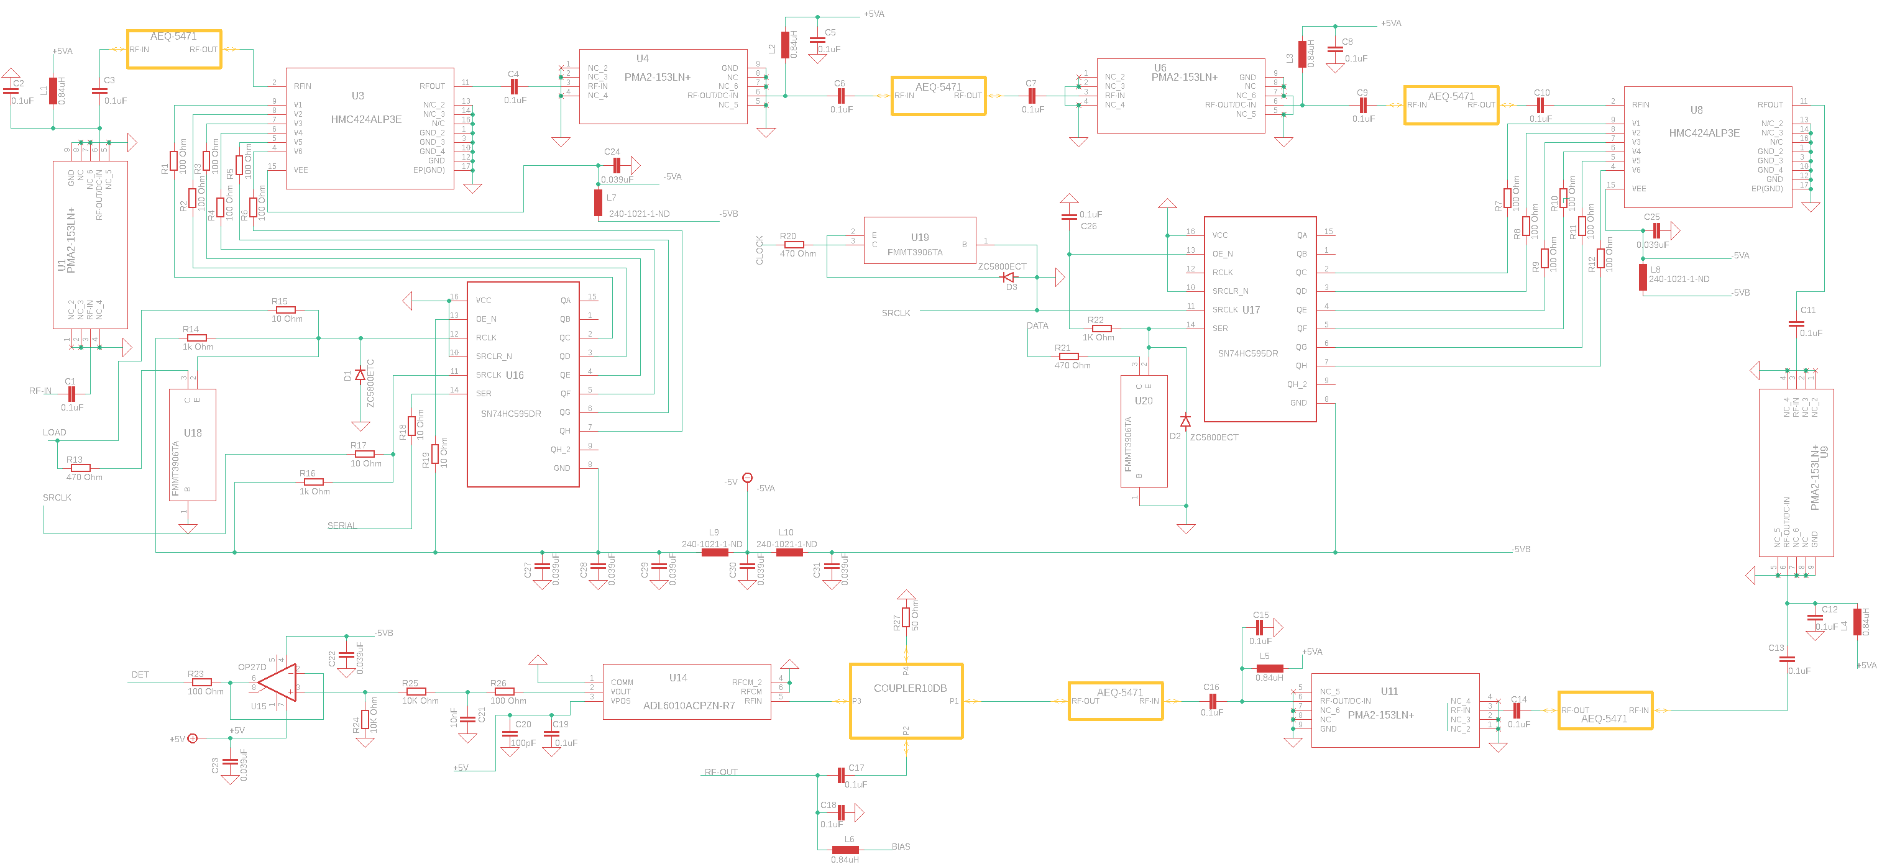
PAM Schematic |  |  |  | Designed in Eagle
 | Author: | Jaz Hill-Valler | Date: | 2020-10-19

