DL110 Gen11
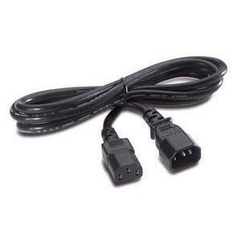
 | The HPE ProLiant DL110 Gen11 is a high-density, single-socket server designed for edge computing, telco, and network function virtualization (NFV) workloads. It offers powerful performance with support for 4th Gen Intel® Xeon® Scalable processors, optimized for I/O and compute-intensive tasks. The DL110 Gen11 features a compact 1U form factor, support for multiple GPUs or accelerators, and flexible networking options, making it ideal for space-constrained environments that require high compute power at the edge.

Qty | Code on Sage | DESCRIPTION |  | SCC Price

Server Base - Single CPU 1U Rack Server
1 | P54277-B21 | HPE ProLiant DL110 Gen11 Front Cabled Configure-to-order Server |  |  | This is a base component server that does not include a CPU, memory, drives, network adapters, or power supplies. It comes equipped only with management software (iLO Advanced and ComputeOps Manager). Components required to make the server operational can be selected and configured separately below to make it a workable server.
1 | P54277-B21 B19 | HPE DL110 Gen11 Front Cbl Telco CTO Svr
1 | P54288-B21 | HPE ProLiant DL110 Gen11 x16 FHHL PCIe Secondary Riser Kit
1 | BD505A | HPE iLO Advanced 1-server License with 3yr Support on iLO Licensed Features
1 | S1A05A | HPE Compute Cloud Management Server FIO Enablement
1 | 775612-B21 | HPE 1U Short Friction Rail Kit
1 | P58197-B21 | HPE ProLiant DL110 Gen11 Rail Compatible Ear Kit
1 | R7A11AAE | HPE Compute Ops Management Standard 3-year Upfront ProLiant SaaS
Total Price |  |  | R118,149.00 | R70,889.40

Qty | Code on Sage | DESCRIPTION |  | SCC Price

Processors - Single CPU For the DL110
1 | P66247-B21 | Intel Xeon-Gold 5423N 2.1GHz 20-core 145W Processor for HPE | R81,023.00 | R48,613.80 | The following are the available CPU options compatible with the above base configuration. Please note that this server supports only a single CPU selection.
1 | P49597-B21 | Intel Xeon-Gold 5415+ 2.9GHz 8-core 150W Processor for HPE | R50,898.00 | R30,538.80
1 | P49598-B21 | Intel Xeon-Gold 6426Y 2.5GHz 16-core 185W Processor for HPE | R54,818.00 | R32,890.80
1 | P49601-B21 | Intel Xeon-Gold 6434 3.7GHz 8-core 195W Processor for HPE | R124,499.00 | R74,699.40
1 | P49611-B21 | Intel Xeon-Silver 4416+ 2.0GHz 20-core 165W Processor for HPE | R56,151.00 | R33,690.60
1 | P49613-B21 | Intel Xeon-Gold 5420+ 2.0GHz 28-core 205W Processor for HPE | R88,245.00 | R52,947.00
1 | P49615-B21 | Intel Xeon-Gold 6438Y+ 2.0GHz 32-core 205W Processor for HPE | R142,048.00 | R85,228.80
1 | P49617-B21 | Intel Xeon-Bronze 3408U 1.8GHz 8-core 125W Processor for HPE | R21,469.00 | R12,881.40
1 | P49618-B21 | Intel Xeon-Gold 5412U 2.1GHz 24-core 185W Processor for HPE | R57,583.00 | R34,549.80
1 | P49638-B21 | Intel Xeon-Gold 6438N 2.0GHz 32-core 205W Processor for HPE | R160,016.00 | R96,009.60
1 | P49639-B21 | Intel Xeon-Gold 5411N 1.9GHz 24-core 165W Processor for HPE | R65,025.00 | R39,015.00
1 | P49640-B21 | Intel Xeon-Gold 5418N 1.8GHz 24-core 165W Processor for HPE | R79,471.00 | R47,682.60
1 | P49641-B21 | Intel Xeon-Gold 6421N 1.8GHz 32-core 185W Processor for HPE | R122,509.00 | R73,505.40
1 | P66231-B21 | Intel Xeon-Gold 6443N 2.0GHz 32-core 195W Processor for HPE | R168,134.00 | R100,880.40
1 | P66235-B21 | Intel Xeon-Gold 6433N 2.0GHz 32-core 205W Processor for HPE | R143,361.00 | R86,016.60
1 | P66239-B21 | Intel Xeon-Gold 6423N 2.0GHz 28-core 195W Processor for HPE | R111,804.00 | R67,082.40
1 | P66243-B21 | Intel Xeon-Gold 6403N 1.9GHz 24-core 185W Processor for HPE | R92,921.00 | R55,752.60

Qty | Code on Sage | DESCRIPTION |  | SCC Price

Memory - Maximum of x8 Memory For the DL110
1 | P43328-B21 | HPE 32GB (1x32GB) Dual Rank x8 DDR5-4800 CAS-40-39-39 EC8 Registered Smart Memory Kit | R31,953.00 | R19,171.80 | Recommendation: For optimal performance and compatibility, select the same type of memory modules and install them in even numbers. A Maximum of memory that can be selected is 8.
1 | P43331-B21 | HPE 64GB (1x64GB) Dual Rank x4 DDR5-4800 CAS-40-39-39 EC8 Registered Smart Memory Kit | R63,445.00 | R38,067.00
1 | P43322-B21 | HPE 16GB (1x16GB) Single Rank x8 DDR5-4800 CAS-40-39-39 EC8 Registered Smart Memory Kit | R16,974.00 | R10,184.40
1 | P43334-B21 | HPE 128GB (1x128GB) Quad Rank x4 DDR5-4800 CAS-46-39-39 EC8 Registered 3DS Smart Memory Kit | R140,691.00 | R84,414.60
1 | P69974-B21 | HPE 128GB (1x128GB) Dual Rank x4 DDR5-4800 CAS-40-39-39 EC8 Registered Smart Memory Kit | R126,569.00 | R75,941.40

Qty | Code on Sage | DESCRIPTION |  | SCC Price

Drives - Maximum of x4 SSDs For the DL110
1 | P40513-B21 | HPE 480GB NVMe Gen3 Mainstream Performance Read Intensive M.2 Multi Vendor SSD | R23,754.00 | R14,252.40 | The following are the available drive options that can be selected for the above base.
1 | P40514-B21 | HPE 960GB NVMe Gen3 Mainstream Performance Read Intensive M.2 Multi Vendor SSD | R30,594.00 | R18,356.40
1 | P40515-B21 | HPE 1.92TB NVMe Gen3 Mainstream Performance Read Intensive M.2 Multi Vendor SSD | R48,551.00 | R29,130.60
1 | P80318-B21 | HPE 480GB NVMe Gen4 Mainstream Performance Read Intensive M.2 2280 V2 Multi Vendor SSD | R14,538.00 | R8,722.80
1 | P80321-B21 | HPE 960GB NVMe Gen4 Mainstream Performance Read Intensive M.2 2280 V2 Multi Vendor SSD | R22,657.00 | R13,594.20
1 | P80324-B21 | HPE 1.92TB NVMe Gen4 Mainstream Performance Read Intensive M.2 2280 V2 Multi Vendor SSD | R3,683.00 | R2,209.80
1 | P80327-B21 | HPE 960GB NVMe Gen4 Mainstream Performance Read Intensive M.2 2280 Self-encrypting Multi Vendor SSD | R23,754.00 | R14,252.40

Qty | Code on Sage | DESCRIPTION |  | SCC Price

Network Card - Maximum of Network Cards For the DL110
1 | P25960-B21 | Mellanox MCX623106AS-CDAT Ethernet 100Gb 2-port QSFP56 Adapter for HPE | R82,868.00 | R49,720.80 | These are the different types of Network cards that can be selected for this server. A Maximum of 2 x Network cards can be selected.
1 | P26253-B21 | Broadcom BCM57416 Ethernet 10Gb 2-port BASE-T Adapter for HPE | R2,094.00 | R1,256.40
1 | P26259-B21 | Broadcom BCM57412 Ethernet 10Gb 2-port SFP+ Adapter for HPE | R17,813.00 | R10,687.80
1 | P42044-B21 | Mellanox MCX631102AS-ADAT Ethernet 10/25Gb 2-port SFP28 Adapter for HPE | R28,425.00 | R17,055.00
1 | P51178-B21 | Broadcom BCM5719 Ethernet 1Gb 4-port BASE-T Adapter for HPE | R9,191.00 | R5,514.60
1 | P08443-B21 | Intel E810-XXVDA2 Ethernet 10/25Gb 2-port SFP28 Adapter for HPE | R28,425.00 | R17,055.00
1 | P08458-B21 | Intel E810-XXVDA4 Ethernet 10/25Gb 4-port SFP28 Adapter for HPE | R8,338.00 | R5,002.80
1 | P26262-B21 | Broadcom BCM57414 Ethernet 10/25Gb 2-port SFP28 Adapter for HPE | R22,437.00 | R13,462.20
1 | P21112-B21 | Intel E810-CQDA2 Ethernet 100Gb 2-port QSFP28 Adapter for HPE | R60,451.00 | R36,270.60
1 | P26264-B21 | Broadcom BCM57504 Ethernet 10/25Gb 4-port SFP28 Adapter for HPE | R49,232.00 | R29,539.20
1

Qty | Code on Sage | DESCRIPTION |  | SCC Price

Power Supply - Maximum of x2 Power Supplies For the DL110 |  |  |  |  | Different types of Power Supplies for the server base above. Recommended two for redundancy.
1 | P54290-B21 | HPE ProLiant DL110 900W-1000W Titanium Hot Plug Low Halogen AC Power Supply Kit | R16,884.00 | R10,130.40
1 | P44975-B21 | HPE ProLiant DL110 700W Flex Slot Platinum Hot Plug Low Halogen AC Power Supply Kit | R8,414.00 | R5,048.40

Qty | Code on Sage | DESCRIPTION |  | SCC Price
 |  |  |  |  | We have two Power Cords. One for Universal and One for South African Kattle plugs
Power Cord for the Server
1 | AF567A | HPE C13 - SABS-164 ZA 250V 10Amp 2.5m Power Cord | 1021 | 612.6
1 | AF573A | HPE C13 - C14 WW 250V 10Amp Flint Gray 2.0m Jumper Cord | 720 | 432

 |  | HPE C13 - SABS-164 ZA 250V 10Amp 2.5m Power Cord
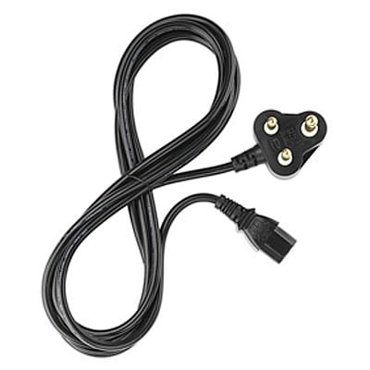

 |  | HPE C13 - C14 WW 250V 10Amp Flint Gray 2.0m Jumper Cord

Networking Aruba CX-Series
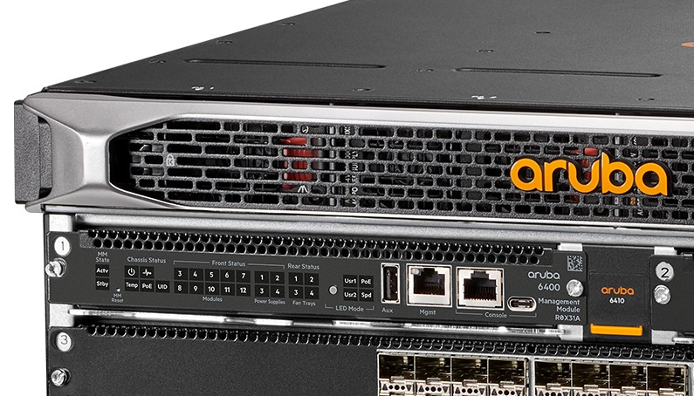

 | Below are the various types of switches and cables available. The switch options include 1Gb Base-T, 10Gb Base-T, and 10Gb SFP+ configurations

Code on Sage | DESCRIPTION | SCC Price

Aruba Neworking CX600 Switches |  | SCC Price | 40%
R8N85A | HPE Aruba Networking CX 6000 48G Class4 PoE 4SFP 370W Switch | R21,836.40
R8N87A | HPE Aruba Networking CX 6000 24G Class4 PoE 4SFP 370W Switch | R14,319.30
R8N89A | HPE Aruba Networking CX 6000 12G Class4 PoE 2G/2SFP 139W Switch | R6,801.30

Aruba Neworking CX6100 Switches |  | SCC Price
JL679A | HPE Aruba Networking CX 6100 12G Class4 PoE 2G/2SFP+ 139W Switch | R10,918.50
JL678A | HPE Aruba Networking CX 6100 24G 4SFP+ Switch | R17,655.60
JL676A | HPE Aruba Networking CX 6100 48G 4SFP+ Switch | R25,947.60

Aruba Neworking 2930F Switches |  | SCC Price
JL693A | HPE Aruba Networking 2930F 12G PoE+ 2G/2SFP+ Switch | R14,806.50
JL253A | HPE Aruba Networking 2930F 24G 4SFP+ Switch | R24,714.90
JL254A | HPE Aruba Networking 2930F 48G 4SFP+ Switch | R36,362.70

Networking Cables |  | SCC Price
\ | HPE Aruba Networking 1G SFP LC SX 500m OM2 MMF Transceiver | R2,160.30
J8177D | HPE Aruba Networking 1G SFP RJ45 T 100m Cat5e Transceiver | R2,422.20
J8177E | HPE Aruba Networking 1G SFP RJ45 100m Cat5e Transceiver | R2,359.20
J9150D | HPE Aruba Networking 10G SFP+ LC SR 300m OM3 MMF Transceiver | R8,886.30
J9281D | HPE Aruba Networking 10G SFP+ to SFP+ 1m Direct Attach Copper Cable | R1,269.30
J9283D | HPE Aruba Networking 10G SFP+ to SFP+ 3m Direct Attach Copper Cable | R1,787.70
S2P30A | HPE Aruba Networking 10G SR SFP+ LC 400m OM4 MMF C-Class Transceiver | R4,894.80
487655-B21 | HPE BladeSystem c-Class 10GbE SFP+ to SFP+ 3m Direct Attach Copper Cable | R1,620.30
537963-B21 | HPE BladeSystem c-Class 10GbE SFP+ to SFP+ 5m Direct Attach Copper Cable | R1,859.10
JL563B | HPE Aruba Networking 10GBASE-T SFP+ RJ45 30m Cat6A Transceiver | R10,126.50
JL563C | HPE Aruba Networking 10GBASE-T SFP+ RJ45 30m Cat6A Transceiver | R9,886.20

