Sheet1
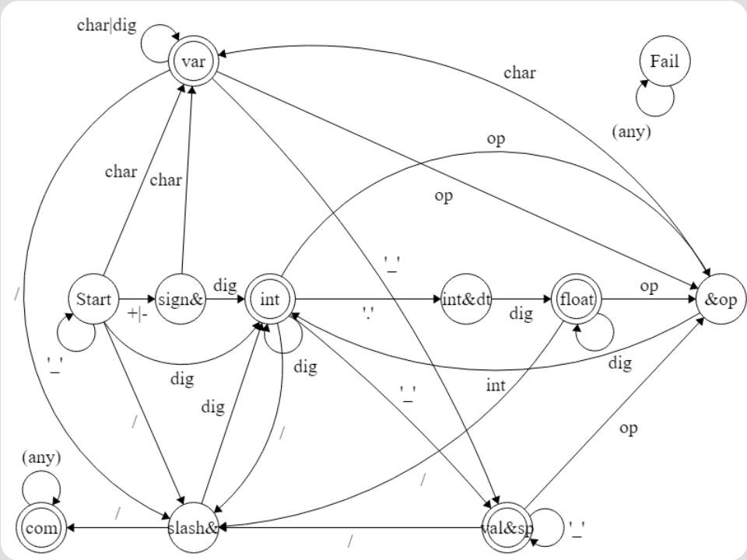
 |  | sign(+|-) | op | dig | char(a-z|A-Z|_) | dot('.') | slash(/) | sp('_') | par('('|')')
q0 | start | sign&x | fail | int | var | fail | slash&x | start | par
q1 | sign&x | fail | fail | int | var | fail | fail | fail | par
q2 | int | x&op | x&op | int | fail | int&dt | slash&x | val&sp | fail
q3 | x&op | sign&x | fail | int | var | fail | fail | x&op | par
q4 | val&sp | x&op | x&op | fail | fail | fail | slash&x | val&sp | fail
q5 | int&dt | fail | fail | float | fail | fail | fail | fail | fail
q6 | float | x&op | x&op | float | fail | fail | slash&x | val&sp | fail
q7 | var | x&op | x&op | var | var | fail | slash&x | val&sp | fail
q8 | slash&x | sign&x | fail | int | var | fail | com | x&op | par
q9 | par | sign&x | fail | int | var | fail | fail | par | par
q10 | com | com | com | com | com | com | com | com | com
q11 | fail | fail | fail | fail | fail | fail | fail | fail | fail

