3-CAN Parameters
CAN Parameters:

CAN标准：Bosch CAN2.0 B(11位ID)
波特率：500kbps
终端节点：ICAN CCU以及TBOX需要终端电阻120Ω，CDCAN CCU以及MCU需要终端电阻120Ω
帧类型：标准帧
帧格式：Intel
ICAN
CPCAN
采样点：75%

CAN Format
 |  | CAN data formats

 | CAN message Data bytes in Intel format
LSByte
MSBit
LSBit
MSByte
Identifier | 1 | 2 | 3 | 4 | 5 | 6 | 7 | 8
11 Bit | 7-0 | 15-8 | 23-16 | 31-24 | 39-32 | 47-40 | 55-48 | 63-56
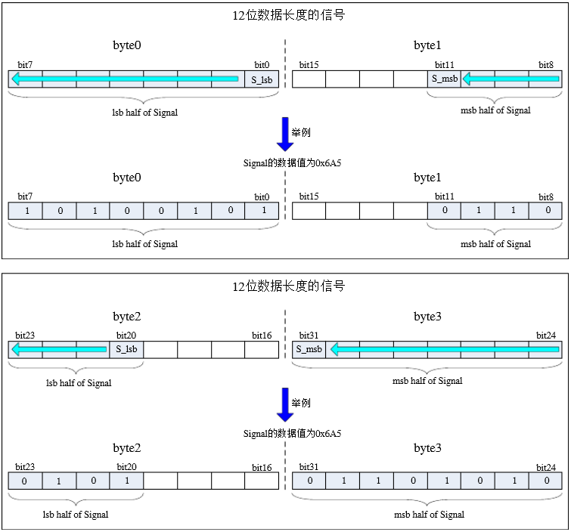

Module Acronyms
ECUs
CCU | VCU和BMU系统
BSU1 | 电池从控系统1
BSU2 | 电池从控系统2
BSU3 | 电池从控系统3
MCU | 电机控制器
OBC | 非车载充电机
HSU | 高压采集系统
SAS-SW | 方向盘转角传感器
PadGateWay | PAD网关
URU | 超声波雷达

The example uses the event "door closed" to explain the four different Transmission types used for CAN messages:
Fixed Periodic
Event
Fixed Periodic & Event
 |  | Message Transmission Types
 |  |  |  |  |  |  | Legend:

 |  |  |  |  |  |  |  | CAN signal for "door open" | CAN signal for "door closed"

 |  |  |  |  |  |  |  | Event: "door open" | Event: "door closed"

Fixed Periodic:
The message is sent periodically with a period time of T.

Event |  | door open |  |  | door closed

Event:
The message is always sent if at least one of its signals is changed and the last transmission occurred with at least the specified time delay Tmin. Otherwise transmission is delayed until the time specified as the minimum delay Tmin has elapsed. Tmin = 20ms.
CAN message
 |  |  |  |  |  | time
 |  | T

 |  | door opened |  | door closed |  | door opened
Event

Fixed Periodic & Event:
The message is sent periodically with a period time of T.
In addition the message is sent when at least one of its signals is changed (OnChange)/ written (OnWrite) and the last transmission occurred with at least the specified time delay Tmin. Otherwise transmission is delayed until the time specified as the minimum delay Tmin has elapsed. The periodic time T will not effected/ changed by sent out the frame as event. Tmin = 20ms.
CAN message
 |  |  |  |  |  | time

 |  | door opened |  |  | door opened
Event

CAN message
 |  |  |  |  |  | time
 |  | >Tmin |  |  | >Tmin

