1
 |  |  | Incoming Inspection Report |  |  | Written by | Reviewed by | Approved by

 |  |  | PRODUCT | Seegene STARlet |  | / / | / / | / /

Document Number |  |  |  |  | Serial Number
Incoming Inspection Instruction |  | SG-SI-STA-01, Rev.5 |  |  | Instrument | Serial No. | Seegene STARlet
Incoming Inspection Report |  | QFI-0803-ISS-01, Rev.6 |  |  | Computer | Serial No. | 5CG8425X6Z

Inspection | Inspector |  | 이신후 |  |  | Result
 | Start date |  | 2022-05-19
 | Completed date

Hamilton S/W Version |  |  | Hamilton
Hamilton FV2 Version |  |  | Hamilton
Firmware Version | Pipette Ch (PX) |  | PX_Pipette
 | X-drive (XO) |  | X_Driven
 | Master (CO) |  | Master

1. Appearance Inspection
1) Packaging Condition
Visual Inspection | Category |  | Factor | Determine to
 | Shock Watch |  | Damage | ■ No □ Yes
 | Binding |  | Installed | □ No ■ Yes
 | Labels |  | Tagged | □ No ■ Yes
 | Packaging Box |  | Damage | ■ No □ Yes
 | Wooden Pallet |  | Damage | ■ No □ Yes
 | Transport Jig |  | Installed | □ No ■ Yes

2) Appearance of instrument - Check if a scratch / damage / spots on below

 |  |  |  |  |  |  | Front
 |  |  |  |  |  |  | ■ Pass
 |  |  |  |  |  |  | □ Fail
 |  |  |  |  |  |  | Top
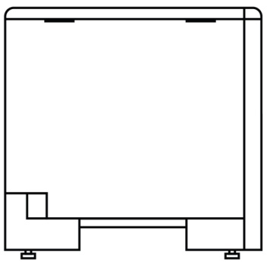
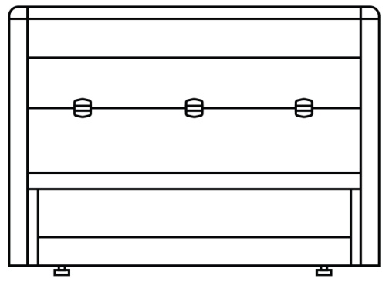
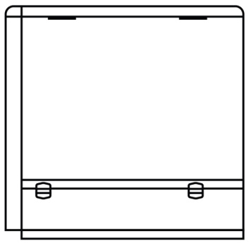
 |  |  |  |  |  |  | ■ Pass
 |  |  |  |  |  |  | □ Fail
 |  |  |  |  |  |  | Right
 |  |  |  |  |  |  | ■ Pass
 |  |  |  |  |  |  | □ Fail
 |  |  |  |  |  |  | Left
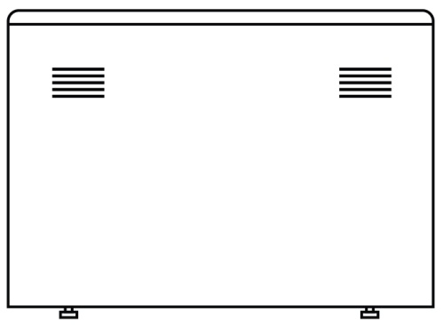
 |  |  |  |  |  |  | ■ Pass
 |  |  |  |  |  |  | □ Fail
 |  |  |  |  |  |  | Back
 |  |  |  |  |  |  | ■ Pass
 |  |  |  |  |  |  | □ Fail

