Customer Data
Date: |  |  |  |  |  |  |  |  | Responsible Technician: |  |  |  |  | Davilson Oliveira |  |  |  |  |  | 
Customer: |  |  |  | Erpalsti
Responsible Person: |  |  |  |  |  |  |  |  | Phone/E-mail:

Printer:
Printer Model: |  |  |  |  |  |  |  |  | Printer Type:
Press Speed (mts/min): |  |  |  |  |  |  |  |  | Press Temperature (° C): |  |  |  |  | N/A

Substrate: |  |  |  | PE Branco |  |  |  |  | Printing Type:

Flexo Plate: |  |  |  |  |  |  |  |  | Imagesetter Resolution (dpi): |  |  |  |  | 4000
Engraving Technology: |  |  |  |  |  |  |  |  | Processing Technology:
Sticky Back:

Ink Manufacturer:
More Information about Ink:
Ink Type: |  |  |  |  |  |  |  |  | Viscometer Type:

 |  |  |  | Yellow |  |  | Magenta |  |  | Cyan |  |  | Black |  |  | White
Print Order:

Screen Ruling (lpi) : |  |  |  | 127 |  |  | 127 |  |  | 127 |  |  | 127
Angles: |  |  |  | 82.5 |  |  | 37.5 |  |  | 7.5 |  |  | 67.5

Viscosities (seconds):
Drying Time (min/sec):
Room temp.(°C) / Relat. Humidity

Anilox Manufacturer:
Anilox Model:
Volume (BCM) / lpi:
Anilox # (Identification):
Densities |  |  |  | 1.05 |  |  | 1.25 |  |  | 1.57 |  |  | 1.72

Colorimetric Values (Lab)
 | Gamut |  | Cyan |  | Magenta |  | Yellow |  | Black |  | Red (M/Y) |  | Green (C/Y) |  | Blue (C/M)
-6.8 | 97.8 | -38.7 | -51.2 | 73.8 | -7.0 | -6.8 | 97.8 | -0.3 | 1.2 | 71.0 | 53.3 | -77.5 | 26.2 | 19.9 | -55.0
71.0 | 53.3
73.8 | -7.0
19.9 | -55.0
-38.7 | -51.2
-77.5 | 26.2
-6.8 | 97.8
"L" Axis
Tonal Value Increase (Dot Gain)


 |  |  |  |  |  |  |  |  |  |  |  |  |  |  |  |  |  |  | Lab Values

White/Substrate

 |  |  |  |  |  |  |  |  |  |  |  |  |  |  |  |  |  |  | Dot Gain Values

Colorimetric Values (Lab/Lch) |  |  |  |  |  |  |  | Tonal Value Increase (Dot Gain)
 | L | a | b | L | c | h |  | Valor Nominal % |  | 0 | 2 | 5 | 10 | 25 | 50 | 75 | 95 | 100
Cyan | 54.7 | -38.7 | -51.2 | 54.7 | 64.2 | 232.9 |  | Cyan |  | 0.0 | 2.0 | 5.0 | 10.0 | 25.0 | 50.0 | 75.0 | 95.0 | 100.0
Magenta | 51.4 | 73.8 | -7.0 | 51.4 | 74.2 | 354.6 |  | Magenta |  | 0.0 | 2.0 | 5.0 | 10.0 | 25.0 | 50.0 | 75.0 | 95.0 | 100.0
Yellow | 91.8 | -6.8 | 97.8 | 91.8 | 98.1 | 94.0 |  | Yellow |  | 0.0 | 2.0 | 5.0 | 10.0 | 25.0 | 50.0 | 75.0 | 95.0 | 100.0
Black | 14.9 | -0.3 | 1.2 | 14.9 | 1.2 | 105.4 |  | Black |  | 0.0 | 2.0 | 5.0 | 10.0 | 25.0 | 50.0 | 75.0 | 95.0 | 100.0
Red (M/Y) | 49.9 | 71.0 | 53.3 | 49.9 | 88.8 | 36.9
Green (C/Y) | 45.8 | -77.5 | 26.2 | 45.8 | 81.8 | 161.3
Blue (C/M) | 19.4 | 19.9 | -55.0 | 19.4 | 58.5 | 289.9
 |  |  |  |  |  |  |  | White Opacity (%): |  | N/A |  | White/Substrate Lab Values: |  |  |  | L | a | b
 |  |  |  |  |  |  |  |  |  |  |  |  |  |  |  | 94.9 | -1.0 | 0.7

Measurement Conditions: |  |  |  | X-Rite Eye One Pro 2 - Measurement Condition: M0 (D50/2) - Delta E 2000 - ISO Status T - Calibration: Paper

Comments:

MC Instructions
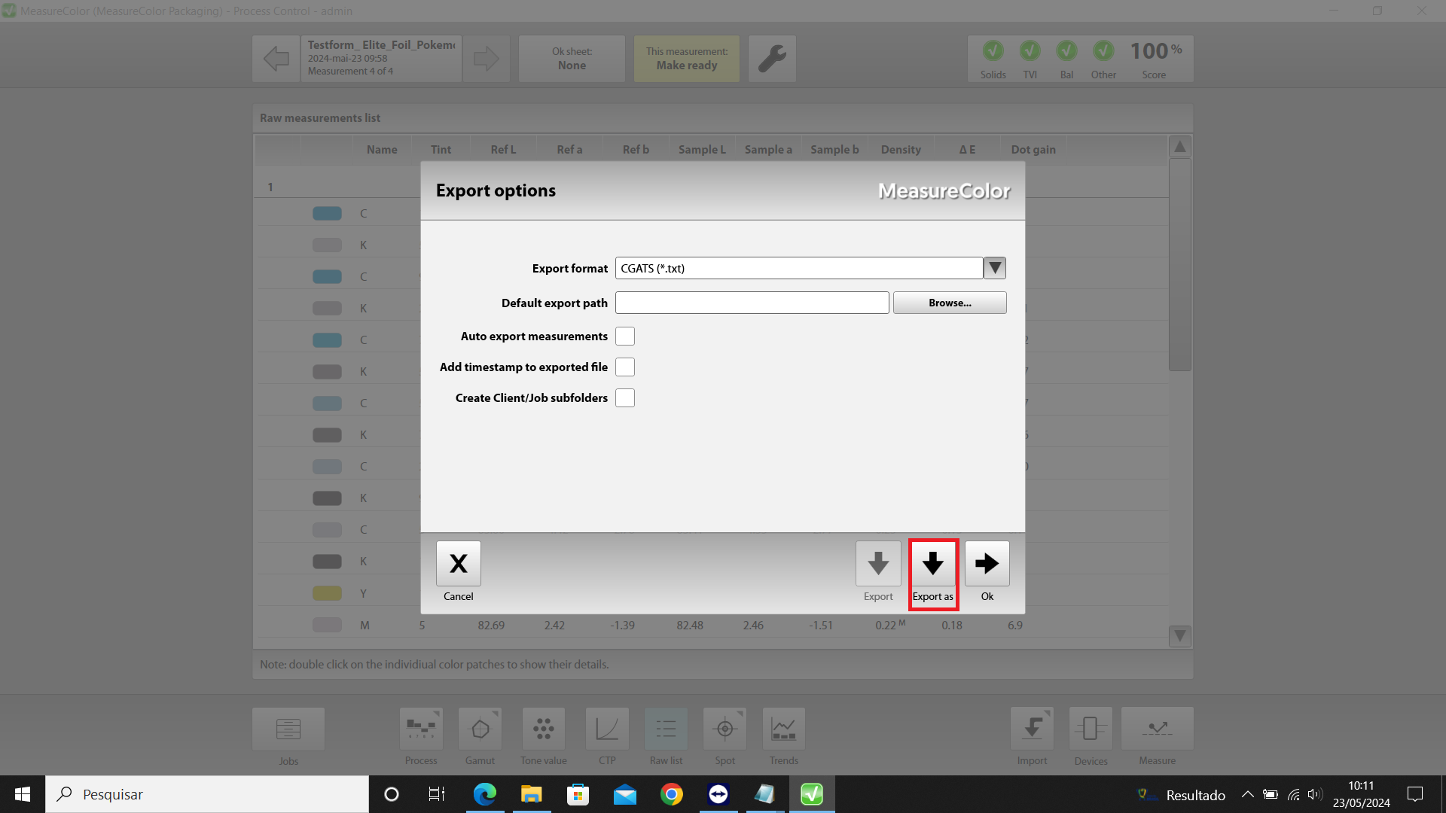
To export/import data from Measure Color, follow the instructions below:

Dot Gain In the CTP menu, use the "Save Curve" option to generate the dot gain values (TVI):

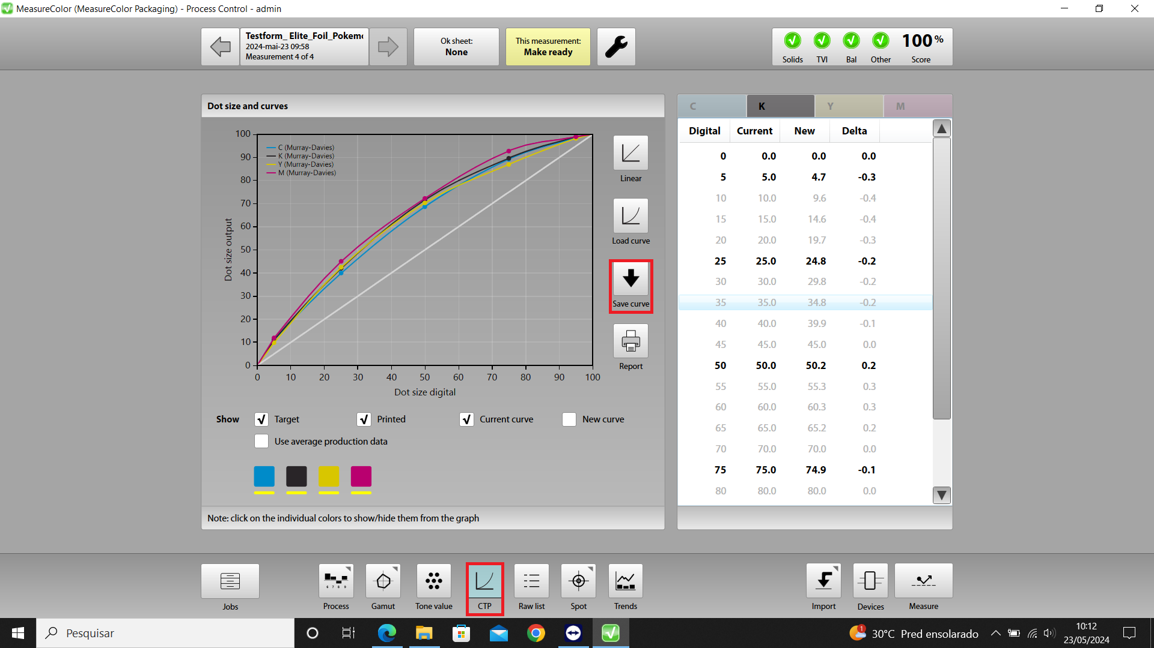

Lab Values In the Raw List menu, access the settings and the Export option (right click):

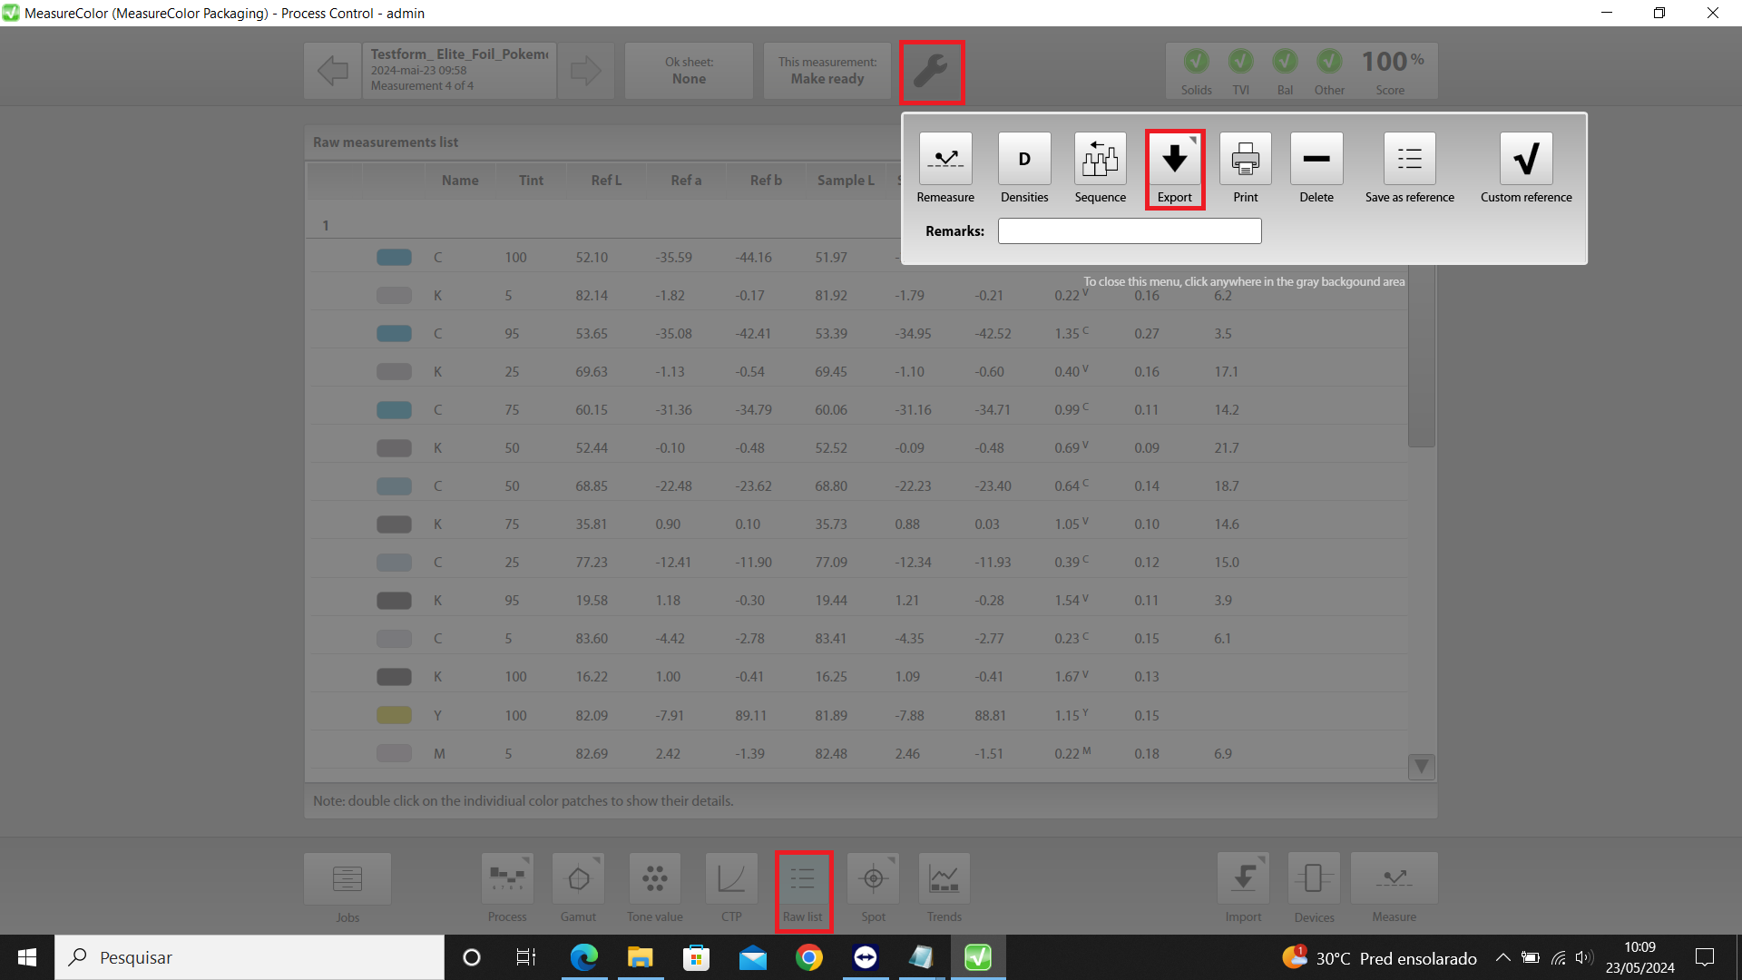

Export the CGATS file (*.txt), using the configurations below:

