Call Price
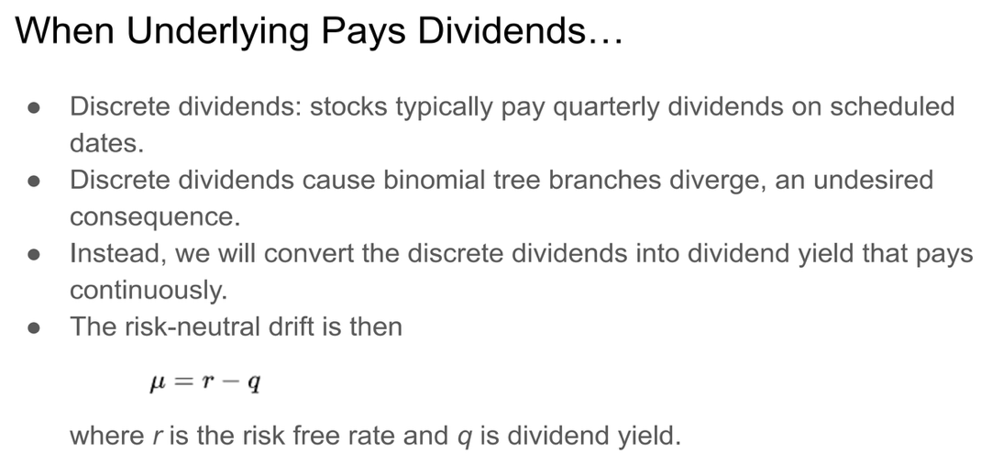
Spot Price = | $100
Strike Price = | $100
Time to maturity: T (Years) = | 1
Risk-free interest rate: r = | 4%
Dividend Yield: q = | 3%
Stock Volatility: | 30%

 | Cox-Ross-Rubinstein Model

 | Steps |  |  |  |  |  | Period
 | 0 | 1 | 2 | 3 | 4 | 5 | 5 | 4 | 3 | 2 | 1 | 0

Period (Δt): | 0.2 |  |  |  |  | $195.58412 | $95.58412
Up factor (u): | 1.1435804414
Down factor (d): | 0.87444657482 |  |  |  | $171.02787 |  |  | $70.80158
p = | 0.47394788379
 |  |  |  | $149.55473 |  | $149.55473 | $49.55473 |  | $49.35807

 |  |  | $130.77762 |  | $130.77762 |  |  | $30.79211 |  | $32.60051

 |  | $114.35804 |  | $114.35804 |  | $114.35804 | $14.35804 |  | $18.00052 |  | $20.60891

 | $100.00000 |  | $100.00000 |  | $100.00000 |  |  | $6.75074 |  | $10.11972 |  | $12.57915
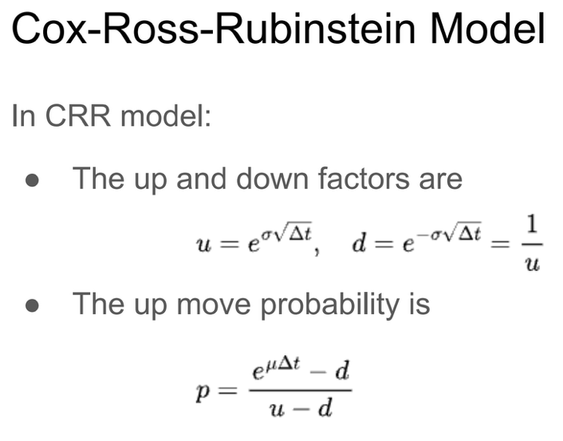
 |  | $87.44466 |  | $87.44466 |  | $87.44466 | $0.00000 |  | $3.17401 |  | $5.53679

 |  |  | $76.46568 |  | $76.46568 |  |  | $0.00000 |  | $1.49233

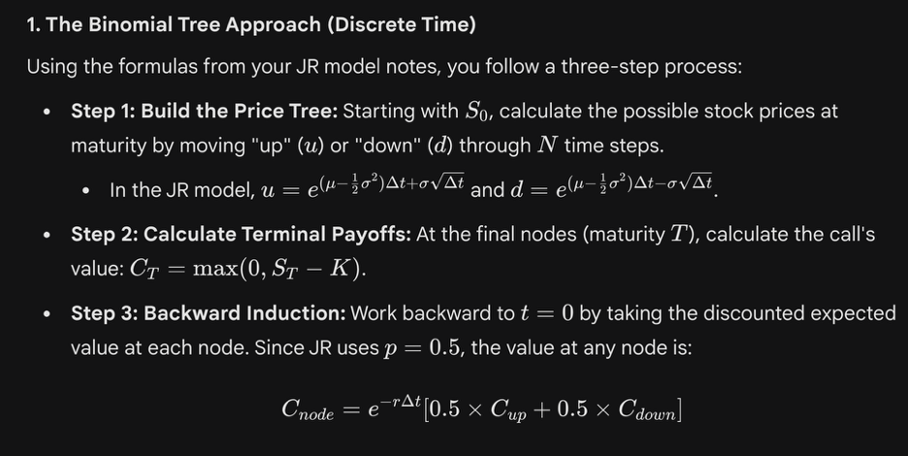
 |  |  |  | $66.86515 |  | $66.86515 | $0.00000 |  | $0.00000

 |  |  |  |  | $58.47000 |  |  | $0.00000

 |  |  |  |  |  | $51.12889 | $0.00000

 | Jarrow-Rudd Model

 | Steps |  |  |  |  |  | Period
 | 0 | 1 | 2 | 3 | 4 | 5 | 5 | 4 | 3 | 2 | 1 | 0

Period (Δt): | 0.2 |  |  |  |  | $188.85709 | $88.85709
Up factor (u): | 1.1356033308
Down factor (d): | 0.86834682283 |  |  |  | $166.30551 |  |  | $66.10303
p = | 0.5
 |  |  |  | $146.44683 |  | $144.41086 | $44.41086 |  | $46.27946

 |  |  | $128.95949 |  | $127.16664 |  |  | $27.19934 |  | $30.91944

 |  | $113.56033 |  | $111.98157 |  | $110.42475 | $10.42475 |  | $16.05612 |  | $19.91788

 | $100.00000 |  | $98.60975 |  | $97.23884 |  |  | $5.17084 |  | $9.23629 |  | $12.46501

 |  | $86.83468 |  | $85.62747 |  | $84.43703 | $0.00000 |  | $2.56482 |  | $5.21237
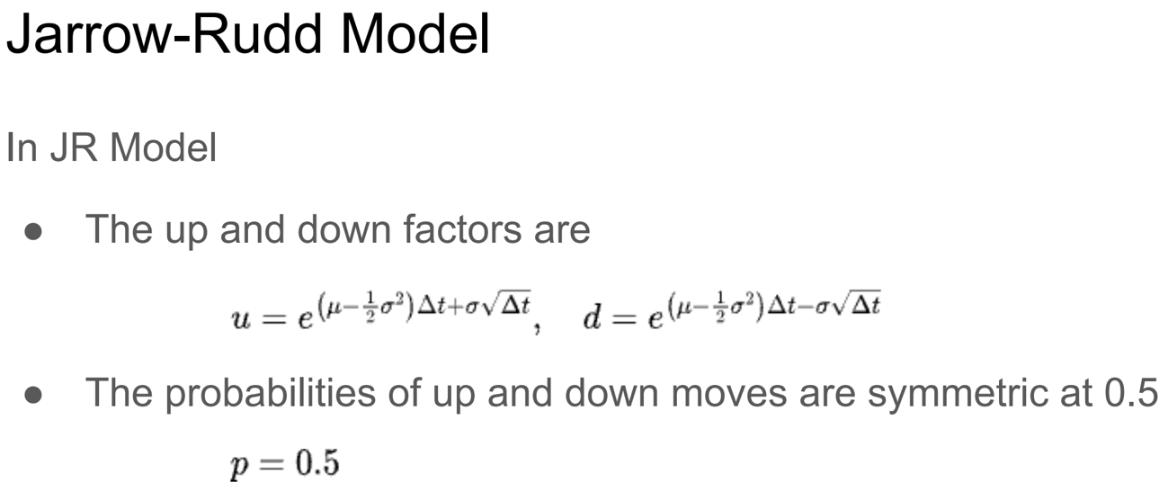
 |  |  | $75.40262 |  | $74.35434 |  |  | $0.00000 |  | $1.27219

 |  |  |  | $65.47563 |  | $64.56535 | $0.00000 |  | $0.00000

 |  |  |  |  | $56.85555 |  |  | $0.00000

 |  |  |  |  |  | $49.37034 | $0.00000

Put Price

Spot Price = | $100
Strike Price = | $100
Time to maturity: T (Years) = | 1
Risk-free interest rate: r = | 4%
Dividend Yield: q = | 3%
Stock Volatility: | 30%

 | Cox-Ross-Rubinstein Model

 | Steps |  |  |  |  |  | Period
 | 0 | 1 | 2 | 3 | 4 | 5 | 5 | 4 | 3 | 2 | 1 | 0

Period (Δt): | 0.2 |  |  |  |  | $195.58412 | $0.00000
Up factor (u): | 1.1435804414
Down factor (d): | 0.87444657482 |  |  |  | $171.02787 |  |  | $0.00000
p = | 0.47394788379
 |  |  |  | $149.55473 |  | $149.55473 | $0.00000 |  | $0.00000

 |  |  | $130.77762 |  | $130.77762 |  |  | $0.00000 |  | $1.78440

 |  | $114.35804 |  | $114.35804 |  | $114.35804 | $0.00000 |  | $3.41930 |  | $5.81344

 | $100.00000 |  | $100.00000 |  | $100.00000 |  |  | $6.55214 |  | $9.53219 |  | $11.61354
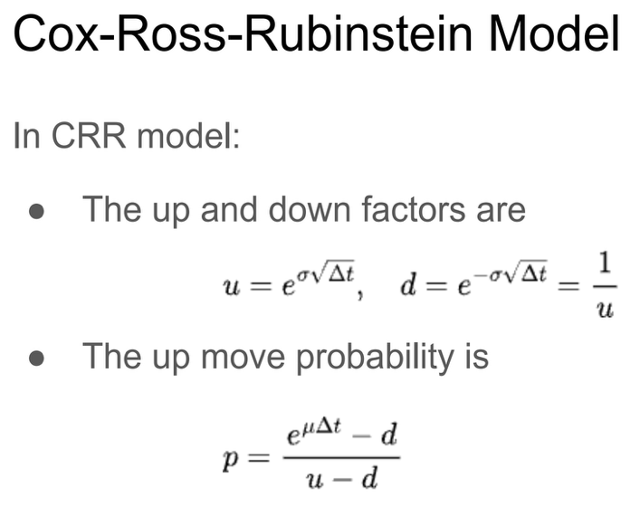
 |  | $87.44466 |  | $87.44466 |  | $87.44466 | $12.55534 |  | $15.18515 |  | $17.01648

 |  |  | $76.46568 |  | $76.46568 |  |  | $23.19493 |  | $24.01929


 |  |  |  | $66.86515 |  | $66.86515 | $33.13485 |  | $32.34517

 |  |  |  |  | $58.47000 |  |  | $41.08296

 |  |  |  |  |  | $51.12889 | $48.87111

 | Jarrow-Rudd Model

 | Steps |  |  |  |  |  | Period
 | 0 | 1 | 2 | 3 | 4 | 5 | 5 | 4 | 3 | 2 | 1 | 0

Period (Δt): | 0.2 |  |  |  |  | $188.85709 | $0.00000
Up factor (u): | 1.1356033308
Down factor (d): | 0.86834682283 |  |  |  | $166.30551 |  |  | $0.00000
p = | 0.5
 |  |  |  | $146.44683 |  | $144.41086 | $0.00000 |  | $0.00000

 |  |  | $128.95949 |  | $127.16664 |  |  | $0.00000 |  | $1.89924

 |  | $113.56033 |  | $111.98157 |  | $110.42475 | $0.00000 |  | $3.82898 |  | $5.91313

 | $100.00000 |  | $98.60975 |  | $97.23884 |  |  | $7.71948 |  | $10.02200 |  | $11.51244

 |  | $86.83468 |  | $85.62747 |  | $84.43703 | $15.56297 |  | $16.37602 |  | $17.29668

 |  |  | $75.40262 |  | $74.35434 |  |  | $25.29563 |  | $24.84922

 |  |  |  | $65.47563 |  | $64.56535 | $35.43465 |  | $33.72159

 |  |  |  |  | $56.85555 |  |  | $42.68927

 |  |  |  |  |  | $49.37034 | $50.62966

Put Call Parity
Cox-Ross-Rubinstein Model

C + PV (K) | P + S - PV (Dividends) | Difference
108.65809574 | $108.658096 | $0.000000

Jarrow-Rudd Model
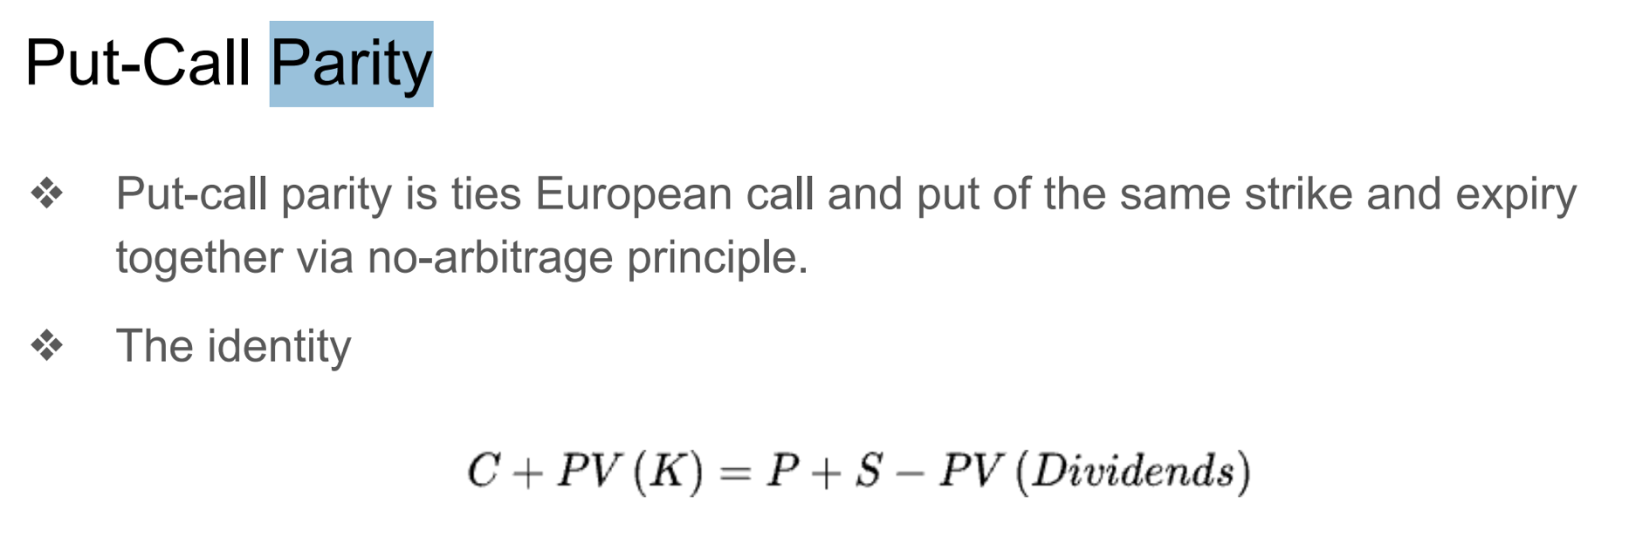
C + PV (K) | P + S - PV (Dividends) | Difference
108.54395134 | $108.5569889 | ($0.013038)

Black-Scholes
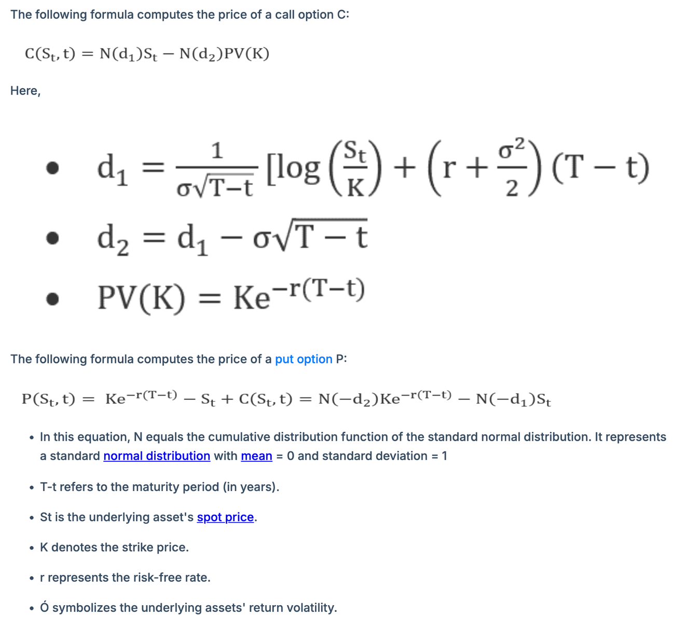

Spot Price = | $100 |  | d_1 = | 0.18333333333
Strike Price = | $100 |  | d_2 = | -0.11666666667
Time to maturity: T (Years) = | 1 |  | (- d_1) = | -0.18333333333
Risk-free interest rate: r = | 4% |  | (- d_2) = | 0.11666666667
Dividend Yield: q = | 3% |  | PV(K) = | 96.078943915
Stock Volatility: | 30%
 |  |  | Call Option Price | $13.70
 |  |  | Put Option Price | $9.77

Black-Scholes Model

C + PV (K) | P + S - PV (Dividends) | Difference
$109.77 | $109.77 | 0

