Sheet1
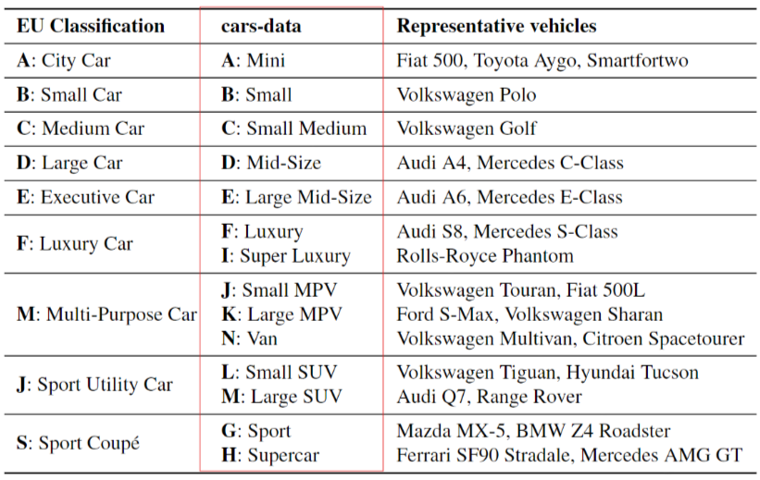
MS_Fm | MS_Ft | category | key-brand | key-model | size
M | PETROL | B | DACIA | DACIA SANDERO | 216642
M | DIESEL | B | RENAULT | RENAULT CLIO | 39601
M | PETROL | C | VOLKSWAGEN | VOLKSWAGEN GOLF | 62373
M | DIESEL | C | VOLKSWAGEN | VOLKSWAGEN GOLF | 72797
M | PETROL | D | BMW | BMW SERIES 3 | 17241
M | DIESEL | D | VOLKSWAGEN | VOLKSWAGEN PASSAT | 66392
P | PETROL/ELECTRIC | C | MERCEDES-BENZ | MERCEDES-BENZ A-CLASS | 31632
P | PETROL/ELECTRIC | D | VOLVO | VOLVO V60 | 29547
P | DIESEL/ELECTRIC | D | MERCEDES-BENZ | MERCEDES-BENZ C-CLASS | 6577
P | PETROL/ELECTRIC | E | BMW | BMW SERIES 5 | 17526
P | DIESEL/ELECTRIC | E | MERCEDES-BENZ | MERCEDES-BENZ E-CLASS | 17720

