BugReport
Bug ID | Title / Description | Steps to Reproduce | Expected Result | Actual Result | Severity | Priority | Screenshot | Date Reported | Status
SD_BUG_001 | Leading and trailing spaces in username are not trimmed and user is not logged in | 1. Open https://www.saucedemo.com/ 2. Enter username with leading and trailing spaces 3. Enter valid password 4. Click the Login button | Leading and trailing spaces are trimmed and user must be logged in successfully | Warning message with the text "Epic sadface: Username and password do not match any user in this service" is displayed | Medium | P0 (High) | 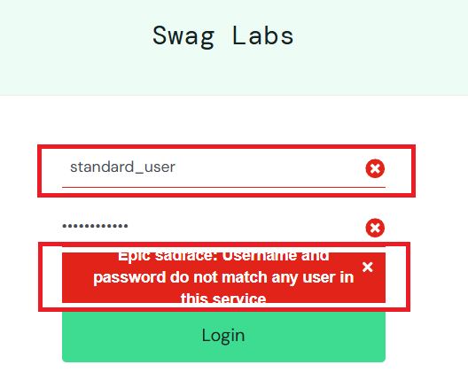 | January 2026 | Open
SD_BUG_002 | Product name does not follow standard naming format on Products page | 1. Open https://www.saucedemo.com/ 2. Log in as standard_user 3. Navigate to the Products page 4. Observe the list of product names displayed | All product names follow the format: “Sauce Labs” + product name | The product “Test.allTheThings() T-Shirt (Red)” does not follow the standard naming format. All other products follow the expected format. | Minor | P2 (Low) | 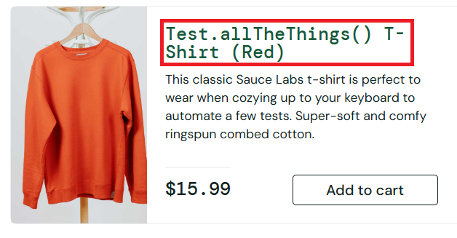 | January 2026 | Open
SD_BUG_003 | Product description for "Sauce Labs Backpack" contains incorrect syntax | 1. Open https://www.saucedemo.com/ 2. Log in as standard_user 3. Navigate to the Products page 4. Observe the list of product names displayed | Each product description is relevant to the product, displayed completely, and contains no spelling or grammatical errors. | All product descriptions are correct except "Sauce Labs Backpack" which contains an unknown syntax "carry.allTheThings()" | Medium | P1 (Medium) | 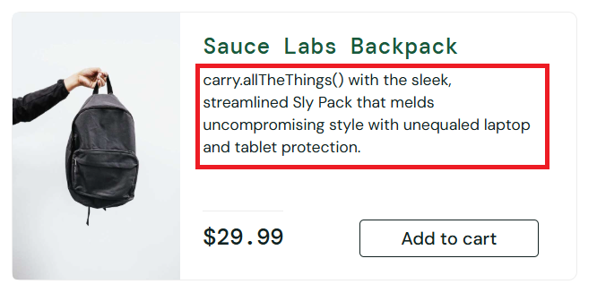 | January 2026 | Open
SD_BUG_004 | Invalid input on 'Checkout: Your Information' page is accepted and no error message is displayed | 1. Open https://www.saucedemo.com/ in any supported browser 2. Log in as standard_user 3. Add at least one product to the cart 4. Click the cart icon 5. Click the Checkout button 6. Enter invalid input: - First Name: 1234 - Last Name: %abcd@ - ZIP/Postal Code: pk7s 7. Click Continue | Error message is displayed and user is not redirected to the 'Checkout: Overview' page | Invalid input is accepted; Error message is not dispayed and user is redirected to the 'Checkout: Overview' page | High | P0 (High) | 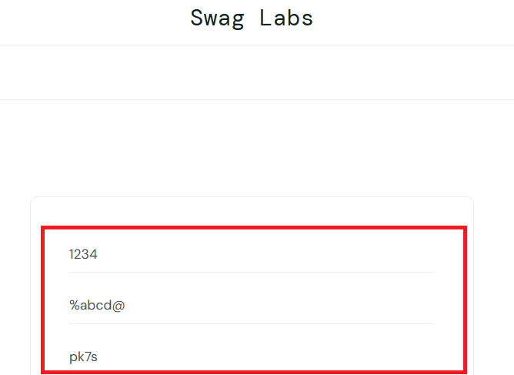 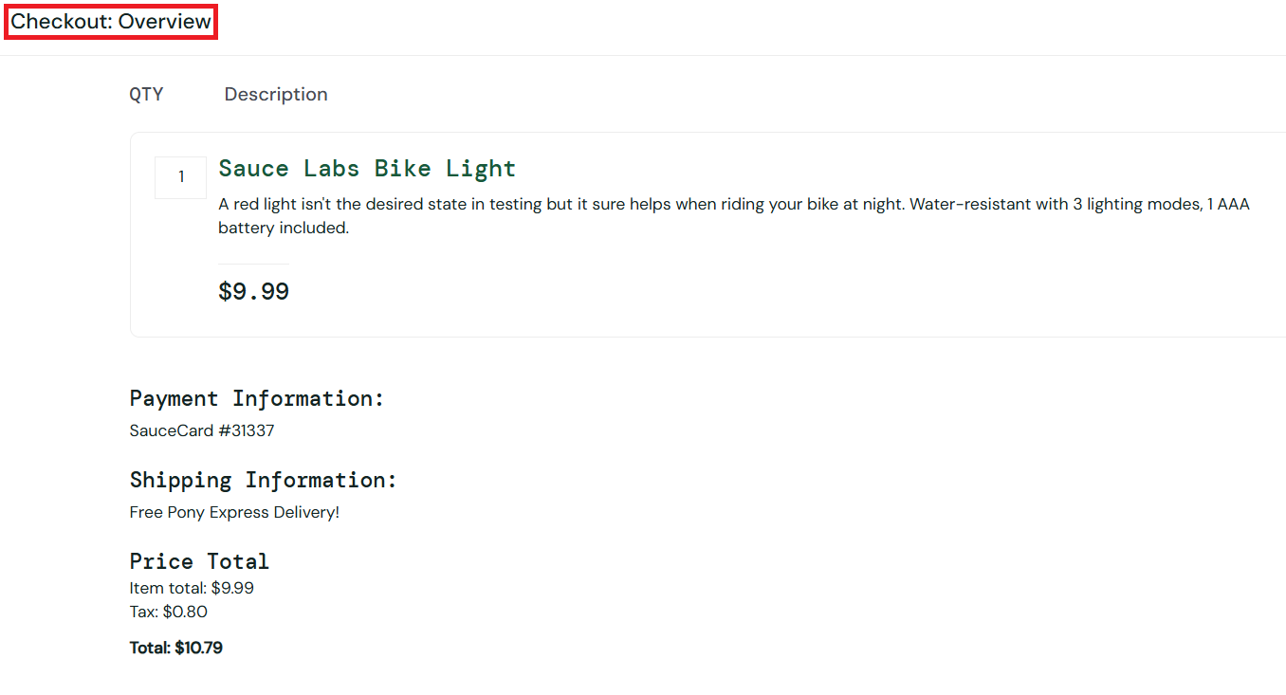 | January 2026 | Open

